mpg
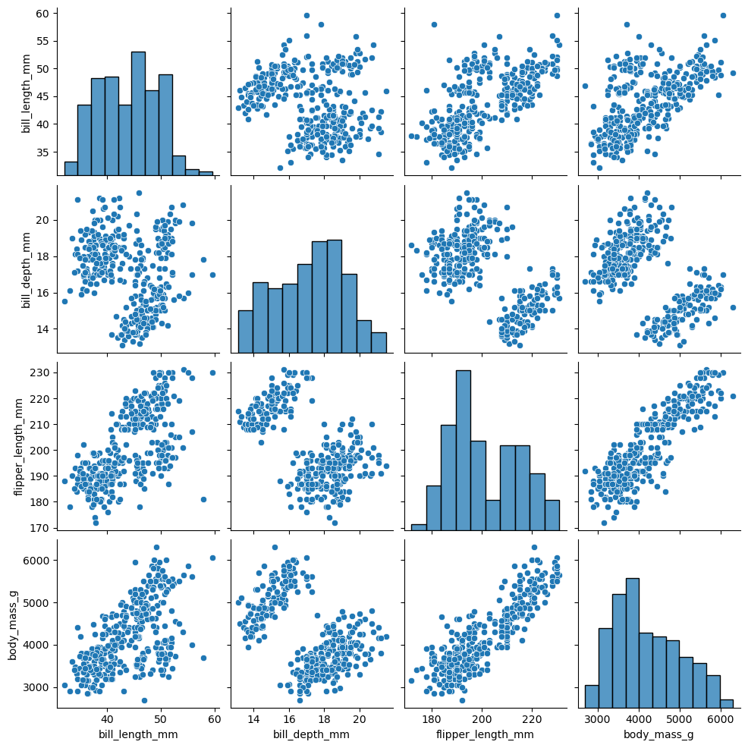
species | island | bill_length_mm | bill_depth_mm | flipper_length_mm | body_mass_g | sex
Adelie | Torgersen | 39.1 | 18.7 | 181 | 3750 | Male
Adelie | Torgersen | 39.5 | 17.4 | 186 | 3800 | Female
Adelie | Torgersen | 40.3 | 18 | 195 | 3250 | Female
Adelie | Torgersen
Adelie | Torgersen | 36.7 | 19.3 | 193 | 3450 | Female
Adelie | Torgersen | 39.3 | 20.6 | 190 | 3650 | Male
Adelie | Torgersen | 38.9 | 17.8 | 181 | 3625 | Female
Adelie | Torgersen | 39.2 | 19.6 | 195 | 4675 | Male
Adelie | Torgersen | 34.1 | 18.1 | 193 | 3475
Adelie | Torgersen | 42 | 20.2 | 190 | 4250
Adelie | Torgersen | 37.8 | 17.1 | 186 | 3300
Adelie | Torgersen | 37.8 | 17.3 | 180 | 3700
Adelie | Torgersen | 41.1 | 17.6 | 182 | 3200 | Female
Adelie | Torgersen | 38.6 | 21.2 | 191 | 3800 | Male
Adelie | Torgersen | 34.6 | 21.1 | 198 | 4400 | Male
Adelie | Torgersen | 36.6 | 17.8 | 185 | 3700 | Female
Adelie | Torgersen | 38.7 | 19 | 195 | 3450 | Female
Adelie | Torgersen | 42.5 | 20.7 | 197 | 4500 | Male
Adelie | Torgersen | 34.4 | 18.4 | 184 | 3325 | Female
Adelie | Torgersen | 46 | 21.5 | 194 | 4200 | Male
Adelie | Biscoe | 37.8 | 18.3 | 174 | 3400 | Female
Adelie | Biscoe | 37.7 | 18.7 | 180 | 3600 | Male
Adelie | Biscoe | 35.9 | 19.2 | 189 | 3800 | Female
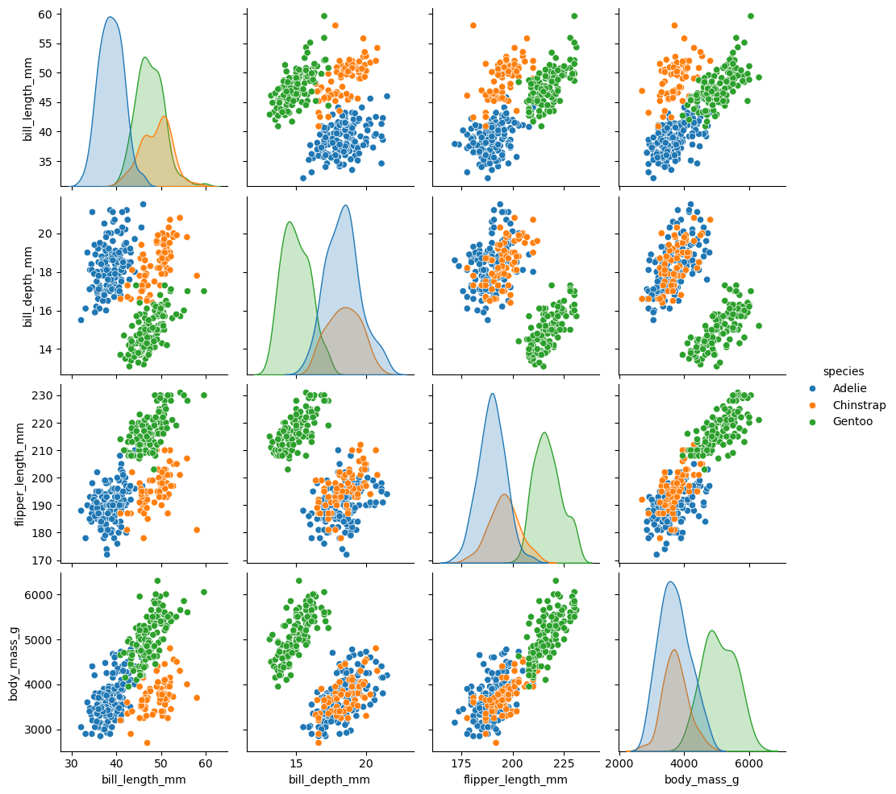
Adelie | Biscoe | 38.2 | 18.1 | 185 | 3950 | Male
Adelie | Biscoe | 38.8 | 17.2 | 180 | 3800 | Male
Adelie | Biscoe | 35.3 | 18.9 | 187 | 3800 | Female
Adelie | Biscoe | 40.6 | 18.6 | 183 | 3550 | Male
Adelie | Biscoe | 40.5 | 17.9 | 187 | 3200 | Female
Adelie | Biscoe | 37.9 | 18.6 | 172 | 3150 | Female
Adelie | Biscoe | 40.5 | 18.9 | 180 | 3950 | Male
Adelie | Dream | 39.5 | 16.7 | 178 | 3250 | Female
Adelie | Dream | 37.2 | 18.1 | 178 | 3900 | Male
Adelie | Dream | 39.5 | 17.8 | 188 | 3300 | Female
Adelie | Dream | 40.9 | 18.9 | 184 | 3900 | Male
Adelie | Dream | 36.4 | 17 | 195 | 3325 | Female
Adelie | Dream | 39.2 | 21.1 | 196 | 4150 | Male
Adelie | Dream | 38.8 | 20 | 190 | 3950 | Male
Adelie | Dream | 42.2 | 18.5 | 180 | 3550 | Female
Adelie | Dream | 37.6 | 19.3 | 181 | 3300 | Female
Adelie | Dream | 39.8 | 19.1 | 184 | 4650 | Male
Adelie | Dream | 36.5 | 18 | 182 | 3150 | Female
Adelie | Dream | 40.8 | 18.4 | 195 | 3900 | Male
Adelie | Dream | 36 | 18.5 | 186 | 3100 | Female
Adelie | Dream | 44.1 | 19.7 | 196 | 4400 | Male
Adelie | Dream | 37 | 16.9 | 185 | 3000 | Female
Adelie | Dream | 39.6 | 18.8 | 190 | 4600 | Male
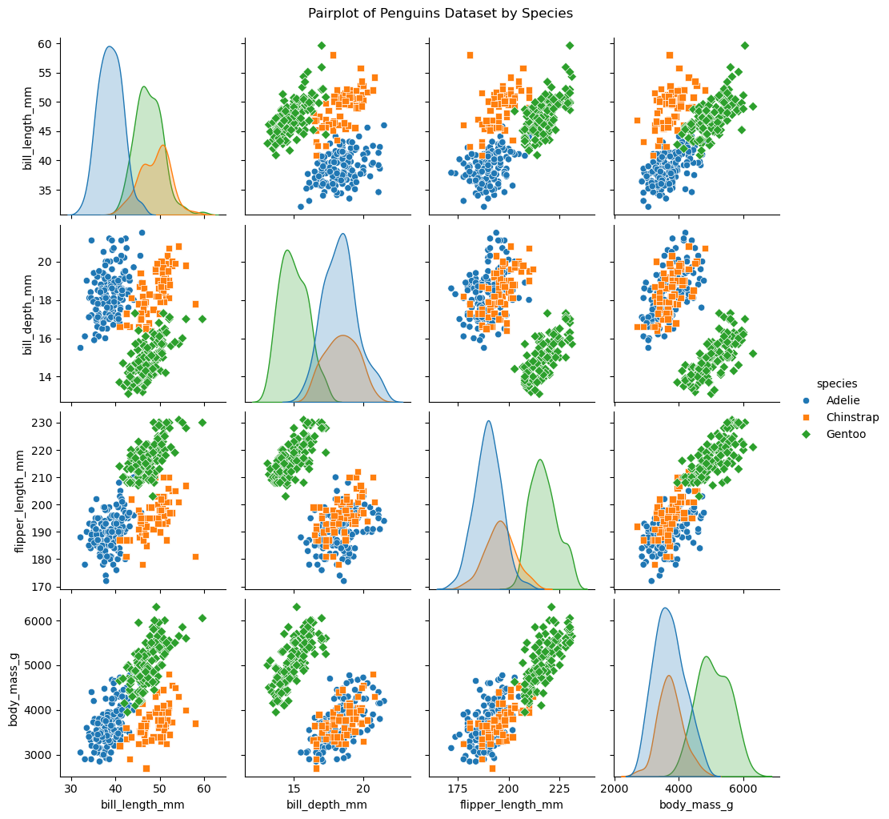
Adelie | Dream | 41.1 | 19 | 182 | 3425 | Male
Adelie | Dream | 37.5 | 18.9 | 179 | 2975
Adelie | Dream | 36 | 17.9 | 190 | 3450 | Female
Adelie | Dream | 42.3 | 21.2 | 191 | 4150 | Male
Adelie | Biscoe | 39.6 | 17.7 | 186 | 3500 | Female
Adelie | Biscoe | 40.1 | 18.9 | 188 | 4300 | Male
Adelie | Biscoe | 35 | 17.9 | 190 | 3450 | Female
Adelie | Biscoe | 42 | 19.5 | 200 | 4050 | Male
Adelie | Biscoe | 34.5 | 18.1 | 187 | 2900 | Female
Adelie | Biscoe | 41.4 | 18.6 | 191 | 3700 | Male
Adelie | Biscoe | 39 | 17.5 | 186 | 3550 | Female
Adelie | Biscoe | 40.6 | 18.8 | 193 | 3800 | Male
Adelie | Biscoe | 36.5 | 16.6 | 181 | 2850 | Female
Adelie | Biscoe | 37.6 | 19.1 | 194 | 3750 | Male
Adelie | Biscoe | 35.7 | 16.9 | 185 | 3150 | Female
Adelie | Biscoe | 41.3 | 21.1 | 195 | 4400 | Male
Adelie | Biscoe | 37.6 | 17 | 185 | 3600 | Female
Adelie | Biscoe | 41.1 | 18.2 | 192 | 4050 | Male
Adelie | Biscoe | 36.4 | 17.1 | 184 | 2850 | Female
Adelie | Biscoe | 41.6 | 18 | 192 | 3950 | Male
Adelie | Biscoe | 35.5 | 16.2 | 195 | 3350 | Female
Adelie | Biscoe | 41.1 | 19.1 | 188 | 4100 | Male
Adelie | Torgersen | 35.9 | 16.6 | 190 | 3050 | Female
Adelie | Torgersen | 41.8 | 19.4 | 198 | 4450 | Male
Adelie | Torgersen | 33.5 | 19 | 190 | 3600 | Female
Adelie | Torgersen | 39.7 | 18.4 | 190 | 3900 | Male
Adelie | Torgersen | 39.6 | 17.2 | 196 | 3550 | Female
Adelie | Torgersen | 45.8 | 18.9 | 197 | 4150 | Male
Adelie | Torgersen | 35.5 | 17.5 | 190 | 3700 | Female
Adelie | Torgersen | 42.8 | 18.5 | 195 | 4250 | Male
Adelie | Torgersen | 40.9 | 16.8 | 191 | 3700 | Female
Adelie | Torgersen | 37.2 | 19.4 | 184 | 3900 | Male
Adelie | Torgersen | 36.2 | 16.1 | 187 | 3550 | Female
Adelie | Torgersen | 42.1 | 19.1 | 195 | 4000 | Male
Adelie | Torgersen | 34.6 | 17.2 | 189 | 3200 | Female
Adelie | Torgersen | 42.9 | 17.6 | 196 | 4700 | Male
Adelie | Torgersen | 36.7 | 18.8 | 187 | 3800 | Female
Adelie | Torgersen | 35.1 | 19.4 | 193 | 4200 | Male
Adelie | Dream | 37.3 | 17.8 | 191 | 3350 | Female
Adelie | Dream | 41.3 | 20.3 | 194 | 3550 | Male
Adelie | Dream | 36.3 | 19.5 | 190 | 3800 | Male
Adelie | Dream | 36.9 | 18.6 | 189 | 3500 | Female
Adelie | Dream | 38.3 | 19.2 | 189 | 3950 | Male
Adelie | Dream | 38.9 | 18.8 | 190 | 3600 | Female
Adelie | Dream | 35.7 | 18 | 202 | 3550 | Female
Adelie | Dream | 41.1 | 18.1 | 205 | 4300 | Male
Adelie | Dream | 34 | 17.1 | 185 | 3400 | Female
Adelie | Dream | 39.6 | 18.1 | 186 | 4450 | Male
Adelie | Dream | 36.2 | 17.3 | 187 | 3300 | Female
Adelie | Dream | 40.8 | 18.9 | 208 | 4300 | Male
Adelie | Dream | 38.1 | 18.6 | 190 | 3700 | Female
Adelie | Dream | 40.3 | 18.5 | 196 | 4350 | Male
Adelie | Dream | 33.1 | 16.1 | 178 | 2900 | Female
Adelie | Dream | 43.2 | 18.5 | 192 | 4100 | Male
Adelie | Biscoe | 35 | 17.9 | 192 | 3725 | Female
Adelie | Biscoe | 41 | 20 | 203 | 4725 | Male
Adelie | Biscoe | 37.7 | 16 | 183 | 3075 | Female
Adelie | Biscoe | 37.8 | 20 | 190 | 4250 | Male
Adelie | Biscoe | 37.9 | 18.6 | 193 | 2925 | Female
Adelie | Biscoe | 39.7 | 18.9 | 184 | 3550 | Male
Adelie | Biscoe | 38.6 | 17.2 | 199 | 3750 | Female
Adelie | Biscoe | 38.2 | 20 | 190 | 3900 | Male
Adelie | Biscoe | 38.1 | 17 | 181 | 3175 | Female
Adelie | Biscoe | 43.2 | 19 | 197 | 4775 | Male
Adelie | Biscoe | 38.1 | 16.5 | 198 | 3825 | Female
Adelie | Biscoe | 45.6 | 20.3 | 191 | 4600 | Male
Adelie | Biscoe | 39.7 | 17.7 | 193 | 3200 | Female
Adelie | Biscoe | 42.2 | 19.5 | 197 | 4275 | Male
Adelie | Biscoe | 39.6 | 20.7 | 191 | 3900 | Female
Adelie | Biscoe | 42.7 | 18.3 | 196 | 4075 | Male
Adelie | Torgersen | 38.6 | 17 | 188 | 2900 | Female
Adelie | Torgersen | 37.3 | 20.5 | 199 | 3775 | Male
Adelie | Torgersen | 35.7 | 17 | 189 | 3350 | Female
Adelie | Torgersen | 41.1 | 18.6 | 189 | 3325 | Male
Adelie | Torgersen | 36.2 | 17.2 | 187 | 3150 | Female
Adelie | Torgersen | 37.7 | 19.8 | 198 | 3500 | Male
Adelie | Torgersen | 40.2 | 17 | 176 | 3450 | Female
Adelie | Torgersen | 41.4 | 18.5 | 202 | 3875 | Male
Adelie | Torgersen | 35.2 | 15.9 | 186 | 3050 | Female
Adelie | Torgersen | 40.6 | 19 | 199 | 4000 | Male
Adelie | Torgersen | 38.8 | 17.6 | 191 | 3275 | Female
Adelie | Torgersen | 41.5 | 18.3 | 195 | 4300 | Male
Adelie | Torgersen | 39 | 17.1 | 191 | 3050 | Female
Adelie | Torgersen | 44.1 | 18 | 210 | 4000 | Male
Adelie | Torgersen | 38.5 | 17.9 | 190 | 3325 | Female
Adelie | Torgersen | 43.1 | 19.2 | 197 | 3500 | Male
Adelie | Dream | 36.8 | 18.5 | 193 | 3500 | Female
Adelie | Dream | 37.5 | 18.5 | 199 | 4475 | Male
Adelie | Dream | 38.1 | 17.6 | 187 | 3425 | Female
Adelie | Dream | 41.1 | 17.5 | 190 | 3900 | Male
Adelie | Dream | 35.6 | 17.5 | 191 | 3175 | Female
Adelie | Dream | 40.2 | 20.1 | 200 | 3975 | Male
Adelie | Dream | 37 | 16.5 | 185 | 3400 | Female
Adelie | Dream | 39.7 | 17.9 | 193 | 4250 | Male
Adelie | Dream | 40.2 | 17.1 | 193 | 3400 | Female
Adelie | Dream | 40.6 | 17.2 | 187 | 3475 | Male
Adelie | Dream | 32.1 | 15.5 | 188 | 3050 | Female
Adelie | Dream | 40.7 | 17 | 190 | 3725 | Male
Adelie | Dream | 37.3 | 16.8 | 192 | 3000 | Female
Adelie | Dream | 39 | 18.7 | 185 | 3650 | Male
Adelie | Dream | 39.2 | 18.6 | 190 | 4250 | Male
Adelie | Dream | 36.6 | 18.4 | 184 | 3475 | Female
Adelie | Dream | 36 | 17.8 | 195 | 3450 | Female
Adelie | Dream | 37.8 | 18.1 | 193 | 3750 | Male
Adelie | Dream | 36 | 17.1 | 187 | 3700 | Female
Adelie | Dream | 41.5 | 18.5 | 201 | 4000 | Male
Chinstrap | Dream | 46.5 | 17.9 | 192 | 3500 | Female
Chinstrap | Dream | 50 | 19.5 | 196 | 3900 | Male
Chinstrap | Dream | 51.3 | 19.2 | 193 | 3650 | Male
Chinstrap | Dream | 45.4 | 18.7 | 188 | 3525 | Female
Chinstrap | Dream | 52.7 | 19.8 | 197 | 3725 | Male
Chinstrap | Dream | 45.2 | 17.8 | 198 | 3950 | Female
Chinstrap | Dream | 46.1 | 18.2 | 178 | 3250 | Female
Chinstrap | Dream | 51.3 | 18.2 | 197 | 3750 | Male
Chinstrap | Dream | 46 | 18.9 | 195 | 4150 | Female
Chinstrap | Dream | 51.3 | 19.9 | 198 | 3700 | Male
Chinstrap | Dream | 46.6 | 17.8 | 193 | 3800 | Female
Chinstrap | Dream | 51.7 | 20.3 | 194 | 3775 | Male
Chinstrap | Dream | 47 | 17.3 | 185 | 3700 | Female
Chinstrap | Dream | 52 | 18.1 | 201 | 4050 | Male
Chinstrap | Dream | 45.9 | 17.1 | 190 | 3575 | Female
Chinstrap | Dream | 50.5 | 19.6 | 201 | 4050 | Male
Chinstrap | Dream | 50.3 | 20 | 197 | 3300 | Male
Chinstrap | Dream | 58 | 17.8 | 181 | 3700 | Female
Chinstrap | Dream | 46.4 | 18.6 | 190 | 3450 | Female
Chinstrap | Dream | 49.2 | 18.2 | 195 | 4400 | Male
Chinstrap | Dream | 42.4 | 17.3 | 181 | 3600 | Female
Chinstrap | Dream | 48.5 | 17.5 | 191 | 3400 | Male
Chinstrap | Dream | 43.2 | 16.6 | 187 | 2900 | Female
Chinstrap | Dream | 50.6 | 19.4 | 193 | 3800 | Male
Chinstrap | Dream | 46.7 | 17.9 | 195 | 3300 | Female
Chinstrap | Dream | 52 | 19 | 197 | 4150 | Male
Chinstrap | Dream | 50.5 | 18.4 | 200 | 3400 | Female
Chinstrap | Dream | 49.5 | 19 | 200 | 3800 | Male
Chinstrap | Dream | 46.4 | 17.8 | 191 | 3700 | Female
Chinstrap | Dream | 52.8 | 20 | 205 | 4550 | Male
Chinstrap | Dream | 40.9 | 16.6 | 187 | 3200 | Female
Chinstrap | Dream | 54.2 | 20.8 | 201 | 4300 | Male
Chinstrap | Dream | 42.5 | 16.7 | 187 | 3350 | Female
Chinstrap | Dream | 51 | 18.8 | 203 | 4100 | Male
Chinstrap | Dream | 49.7 | 18.6 | 195 | 3600 | Male
Chinstrap | Dream | 47.5 | 16.8 | 199 | 3900 | Female
Chinstrap | Dream | 47.6 | 18.3 | 195 | 3850 | Female
Chinstrap | Dream | 52 | 20.7 | 210 | 4800 | Male
Chinstrap | Dream | 46.9 | 16.6 | 192 | 2700 | Female
Chinstrap | Dream | 53.5 | 19.9 | 205 | 4500 | Male
Chinstrap | Dream | 49 | 19.5 | 210 | 3950 | Male
Chinstrap | Dream | 46.2 | 17.5 | 187 | 3650 | Female
Chinstrap | Dream | 50.9 | 19.1 | 196 | 3550 | Male
Chinstrap | Dream | 45.5 | 17 | 196 | 3500 | Female
Chinstrap | Dream | 50.9 | 17.9 | 196 | 3675 | Female
Chinstrap | Dream | 50.8 | 18.5 | 201 | 4450 | Male
Chinstrap | Dream | 50.1 | 17.9 | 190 | 3400 | Female
Chinstrap | Dream | 49 | 19.6 | 212 | 4300 | Male
Chinstrap | Dream | 51.5 | 18.7 | 187 | 3250 | Male
Chinstrap | Dream | 49.8 | 17.3 | 198 | 3675 | Female
Chinstrap | Dream | 48.1 | 16.4 | 199 | 3325 | Female
Chinstrap | Dream | 51.4 | 19 | 201 | 3950 | Male
Chinstrap | Dream | 45.7 | 17.3 | 193 | 3600 | Female
Chinstrap | Dream | 50.7 | 19.7 | 203 | 4050 | Male
Chinstrap | Dream | 42.5 | 17.3 | 187 | 3350 | Female
Chinstrap | Dream | 52.2 | 18.8 | 197 | 3450 | Male
Chinstrap | Dream | 45.2 | 16.6 | 191 | 3250 | Female
Chinstrap | Dream | 49.3 | 19.9 | 203 | 4050 | Male
Chinstrap | Dream | 50.2 | 18.8 | 202 | 3800 | Male
Chinstrap | Dream | 45.6 | 19.4 | 194 | 3525 | Female
Chinstrap | Dream | 51.9 | 19.5 | 206 | 3950 | Male
Chinstrap | Dream | 46.8 | 16.5 | 189 | 3650 | Female
Chinstrap | Dream | 45.7 | 17 | 195 | 3650 | Female
Chinstrap | Dream | 55.8 | 19.8 | 207 | 4000 | Male
Chinstrap | Dream | 43.5 | 18.1 | 202 | 3400 | Female
Chinstrap | Dream | 49.6 | 18.2 | 193 | 3775 | Male
Chinstrap | Dream | 50.8 | 19 | 210 | 4100 | Male
Chinstrap | Dream | 50.2 | 18.7 | 198 | 3775 | Female
Gentoo | Biscoe | 46.1 | 13.2 | 211 | 4500 | Female
Gentoo | Biscoe | 50 | 16.3 | 230 | 5700 | Male
Gentoo | Biscoe | 48.7 | 14.1 | 210 | 4450 | Female
Gentoo | Biscoe | 50 | 15.2 | 218 | 5700 | Male
Gentoo | Biscoe | 47.6 | 14.5 | 215 | 5400 | Male
Gentoo | Biscoe | 46.5 | 13.5 | 210 | 4550 | Female
Gentoo | Biscoe | 45.4 | 14.6 | 211 | 4800 | Female
Gentoo | Biscoe | 46.7 | 15.3 | 219 | 5200 | Male
Gentoo | Biscoe | 43.3 | 13.4 | 209 | 4400 | Female
Gentoo | Biscoe | 46.8 | 15.4 | 215 | 5150 | Male
Gentoo | Biscoe | 40.9 | 13.7 | 214 | 4650 | Female
Gentoo | Biscoe | 49 | 16.1 | 216 | 5550 | Male
Gentoo | Biscoe | 45.5 | 13.7 | 214 | 4650 | Female
Gentoo | Biscoe | 48.4 | 14.6 | 213 | 5850 | Male
Gentoo | Biscoe | 45.8 | 14.6 | 210 | 4200 | Female
Gentoo | Biscoe | 49.3 | 15.7 | 217 | 5850 | Male
Gentoo | Biscoe | 42 | 13.5 | 210 | 4150 | Female
Gentoo | Biscoe | 49.2 | 15.2 | 221 | 6300 | Male
Gentoo | Biscoe | 46.2 | 14.5 | 209 | 4800 | Female
Gentoo | Biscoe | 48.7 | 15.1 | 222 | 5350 | Male
Gentoo | Biscoe | 50.2 | 14.3 | 218 | 5700 | Male
Gentoo | Biscoe | 45.1 | 14.5 | 215 | 5000 | Female
Gentoo | Biscoe | 46.5 | 14.5 | 213 | 4400 | Female
Gentoo | Biscoe | 46.3 | 15.8 | 215 | 5050 | Male
Gentoo | Biscoe | 42.9 | 13.1 | 215 | 5000 | Female
Gentoo | Biscoe | 46.1 | 15.1 | 215 | 5100 | Male
Gentoo | Biscoe | 44.5 | 14.3 | 216 | 4100
Gentoo | Biscoe | 47.8 | 15 | 215 | 5650 | Male
Gentoo | Biscoe | 48.2 | 14.3 | 210 | 4600 | Female
Gentoo | Biscoe | 50 | 15.3 | 220 | 5550 | Male
Gentoo | Biscoe | 47.3 | 15.3 | 222 | 5250 | Male
Gentoo | Biscoe | 42.8 | 14.2 | 209 | 4700 | Female
Gentoo | Biscoe | 45.1 | 14.5 | 207 | 5050 | Female
Gentoo | Biscoe | 59.6 | 17 | 230 | 6050 | Male
Gentoo | Biscoe | 49.1 | 14.8 | 220 | 5150 | Female
Gentoo | Biscoe | 48.4 | 16.3 | 220 | 5400 | Male
Gentoo | Biscoe | 42.6 | 13.7 | 213 | 4950 | Female
Gentoo | Biscoe | 44.4 | 17.3 | 219 | 5250 | Male
Gentoo | Biscoe | 44 | 13.6 | 208 | 4350 | Female
Gentoo | Biscoe | 48.7 | 15.7 | 208 | 5350 | Male
Gentoo | Biscoe | 42.7 | 13.7 | 208 | 3950 | Female
Gentoo | Biscoe | 49.6 | 16 | 225 | 5700 | Male
Gentoo | Biscoe | 45.3 | 13.7 | 210 | 4300 | Female
Gentoo | Biscoe | 49.6 | 15 | 216 | 4750 | Male
Gentoo | Biscoe | 50.5 | 15.9 | 222 | 5550 | Male
Gentoo | Biscoe | 43.6 | 13.9 | 217 | 4900 | Female
Gentoo | Biscoe | 45.5 | 13.9 | 210 | 4200 | Female
Gentoo | Biscoe | 50.5 | 15.9 | 225 | 5400 | Male
Gentoo | Biscoe | 44.9 | 13.3 | 213 | 5100 | Female
Gentoo | Biscoe | 45.2 | 15.8 | 215 | 5300 | Male
Gentoo | Biscoe | 46.6 | 14.2 | 210 | 4850 | Female
Gentoo | Biscoe | 48.5 | 14.1 | 220 | 5300 | Male
Gentoo | Biscoe | 45.1 | 14.4 | 210 | 4400 | Female
Gentoo | Biscoe | 50.1 | 15 | 225 | 5000 | Male
Gentoo | Biscoe | 46.5 | 14.4 | 217 | 4900 | Female
Gentoo | Biscoe | 45 | 15.4 | 220 | 5050 | Male
Gentoo | Biscoe | 43.8 | 13.9 | 208 | 4300 | Female
Gentoo | Biscoe | 45.5 | 15 | 220 | 5000 | Male
Gentoo | Biscoe | 43.2 | 14.5 | 208 | 4450 | Female
Gentoo | Biscoe | 50.4 | 15.3 | 224 | 5550 | Male
Gentoo | Biscoe | 45.3 | 13.8 | 208 | 4200 | Female
Gentoo | Biscoe | 46.2 | 14.9 | 221 | 5300 | Male
Gentoo | Biscoe | 45.7 | 13.9 | 214 | 4400 | Female
Gentoo | Biscoe | 54.3 | 15.7 | 231 | 5650 | Male
Gentoo | Biscoe | 45.8 | 14.2 | 219 | 4700 | Female
Gentoo | Biscoe | 49.8 | 16.8 | 230 | 5700 | Male
Gentoo | Biscoe | 46.2 | 14.4 | 214 | 4650
Gentoo | Biscoe | 49.5 | 16.2 | 229 | 5800 | Male
Gentoo | Biscoe | 43.5 | 14.2 | 220 | 4700 | Female
Gentoo | Biscoe | 50.7 | 15 | 223 | 5550 | Male
Gentoo | Biscoe | 47.7 | 15 | 216 | 4750 | Female
Gentoo | Biscoe | 46.4 | 15.6 | 221 | 5000 | Male
Gentoo | Biscoe | 48.2 | 15.6 | 221 | 5100 | Male
Gentoo | Biscoe | 46.5 | 14.8 | 217 | 5200 | Female
Gentoo | Biscoe | 46.4 | 15 | 216 | 4700 | Female
Gentoo | Biscoe | 48.6 | 16 | 230 | 5800 | Male
Gentoo | Biscoe | 47.5 | 14.2 | 209 | 4600 | Female
Gentoo | Biscoe | 51.1 | 16.3 | 220 | 6000 | Male
Gentoo | Biscoe | 45.2 | 13.8 | 215 | 4750 | Female
Gentoo | Biscoe | 45.2 | 16.4 | 223 | 5950 | Male
Gentoo | Biscoe | 49.1 | 14.5 | 212 | 4625 | Female
Gentoo | Biscoe | 52.5 | 15.6 | 221 | 5450 | Male
Gentoo | Biscoe | 47.4 | 14.6 | 212 | 4725 | Female
Gentoo | Biscoe | 50 | 15.9 | 224 | 5350 | Male
Gentoo | Biscoe | 44.9 | 13.8 | 212 | 4750 | Female
Gentoo | Biscoe | 50.8 | 17.3 | 228 | 5600 | Male
Gentoo | Biscoe | 43.4 | 14.4 | 218 | 4600 | Female
Gentoo | Biscoe | 51.3 | 14.2 | 218 | 5300 | Male
Gentoo | Biscoe | 47.5 | 14 | 212 | 4875 | Female
Gentoo | Biscoe | 52.1 | 17 | 230 | 5550 | Male
Gentoo | Biscoe | 47.5 | 15 | 218 | 4950 | Female
Gentoo | Biscoe | 52.2 | 17.1 | 228 | 5400 | Male
Gentoo | Biscoe | 45.5 | 14.5 | 212 | 4750 | Female
Gentoo | Biscoe | 49.5 | 16.1 | 224 | 5650 | Male
Gentoo | Biscoe | 44.5 | 14.7 | 214 | 4850 | Female
Gentoo | Biscoe | 50.8 | 15.7 | 226 | 5200 | Male
Gentoo | Biscoe | 49.4 | 15.8 | 216 | 4925 | Male
Gentoo | Biscoe | 46.9 | 14.6 | 222 | 4875 | Female
Gentoo | Biscoe | 48.4 | 14.4 | 203 | 4625 | Female
Gentoo | Biscoe | 51.1 | 16.5 | 225 | 5250 | Male
Gentoo | Biscoe | 48.5 | 15 | 219 | 4850 | Female
Gentoo | Biscoe | 55.9 | 17 | 228 | 5600 | Male
Gentoo | Biscoe | 47.2 | 15.5 | 215 | 4975 | Female
Gentoo | Biscoe | 49.1 | 15 | 228 | 5500 | Male
Gentoo | Biscoe | 47.3 | 13.8 | 216 | 4725
Gentoo | Biscoe | 46.8 | 16.1 | 215 | 5500 | Male
Gentoo | Biscoe | 41.7 | 14.7 | 210 | 4700 | Female
Gentoo | Biscoe | 53.4 | 15.8 | 219 | 5500 | Male
Gentoo | Biscoe | 43.3 | 14 | 208 | 4575 | Female
Gentoo | Biscoe | 48.1 | 15.1 | 209 | 5500 | Male
Gentoo | Biscoe | 50.5 | 15.2 | 216 | 5000 | Female
Gentoo | Biscoe | 49.8 | 15.9 | 229 | 5950 | Male
Gentoo | Biscoe | 43.5 | 15.2 | 213 | 4650 | Female
Gentoo | Biscoe | 51.5 | 16.3 | 230 | 5500 | Male
Gentoo | Biscoe | 46.2 | 14.1 | 217 | 4375 | Female
Gentoo | Biscoe | 55.1 | 16 | 230 | 5850 | Male
Gentoo | Biscoe | 44.5 | 15.7 | 217 | 4875
Gentoo | Biscoe | 48.8 | 16.2 | 222 | 6000 | Male
Gentoo | Biscoe | 47.2 | 13.7 | 214 | 4925 | Female
Gentoo | Biscoe
Gentoo | Biscoe | 46.8 | 14.3 | 215 | 4850 | Female
Gentoo | Biscoe | 50.4 | 15.7 | 222 | 5750 | Male
Gentoo | Biscoe | 45.2 | 14.8 | 212 | 5200 | Female
Gentoo | Biscoe | 49.9 | 16.1 | 213 | 5400 | Male

