4-correlation-matrix
mpg | cylinders | displacement | horsepower | weight | acceleration | model_year | origin
18 | 8 | 307 | 130 | 3504 | 12 | 70 | usa
15 | 8 | 350 | 165 | 3693 | 11.5 | 70 | usa
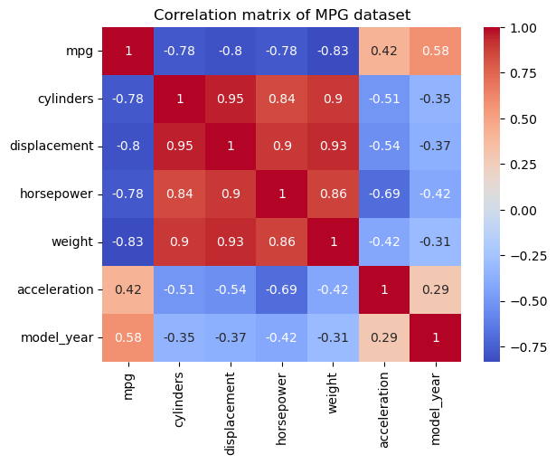
18 | 8 | 318 | 150 | 3436 | 11 | 70 | usa
16 | 8 | 304 | 150 | 3433 | 12 | 70 | usa
17 | 8 | 302 | 140 | 3449 | 10.5 | 70 | usa
15 | 8 | 429 | 198 | 4341 | 10 | 70 | usa
14 | 8 | 454 | 220 | 4354 | 9 | 70 | usa
14 | 8 | 440 | 215 | 4312 | 8.5 | 70 | usa
14 | 8 | 455 | 225 | 4425 | 10 | 70 | usa
15 | 8 | 390 | 190 | 3850 | 8.5 | 70 | usa
15 | 8 | 383 | 170 | 3563 | 10 | 70 | usa
14 | 8 | 340 | 160 | 3609 | 8 | 70 | usa
15 | 8 | 400 | 150 | 3761 | 9.5 | 70 | usa
14 | 8 | 455 | 225 | 3086 | 10 | 70 | usa
24 | 4 | 113 | 95 | 2372 | 15 | 70 | japan
22 | 6 | 198 | 95 | 2833 | 15.5 | 70 | usa
18 | 6 | 199 | 97 | 2774 | 15.5 | 70 | usa
21 | 6 | 200 | 85 | 2587 | 16 | 70 | usa
27 | 4 | 97 | 88 | 2130 | 14.5 | 70 | japan
26 | 4 | 97 | 46 | 1835 | 20.5 | 70 | europe
25 | 4 | 110 | 87 | 2672 | 17.5 | 70 | europe
24 | 4 | 107 | 90 | 2430 | 14.5 | 70 | europe
25 | 4 | 104 | 95 | 2375 | 17.5 | 70 | europe
26 | 4 | 121 | 113 | 2234 | 12.5 | 70 | europe
21 | 6 | 199 | 90 | 2648 | 15 | 70 | usa
10 | 8 | 360 | 215 | 4615 | 14 | 70 | usa
10 | 8 | 307 | 200 | 4376 | 15 | 70 | usa
11 | 8 | 318 | 210 | 4382 | 13.5 | 70 | usa
9 | 8 | 304 | 193 | 4732 | 18.5 | 70 | usa
27 | 4 | 97 | 88 | 2130 | 14.5 | 71 | japan
28 | 4 | 140 | 90 | 2264 | 15.5 | 71 | usa
25 | 4 | 113 | 95 | 2228 | 14 | 71 | japan
25 | 4 | 98 |  | 2046 | 19 | 71 | usa
19 | 6 | 232 | 100 | 2634 | 13 | 71 | usa
16 | 6 | 225 | 105 | 3439 | 15.5 | 71 | usa
17 | 6 | 250 | 100 | 3329 | 15.5 | 71 | usa
19 | 6 | 250 | 88 | 3302 | 15.5 | 71 | usa
18 | 6 | 232 | 100 | 3288 | 15.5 | 71 | usa
14 | 8 | 350 | 165 | 4209 | 12 | 71 | usa
14 | 8 | 400 | 175 | 4464 | 11.5 | 71 | usa
14 | 8 | 351 | 153 | 4154 | 13.5 | 71 | usa
14 | 8 | 318 | 150 | 4096 | 13 | 71 | usa
12 | 8 | 383 | 180 | 4955 | 11.5 | 71 | usa
13 | 8 | 400 | 170 | 4746 | 12 | 71 | usa
13 | 8 | 400 | 175 | 5140 | 12 | 71 | usa
18 | 6 | 258 | 110 | 2962 | 13.5 | 71 | usa
22 | 4 | 140 | 72 | 2408 | 19 | 71 | usa
19 | 6 | 250 | 100 | 3282 | 15 | 71 | usa
18 | 6 | 250 | 88 | 3139 | 14.5 | 71 | usa
23 | 4 | 122 | 86 | 2220 | 14 | 71 | usa
28 | 4 | 116 | 90 | 2123 | 14 | 71 | europe
30 | 4 | 79 | 70 | 2074 | 19.5 | 71 | europe
30 | 4 | 88 | 76 | 2065 | 14.5 | 71 | europe
31 | 4 | 71 | 65 | 1773 | 19 | 71 | japan
35 | 4 | 72 | 69 | 1613 | 18 | 71 | japan
27 | 4 | 97 | 60 | 1834 | 19 | 71 | europe
26 | 4 | 91 | 70 | 1955 | 20.5 | 71 | usa
24 | 4 | 113 | 95 | 2278 | 15.5 | 72 | japan
25 | 4 | 97.5 | 80 | 2126 | 17 | 72 | usa
23 | 4 | 97 | 54 | 2254 | 23.5 | 72 | europe
20 | 4 | 140 | 90 | 2408 | 19.5 | 72 | usa
21 | 4 | 122 | 86 | 2226 | 16.5 | 72 | usa
13 | 8 | 350 | 165 | 4274 | 12 | 72 | usa
14 | 8 | 400 | 175 | 4385 | 12 | 72 | usa
15 | 8 | 318 | 150 | 4135 | 13.5 | 72 | usa
14 | 8 | 351 | 153 | 4129 | 13 | 72 | usa
17 | 8 | 304 | 150 | 3672 | 11.5 | 72 | usa
11 | 8 | 429 | 208 | 4633 | 11 | 72 | usa
13 | 8 | 350 | 155 | 4502 | 13.5 | 72 | usa
12 | 8 | 350 | 160 | 4456 | 13.5 | 72 | usa
13 | 8 | 400 | 190 | 4422 | 12.5 | 72 | usa
19 | 3 | 70 | 97 | 2330 | 13.5 | 72 | japan
15 | 8 | 304 | 150 | 3892 | 12.5 | 72 | usa
13 | 8 | 307 | 130 | 4098 | 14 | 72 | usa
13 | 8 | 302 | 140 | 4294 | 16 | 72 | usa
14 | 8 | 318 | 150 | 4077 | 14 | 72 | usa
18 | 4 | 121 | 112 | 2933 | 14.5 | 72 | europe
22 | 4 | 121 | 76 | 2511 | 18 | 72 | europe
21 | 4 | 120 | 87 | 2979 | 19.5 | 72 | europe
26 | 4 | 96 | 69 | 2189 | 18 | 72 | europe
22 | 4 | 122 | 86 | 2395 | 16 | 72 | usa
28 | 4 | 97 | 92 | 2288 | 17 | 72 | japan
23 | 4 | 120 | 97 | 2506 | 14.5 | 72 | japan
28 | 4 | 98 | 80 | 2164 | 15 | 72 | usa
27 | 4 | 97 | 88 | 2100 | 16.5 | 72 | japan
13 | 8 | 350 | 175 | 4100 | 13 | 73 | usa
14 | 8 | 304 | 150 | 3672 | 11.5 | 73 | usa
13 | 8 | 350 | 145 | 3988 | 13 | 73 | usa
14 | 8 | 302 | 137 | 4042 | 14.5 | 73 | usa
15 | 8 | 318 | 150 | 3777 | 12.5 | 73 | usa
12 | 8 | 429 | 198 | 4952 | 11.5 | 73 | usa
13 | 8 | 400 | 150 | 4464 | 12 | 73 | usa
13 | 8 | 351 | 158 | 4363 | 13 | 73 | usa
14 | 8 | 318 | 150 | 4237 | 14.5 | 73 | usa
13 | 8 | 440 | 215 | 4735 | 11 | 73 | usa
12 | 8 | 455 | 225 | 4951 | 11 | 73 | usa
13 | 8 | 360 | 175 | 3821 | 11 | 73 | usa
18 | 6 | 225 | 105 | 3121 | 16.5 | 73 | usa
16 | 6 | 250 | 100 | 3278 | 18 | 73 | usa
18 | 6 | 232 | 100 | 2945 | 16 | 73 | usa
18 | 6 | 250 | 88 | 3021 | 16.5 | 73 | usa
23 | 6 | 198 | 95 | 2904 | 16 | 73 | usa
26 | 4 | 97 | 46 | 1950 | 21 | 73 | europe
11 | 8 | 400 | 150 | 4997 | 14 | 73 | usa
12 | 8 | 400 | 167 | 4906 | 12.5 | 73 | usa
13 | 8 | 360 | 170 | 4654 | 13 | 73 | usa
12 | 8 | 350 | 180 | 4499 | 12.5 | 73 | usa
18 | 6 | 232 | 100 | 2789 | 15 | 73 | usa
20 | 4 | 97 | 88 | 2279 | 19 | 73 | japan
21 | 4 | 140 | 72 | 2401 | 19.5 | 73 | usa
22 | 4 | 108 | 94 | 2379 | 16.5 | 73 | japan
18 | 3 | 70 | 90 | 2124 | 13.5 | 73 | japan
19 | 4 | 122 | 85 | 2310 | 18.5 | 73 | usa
21 | 6 | 155 | 107 | 2472 | 14 | 73 | usa
26 | 4 | 98 | 90 | 2265 | 15.5 | 73 | europe
15 | 8 | 350 | 145 | 4082 | 13 | 73 | usa
16 | 8 | 400 | 230 | 4278 | 9.5 | 73 | usa
29 | 4 | 68 | 49 | 1867 | 19.5 | 73 | europe
24 | 4 | 116 | 75 | 2158 | 15.5 | 73 | europe
20 | 4 | 114 | 91 | 2582 | 14 | 73 | europe
19 | 4 | 121 | 112 | 2868 | 15.5 | 73 | europe
15 | 8 | 318 | 150 | 3399 | 11 | 73 | usa
24 | 4 | 121 | 110 | 2660 | 14 | 73 | europe
20 | 6 | 156 | 122 | 2807 | 13.5 | 73 | japan
11 | 8 | 350 | 180 | 3664 | 11 | 73 | usa
20 | 6 | 198 | 95 | 3102 | 16.5 | 74 | usa
21 | 6 | 200 |  | 2875 | 17 | 74 | usa
19 | 6 | 232 | 100 | 2901 | 16 | 74 | usa
15 | 6 | 250 | 100 | 3336 | 17 | 74 | usa
31 | 4 | 79 | 67 | 1950 | 19 | 74 | japan
26 | 4 | 122 | 80 | 2451 | 16.5 | 74 | usa
32 | 4 | 71 | 65 | 1836 | 21 | 74 | japan
25 | 4 | 140 | 75 | 2542 | 17 | 74 | usa
16 | 6 | 250 | 100 | 3781 | 17 | 74 | usa
16 | 6 | 258 | 110 | 3632 | 18 | 74 | usa
18 | 6 | 225 | 105 | 3613 | 16.5 | 74 | usa
16 | 8 | 302 | 140 | 4141 | 14 | 74 | usa
13 | 8 | 350 | 150 | 4699 | 14.5 | 74 | usa
14 | 8 | 318 | 150 | 4457 | 13.5 | 74 | usa
14 | 8 | 302 | 140 | 4638 | 16 | 74 | usa
14 | 8 | 304 | 150 | 4257 | 15.5 | 74 | usa
29 | 4 | 98 | 83 | 2219 | 16.5 | 74 | europe
26 | 4 | 79 | 67 | 1963 | 15.5 | 74 | europe
26 | 4 | 97 | 78 | 2300 | 14.5 | 74 | europe
31 | 4 | 76 | 52 | 1649 | 16.5 | 74 | japan
32 | 4 | 83 | 61 | 2003 | 19 | 74 | japan
28 | 4 | 90 | 75 | 2125 | 14.5 | 74 | usa
24 | 4 | 90 | 75 | 2108 | 15.5 | 74 | europe
26 | 4 | 116 | 75 | 2246 | 14 | 74 | europe
24 | 4 | 120 | 97 | 2489 | 15 | 74 | japan
26 | 4 | 108 | 93 | 2391 | 15.5 | 74 | japan
31 | 4 | 79 | 67 | 2000 | 16 | 74 | europe
19 | 6 | 225 | 95 | 3264 | 16 | 75 | usa
18 | 6 | 250 | 105 | 3459 | 16 | 75 | usa
15 | 6 | 250 | 72 | 3432 | 21 | 75 | usa
15 | 6 | 250 | 72 | 3158 | 19.5 | 75 | usa
16 | 8 | 400 | 170 | 4668 | 11.5 | 75 | usa
15 | 8 | 350 | 145 | 4440 | 14 | 75 | usa
16 | 8 | 318 | 150 | 4498 | 14.5 | 75 | usa
14 | 8 | 351 | 148 | 4657 | 13.5 | 75 | usa
17 | 6 | 231 | 110 | 3907 | 21 | 75 | usa
16 | 6 | 250 | 105 | 3897 | 18.5 | 75 | usa
15 | 6 | 258 | 110 | 3730 | 19 | 75 | usa
18 | 6 | 225 | 95 | 3785 | 19 | 75 | usa
21 | 6 | 231 | 110 | 3039 | 15 | 75 | usa
20 | 8 | 262 | 110 | 3221 | 13.5 | 75 | usa
13 | 8 | 302 | 129 | 3169 | 12 | 75 | usa
29 | 4 | 97 | 75 | 2171 | 16 | 75 | japan
23 | 4 | 140 | 83 | 2639 | 17 | 75 | usa
20 | 6 | 232 | 100 | 2914 | 16 | 75 | usa
23 | 4 | 140 | 78 | 2592 | 18.5 | 75 | usa
24 | 4 | 134 | 96 | 2702 | 13.5 | 75 | japan
25 | 4 | 90 | 71 | 2223 | 16.5 | 75 | europe
24 | 4 | 119 | 97 | 2545 | 17 | 75 | japan
18 | 6 | 171 | 97 | 2984 | 14.5 | 75 | usa
29 | 4 | 90 | 70 | 1937 | 14 | 75 | europe
19 | 6 | 232 | 90 | 3211 | 17 | 75 | usa
23 | 4 | 115 | 95 | 2694 | 15 | 75 | europe
23 | 4 | 120 | 88 | 2957 | 17 | 75 | europe
22 | 4 | 121 | 98 | 2945 | 14.5 | 75 | europe
25 | 4 | 121 | 115 | 2671 | 13.5 | 75 | europe
33 | 4 | 91 | 53 | 1795 | 17.5 | 75 | japan
28 | 4 | 107 | 86 | 2464 | 15.5 | 76 | europe
25 | 4 | 116 | 81 | 2220 | 16.9 | 76 | europe
25 | 4 | 140 | 92 | 2572 | 14.9 | 76 | usa
26 | 4 | 98 | 79 | 2255 | 17.7 | 76 | usa
27 | 4 | 101 | 83 | 2202 | 15.3 | 76 | europe
17.5 | 8 | 305 | 140 | 4215 | 13 | 76 | usa
16 | 8 | 318 | 150 | 4190 | 13 | 76 | usa
15.5 | 8 | 304 | 120 | 3962 | 13.9 | 76 | usa
14.5 | 8 | 351 | 152 | 4215 | 12.8 | 76 | usa
22 | 6 | 225 | 100 | 3233 | 15.4 | 76 | usa
22 | 6 | 250 | 105 | 3353 | 14.5 | 76 | usa
24 | 6 | 200 | 81 | 3012 | 17.6 | 76 | usa
22.5 | 6 | 232 | 90 | 3085 | 17.6 | 76 | usa
29 | 4 | 85 | 52 | 2035 | 22.2 | 76 | usa
24.5 | 4 | 98 | 60 | 2164 | 22.1 | 76 | usa
29 | 4 | 90 | 70 | 1937 | 14.2 | 76 | europe
33 | 4 | 91 | 53 | 1795 | 17.4 | 76 | japan
20 | 6 | 225 | 100 | 3651 | 17.7 | 76 | usa
18 | 6 | 250 | 78 | 3574 | 21 | 76 | usa
18.5 | 6 | 250 | 110 | 3645 | 16.2 | 76 | usa
17.5 | 6 | 258 | 95 | 3193 | 17.8 | 76 | usa
29.5 | 4 | 97 | 71 | 1825 | 12.2 | 76 | europe
32 | 4 | 85 | 70 | 1990 | 17 | 76 | japan
28 | 4 | 97 | 75 | 2155 | 16.4 | 76 | japan
26.5 | 4 | 140 | 72 | 2565 | 13.6 | 76 | usa
20 | 4 | 130 | 102 | 3150 | 15.7 | 76 | europe
13 | 8 | 318 | 150 | 3940 | 13.2 | 76 | usa
19 | 4 | 120 | 88 | 3270 | 21.9 | 76 | europe
19 | 6 | 156 | 108 | 2930 | 15.5 | 76 | japan
16.5 | 6 | 168 | 120 | 3820 | 16.7 | 76 | europe
16.5 | 8 | 350 | 180 | 4380 | 12.1 | 76 | usa
13 | 8 | 350 | 145 | 4055 | 12 | 76 | usa
13 | 8 | 302 | 130 | 3870 | 15 | 76 | usa
13 | 8 | 318 | 150 | 3755 | 14 | 76 | usa
31.5 | 4 | 98 | 68 | 2045 | 18.5 | 77 | japan
30 | 4 | 111 | 80 | 2155 | 14.8 | 77 | usa
36 | 4 | 79 | 58 | 1825 | 18.6 | 77 | europe
25.5 | 4 | 122 | 96 | 2300 | 15.5 | 77 | usa
33.5 | 4 | 85 | 70 | 1945 | 16.8 | 77 | japan
17.5 | 8 | 305 | 145 | 3880 | 12.5 | 77 | usa
17 | 8 | 260 | 110 | 4060 | 19 | 77 | usa
15.5 | 8 | 318 | 145 | 4140 | 13.7 | 77 | usa
15 | 8 | 302 | 130 | 4295 | 14.9 | 77 | usa
17.5 | 6 | 250 | 110 | 3520 | 16.4 | 77 | usa
20.5 | 6 | 231 | 105 | 3425 | 16.9 | 77 | usa
19 | 6 | 225 | 100 | 3630 | 17.7 | 77 | usa
18.5 | 6 | 250 | 98 | 3525 | 19 | 77 | usa
16 | 8 | 400 | 180 | 4220 | 11.1 | 77 | usa
15.5 | 8 | 350 | 170 | 4165 | 11.4 | 77 | usa
15.5 | 8 | 400 | 190 | 4325 | 12.2 | 77 | usa
16 | 8 | 351 | 149 | 4335 | 14.5 | 77 | usa
29 | 4 | 97 | 78 | 1940 | 14.5 | 77 | europe
24.5 | 4 | 151 | 88 | 2740 | 16 | 77 | usa
26 | 4 | 97 | 75 | 2265 | 18.2 | 77 | japan
25.5 | 4 | 140 | 89 | 2755 | 15.8 | 77 | usa
30.5 | 4 | 98 | 63 | 2051 | 17 | 77 | usa
33.5 | 4 | 98 | 83 | 2075 | 15.9 | 77 | usa
30 | 4 | 97 | 67 | 1985 | 16.4 | 77 | japan
30.5 | 4 | 97 | 78 | 2190 | 14.1 | 77 | europe
22 | 6 | 146 | 97 | 2815 | 14.5 | 77 | japan
21.5 | 4 | 121 | 110 | 2600 | 12.8 | 77 | europe
21.5 | 3 | 80 | 110 | 2720 | 13.5 | 77 | japan
43.1 | 4 | 90 | 48 | 1985 | 21.5 | 78 | europe
36.1 | 4 | 98 | 66 | 1800 | 14.4 | 78 | usa
32.8 | 4 | 78 | 52 | 1985 | 19.4 | 78 | japan
39.4 | 4 | 85 | 70 | 2070 | 18.6 | 78 | japan
36.1 | 4 | 91 | 60 | 1800 | 16.4 | 78 | japan
19.9 | 8 | 260 | 110 | 3365 | 15.5 | 78 | usa
19.4 | 8 | 318 | 140 | 3735 | 13.2 | 78 | usa
20.2 | 8 | 302 | 139 | 3570 | 12.8 | 78 | usa
19.2 | 6 | 231 | 105 | 3535 | 19.2 | 78 | usa
20.5 | 6 | 200 | 95 | 3155 | 18.2 | 78 | usa
20.2 | 6 | 200 | 85 | 2965 | 15.8 | 78 | usa
25.1 | 4 | 140 | 88 | 2720 | 15.4 | 78 | usa
20.5 | 6 | 225 | 100 | 3430 | 17.2 | 78 | usa
19.4 | 6 | 232 | 90 | 3210 | 17.2 | 78 | usa
20.6 | 6 | 231 | 105 | 3380 | 15.8 | 78 | usa
20.8 | 6 | 200 | 85 | 3070 | 16.7 | 78 | usa
18.6 | 6 | 225 | 110 | 3620 | 18.7 | 78 | usa
18.1 | 6 | 258 | 120 | 3410 | 15.1 | 78 | usa
19.2 | 8 | 305 | 145 | 3425 | 13.2 | 78 | usa
17.7 | 6 | 231 | 165 | 3445 | 13.4 | 78 | usa
18.1 | 8 | 302 | 139 | 3205 | 11.2 | 78 | usa
17.5 | 8 | 318 | 140 | 4080 | 13.7 | 78 | usa
30 | 4 | 98 | 68 | 2155 | 16.5 | 78 | usa
27.5 | 4 | 134 | 95 | 2560 | 14.2 | 78 | japan
27.2 | 4 | 119 | 97 | 2300 | 14.7 | 78 | japan
30.9 | 4 | 105 | 75 | 2230 | 14.5 | 78 | usa
21.1 | 4 | 134 | 95 | 2515 | 14.8 | 78 | japan
23.2 | 4 | 156 | 105 | 2745 | 16.7 | 78 | usa
23.8 | 4 | 151 | 85 | 2855 | 17.6 | 78 | usa
23.9 | 4 | 119 | 97 | 2405 | 14.9 | 78 | japan
20.3 | 5 | 131 | 103 | 2830 | 15.9 | 78 | europe
17 | 6 | 163 | 125 | 3140 | 13.6 | 78 | europe
21.6 | 4 | 121 | 115 | 2795 | 15.7 | 78 | europe
16.2 | 6 | 163 | 133 | 3410 | 15.8 | 78 | europe
31.5 | 4 | 89 | 71 | 1990 | 14.9 | 78 | europe
29.5 | 4 | 98 | 68 | 2135 | 16.6 | 78 | japan
21.5 | 6 | 231 | 115 | 3245 | 15.4 | 79 | usa
19.8 | 6 | 200 | 85 | 2990 | 18.2 | 79 | usa
22.3 | 4 | 140 | 88 | 2890 | 17.3 | 79 | usa
20.2 | 6 | 232 | 90 | 3265 | 18.2 | 79 | usa
20.6 | 6 | 225 | 110 | 3360 | 16.6 | 79 | usa
17 | 8 | 305 | 130 | 3840 | 15.4 | 79 | usa
17.6 | 8 | 302 | 129 | 3725 | 13.4 | 79 | usa
16.5 | 8 | 351 | 138 | 3955 | 13.2 | 79 | usa
18.2 | 8 | 318 | 135 | 3830 | 15.2 | 79 | usa
16.9 | 8 | 350 | 155 | 4360 | 14.9 | 79 | usa
15.5 | 8 | 351 | 142 | 4054 | 14.3 | 79 | usa
19.2 | 8 | 267 | 125 | 3605 | 15 | 79 | usa
18.5 | 8 | 360 | 150 | 3940 | 13 | 79 | usa
31.9 | 4 | 89 | 71 | 1925 | 14 | 79 | europe
34.1 | 4 | 86 | 65 | 1975 | 15.2 | 79 | japan
35.7 | 4 | 98 | 80 | 1915 | 14.4 | 79 | usa
27.4 | 4 | 121 | 80 | 2670 | 15 | 79 | usa
25.4 | 5 | 183 | 77 | 3530 | 20.1 | 79 | europe
23 | 8 | 350 | 125 | 3900 | 17.4 | 79 | usa
27.2 | 4 | 141 | 71 | 3190 | 24.8 | 79 | europe
23.9 | 8 | 260 | 90 | 3420 | 22.2 | 79 | usa
34.2 | 4 | 105 | 70 | 2200 | 13.2 | 79 | usa
34.5 | 4 | 105 | 70 | 2150 | 14.9 | 79 | usa
31.8 | 4 | 85 | 65 | 2020 | 19.2 | 79 | japan
37.3 | 4 | 91 | 69 | 2130 | 14.7 | 79 | europe
28.4 | 4 | 151 | 90 | 2670 | 16 | 79 | usa
28.8 | 6 | 173 | 115 | 2595 | 11.3 | 79 | usa
26.8 | 6 | 173 | 115 | 2700 | 12.9 | 79 | usa
33.5 | 4 | 151 | 90 | 2556 | 13.2 | 79 | usa
41.5 | 4 | 98 | 76 | 2144 | 14.7 | 80 | europe
38.1 | 4 | 89 | 60 | 1968 | 18.8 | 80 | japan
32.1 | 4 | 98 | 70 | 2120 | 15.5 | 80 | usa
37.2 | 4 | 86 | 65 | 2019 | 16.4 | 80 | japan
28 | 4 | 151 | 90 | 2678 | 16.5 | 80 | usa
26.4 | 4 | 140 | 88 | 2870 | 18.1 | 80 | usa
24.3 | 4 | 151 | 90 | 3003 | 20.1 | 80 | usa
19.1 | 6 | 225 | 90 | 3381 | 18.7 | 80 | usa
34.3 | 4 | 97 | 78 | 2188 | 15.8 | 80 | europe
29.8 | 4 | 134 | 90 | 2711 | 15.5 | 80 | japan
31.3 | 4 | 120 | 75 | 2542 | 17.5 | 80 | japan
37 | 4 | 119 | 92 | 2434 | 15 | 80 | japan
32.2 | 4 | 108 | 75 | 2265 | 15.2 | 80 | japan
46.6 | 4 | 86 | 65 | 2110 | 17.9 | 80 | japan
27.9 | 4 | 156 | 105 | 2800 | 14.4 | 80 | usa
40.8 | 4 | 85 | 65 | 2110 | 19.2 | 80 | japan
44.3 | 4 | 90 | 48 | 2085 | 21.7 | 80 | europe
43.4 | 4 | 90 | 48 | 2335 | 23.7 | 80 | europe
36.4 | 5 | 121 | 67 | 2950 | 19.9 | 80 | europe
30 | 4 | 146 | 67 | 3250 | 21.8 | 80 | europe
44.6 | 4 | 91 | 67 | 1850 | 13.8 | 80 | japan
40.9 | 4 | 85 |  | 1835 | 17.3 | 80 | europe
33.8 | 4 | 97 | 67 | 2145 | 18 | 80 | japan
29.8 | 4 | 89 | 62 | 1845 | 15.3 | 80 | europe
32.7 | 6 | 168 | 132 | 2910 | 11.4 | 80 | japan
23.7 | 3 | 70 | 100 | 2420 | 12.5 | 80 | japan
35 | 4 | 122 | 88 | 2500 | 15.1 | 80 | europe
23.6 | 4 | 140 |  | 2905 | 14.3 | 80 | usa
32.4 | 4 | 107 | 72 | 2290 | 17 | 80 | japan
27.2 | 4 | 135 | 84 | 2490 | 15.7 | 81 | usa
26.6 | 4 | 151 | 84 | 2635 | 16.4 | 81 | usa
25.8 | 4 | 156 | 92 | 2620 | 14.4 | 81 | usa
23.5 | 6 | 173 | 110 | 2725 | 12.6 | 81 | usa
30 | 4 | 135 | 84 | 2385 | 12.9 | 81 | usa
39.1 | 4 | 79 | 58 | 1755 | 16.9 | 81 | japan
39 | 4 | 86 | 64 | 1875 | 16.4 | 81 | usa
35.1 | 4 | 81 | 60 | 1760 | 16.1 | 81 | japan
32.3 | 4 | 97 | 67 | 2065 | 17.8 | 81 | japan
37 | 4 | 85 | 65 | 1975 | 19.4 | 81 | japan
37.7 | 4 | 89 | 62 | 2050 | 17.3 | 81 | japan
34.1 | 4 | 91 | 68 | 1985 | 16 | 81 | japan
34.7 | 4 | 105 | 63 | 2215 | 14.9 | 81 | usa
34.4 | 4 | 98 | 65 | 2045 | 16.2 | 81 | usa
29.9 | 4 | 98 | 65 | 2380 | 20.7 | 81 | usa
33 | 4 | 105 | 74 | 2190 | 14.2 | 81 | europe
34.5 | 4 | 100 |  | 2320 | 15.8 | 81 | europe
33.7 | 4 | 107 | 75 | 2210 | 14.4 | 81 | japan
32.4 | 4 | 108 | 75 | 2350 | 16.8 | 81 | japan
32.9 | 4 | 119 | 100 | 2615 | 14.8 | 81 | japan
31.6 | 4 | 120 | 74 | 2635 | 18.3 | 81 | japan
28.1 | 4 | 141 | 80 | 3230 | 20.4 | 81 | europe
30.7 | 6 | 145 | 76 | 3160 | 19.6 | 81 | europe
25.4 | 6 | 168 | 116 | 2900 | 12.6 | 81 | japan
24.2 | 6 | 146 | 120 | 2930 | 13.8 | 81 | japan
22.4 | 6 | 231 | 110 | 3415 | 15.8 | 81 | usa
26.6 | 8 | 350 | 105 | 3725 | 19 | 81 | usa
20.2 | 6 | 200 | 88 | 3060 | 17.1 | 81 | usa
17.6 | 6 | 225 | 85 | 3465 | 16.6 | 81 | usa
28 | 4 | 112 | 88 | 2605 | 19.6 | 82 | usa
27 | 4 | 112 | 88 | 2640 | 18.6 | 82 | usa
34 | 4 | 112 | 88 | 2395 | 18 | 82 | usa
31 | 4 | 112 | 85 | 2575 | 16.2 | 82 | usa
29 | 4 | 135 | 84 | 2525 | 16 | 82 | usa
27 | 4 | 151 | 90 | 2735 | 18 | 82 | usa
24 | 4 | 140 | 92 | 2865 | 16.4 | 82 | usa
23 | 4 | 151 |  | 3035 | 20.5 | 82 | usa
36 | 4 | 105 | 74 | 1980 | 15.3 | 82 | europe
37 | 4 | 91 | 68 | 2025 | 18.2 | 82 | japan
31 | 4 | 91 | 68 | 1970 | 17.6 | 82 | japan
38 | 4 | 105 | 63 | 2125 | 14.7 | 82 | usa
36 | 4 | 98 | 70 | 2125 | 17.3 | 82 | usa
36 | 4 | 120 | 88 | 2160 | 14.5 | 82 | japan
36 | 4 | 107 | 75 | 2205 | 14.5 | 82 | japan
34 | 4 | 108 | 70 | 2245 | 16.9 | 82 | japan
38 | 4 | 91 | 67 | 1965 | 15 | 82 | japan
32 | 4 | 91 | 67 | 1965 | 15.7 | 82 | japan
38 | 4 | 91 | 67 | 1995 | 16.2 | 82 | japan
25 | 6 | 181 | 110 | 2945 | 16.4 | 82 | usa
38 | 6 | 262 | 85 | 3015 | 17 | 82 | usa
26 | 4 | 156 | 92 | 2585 | 14.5 | 82 | usa
22 | 6 | 232 | 112 | 2835 | 14.7 | 82 | usa
32 | 4 | 144 | 96 | 2665 | 13.9 | 82 | japan
36 | 4 | 135 | 84 | 2370 | 13 | 82 | usa
27 | 4 | 151 | 90 | 2950 | 17.3 | 82 | usa
27 | 4 | 140 | 86 | 2790 | 15.6 | 82 | usa
44 | 4 | 97 | 52 | 2130 | 24.6 | 82 | europe
32 | 4 | 135 | 84 | 2295 | 11.6 | 82 | usa
28 | 4 | 120 | 79 | 2625 | 18.6 | 82 | usa
31 | 4 | 119 | 82 | 2720 | 19.4 | 82 | usa

10-conditional-scatterplot
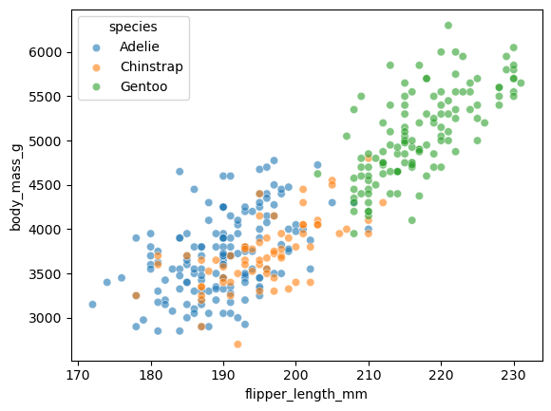
species | island | bill_length_mm | bill_depth_mm | flipper_length_mm | body_mass_g | sex
Adelie | Torgersen | 39.1 | 18.7 | 181 | 3750 | Male
Adelie | Torgersen | 39.5 | 17.4 | 186 | 3800 | Female
Adelie | Torgersen | 40.3 | 18 | 195 | 3250 | Female
Adelie | Torgersen
Adelie | Torgersen | 36.7 | 19.3 | 193 | 3450 | Female
Adelie | Torgersen | 39.3 | 20.6 | 190 | 3650 | Male
Adelie | Torgersen | 38.9 | 17.8 | 181 | 3625 | Female
Adelie | Torgersen | 39.2 | 19.6 | 195 | 4675 | Male
Adelie | Torgersen | 34.1 | 18.1 | 193 | 3475
Adelie | Torgersen | 42 | 20.2 | 190 | 4250
Adelie | Torgersen | 37.8 | 17.1 | 186 | 3300
Adelie | Torgersen | 37.8 | 17.3 | 180 | 3700
Adelie | Torgersen | 41.1 | 17.6 | 182 | 3200 | Female
Adelie | Torgersen | 38.6 | 21.2 | 191 | 3800 | Male
Adelie | Torgersen | 34.6 | 21.1 | 198 | 4400 | Male
Adelie | Torgersen | 36.6 | 17.8 | 185 | 3700 | Female
Adelie | Torgersen | 38.7 | 19 | 195 | 3450 | Female
Adelie | Torgersen | 42.5 | 20.7 | 197 | 4500 | Male
Adelie | Torgersen | 34.4 | 18.4 | 184 | 3325 | Female
Adelie | Torgersen | 46 | 21.5 | 194 | 4200 | Male
Adelie | Biscoe | 37.8 | 18.3 | 174 | 3400 | Female
Adelie | Biscoe | 37.7 | 18.7 | 180 | 3600 | Male
Adelie | Biscoe | 35.9 | 19.2 | 189 | 3800 | Female
Adelie | Biscoe | 38.2 | 18.1 | 185 | 3950 | Male
Adelie | Biscoe | 38.8 | 17.2 | 180 | 3800 | Male
Adelie | Biscoe | 35.3 | 18.9 | 187 | 3800 | Female
Adelie | Biscoe | 40.6 | 18.6 | 183 | 3550 | Male
Adelie | Biscoe | 40.5 | 17.9 | 187 | 3200 | Female
Adelie | Biscoe | 37.9 | 18.6 | 172 | 3150 | Female
Adelie | Biscoe | 40.5 | 18.9 | 180 | 3950 | Male
Adelie | Dream | 39.5 | 16.7 | 178 | 3250 | Female
Adelie | Dream | 37.2 | 18.1 | 178 | 3900 | Male
Adelie | Dream | 39.5 | 17.8 | 188 | 3300 | Female
Adelie | Dream | 40.9 | 18.9 | 184 | 3900 | Male
Adelie | Dream | 36.4 | 17 | 195 | 3325 | Female
Adelie | Dream | 39.2 | 21.1 | 196 | 4150 | Male
Adelie | Dream | 38.8 | 20 | 190 | 3950 | Male
Adelie | Dream | 42.2 | 18.5 | 180 | 3550 | Female
Adelie | Dream | 37.6 | 19.3 | 181 | 3300 | Female
Adelie | Dream | 39.8 | 19.1 | 184 | 4650 | Male
Adelie | Dream | 36.5 | 18 | 182 | 3150 | Female
Adelie | Dream | 40.8 | 18.4 | 195 | 3900 | Male
Adelie | Dream | 36 | 18.5 | 186 | 3100 | Female
Adelie | Dream | 44.1 | 19.7 | 196 | 4400 | Male
Adelie | Dream | 37 | 16.9 | 185 | 3000 | Female
Adelie | Dream | 39.6 | 18.8 | 190 | 4600 | Male
Adelie | Dream | 41.1 | 19 | 182 | 3425 | Male
Adelie | Dream | 37.5 | 18.9 | 179 | 2975
Adelie | Dream | 36 | 17.9 | 190 | 3450 | Female
Adelie | Dream | 42.3 | 21.2 | 191 | 4150 | Male
Adelie | Biscoe | 39.6 | 17.7 | 186 | 3500 | Female
Adelie | Biscoe | 40.1 | 18.9 | 188 | 4300 | Male
Adelie | Biscoe | 35 | 17.9 | 190 | 3450 | Female
Adelie | Biscoe | 42 | 19.5 | 200 | 4050 | Male
Adelie | Biscoe | 34.5 | 18.1 | 187 | 2900 | Female
Adelie | Biscoe | 41.4 | 18.6 | 191 | 3700 | Male
Adelie | Biscoe | 39 | 17.5 | 186 | 3550 | Female
Adelie | Biscoe | 40.6 | 18.8 | 193 | 3800 | Male
Adelie | Biscoe | 36.5 | 16.6 | 181 | 2850 | Female
Adelie | Biscoe | 37.6 | 19.1 | 194 | 3750 | Male
Adelie | Biscoe | 35.7 | 16.9 | 185 | 3150 | Female
Adelie | Biscoe | 41.3 | 21.1 | 195 | 4400 | Male
Adelie | Biscoe | 37.6 | 17 | 185 | 3600 | Female
Adelie | Biscoe | 41.1 | 18.2 | 192 | 4050 | Male
Adelie | Biscoe | 36.4 | 17.1 | 184 | 2850 | Female
Adelie | Biscoe | 41.6 | 18 | 192 | 3950 | Male
Adelie | Biscoe | 35.5 | 16.2 | 195 | 3350 | Female
Adelie | Biscoe | 41.1 | 19.1 | 188 | 4100 | Male
Adelie | Torgersen | 35.9 | 16.6 | 190 | 3050 | Female
Adelie | Torgersen | 41.8 | 19.4 | 198 | 4450 | Male
Adelie | Torgersen | 33.5 | 19 | 190 | 3600 | Female
Adelie | Torgersen | 39.7 | 18.4 | 190 | 3900 | Male
Adelie | Torgersen | 39.6 | 17.2 | 196 | 3550 | Female
Adelie | Torgersen | 45.8 | 18.9 | 197 | 4150 | Male
Adelie | Torgersen | 35.5 | 17.5 | 190 | 3700 | Female
Adelie | Torgersen | 42.8 | 18.5 | 195 | 4250 | Male
Adelie | Torgersen | 40.9 | 16.8 | 191 | 3700 | Female
Adelie | Torgersen | 37.2 | 19.4 | 184 | 3900 | Male
Adelie | Torgersen | 36.2 | 16.1 | 187 | 3550 | Female
Adelie | Torgersen | 42.1 | 19.1 | 195 | 4000 | Male
Adelie | Torgersen | 34.6 | 17.2 | 189 | 3200 | Female
Adelie | Torgersen | 42.9 | 17.6 | 196 | 4700 | Male
Adelie | Torgersen | 36.7 | 18.8 | 187 | 3800 | Female
Adelie | Torgersen | 35.1 | 19.4 | 193 | 4200 | Male
Adelie | Dream | 37.3 | 17.8 | 191 | 3350 | Female
Adelie | Dream | 41.3 | 20.3 | 194 | 3550 | Male
Adelie | Dream | 36.3 | 19.5 | 190 | 3800 | Male
Adelie | Dream | 36.9 | 18.6 | 189 | 3500 | Female
Adelie | Dream | 38.3 | 19.2 | 189 | 3950 | Male
Adelie | Dream | 38.9 | 18.8 | 190 | 3600 | Female
Adelie | Dream | 35.7 | 18 | 202 | 3550 | Female
Adelie | Dream | 41.1 | 18.1 | 205 | 4300 | Male
Adelie | Dream | 34 | 17.1 | 185 | 3400 | Female
Adelie | Dream | 39.6 | 18.1 | 186 | 4450 | Male
Adelie | Dream | 36.2 | 17.3 | 187 | 3300 | Female
Adelie | Dream | 40.8 | 18.9 | 208 | 4300 | Male
Adelie | Dream | 38.1 | 18.6 | 190 | 3700 | Female
Adelie | Dream | 40.3 | 18.5 | 196 | 4350 | Male
Adelie | Dream | 33.1 | 16.1 | 178 | 2900 | Female
Adelie | Dream | 43.2 | 18.5 | 192 | 4100 | Male
Adelie | Biscoe | 35 | 17.9 | 192 | 3725 | Female
Adelie | Biscoe | 41 | 20 | 203 | 4725 | Male
Adelie | Biscoe | 37.7 | 16 | 183 | 3075 | Female
Adelie | Biscoe | 37.8 | 20 | 190 | 4250 | Male
Adelie | Biscoe | 37.9 | 18.6 | 193 | 2925 | Female
Adelie | Biscoe | 39.7 | 18.9 | 184 | 3550 | Male
Adelie | Biscoe | 38.6 | 17.2 | 199 | 3750 | Female
Adelie | Biscoe | 38.2 | 20 | 190 | 3900 | Male
Adelie | Biscoe | 38.1 | 17 | 181 | 3175 | Female
Adelie | Biscoe | 43.2 | 19 | 197 | 4775 | Male
Adelie | Biscoe | 38.1 | 16.5 | 198 | 3825 | Female
Adelie | Biscoe | 45.6 | 20.3 | 191 | 4600 | Male
Adelie | Biscoe | 39.7 | 17.7 | 193 | 3200 | Female
Adelie | Biscoe | 42.2 | 19.5 | 197 | 4275 | Male
Adelie | Biscoe | 39.6 | 20.7 | 191 | 3900 | Female
Adelie | Biscoe | 42.7 | 18.3 | 196 | 4075 | Male
Adelie | Torgersen | 38.6 | 17 | 188 | 2900 | Female
Adelie | Torgersen | 37.3 | 20.5 | 199 | 3775 | Male
Adelie | Torgersen | 35.7 | 17 | 189 | 3350 | Female
Adelie | Torgersen | 41.1 | 18.6 | 189 | 3325 | Male
Adelie | Torgersen | 36.2 | 17.2 | 187 | 3150 | Female
Adelie | Torgersen | 37.7 | 19.8 | 198 | 3500 | Male
Adelie | Torgersen | 40.2 | 17 | 176 | 3450 | Female
Adelie | Torgersen | 41.4 | 18.5 | 202 | 3875 | Male
Adelie | Torgersen | 35.2 | 15.9 | 186 | 3050 | Female
Adelie | Torgersen | 40.6 | 19 | 199 | 4000 | Male
Adelie | Torgersen | 38.8 | 17.6 | 191 | 3275 | Female
Adelie | Torgersen | 41.5 | 18.3 | 195 | 4300 | Male
Adelie | Torgersen | 39 | 17.1 | 191 | 3050 | Female
Adelie | Torgersen | 44.1 | 18 | 210 | 4000 | Male
Adelie | Torgersen | 38.5 | 17.9 | 190 | 3325 | Female
Adelie | Torgersen | 43.1 | 19.2 | 197 | 3500 | Male
Adelie | Dream | 36.8 | 18.5 | 193 | 3500 | Female
Adelie | Dream | 37.5 | 18.5 | 199 | 4475 | Male
Adelie | Dream | 38.1 | 17.6 | 187 | 3425 | Female
Adelie | Dream | 41.1 | 17.5 | 190 | 3900 | Male
Adelie | Dream | 35.6 | 17.5 | 191 | 3175 | Female
Adelie | Dream | 40.2 | 20.1 | 200 | 3975 | Male
Adelie | Dream | 37 | 16.5 | 185 | 3400 | Female
Adelie | Dream | 39.7 | 17.9 | 193 | 4250 | Male
Adelie | Dream | 40.2 | 17.1 | 193 | 3400 | Female
Adelie | Dream | 40.6 | 17.2 | 187 | 3475 | Male
Adelie | Dream | 32.1 | 15.5 | 188 | 3050 | Female
Adelie | Dream | 40.7 | 17 | 190 | 3725 | Male
Adelie | Dream | 37.3 | 16.8 | 192 | 3000 | Female
Adelie | Dream | 39 | 18.7 | 185 | 3650 | Male
Adelie | Dream | 39.2 | 18.6 | 190 | 4250 | Male
Adelie | Dream | 36.6 | 18.4 | 184 | 3475 | Female
Adelie | Dream | 36 | 17.8 | 195 | 3450 | Female
Adelie | Dream | 37.8 | 18.1 | 193 | 3750 | Male
Adelie | Dream | 36 | 17.1 | 187 | 3700 | Female
Adelie | Dream | 41.5 | 18.5 | 201 | 4000 | Male
Chinstrap | Dream | 46.5 | 17.9 | 192 | 3500 | Female
Chinstrap | Dream | 50 | 19.5 | 196 | 3900 | Male
Chinstrap | Dream | 51.3 | 19.2 | 193 | 3650 | Male
Chinstrap | Dream | 45.4 | 18.7 | 188 | 3525 | Female
Chinstrap | Dream | 52.7 | 19.8 | 197 | 3725 | Male
Chinstrap | Dream | 45.2 | 17.8 | 198 | 3950 | Female
Chinstrap | Dream | 46.1 | 18.2 | 178 | 3250 | Female
Chinstrap | Dream | 51.3 | 18.2 | 197 | 3750 | Male
Chinstrap | Dream | 46 | 18.9 | 195 | 4150 | Female
Chinstrap | Dream | 51.3 | 19.9 | 198 | 3700 | Male
Chinstrap | Dream | 46.6 | 17.8 | 193 | 3800 | Female
Chinstrap | Dream | 51.7 | 20.3 | 194 | 3775 | Male
Chinstrap | Dream | 47 | 17.3 | 185 | 3700 | Female
Chinstrap | Dream | 52 | 18.1 | 201 | 4050 | Male
Chinstrap | Dream | 45.9 | 17.1 | 190 | 3575 | Female
Chinstrap | Dream | 50.5 | 19.6 | 201 | 4050 | Male
Chinstrap | Dream | 50.3 | 20 | 197 | 3300 | Male
Chinstrap | Dream | 58 | 17.8 | 181 | 3700 | Female
Chinstrap | Dream | 46.4 | 18.6 | 190 | 3450 | Female
Chinstrap | Dream | 49.2 | 18.2 | 195 | 4400 | Male
Chinstrap | Dream | 42.4 | 17.3 | 181 | 3600 | Female
Chinstrap | Dream | 48.5 | 17.5 | 191 | 3400 | Male
Chinstrap | Dream | 43.2 | 16.6 | 187 | 2900 | Female
Chinstrap | Dream | 50.6 | 19.4 | 193 | 3800 | Male
Chinstrap | Dream | 46.7 | 17.9 | 195 | 3300 | Female
Chinstrap | Dream | 52 | 19 | 197 | 4150 | Male
Chinstrap | Dream | 50.5 | 18.4 | 200 | 3400 | Female
Chinstrap | Dream | 49.5 | 19 | 200 | 3800 | Male
Chinstrap | Dream | 46.4 | 17.8 | 191 | 3700 | Female
Chinstrap | Dream | 52.8 | 20 | 205 | 4550 | Male
Chinstrap | Dream | 40.9 | 16.6 | 187 | 3200 | Female
Chinstrap | Dream | 54.2 | 20.8 | 201 | 4300 | Male
Chinstrap | Dream | 42.5 | 16.7 | 187 | 3350 | Female
Chinstrap | Dream | 51 | 18.8 | 203 | 4100 | Male
Chinstrap | Dream | 49.7 | 18.6 | 195 | 3600 | Male
Chinstrap | Dream | 47.5 | 16.8 | 199 | 3900 | Female
Chinstrap | Dream | 47.6 | 18.3 | 195 | 3850 | Female
Chinstrap | Dream | 52 | 20.7 | 210 | 4800 | Male
Chinstrap | Dream | 46.9 | 16.6 | 192 | 2700 | Female
Chinstrap | Dream | 53.5 | 19.9 | 205 | 4500 | Male
Chinstrap | Dream | 49 | 19.5 | 210 | 3950 | Male
Chinstrap | Dream | 46.2 | 17.5 | 187 | 3650 | Female
Chinstrap | Dream | 50.9 | 19.1 | 196 | 3550 | Male
Chinstrap | Dream | 45.5 | 17 | 196 | 3500 | Female
Chinstrap | Dream | 50.9 | 17.9 | 196 | 3675 | Female
Chinstrap | Dream | 50.8 | 18.5 | 201 | 4450 | Male
Chinstrap | Dream | 50.1 | 17.9 | 190 | 3400 | Female
Chinstrap | Dream | 49 | 19.6 | 212 | 4300 | Male
Chinstrap | Dream | 51.5 | 18.7 | 187 | 3250 | Male
Chinstrap | Dream | 49.8 | 17.3 | 198 | 3675 | Female
Chinstrap | Dream | 48.1 | 16.4 | 199 | 3325 | Female
Chinstrap | Dream | 51.4 | 19 | 201 | 3950 | Male
Chinstrap | Dream | 45.7 | 17.3 | 193 | 3600 | Female
Chinstrap | Dream | 50.7 | 19.7 | 203 | 4050 | Male
Chinstrap | Dream | 42.5 | 17.3 | 187 | 3350 | Female
Chinstrap | Dream | 52.2 | 18.8 | 197 | 3450 | Male
Chinstrap | Dream | 45.2 | 16.6 | 191 | 3250 | Female
Chinstrap | Dream | 49.3 | 19.9 | 203 | 4050 | Male
Chinstrap | Dream | 50.2 | 18.8 | 202 | 3800 | Male
Chinstrap | Dream | 45.6 | 19.4 | 194 | 3525 | Female
Chinstrap | Dream | 51.9 | 19.5 | 206 | 3950 | Male
Chinstrap | Dream | 46.8 | 16.5 | 189 | 3650 | Female
Chinstrap | Dream | 45.7 | 17 | 195 | 3650 | Female
Chinstrap | Dream | 55.8 | 19.8 | 207 | 4000 | Male
Chinstrap | Dream | 43.5 | 18.1 | 202 | 3400 | Female
Chinstrap | Dream | 49.6 | 18.2 | 193 | 3775 | Male
Chinstrap | Dream | 50.8 | 19 | 210 | 4100 | Male
Chinstrap | Dream | 50.2 | 18.7 | 198 | 3775 | Female
Gentoo | Biscoe | 46.1 | 13.2 | 211 | 4500 | Female
Gentoo | Biscoe | 50 | 16.3 | 230 | 5700 | Male
Gentoo | Biscoe | 48.7 | 14.1 | 210 | 4450 | Female
Gentoo | Biscoe | 50 | 15.2 | 218 | 5700 | Male
Gentoo | Biscoe | 47.6 | 14.5 | 215 | 5400 | Male
Gentoo | Biscoe | 46.5 | 13.5 | 210 | 4550 | Female
Gentoo | Biscoe | 45.4 | 14.6 | 211 | 4800 | Female
Gentoo | Biscoe | 46.7 | 15.3 | 219 | 5200 | Male
Gentoo | Biscoe | 43.3 | 13.4 | 209 | 4400 | Female
Gentoo | Biscoe | 46.8 | 15.4 | 215 | 5150 | Male
Gentoo | Biscoe | 40.9 | 13.7 | 214 | 4650 | Female
Gentoo | Biscoe | 49 | 16.1 | 216 | 5550 | Male
Gentoo | Biscoe | 45.5 | 13.7 | 214 | 4650 | Female
Gentoo | Biscoe | 48.4 | 14.6 | 213 | 5850 | Male
Gentoo | Biscoe | 45.8 | 14.6 | 210 | 4200 | Female
Gentoo | Biscoe | 49.3 | 15.7 | 217 | 5850 | Male
Gentoo | Biscoe | 42 | 13.5 | 210 | 4150 | Female
Gentoo | Biscoe | 49.2 | 15.2 | 221 | 6300 | Male
Gentoo | Biscoe | 46.2 | 14.5 | 209 | 4800 | Female
Gentoo | Biscoe | 48.7 | 15.1 | 222 | 5350 | Male
Gentoo | Biscoe | 50.2 | 14.3 | 218 | 5700 | Male
Gentoo | Biscoe | 45.1 | 14.5 | 215 | 5000 | Female
Gentoo | Biscoe | 46.5 | 14.5 | 213 | 4400 | Female
Gentoo | Biscoe | 46.3 | 15.8 | 215 | 5050 | Male
Gentoo | Biscoe | 42.9 | 13.1 | 215 | 5000 | Female
Gentoo | Biscoe | 46.1 | 15.1 | 215 | 5100 | Male
Gentoo | Biscoe | 44.5 | 14.3 | 216 | 4100
Gentoo | Biscoe | 47.8 | 15 | 215 | 5650 | Male
Gentoo | Biscoe | 48.2 | 14.3 | 210 | 4600 | Female
Gentoo | Biscoe | 50 | 15.3 | 220 | 5550 | Male
Gentoo | Biscoe | 47.3 | 15.3 | 222 | 5250 | Male
Gentoo | Biscoe | 42.8 | 14.2 | 209 | 4700 | Female
Gentoo | Biscoe | 45.1 | 14.5 | 207 | 5050 | Female
Gentoo | Biscoe | 59.6 | 17 | 230 | 6050 | Male
Gentoo | Biscoe | 49.1 | 14.8 | 220 | 5150 | Female
Gentoo | Biscoe | 48.4 | 16.3 | 220 | 5400 | Male
Gentoo | Biscoe | 42.6 | 13.7 | 213 | 4950 | Female
Gentoo | Biscoe | 44.4 | 17.3 | 219 | 5250 | Male
Gentoo | Biscoe | 44 | 13.6 | 208 | 4350 | Female
Gentoo | Biscoe | 48.7 | 15.7 | 208 | 5350 | Male
Gentoo | Biscoe | 42.7 | 13.7 | 208 | 3950 | Female
Gentoo | Biscoe | 49.6 | 16 | 225 | 5700 | Male
Gentoo | Biscoe | 45.3 | 13.7 | 210 | 4300 | Female
Gentoo | Biscoe | 49.6 | 15 | 216 | 4750 | Male
Gentoo | Biscoe | 50.5 | 15.9 | 222 | 5550 | Male
Gentoo | Biscoe | 43.6 | 13.9 | 217 | 4900 | Female
Gentoo | Biscoe | 45.5 | 13.9 | 210 | 4200 | Female
Gentoo | Biscoe | 50.5 | 15.9 | 225 | 5400 | Male
Gentoo | Biscoe | 44.9 | 13.3 | 213 | 5100 | Female
Gentoo | Biscoe | 45.2 | 15.8 | 215 | 5300 | Male
Gentoo | Biscoe | 46.6 | 14.2 | 210 | 4850 | Female
Gentoo | Biscoe | 48.5 | 14.1 | 220 | 5300 | Male
Gentoo | Biscoe | 45.1 | 14.4 | 210 | 4400 | Female
Gentoo | Biscoe | 50.1 | 15 | 225 | 5000 | Male
Gentoo | Biscoe | 46.5 | 14.4 | 217 | 4900 | Female
Gentoo | Biscoe | 45 | 15.4 | 220 | 5050 | Male
Gentoo | Biscoe | 43.8 | 13.9 | 208 | 4300 | Female
Gentoo | Biscoe | 45.5 | 15 | 220 | 5000 | Male
Gentoo | Biscoe | 43.2 | 14.5 | 208 | 4450 | Female
Gentoo | Biscoe | 50.4 | 15.3 | 224 | 5550 | Male
Gentoo | Biscoe | 45.3 | 13.8 | 208 | 4200 | Female
Gentoo | Biscoe | 46.2 | 14.9 | 221 | 5300 | Male
Gentoo | Biscoe | 45.7 | 13.9 | 214 | 4400 | Female
Gentoo | Biscoe | 54.3 | 15.7 | 231 | 5650 | Male
Gentoo | Biscoe | 45.8 | 14.2 | 219 | 4700 | Female
Gentoo | Biscoe | 49.8 | 16.8 | 230 | 5700 | Male
Gentoo | Biscoe | 46.2 | 14.4 | 214 | 4650
Gentoo | Biscoe | 49.5 | 16.2 | 229 | 5800 | Male
Gentoo | Biscoe | 43.5 | 14.2 | 220 | 4700 | Female
Gentoo | Biscoe | 50.7 | 15 | 223 | 5550 | Male
Gentoo | Biscoe | 47.7 | 15 | 216 | 4750 | Female
Gentoo | Biscoe | 46.4 | 15.6 | 221 | 5000 | Male
Gentoo | Biscoe | 48.2 | 15.6 | 221 | 5100 | Male
Gentoo | Biscoe | 46.5 | 14.8 | 217 | 5200 | Female
Gentoo | Biscoe | 46.4 | 15 | 216 | 4700 | Female
Gentoo | Biscoe | 48.6 | 16 | 230 | 5800 | Male
Gentoo | Biscoe | 47.5 | 14.2 | 209 | 4600 | Female
Gentoo | Biscoe | 51.1 | 16.3 | 220 | 6000 | Male
Gentoo | Biscoe | 45.2 | 13.8 | 215 | 4750 | Female
Gentoo | Biscoe | 45.2 | 16.4 | 223 | 5950 | Male
Gentoo | Biscoe | 49.1 | 14.5 | 212 | 4625 | Female
Gentoo | Biscoe | 52.5 | 15.6 | 221 | 5450 | Male
Gentoo | Biscoe | 47.4 | 14.6 | 212 | 4725 | Female
Gentoo | Biscoe | 50 | 15.9 | 224 | 5350 | Male
Gentoo | Biscoe | 44.9 | 13.8 | 212 | 4750 | Female
Gentoo | Biscoe | 50.8 | 17.3 | 228 | 5600 | Male
Gentoo | Biscoe | 43.4 | 14.4 | 218 | 4600 | Female
Gentoo | Biscoe | 51.3 | 14.2 | 218 | 5300 | Male
Gentoo | Biscoe | 47.5 | 14 | 212 | 4875 | Female
Gentoo | Biscoe | 52.1 | 17 | 230 | 5550 | Male
Gentoo | Biscoe | 47.5 | 15 | 218 | 4950 | Female
Gentoo | Biscoe | 52.2 | 17.1 | 228 | 5400 | Male
Gentoo | Biscoe | 45.5 | 14.5 | 212 | 4750 | Female
Gentoo | Biscoe | 49.5 | 16.1 | 224 | 5650 | Male
Gentoo | Biscoe | 44.5 | 14.7 | 214 | 4850 | Female
Gentoo | Biscoe | 50.8 | 15.7 | 226 | 5200 | Male
Gentoo | Biscoe | 49.4 | 15.8 | 216 | 4925 | Male
Gentoo | Biscoe | 46.9 | 14.6 | 222 | 4875 | Female
Gentoo | Biscoe | 48.4 | 14.4 | 203 | 4625 | Female
Gentoo | Biscoe | 51.1 | 16.5 | 225 | 5250 | Male
Gentoo | Biscoe | 48.5 | 15 | 219 | 4850 | Female
Gentoo | Biscoe | 55.9 | 17 | 228 | 5600 | Male
Gentoo | Biscoe | 47.2 | 15.5 | 215 | 4975 | Female
Gentoo | Biscoe | 49.1 | 15 | 228 | 5500 | Male
Gentoo | Biscoe | 47.3 | 13.8 | 216 | 4725
Gentoo | Biscoe | 46.8 | 16.1 | 215 | 5500 | Male
Gentoo | Biscoe | 41.7 | 14.7 | 210 | 4700 | Female
Gentoo | Biscoe | 53.4 | 15.8 | 219 | 5500 | Male
Gentoo | Biscoe | 43.3 | 14 | 208 | 4575 | Female
Gentoo | Biscoe | 48.1 | 15.1 | 209 | 5500 | Male
Gentoo | Biscoe | 50.5 | 15.2 | 216 | 5000 | Female
Gentoo | Biscoe | 49.8 | 15.9 | 229 | 5950 | Male
Gentoo | Biscoe | 43.5 | 15.2 | 213 | 4650 | Female
Gentoo | Biscoe | 51.5 | 16.3 | 230 | 5500 | Male
Gentoo | Biscoe | 46.2 | 14.1 | 217 | 4375 | Female
Gentoo | Biscoe | 55.1 | 16 | 230 | 5850 | Male
Gentoo | Biscoe | 44.5 | 15.7 | 217 | 4875
Gentoo | Biscoe | 48.8 | 16.2 | 222 | 6000 | Male
Gentoo | Biscoe | 47.2 | 13.7 | 214 | 4925 | Female
Gentoo | Biscoe
Gentoo | Biscoe | 46.8 | 14.3 | 215 | 4850 | Female
Gentoo | Biscoe | 50.4 | 15.7 | 222 | 5750 | Male
Gentoo | Biscoe | 45.2 | 14.8 | 212 | 5200 | Female
Gentoo | Biscoe | 49.9 | 16.1 | 213 | 5400 | Male

11-pairplot
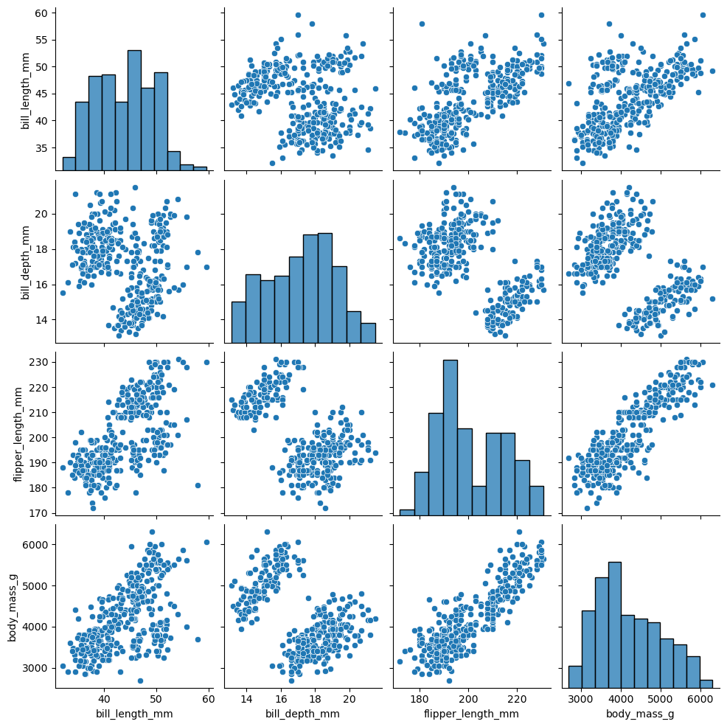
species | island | bill_length_mm | bill_depth_mm | flipper_length_mm | body_mass_g | sex
Adelie | Torgersen | 39.1 | 18.7 | 181 | 3750 | Male
Adelie | Torgersen | 39.5 | 17.4 | 186 | 3800 | Female
Adelie | Torgersen | 40.3 | 18 | 195 | 3250 | Female
Adelie | Torgersen
Adelie | Torgersen | 36.7 | 19.3 | 193 | 3450 | Female
Adelie | Torgersen | 39.3 | 20.6 | 190 | 3650 | Male
Adelie | Torgersen | 38.9 | 17.8 | 181 | 3625 | Female
Adelie | Torgersen | 39.2 | 19.6 | 195 | 4675 | Male
Adelie | Torgersen | 34.1 | 18.1 | 193 | 3475
Adelie | Torgersen | 42 | 20.2 | 190 | 4250
Adelie | Torgersen | 37.8 | 17.1 | 186 | 3300
Adelie | Torgersen | 37.8 | 17.3 | 180 | 3700
Adelie | Torgersen | 41.1 | 17.6 | 182 | 3200 | Female
Adelie | Torgersen | 38.6 | 21.2 | 191 | 3800 | Male
Adelie | Torgersen | 34.6 | 21.1 | 198 | 4400 | Male
Adelie | Torgersen | 36.6 | 17.8 | 185 | 3700 | Female
Adelie | Torgersen | 38.7 | 19 | 195 | 3450 | Female
Adelie | Torgersen | 42.5 | 20.7 | 197 | 4500 | Male
Adelie | Torgersen | 34.4 | 18.4 | 184 | 3325 | Female
Adelie | Torgersen | 46 | 21.5 | 194 | 4200 | Male
Adelie | Biscoe | 37.8 | 18.3 | 174 | 3400 | Female
Adelie | Biscoe | 37.7 | 18.7 | 180 | 3600 | Male
Adelie | Biscoe | 35.9 | 19.2 | 189 | 3800 | Female
Adelie | Biscoe | 38.2 | 18.1 | 185 | 3950 | Male
Adelie | Biscoe | 38.8 | 17.2 | 180 | 3800 | Male
Adelie | Biscoe | 35.3 | 18.9 | 187 | 3800 | Female
Adelie | Biscoe | 40.6 | 18.6 | 183 | 3550 | Male
Adelie | Biscoe | 40.5 | 17.9 | 187 | 3200 | Female
Adelie | Biscoe | 37.9 | 18.6 | 172 | 3150 | Female
Adelie | Biscoe | 40.5 | 18.9 | 180 | 3950 | Male
Adelie | Dream | 39.5 | 16.7 | 178 | 3250 | Female
Adelie | Dream | 37.2 | 18.1 | 178 | 3900 | Male
Adelie | Dream | 39.5 | 17.8 | 188 | 3300 | Female
Adelie | Dream | 40.9 | 18.9 | 184 | 3900 | Male
Adelie | Dream | 36.4 | 17 | 195 | 3325 | Female
Adelie | Dream | 39.2 | 21.1 | 196 | 4150 | Male
Adelie | Dream | 38.8 | 20 | 190 | 3950 | Male
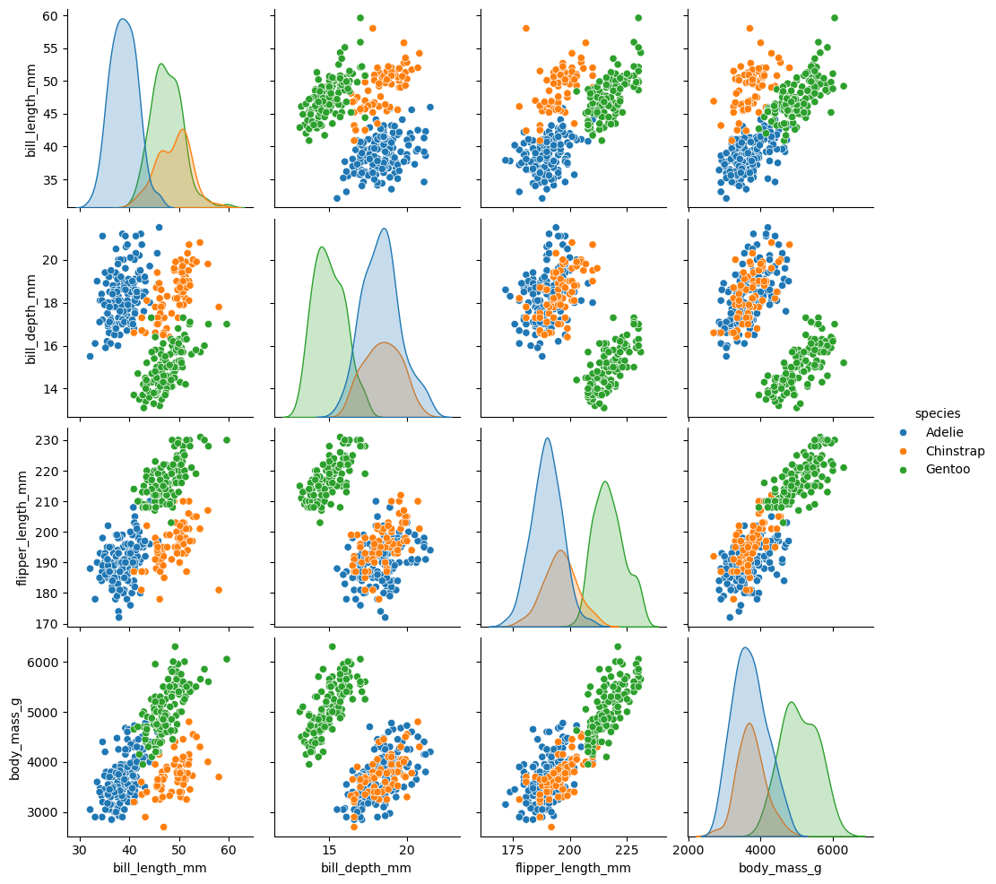
Adelie | Dream | 42.2 | 18.5 | 180 | 3550 | Female
Adelie | Dream | 37.6 | 19.3 | 181 | 3300 | Female
Adelie | Dream | 39.8 | 19.1 | 184 | 4650 | Male
Adelie | Dream | 36.5 | 18 | 182 | 3150 | Female
Adelie | Dream | 40.8 | 18.4 | 195 | 3900 | Male
Adelie | Dream | 36 | 18.5 | 186 | 3100 | Female
Adelie | Dream | 44.1 | 19.7 | 196 | 4400 | Male
Adelie | Dream | 37 | 16.9 | 185 | 3000 | Female
Adelie | Dream | 39.6 | 18.8 | 190 | 4600 | Male
Adelie | Dream | 41.1 | 19 | 182 | 3425 | Male
Adelie | Dream | 37.5 | 18.9 | 179 | 2975
Adelie | Dream | 36 | 17.9 | 190 | 3450 | Female
Adelie | Dream | 42.3 | 21.2 | 191 | 4150 | Male
Adelie | Biscoe | 39.6 | 17.7 | 186 | 3500 | Female
Adelie | Biscoe | 40.1 | 18.9 | 188 | 4300 | Male
Adelie | Biscoe | 35 | 17.9 | 190 | 3450 | Female
Adelie | Biscoe | 42 | 19.5 | 200 | 4050 | Male
Adelie | Biscoe | 34.5 | 18.1 | 187 | 2900 | Female
Adelie | Biscoe | 41.4 | 18.6 | 191 | 3700 | Male
Adelie | Biscoe | 39 | 17.5 | 186 | 3550 | Female
Adelie | Biscoe | 40.6 | 18.8 | 193 | 3800 | Male
Adelie | Biscoe | 36.5 | 16.6 | 181 | 2850 | Female
Adelie | Biscoe | 37.6 | 19.1 | 194 | 3750 | Male
Adelie | Biscoe | 35.7 | 16.9 | 185 | 3150 | Female
Adelie | Biscoe | 41.3 | 21.1 | 195 | 4400 | Male
Adelie | Biscoe | 37.6 | 17 | 185 | 3600 | Female
Adelie | Biscoe | 41.1 | 18.2 | 192 | 4050 | Male
Adelie | Biscoe | 36.4 | 17.1 | 184 | 2850 | Female
Adelie | Biscoe | 41.6 | 18 | 192 | 3950 | Male
Adelie | Biscoe | 35.5 | 16.2 | 195 | 3350 | Female
Adelie | Biscoe | 41.1 | 19.1 | 188 | 4100 | Male
Adelie | Torgersen | 35.9 | 16.6 | 190 | 3050 | Female
Adelie | Torgersen | 41.8 | 19.4 | 198 | 4450 | Male
Adelie | Torgersen | 33.5 | 19 | 190 | 3600 | Female
Adelie | Torgersen | 39.7 | 18.4 | 190 | 3900 | Male
Adelie | Torgersen | 39.6 | 17.2 | 196 | 3550 | Female
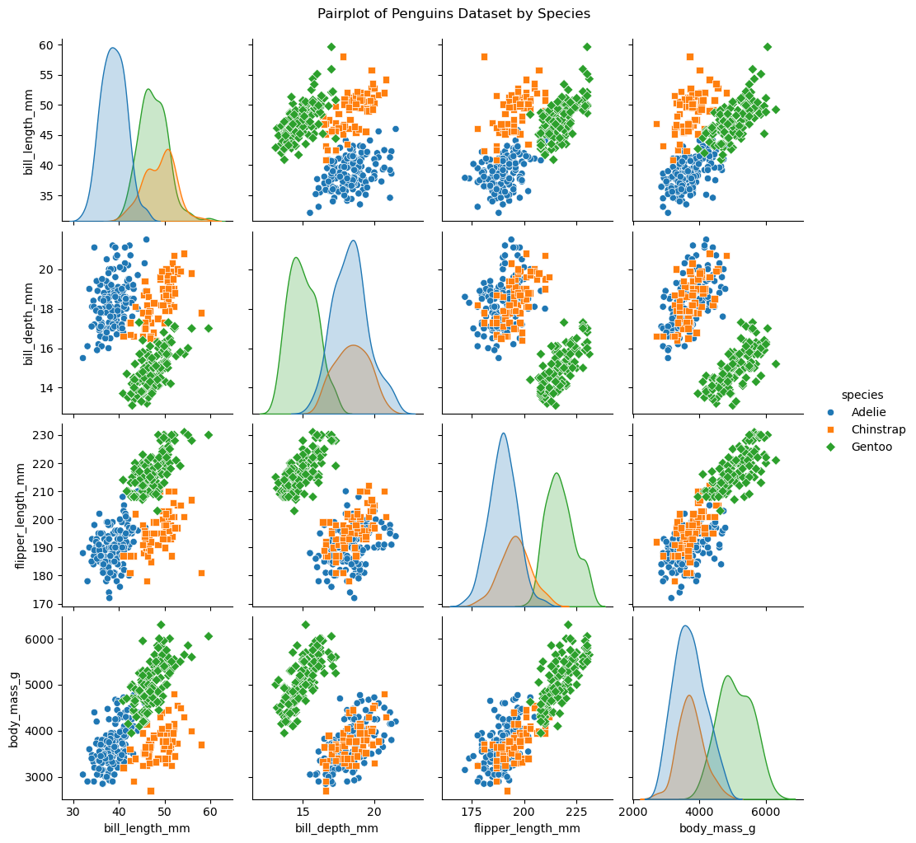
Adelie | Torgersen | 45.8 | 18.9 | 197 | 4150 | Male
Adelie | Torgersen | 35.5 | 17.5 | 190 | 3700 | Female
Adelie | Torgersen | 42.8 | 18.5 | 195 | 4250 | Male
Adelie | Torgersen | 40.9 | 16.8 | 191 | 3700 | Female
Adelie | Torgersen | 37.2 | 19.4 | 184 | 3900 | Male
Adelie | Torgersen | 36.2 | 16.1 | 187 | 3550 | Female
Adelie | Torgersen | 42.1 | 19.1 | 195 | 4000 | Male
Adelie | Torgersen | 34.6 | 17.2 | 189 | 3200 | Female
Adelie | Torgersen | 42.9 | 17.6 | 196 | 4700 | Male
Adelie | Torgersen | 36.7 | 18.8 | 187 | 3800 | Female
Adelie | Torgersen | 35.1 | 19.4 | 193 | 4200 | Male
Adelie | Dream | 37.3 | 17.8 | 191 | 3350 | Female
Adelie | Dream | 41.3 | 20.3 | 194 | 3550 | Male
Adelie | Dream | 36.3 | 19.5 | 190 | 3800 | Male
Adelie | Dream | 36.9 | 18.6 | 189 | 3500 | Female
Adelie | Dream | 38.3 | 19.2 | 189 | 3950 | Male
Adelie | Dream | 38.9 | 18.8 | 190 | 3600 | Female
Adelie | Dream | 35.7 | 18 | 202 | 3550 | Female
Adelie | Dream | 41.1 | 18.1 | 205 | 4300 | Male
Adelie | Dream | 34 | 17.1 | 185 | 3400 | Female
Adelie | Dream | 39.6 | 18.1 | 186 | 4450 | Male
Adelie | Dream | 36.2 | 17.3 | 187 | 3300 | Female
Adelie | Dream | 40.8 | 18.9 | 208 | 4300 | Male
Adelie | Dream | 38.1 | 18.6 | 190 | 3700 | Female
Adelie | Dream | 40.3 | 18.5 | 196 | 4350 | Male
Adelie | Dream | 33.1 | 16.1 | 178 | 2900 | Female
Adelie | Dream | 43.2 | 18.5 | 192 | 4100 | Male
Adelie | Biscoe | 35 | 17.9 | 192 | 3725 | Female
Adelie | Biscoe | 41 | 20 | 203 | 4725 | Male
Adelie | Biscoe | 37.7 | 16 | 183 | 3075 | Female
Adelie | Biscoe | 37.8 | 20 | 190 | 4250 | Male
Adelie | Biscoe | 37.9 | 18.6 | 193 | 2925 | Female
Adelie | Biscoe | 39.7 | 18.9 | 184 | 3550 | Male
Adelie | Biscoe | 38.6 | 17.2 | 199 | 3750 | Female
Adelie | Biscoe | 38.2 | 20 | 190 | 3900 | Male
Adelie | Biscoe | 38.1 | 17 | 181 | 3175 | Female
Adelie | Biscoe | 43.2 | 19 | 197 | 4775 | Male
Adelie | Biscoe | 38.1 | 16.5 | 198 | 3825 | Female
Adelie | Biscoe | 45.6 | 20.3 | 191 | 4600 | Male
Adelie | Biscoe | 39.7 | 17.7 | 193 | 3200 | Female
Adelie | Biscoe | 42.2 | 19.5 | 197 | 4275 | Male
Adelie | Biscoe | 39.6 | 20.7 | 191 | 3900 | Female
Adelie | Biscoe | 42.7 | 18.3 | 196 | 4075 | Male
Adelie | Torgersen | 38.6 | 17 | 188 | 2900 | Female
Adelie | Torgersen | 37.3 | 20.5 | 199 | 3775 | Male
Adelie | Torgersen | 35.7 | 17 | 189 | 3350 | Female
Adelie | Torgersen | 41.1 | 18.6 | 189 | 3325 | Male
Adelie | Torgersen | 36.2 | 17.2 | 187 | 3150 | Female
Adelie | Torgersen | 37.7 | 19.8 | 198 | 3500 | Male
Adelie | Torgersen | 40.2 | 17 | 176 | 3450 | Female
Adelie | Torgersen | 41.4 | 18.5 | 202 | 3875 | Male
Adelie | Torgersen | 35.2 | 15.9 | 186 | 3050 | Female
Adelie | Torgersen | 40.6 | 19 | 199 | 4000 | Male
Adelie | Torgersen | 38.8 | 17.6 | 191 | 3275 | Female
Adelie | Torgersen | 41.5 | 18.3 | 195 | 4300 | Male
Adelie | Torgersen | 39 | 17.1 | 191 | 3050 | Female
Adelie | Torgersen | 44.1 | 18 | 210 | 4000 | Male
Adelie | Torgersen | 38.5 | 17.9 | 190 | 3325 | Female
Adelie | Torgersen | 43.1 | 19.2 | 197 | 3500 | Male
Adelie | Dream | 36.8 | 18.5 | 193 | 3500 | Female
Adelie | Dream | 37.5 | 18.5 | 199 | 4475 | Male
Adelie | Dream | 38.1 | 17.6 | 187 | 3425 | Female
Adelie | Dream | 41.1 | 17.5 | 190 | 3900 | Male
Adelie | Dream | 35.6 | 17.5 | 191 | 3175 | Female
Adelie | Dream | 40.2 | 20.1 | 200 | 3975 | Male
Adelie | Dream | 37 | 16.5 | 185 | 3400 | Female
Adelie | Dream | 39.7 | 17.9 | 193 | 4250 | Male
Adelie | Dream | 40.2 | 17.1 | 193 | 3400 | Female
Adelie | Dream | 40.6 | 17.2 | 187 | 3475 | Male
Adelie | Dream | 32.1 | 15.5 | 188 | 3050 | Female
Adelie | Dream | 40.7 | 17 | 190 | 3725 | Male
Adelie | Dream | 37.3 | 16.8 | 192 | 3000 | Female
Adelie | Dream | 39 | 18.7 | 185 | 3650 | Male
Adelie | Dream | 39.2 | 18.6 | 190 | 4250 | Male
Adelie | Dream | 36.6 | 18.4 | 184 | 3475 | Female
Adelie | Dream | 36 | 17.8 | 195 | 3450 | Female
Adelie | Dream | 37.8 | 18.1 | 193 | 3750 | Male
Adelie | Dream | 36 | 17.1 | 187 | 3700 | Female
Adelie | Dream | 41.5 | 18.5 | 201 | 4000 | Male
Chinstrap | Dream | 46.5 | 17.9 | 192 | 3500 | Female
Chinstrap | Dream | 50 | 19.5 | 196 | 3900 | Male
Chinstrap | Dream | 51.3 | 19.2 | 193 | 3650 | Male
Chinstrap | Dream | 45.4 | 18.7 | 188 | 3525 | Female
Chinstrap | Dream | 52.7 | 19.8 | 197 | 3725 | Male
Chinstrap | Dream | 45.2 | 17.8 | 198 | 3950 | Female
Chinstrap | Dream | 46.1 | 18.2 | 178 | 3250 | Female
Chinstrap | Dream | 51.3 | 18.2 | 197 | 3750 | Male
Chinstrap | Dream | 46 | 18.9 | 195 | 4150 | Female
Chinstrap | Dream | 51.3 | 19.9 | 198 | 3700 | Male
Chinstrap | Dream | 46.6 | 17.8 | 193 | 3800 | Female
Chinstrap | Dream | 51.7 | 20.3 | 194 | 3775 | Male
Chinstrap | Dream | 47 | 17.3 | 185 | 3700 | Female
Chinstrap | Dream | 52 | 18.1 | 201 | 4050 | Male
Chinstrap | Dream | 45.9 | 17.1 | 190 | 3575 | Female
Chinstrap | Dream | 50.5 | 19.6 | 201 | 4050 | Male
Chinstrap | Dream | 50.3 | 20 | 197 | 3300 | Male
Chinstrap | Dream | 58 | 17.8 | 181 | 3700 | Female
Chinstrap | Dream | 46.4 | 18.6 | 190 | 3450 | Female
Chinstrap | Dream | 49.2 | 18.2 | 195 | 4400 | Male
Chinstrap | Dream | 42.4 | 17.3 | 181 | 3600 | Female
Chinstrap | Dream | 48.5 | 17.5 | 191 | 3400 | Male
Chinstrap | Dream | 43.2 | 16.6 | 187 | 2900 | Female
Chinstrap | Dream | 50.6 | 19.4 | 193 | 3800 | Male
Chinstrap | Dream | 46.7 | 17.9 | 195 | 3300 | Female
Chinstrap | Dream | 52 | 19 | 197 | 4150 | Male
Chinstrap | Dream | 50.5 | 18.4 | 200 | 3400 | Female
Chinstrap | Dream | 49.5 | 19 | 200 | 3800 | Male
Chinstrap | Dream | 46.4 | 17.8 | 191 | 3700 | Female
Chinstrap | Dream | 52.8 | 20 | 205 | 4550 | Male
Chinstrap | Dream | 40.9 | 16.6 | 187 | 3200 | Female
Chinstrap | Dream | 54.2 | 20.8 | 201 | 4300 | Male
Chinstrap | Dream | 42.5 | 16.7 | 187 | 3350 | Female
Chinstrap | Dream | 51 | 18.8 | 203 | 4100 | Male
Chinstrap | Dream | 49.7 | 18.6 | 195 | 3600 | Male
Chinstrap | Dream | 47.5 | 16.8 | 199 | 3900 | Female
Chinstrap | Dream | 47.6 | 18.3 | 195 | 3850 | Female
Chinstrap | Dream | 52 | 20.7 | 210 | 4800 | Male
Chinstrap | Dream | 46.9 | 16.6 | 192 | 2700 | Female
Chinstrap | Dream | 53.5 | 19.9 | 205 | 4500 | Male
Chinstrap | Dream | 49 | 19.5 | 210 | 3950 | Male
Chinstrap | Dream | 46.2 | 17.5 | 187 | 3650 | Female
Chinstrap | Dream | 50.9 | 19.1 | 196 | 3550 | Male
Chinstrap | Dream | 45.5 | 17 | 196 | 3500 | Female
Chinstrap | Dream | 50.9 | 17.9 | 196 | 3675 | Female
Chinstrap | Dream | 50.8 | 18.5 | 201 | 4450 | Male
Chinstrap | Dream | 50.1 | 17.9 | 190 | 3400 | Female
Chinstrap | Dream | 49 | 19.6 | 212 | 4300 | Male
Chinstrap | Dream | 51.5 | 18.7 | 187 | 3250 | Male
Chinstrap | Dream | 49.8 | 17.3 | 198 | 3675 | Female
Chinstrap | Dream | 48.1 | 16.4 | 199 | 3325 | Female
Chinstrap | Dream | 51.4 | 19 | 201 | 3950 | Male
Chinstrap | Dream | 45.7 | 17.3 | 193 | 3600 | Female
Chinstrap | Dream | 50.7 | 19.7 | 203 | 4050 | Male
Chinstrap | Dream | 42.5 | 17.3 | 187 | 3350 | Female
Chinstrap | Dream | 52.2 | 18.8 | 197 | 3450 | Male
Chinstrap | Dream | 45.2 | 16.6 | 191 | 3250 | Female
Chinstrap | Dream | 49.3 | 19.9 | 203 | 4050 | Male
Chinstrap | Dream | 50.2 | 18.8 | 202 | 3800 | Male
Chinstrap | Dream | 45.6 | 19.4 | 194 | 3525 | Female
Chinstrap | Dream | 51.9 | 19.5 | 206 | 3950 | Male
Chinstrap | Dream | 46.8 | 16.5 | 189 | 3650 | Female
Chinstrap | Dream | 45.7 | 17 | 195 | 3650 | Female
Chinstrap | Dream | 55.8 | 19.8 | 207 | 4000 | Male
Chinstrap | Dream | 43.5 | 18.1 | 202 | 3400 | Female
Chinstrap | Dream | 49.6 | 18.2 | 193 | 3775 | Male
Chinstrap | Dream | 50.8 | 19 | 210 | 4100 | Male
Chinstrap | Dream | 50.2 | 18.7 | 198 | 3775 | Female
Gentoo | Biscoe | 46.1 | 13.2 | 211 | 4500 | Female
Gentoo | Biscoe | 50 | 16.3 | 230 | 5700 | Male
Gentoo | Biscoe | 48.7 | 14.1 | 210 | 4450 | Female
Gentoo | Biscoe | 50 | 15.2 | 218 | 5700 | Male
Gentoo | Biscoe | 47.6 | 14.5 | 215 | 5400 | Male
Gentoo | Biscoe | 46.5 | 13.5 | 210 | 4550 | Female
Gentoo | Biscoe | 45.4 | 14.6 | 211 | 4800 | Female
Gentoo | Biscoe | 46.7 | 15.3 | 219 | 5200 | Male
Gentoo | Biscoe | 43.3 | 13.4 | 209 | 4400 | Female
Gentoo | Biscoe | 46.8 | 15.4 | 215 | 5150 | Male
Gentoo | Biscoe | 40.9 | 13.7 | 214 | 4650 | Female
Gentoo | Biscoe | 49 | 16.1 | 216 | 5550 | Male
Gentoo | Biscoe | 45.5 | 13.7 | 214 | 4650 | Female
Gentoo | Biscoe | 48.4 | 14.6 | 213 | 5850 | Male
Gentoo | Biscoe | 45.8 | 14.6 | 210 | 4200 | Female
Gentoo | Biscoe | 49.3 | 15.7 | 217 | 5850 | Male
Gentoo | Biscoe | 42 | 13.5 | 210 | 4150 | Female
Gentoo | Biscoe | 49.2 | 15.2 | 221 | 6300 | Male
Gentoo | Biscoe | 46.2 | 14.5 | 209 | 4800 | Female
Gentoo | Biscoe | 48.7 | 15.1 | 222 | 5350 | Male
Gentoo | Biscoe | 50.2 | 14.3 | 218 | 5700 | Male
Gentoo | Biscoe | 45.1 | 14.5 | 215 | 5000 | Female
Gentoo | Biscoe | 46.5 | 14.5 | 213 | 4400 | Female
Gentoo | Biscoe | 46.3 | 15.8 | 215 | 5050 | Male
Gentoo | Biscoe | 42.9 | 13.1 | 215 | 5000 | Female
Gentoo | Biscoe | 46.1 | 15.1 | 215 | 5100 | Male
Gentoo | Biscoe | 44.5 | 14.3 | 216 | 4100
Gentoo | Biscoe | 47.8 | 15 | 215 | 5650 | Male
Gentoo | Biscoe | 48.2 | 14.3 | 210 | 4600 | Female
Gentoo | Biscoe | 50 | 15.3 | 220 | 5550 | Male
Gentoo | Biscoe | 47.3 | 15.3 | 222 | 5250 | Male
Gentoo | Biscoe | 42.8 | 14.2 | 209 | 4700 | Female
Gentoo | Biscoe | 45.1 | 14.5 | 207 | 5050 | Female
Gentoo | Biscoe | 59.6 | 17 | 230 | 6050 | Male
Gentoo | Biscoe | 49.1 | 14.8 | 220 | 5150 | Female
Gentoo | Biscoe | 48.4 | 16.3 | 220 | 5400 | Male
Gentoo | Biscoe | 42.6 | 13.7 | 213 | 4950 | Female
Gentoo | Biscoe | 44.4 | 17.3 | 219 | 5250 | Male
Gentoo | Biscoe | 44 | 13.6 | 208 | 4350 | Female
Gentoo | Biscoe | 48.7 | 15.7 | 208 | 5350 | Male
Gentoo | Biscoe | 42.7 | 13.7 | 208 | 3950 | Female
Gentoo | Biscoe | 49.6 | 16 | 225 | 5700 | Male
Gentoo | Biscoe | 45.3 | 13.7 | 210 | 4300 | Female
Gentoo | Biscoe | 49.6 | 15 | 216 | 4750 | Male
Gentoo | Biscoe | 50.5 | 15.9 | 222 | 5550 | Male
Gentoo | Biscoe | 43.6 | 13.9 | 217 | 4900 | Female
Gentoo | Biscoe | 45.5 | 13.9 | 210 | 4200 | Female
Gentoo | Biscoe | 50.5 | 15.9 | 225 | 5400 | Male
Gentoo | Biscoe | 44.9 | 13.3 | 213 | 5100 | Female
Gentoo | Biscoe | 45.2 | 15.8 | 215 | 5300 | Male
Gentoo | Biscoe | 46.6 | 14.2 | 210 | 4850 | Female
Gentoo | Biscoe | 48.5 | 14.1 | 220 | 5300 | Male
Gentoo | Biscoe | 45.1 | 14.4 | 210 | 4400 | Female
Gentoo | Biscoe | 50.1 | 15 | 225 | 5000 | Male
Gentoo | Biscoe | 46.5 | 14.4 | 217 | 4900 | Female
Gentoo | Biscoe | 45 | 15.4 | 220 | 5050 | Male
Gentoo | Biscoe | 43.8 | 13.9 | 208 | 4300 | Female
Gentoo | Biscoe | 45.5 | 15 | 220 | 5000 | Male
Gentoo | Biscoe | 43.2 | 14.5 | 208 | 4450 | Female
Gentoo | Biscoe | 50.4 | 15.3 | 224 | 5550 | Male
Gentoo | Biscoe | 45.3 | 13.8 | 208 | 4200 | Female
Gentoo | Biscoe | 46.2 | 14.9 | 221 | 5300 | Male
Gentoo | Biscoe | 45.7 | 13.9 | 214 | 4400 | Female
Gentoo | Biscoe | 54.3 | 15.7 | 231 | 5650 | Male
Gentoo | Biscoe | 45.8 | 14.2 | 219 | 4700 | Female
Gentoo | Biscoe | 49.8 | 16.8 | 230 | 5700 | Male
Gentoo | Biscoe | 46.2 | 14.4 | 214 | 4650
Gentoo | Biscoe | 49.5 | 16.2 | 229 | 5800 | Male
Gentoo | Biscoe | 43.5 | 14.2 | 220 | 4700 | Female
Gentoo | Biscoe | 50.7 | 15 | 223 | 5550 | Male
Gentoo | Biscoe | 47.7 | 15 | 216 | 4750 | Female
Gentoo | Biscoe | 46.4 | 15.6 | 221 | 5000 | Male
Gentoo | Biscoe | 48.2 | 15.6 | 221 | 5100 | Male
Gentoo | Biscoe | 46.5 | 14.8 | 217 | 5200 | Female
Gentoo | Biscoe | 46.4 | 15 | 216 | 4700 | Female
Gentoo | Biscoe | 48.6 | 16 | 230 | 5800 | Male
Gentoo | Biscoe | 47.5 | 14.2 | 209 | 4600 | Female
Gentoo | Biscoe | 51.1 | 16.3 | 220 | 6000 | Male
Gentoo | Biscoe | 45.2 | 13.8 | 215 | 4750 | Female
Gentoo | Biscoe | 45.2 | 16.4 | 223 | 5950 | Male
Gentoo | Biscoe | 49.1 | 14.5 | 212 | 4625 | Female
Gentoo | Biscoe | 52.5 | 15.6 | 221 | 5450 | Male
Gentoo | Biscoe | 47.4 | 14.6 | 212 | 4725 | Female
Gentoo | Biscoe | 50 | 15.9 | 224 | 5350 | Male
Gentoo | Biscoe | 44.9 | 13.8 | 212 | 4750 | Female
Gentoo | Biscoe | 50.8 | 17.3 | 228 | 5600 | Male
Gentoo | Biscoe | 43.4 | 14.4 | 218 | 4600 | Female
Gentoo | Biscoe | 51.3 | 14.2 | 218 | 5300 | Male
Gentoo | Biscoe | 47.5 | 14 | 212 | 4875 | Female
Gentoo | Biscoe | 52.1 | 17 | 230 | 5550 | Male
Gentoo | Biscoe | 47.5 | 15 | 218 | 4950 | Female
Gentoo | Biscoe | 52.2 | 17.1 | 228 | 5400 | Male
Gentoo | Biscoe | 45.5 | 14.5 | 212 | 4750 | Female
Gentoo | Biscoe | 49.5 | 16.1 | 224 | 5650 | Male
Gentoo | Biscoe | 44.5 | 14.7 | 214 | 4850 | Female
Gentoo | Biscoe | 50.8 | 15.7 | 226 | 5200 | Male
Gentoo | Biscoe | 49.4 | 15.8 | 216 | 4925 | Male
Gentoo | Biscoe | 46.9 | 14.6 | 222 | 4875 | Female
Gentoo | Biscoe | 48.4 | 14.4 | 203 | 4625 | Female
Gentoo | Biscoe | 51.1 | 16.5 | 225 | 5250 | Male
Gentoo | Biscoe | 48.5 | 15 | 219 | 4850 | Female
Gentoo | Biscoe | 55.9 | 17 | 228 | 5600 | Male
Gentoo | Biscoe | 47.2 | 15.5 | 215 | 4975 | Female
Gentoo | Biscoe | 49.1 | 15 | 228 | 5500 | Male
Gentoo | Biscoe | 47.3 | 13.8 | 216 | 4725
Gentoo | Biscoe | 46.8 | 16.1 | 215 | 5500 | Male
Gentoo | Biscoe | 41.7 | 14.7 | 210 | 4700 | Female
Gentoo | Biscoe | 53.4 | 15.8 | 219 | 5500 | Male
Gentoo | Biscoe | 43.3 | 14 | 208 | 4575 | Female
Gentoo | Biscoe | 48.1 | 15.1 | 209 | 5500 | Male
Gentoo | Biscoe | 50.5 | 15.2 | 216 | 5000 | Female
Gentoo | Biscoe | 49.8 | 15.9 | 229 | 5950 | Male
Gentoo | Biscoe | 43.5 | 15.2 | 213 | 4650 | Female
Gentoo | Biscoe | 51.5 | 16.3 | 230 | 5500 | Male
Gentoo | Biscoe | 46.2 | 14.1 | 217 | 4375 | Female
Gentoo | Biscoe | 55.1 | 16 | 230 | 5850 | Male
Gentoo | Biscoe | 44.5 | 15.7 | 217 | 4875
Gentoo | Biscoe | 48.8 | 16.2 | 222 | 6000 | Male
Gentoo | Biscoe | 47.2 | 13.7 | 214 | 4925 | Female
Gentoo | Biscoe
Gentoo | Biscoe | 46.8 | 14.3 | 215 | 4850 | Female
Gentoo | Biscoe | 50.4 | 15.7 | 222 | 5750 | Male
Gentoo | Biscoe | 45.2 | 14.8 | 212 | 5200 | Female
Gentoo | Biscoe | 49.9 | 16.1 | 213 | 5400 | Male

12-jitterplot
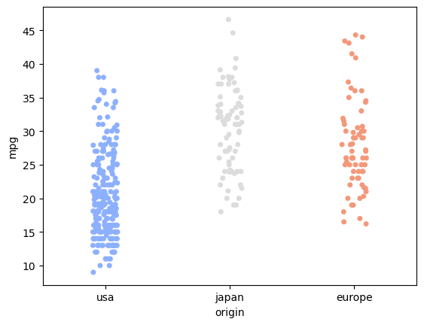
mpg | cylinders | displacement | horsepower | weight | acceleration | model_year | origin
18 | 8 | 307 | 130 | 3504 | 12 | 70 | usa
15 | 8 | 350 | 165 | 3693 | 11.5 | 70 | usa
18 | 8 | 318 | 150 | 3436 | 11 | 70 | usa
16 | 8 | 304 | 150 | 3433 | 12 | 70 | usa
17 | 8 | 302 | 140 | 3449 | 10.5 | 70 | usa
15 | 8 | 429 | 198 | 4341 | 10 | 70 | usa
14 | 8 | 454 | 220 | 4354 | 9 | 70 | usa
14 | 8 | 440 | 215 | 4312 | 8.5 | 70 | usa
14 | 8 | 455 | 225 | 4425 | 10 | 70 | usa
15 | 8 | 390 | 190 | 3850 | 8.5 | 70 | usa
15 | 8 | 383 | 170 | 3563 | 10 | 70 | usa
14 | 8 | 340 | 160 | 3609 | 8 | 70 | usa
15 | 8 | 400 | 150 | 3761 | 9.5 | 70 | usa
14 | 8 | 455 | 225 | 3086 | 10 | 70 | usa
24 | 4 | 113 | 95 | 2372 | 15 | 70 | japan
22 | 6 | 198 | 95 | 2833 | 15.5 | 70 | usa
18 | 6 | 199 | 97 | 2774 | 15.5 | 70 | usa
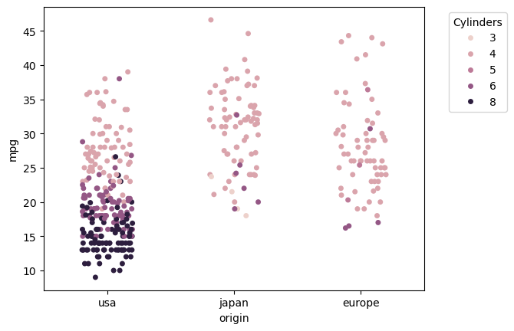
21 | 6 | 200 | 85 | 2587 | 16 | 70 | usa
27 | 4 | 97 | 88 | 2130 | 14.5 | 70 | japan
26 | 4 | 97 | 46 | 1835 | 20.5 | 70 | europe
25 | 4 | 110 | 87 | 2672 | 17.5 | 70 | europe
24 | 4 | 107 | 90 | 2430 | 14.5 | 70 | europe
25 | 4 | 104 | 95 | 2375 | 17.5 | 70 | europe
26 | 4 | 121 | 113 | 2234 | 12.5 | 70 | europe
21 | 6 | 199 | 90 | 2648 | 15 | 70 | usa
10 | 8 | 360 | 215 | 4615 | 14 | 70 | usa
10 | 8 | 307 | 200 | 4376 | 15 | 70 | usa
11 | 8 | 318 | 210 | 4382 | 13.5 | 70 | usa
9 | 8 | 304 | 193 | 4732 | 18.5 | 70 | usa
27 | 4 | 97 | 88 | 2130 | 14.5 | 71 | japan
28 | 4 | 140 | 90 | 2264 | 15.5 | 71 | usa
25 | 4 | 113 | 95 | 2228 | 14 | 71 | japan
25 | 4 | 98 |  | 2046 | 19 | 71 | usa
19 | 6 | 232 | 100 | 2634 | 13 | 71 | usa
16 | 6 | 225 | 105 | 3439 | 15.5 | 71 | usa
17 | 6 | 250 | 100 | 3329 | 15.5 | 71 | usa
19 | 6 | 250 | 88 | 3302 | 15.5 | 71 | usa
18 | 6 | 232 | 100 | 3288 | 15.5 | 71 | usa
14 | 8 | 350 | 165 | 4209 | 12 | 71 | usa
14 | 8 | 400 | 175 | 4464 | 11.5 | 71 | usa
14 | 8 | 351 | 153 | 4154 | 13.5 | 71 | usa
14 | 8 | 318 | 150 | 4096 | 13 | 71 | usa
12 | 8 | 383 | 180 | 4955 | 11.5 | 71 | usa
13 | 8 | 400 | 170 | 4746 | 12 | 71 | usa
13 | 8 | 400 | 175 | 5140 | 12 | 71 | usa
18 | 6 | 258 | 110 | 2962 | 13.5 | 71 | usa
22 | 4 | 140 | 72 | 2408 | 19 | 71 | usa
19 | 6 | 250 | 100 | 3282 | 15 | 71 | usa
18 | 6 | 250 | 88 | 3139 | 14.5 | 71 | usa
23 | 4 | 122 | 86 | 2220 | 14 | 71 | usa
28 | 4 | 116 | 90 | 2123 | 14 | 71 | europe
30 | 4 | 79 | 70 | 2074 | 19.5 | 71 | europe
30 | 4 | 88 | 76 | 2065 | 14.5 | 71 | europe
31 | 4 | 71 | 65 | 1773 | 19 | 71 | japan
35 | 4 | 72 | 69 | 1613 | 18 | 71 | japan
27 | 4 | 97 | 60 | 1834 | 19 | 71 | europe
26 | 4 | 91 | 70 | 1955 | 20.5 | 71 | usa
24 | 4 | 113 | 95 | 2278 | 15.5 | 72 | japan
25 | 4 | 97.5 | 80 | 2126 | 17 | 72 | usa
23 | 4 | 97 | 54 | 2254 | 23.5 | 72 | europe
20 | 4 | 140 | 90 | 2408 | 19.5 | 72 | usa
21 | 4 | 122 | 86 | 2226 | 16.5 | 72 | usa
13 | 8 | 350 | 165 | 4274 | 12 | 72 | usa
14 | 8 | 400 | 175 | 4385 | 12 | 72 | usa
15 | 8 | 318 | 150 | 4135 | 13.5 | 72 | usa
14 | 8 | 351 | 153 | 4129 | 13 | 72 | usa
17 | 8 | 304 | 150 | 3672 | 11.5 | 72 | usa
11 | 8 | 429 | 208 | 4633 | 11 | 72 | usa
13 | 8 | 350 | 155 | 4502 | 13.5 | 72 | usa
12 | 8 | 350 | 160 | 4456 | 13.5 | 72 | usa
13 | 8 | 400 | 190 | 4422 | 12.5 | 72 | usa
19 | 3 | 70 | 97 | 2330 | 13.5 | 72 | japan
15 | 8 | 304 | 150 | 3892 | 12.5 | 72 | usa
13 | 8 | 307 | 130 | 4098 | 14 | 72 | usa
13 | 8 | 302 | 140 | 4294 | 16 | 72 | usa
14 | 8 | 318 | 150 | 4077 | 14 | 72 | usa
18 | 4 | 121 | 112 | 2933 | 14.5 | 72 | europe
22 | 4 | 121 | 76 | 2511 | 18 | 72 | europe
21 | 4 | 120 | 87 | 2979 | 19.5 | 72 | europe
26 | 4 | 96 | 69 | 2189 | 18 | 72 | europe
22 | 4 | 122 | 86 | 2395 | 16 | 72 | usa
28 | 4 | 97 | 92 | 2288 | 17 | 72 | japan
23 | 4 | 120 | 97 | 2506 | 14.5 | 72 | japan
28 | 4 | 98 | 80 | 2164 | 15 | 72 | usa
27 | 4 | 97 | 88 | 2100 | 16.5 | 72 | japan
13 | 8 | 350 | 175 | 4100 | 13 | 73 | usa
14 | 8 | 304 | 150 | 3672 | 11.5 | 73 | usa
13 | 8 | 350 | 145 | 3988 | 13 | 73 | usa
14 | 8 | 302 | 137 | 4042 | 14.5 | 73 | usa
15 | 8 | 318 | 150 | 3777 | 12.5 | 73 | usa
12 | 8 | 429 | 198 | 4952 | 11.5 | 73 | usa
13 | 8 | 400 | 150 | 4464 | 12 | 73 | usa
13 | 8 | 351 | 158 | 4363 | 13 | 73 | usa
14 | 8 | 318 | 150 | 4237 | 14.5 | 73 | usa
13 | 8 | 440 | 215 | 4735 | 11 | 73 | usa
12 | 8 | 455 | 225 | 4951 | 11 | 73 | usa
13 | 8 | 360 | 175 | 3821 | 11 | 73 | usa
18 | 6 | 225 | 105 | 3121 | 16.5 | 73 | usa
16 | 6 | 250 | 100 | 3278 | 18 | 73 | usa
18 | 6 | 232 | 100 | 2945 | 16 | 73 | usa
18 | 6 | 250 | 88 | 3021 | 16.5 | 73 | usa
23 | 6 | 198 | 95 | 2904 | 16 | 73 | usa
26 | 4 | 97 | 46 | 1950 | 21 | 73 | europe
11 | 8 | 400 | 150 | 4997 | 14 | 73 | usa
12 | 8 | 400 | 167 | 4906 | 12.5 | 73 | usa
13 | 8 | 360 | 170 | 4654 | 13 | 73 | usa
12 | 8 | 350 | 180 | 4499 | 12.5 | 73 | usa
18 | 6 | 232 | 100 | 2789 | 15 | 73 | usa
20 | 4 | 97 | 88 | 2279 | 19 | 73 | japan
21 | 4 | 140 | 72 | 2401 | 19.5 | 73 | usa
22 | 4 | 108 | 94 | 2379 | 16.5 | 73 | japan
18 | 3 | 70 | 90 | 2124 | 13.5 | 73 | japan
19 | 4 | 122 | 85 | 2310 | 18.5 | 73 | usa
21 | 6 | 155 | 107 | 2472 | 14 | 73 | usa
26 | 4 | 98 | 90 | 2265 | 15.5 | 73 | europe
15 | 8 | 350 | 145 | 4082 | 13 | 73 | usa
16 | 8 | 400 | 230 | 4278 | 9.5 | 73 | usa
29 | 4 | 68 | 49 | 1867 | 19.5 | 73 | europe
24 | 4 | 116 | 75 | 2158 | 15.5 | 73 | europe
20 | 4 | 114 | 91 | 2582 | 14 | 73 | europe
19 | 4 | 121 | 112 | 2868 | 15.5 | 73 | europe
15 | 8 | 318 | 150 | 3399 | 11 | 73 | usa
24 | 4 | 121 | 110 | 2660 | 14 | 73 | europe
20 | 6 | 156 | 122 | 2807 | 13.5 | 73 | japan
11 | 8 | 350 | 180 | 3664 | 11 | 73 | usa
20 | 6 | 198 | 95 | 3102 | 16.5 | 74 | usa
21 | 6 | 200 |  | 2875 | 17 | 74 | usa
19 | 6 | 232 | 100 | 2901 | 16 | 74 | usa
15 | 6 | 250 | 100 | 3336 | 17 | 74 | usa
31 | 4 | 79 | 67 | 1950 | 19 | 74 | japan
26 | 4 | 122 | 80 | 2451 | 16.5 | 74 | usa
32 | 4 | 71 | 65 | 1836 | 21 | 74 | japan
25 | 4 | 140 | 75 | 2542 | 17 | 74 | usa
16 | 6 | 250 | 100 | 3781 | 17 | 74 | usa
16 | 6 | 258 | 110 | 3632 | 18 | 74 | usa
18 | 6 | 225 | 105 | 3613 | 16.5 | 74 | usa
16 | 8 | 302 | 140 | 4141 | 14 | 74 | usa
13 | 8 | 350 | 150 | 4699 | 14.5 | 74 | usa
14 | 8 | 318 | 150 | 4457 | 13.5 | 74 | usa
14 | 8 | 302 | 140 | 4638 | 16 | 74 | usa
14 | 8 | 304 | 150 | 4257 | 15.5 | 74 | usa
29 | 4 | 98 | 83 | 2219 | 16.5 | 74 | europe
26 | 4 | 79 | 67 | 1963 | 15.5 | 74 | europe
26 | 4 | 97 | 78 | 2300 | 14.5 | 74 | europe
31 | 4 | 76 | 52 | 1649 | 16.5 | 74 | japan
32 | 4 | 83 | 61 | 2003 | 19 | 74 | japan
28 | 4 | 90 | 75 | 2125 | 14.5 | 74 | usa
24 | 4 | 90 | 75 | 2108 | 15.5 | 74 | europe
26 | 4 | 116 | 75 | 2246 | 14 | 74 | europe
24 | 4 | 120 | 97 | 2489 | 15 | 74 | japan
26 | 4 | 108 | 93 | 2391 | 15.5 | 74 | japan
31 | 4 | 79 | 67 | 2000 | 16 | 74 | europe
19 | 6 | 225 | 95 | 3264 | 16 | 75 | usa
18 | 6 | 250 | 105 | 3459 | 16 | 75 | usa
15 | 6 | 250 | 72 | 3432 | 21 | 75 | usa
15 | 6 | 250 | 72 | 3158 | 19.5 | 75 | usa
16 | 8 | 400 | 170 | 4668 | 11.5 | 75 | usa
15 | 8 | 350 | 145 | 4440 | 14 | 75 | usa
16 | 8 | 318 | 150 | 4498 | 14.5 | 75 | usa
14 | 8 | 351 | 148 | 4657 | 13.5 | 75 | usa
17 | 6 | 231 | 110 | 3907 | 21 | 75 | usa
16 | 6 | 250 | 105 | 3897 | 18.5 | 75 | usa
15 | 6 | 258 | 110 | 3730 | 19 | 75 | usa
18 | 6 | 225 | 95 | 3785 | 19 | 75 | usa
21 | 6 | 231 | 110 | 3039 | 15 | 75 | usa
20 | 8 | 262 | 110 | 3221 | 13.5 | 75 | usa
13 | 8 | 302 | 129 | 3169 | 12 | 75 | usa
29 | 4 | 97 | 75 | 2171 | 16 | 75 | japan
23 | 4 | 140 | 83 | 2639 | 17 | 75 | usa
20 | 6 | 232 | 100 | 2914 | 16 | 75 | usa
23 | 4 | 140 | 78 | 2592 | 18.5 | 75 | usa
24 | 4 | 134 | 96 | 2702 | 13.5 | 75 | japan
25 | 4 | 90 | 71 | 2223 | 16.5 | 75 | europe
24 | 4 | 119 | 97 | 2545 | 17 | 75 | japan
18 | 6 | 171 | 97 | 2984 | 14.5 | 75 | usa
29 | 4 | 90 | 70 | 1937 | 14 | 75 | europe
19 | 6 | 232 | 90 | 3211 | 17 | 75 | usa
23 | 4 | 115 | 95 | 2694 | 15 | 75 | europe
23 | 4 | 120 | 88 | 2957 | 17 | 75 | europe
22 | 4 | 121 | 98 | 2945 | 14.5 | 75 | europe
25 | 4 | 121 | 115 | 2671 | 13.5 | 75 | europe
33 | 4 | 91 | 53 | 1795 | 17.5 | 75 | japan
28 | 4 | 107 | 86 | 2464 | 15.5 | 76 | europe
25 | 4 | 116 | 81 | 2220 | 16.9 | 76 | europe
25 | 4 | 140 | 92 | 2572 | 14.9 | 76 | usa
26 | 4 | 98 | 79 | 2255 | 17.7 | 76 | usa
27 | 4 | 101 | 83 | 2202 | 15.3 | 76 | europe
17.5 | 8 | 305 | 140 | 4215 | 13 | 76 | usa
16 | 8 | 318 | 150 | 4190 | 13 | 76 | usa
15.5 | 8 | 304 | 120 | 3962 | 13.9 | 76 | usa
14.5 | 8 | 351 | 152 | 4215 | 12.8 | 76 | usa
22 | 6 | 225 | 100 | 3233 | 15.4 | 76 | usa
22 | 6 | 250 | 105 | 3353 | 14.5 | 76 | usa
24 | 6 | 200 | 81 | 3012 | 17.6 | 76 | usa
22.5 | 6 | 232 | 90 | 3085 | 17.6 | 76 | usa
29 | 4 | 85 | 52 | 2035 | 22.2 | 76 | usa
24.5 | 4 | 98 | 60 | 2164 | 22.1 | 76 | usa
29 | 4 | 90 | 70 | 1937 | 14.2 | 76 | europe
33 | 4 | 91 | 53 | 1795 | 17.4 | 76 | japan
20 | 6 | 225 | 100 | 3651 | 17.7 | 76 | usa
18 | 6 | 250 | 78 | 3574 | 21 | 76 | usa
18.5 | 6 | 250 | 110 | 3645 | 16.2 | 76 | usa
17.5 | 6 | 258 | 95 | 3193 | 17.8 | 76 | usa
29.5 | 4 | 97 | 71 | 1825 | 12.2 | 76 | europe
32 | 4 | 85 | 70 | 1990 | 17 | 76 | japan
28 | 4 | 97 | 75 | 2155 | 16.4 | 76 | japan
26.5 | 4 | 140 | 72 | 2565 | 13.6 | 76 | usa
20 | 4 | 130 | 102 | 3150 | 15.7 | 76 | europe
13 | 8 | 318 | 150 | 3940 | 13.2 | 76 | usa
19 | 4 | 120 | 88 | 3270 | 21.9 | 76 | europe
19 | 6 | 156 | 108 | 2930 | 15.5 | 76 | japan
16.5 | 6 | 168 | 120 | 3820 | 16.7 | 76 | europe
16.5 | 8 | 350 | 180 | 4380 | 12.1 | 76 | usa
13 | 8 | 350 | 145 | 4055 | 12 | 76 | usa
13 | 8 | 302 | 130 | 3870 | 15 | 76 | usa
13 | 8 | 318 | 150 | 3755 | 14 | 76 | usa
31.5 | 4 | 98 | 68 | 2045 | 18.5 | 77 | japan
30 | 4 | 111 | 80 | 2155 | 14.8 | 77 | usa
36 | 4 | 79 | 58 | 1825 | 18.6 | 77 | europe
25.5 | 4 | 122 | 96 | 2300 | 15.5 | 77 | usa
33.5 | 4 | 85 | 70 | 1945 | 16.8 | 77 | japan
17.5 | 8 | 305 | 145 | 3880 | 12.5 | 77 | usa
17 | 8 | 260 | 110 | 4060 | 19 | 77 | usa
15.5 | 8 | 318 | 145 | 4140 | 13.7 | 77 | usa
15 | 8 | 302 | 130 | 4295 | 14.9 | 77 | usa
17.5 | 6 | 250 | 110 | 3520 | 16.4 | 77 | usa
20.5 | 6 | 231 | 105 | 3425 | 16.9 | 77 | usa
19 | 6 | 225 | 100 | 3630 | 17.7 | 77 | usa
18.5 | 6 | 250 | 98 | 3525 | 19 | 77 | usa
16 | 8 | 400 | 180 | 4220 | 11.1 | 77 | usa
15.5 | 8 | 350 | 170 | 4165 | 11.4 | 77 | usa
15.5 | 8 | 400 | 190 | 4325 | 12.2 | 77 | usa
16 | 8 | 351 | 149 | 4335 | 14.5 | 77 | usa
29 | 4 | 97 | 78 | 1940 | 14.5 | 77 | europe
24.5 | 4 | 151 | 88 | 2740 | 16 | 77 | usa
26 | 4 | 97 | 75 | 2265 | 18.2 | 77 | japan
25.5 | 4 | 140 | 89 | 2755 | 15.8 | 77 | usa
30.5 | 4 | 98 | 63 | 2051 | 17 | 77 | usa
33.5 | 4 | 98 | 83 | 2075 | 15.9 | 77 | usa
30 | 4 | 97 | 67 | 1985 | 16.4 | 77 | japan
30.5 | 4 | 97 | 78 | 2190 | 14.1 | 77 | europe
22 | 6 | 146 | 97 | 2815 | 14.5 | 77 | japan
21.5 | 4 | 121 | 110 | 2600 | 12.8 | 77 | europe
21.5 | 3 | 80 | 110 | 2720 | 13.5 | 77 | japan
43.1 | 4 | 90 | 48 | 1985 | 21.5 | 78 | europe
36.1 | 4 | 98 | 66 | 1800 | 14.4 | 78 | usa
32.8 | 4 | 78 | 52 | 1985 | 19.4 | 78 | japan
39.4 | 4 | 85 | 70 | 2070 | 18.6 | 78 | japan
36.1 | 4 | 91 | 60 | 1800 | 16.4 | 78 | japan
19.9 | 8 | 260 | 110 | 3365 | 15.5 | 78 | usa
19.4 | 8 | 318 | 140 | 3735 | 13.2 | 78 | usa
20.2 | 8 | 302 | 139 | 3570 | 12.8 | 78 | usa
19.2 | 6 | 231 | 105 | 3535 | 19.2 | 78 | usa
20.5 | 6 | 200 | 95 | 3155 | 18.2 | 78 | usa
20.2 | 6 | 200 | 85 | 2965 | 15.8 | 78 | usa
25.1 | 4 | 140 | 88 | 2720 | 15.4 | 78 | usa
20.5 | 6 | 225 | 100 | 3430 | 17.2 | 78 | usa
19.4 | 6 | 232 | 90 | 3210 | 17.2 | 78 | usa
20.6 | 6 | 231 | 105 | 3380 | 15.8 | 78 | usa
20.8 | 6 | 200 | 85 | 3070 | 16.7 | 78 | usa
18.6 | 6 | 225 | 110 | 3620 | 18.7 | 78 | usa
18.1 | 6 | 258 | 120 | 3410 | 15.1 | 78 | usa
19.2 | 8 | 305 | 145 | 3425 | 13.2 | 78 | usa
17.7 | 6 | 231 | 165 | 3445 | 13.4 | 78 | usa
18.1 | 8 | 302 | 139 | 3205 | 11.2 | 78 | usa
17.5 | 8 | 318 | 140 | 4080 | 13.7 | 78 | usa
30 | 4 | 98 | 68 | 2155 | 16.5 | 78 | usa
27.5 | 4 | 134 | 95 | 2560 | 14.2 | 78 | japan
27.2 | 4 | 119 | 97 | 2300 | 14.7 | 78 | japan
30.9 | 4 | 105 | 75 | 2230 | 14.5 | 78 | usa
21.1 | 4 | 134 | 95 | 2515 | 14.8 | 78 | japan
23.2 | 4 | 156 | 105 | 2745 | 16.7 | 78 | usa
23.8 | 4 | 151 | 85 | 2855 | 17.6 | 78 | usa
23.9 | 4 | 119 | 97 | 2405 | 14.9 | 78 | japan
20.3 | 5 | 131 | 103 | 2830 | 15.9 | 78 | europe
17 | 6 | 163 | 125 | 3140 | 13.6 | 78 | europe
21.6 | 4 | 121 | 115 | 2795 | 15.7 | 78 | europe
16.2 | 6 | 163 | 133 | 3410 | 15.8 | 78 | europe
31.5 | 4 | 89 | 71 | 1990 | 14.9 | 78 | europe
29.5 | 4 | 98 | 68 | 2135 | 16.6 | 78 | japan
21.5 | 6 | 231 | 115 | 3245 | 15.4 | 79 | usa
19.8 | 6 | 200 | 85 | 2990 | 18.2 | 79 | usa
22.3 | 4 | 140 | 88 | 2890 | 17.3 | 79 | usa
20.2 | 6 | 232 | 90 | 3265 | 18.2 | 79 | usa
20.6 | 6 | 225 | 110 | 3360 | 16.6 | 79 | usa
17 | 8 | 305 | 130 | 3840 | 15.4 | 79 | usa
17.6 | 8 | 302 | 129 | 3725 | 13.4 | 79 | usa
16.5 | 8 | 351 | 138 | 3955 | 13.2 | 79 | usa
18.2 | 8 | 318 | 135 | 3830 | 15.2 | 79 | usa
16.9 | 8 | 350 | 155 | 4360 | 14.9 | 79 | usa
15.5 | 8 | 351 | 142 | 4054 | 14.3 | 79 | usa
19.2 | 8 | 267 | 125 | 3605 | 15 | 79 | usa
18.5 | 8 | 360 | 150 | 3940 | 13 | 79 | usa
31.9 | 4 | 89 | 71 | 1925 | 14 | 79 | europe
34.1 | 4 | 86 | 65 | 1975 | 15.2 | 79 | japan
35.7 | 4 | 98 | 80 | 1915 | 14.4 | 79 | usa
27.4 | 4 | 121 | 80 | 2670 | 15 | 79 | usa
25.4 | 5 | 183 | 77 | 3530 | 20.1 | 79 | europe
23 | 8 | 350 | 125 | 3900 | 17.4 | 79 | usa
27.2 | 4 | 141 | 71 | 3190 | 24.8 | 79 | europe
23.9 | 8 | 260 | 90 | 3420 | 22.2 | 79 | usa
34.2 | 4 | 105 | 70 | 2200 | 13.2 | 79 | usa
34.5 | 4 | 105 | 70 | 2150 | 14.9 | 79 | usa
31.8 | 4 | 85 | 65 | 2020 | 19.2 | 79 | japan
37.3 | 4 | 91 | 69 | 2130 | 14.7 | 79 | europe
28.4 | 4 | 151 | 90 | 2670 | 16 | 79 | usa
28.8 | 6 | 173 | 115 | 2595 | 11.3 | 79 | usa
26.8 | 6 | 173 | 115 | 2700 | 12.9 | 79 | usa
33.5 | 4 | 151 | 90 | 2556 | 13.2 | 79 | usa
41.5 | 4 | 98 | 76 | 2144 | 14.7 | 80 | europe
38.1 | 4 | 89 | 60 | 1968 | 18.8 | 80 | japan
32.1 | 4 | 98 | 70 | 2120 | 15.5 | 80 | usa
37.2 | 4 | 86 | 65 | 2019 | 16.4 | 80 | japan
28 | 4 | 151 | 90 | 2678 | 16.5 | 80 | usa
26.4 | 4 | 140 | 88 | 2870 | 18.1 | 80 | usa
24.3 | 4 | 151 | 90 | 3003 | 20.1 | 80 | usa
19.1 | 6 | 225 | 90 | 3381 | 18.7 | 80 | usa
34.3 | 4 | 97 | 78 | 2188 | 15.8 | 80 | europe
29.8 | 4 | 134 | 90 | 2711 | 15.5 | 80 | japan
31.3 | 4 | 120 | 75 | 2542 | 17.5 | 80 | japan
37 | 4 | 119 | 92 | 2434 | 15 | 80 | japan
32.2 | 4 | 108 | 75 | 2265 | 15.2 | 80 | japan
46.6 | 4 | 86 | 65 | 2110 | 17.9 | 80 | japan
27.9 | 4 | 156 | 105 | 2800 | 14.4 | 80 | usa
40.8 | 4 | 85 | 65 | 2110 | 19.2 | 80 | japan
44.3 | 4 | 90 | 48 | 2085 | 21.7 | 80 | europe
43.4 | 4 | 90 | 48 | 2335 | 23.7 | 80 | europe
36.4 | 5 | 121 | 67 | 2950 | 19.9 | 80 | europe
30 | 4 | 146 | 67 | 3250 | 21.8 | 80 | europe
44.6 | 4 | 91 | 67 | 1850 | 13.8 | 80 | japan
40.9 | 4 | 85 |  | 1835 | 17.3 | 80 | europe
33.8 | 4 | 97 | 67 | 2145 | 18 | 80 | japan
29.8 | 4 | 89 | 62 | 1845 | 15.3 | 80 | europe
32.7 | 6 | 168 | 132 | 2910 | 11.4 | 80 | japan
23.7 | 3 | 70 | 100 | 2420 | 12.5 | 80 | japan
35 | 4 | 122 | 88 | 2500 | 15.1 | 80 | europe
23.6 | 4 | 140 |  | 2905 | 14.3 | 80 | usa
32.4 | 4 | 107 | 72 | 2290 | 17 | 80 | japan
27.2 | 4 | 135 | 84 | 2490 | 15.7 | 81 | usa
26.6 | 4 | 151 | 84 | 2635 | 16.4 | 81 | usa
25.8 | 4 | 156 | 92 | 2620 | 14.4 | 81 | usa
23.5 | 6 | 173 | 110 | 2725 | 12.6 | 81 | usa
30 | 4 | 135 | 84 | 2385 | 12.9 | 81 | usa
39.1 | 4 | 79 | 58 | 1755 | 16.9 | 81 | japan
39 | 4 | 86 | 64 | 1875 | 16.4 | 81 | usa
35.1 | 4 | 81 | 60 | 1760 | 16.1 | 81 | japan
32.3 | 4 | 97 | 67 | 2065 | 17.8 | 81 | japan
37 | 4 | 85 | 65 | 1975 | 19.4 | 81 | japan
37.7 | 4 | 89 | 62 | 2050 | 17.3 | 81 | japan
34.1 | 4 | 91 | 68 | 1985 | 16 | 81 | japan
34.7 | 4 | 105 | 63 | 2215 | 14.9 | 81 | usa
34.4 | 4 | 98 | 65 | 2045 | 16.2 | 81 | usa
29.9 | 4 | 98 | 65 | 2380 | 20.7 | 81 | usa
33 | 4 | 105 | 74 | 2190 | 14.2 | 81 | europe
34.5 | 4 | 100 |  | 2320 | 15.8 | 81 | europe
33.7 | 4 | 107 | 75 | 2210 | 14.4 | 81 | japan
32.4 | 4 | 108 | 75 | 2350 | 16.8 | 81 | japan
...

13-small-multiples
...
bill_length_mm | bill_depth_mm | flipper_length_mm | body_mass_g | sex
36.6 | 17.8 | 185 | 3700 | Female
38.7 | 19 | 195 | 3450 | Female
42.5 | 20.7 | 197 | 4500 | Male
34.4 | 18.4 | 184 | 3325 | Female
46 | 21.5 | 194 | 4200 | Male
37.8 | 18.3 | 174 | 3400 | Female
37.7 | 18.7 | 180 | 3600 | Male
35.9 | 19.2 | 189 | 3800 | Female
38.2 | 18.1 | 185 | 3950 | Male
38.8 | 17.2 | 180 | 3800 | Male
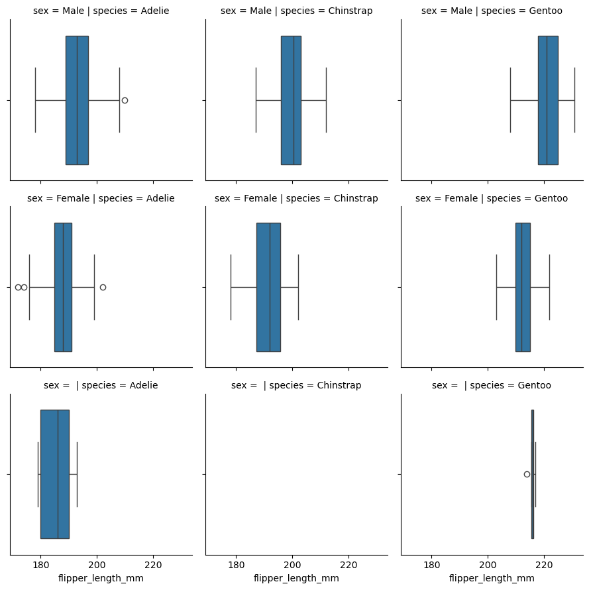
35.3 | 18.9 | 187 | 3800 | Female
40.6 | 18.6 | 183 | 3550 | Male
40.5 | 17.9 | 187 | 3200 | Female
37.9 | 18.6 | 172 | 3150 | Female
40.5 | 18.9 | 180 | 3950 | Male
39.5 | 16.7 | 178 | 3250 | Female
37.2 | 18.1 | 178 | 3900 | Male
39.5 | 17.8 | 188 | 3300 | Female
40.9 | 18.9 | 184 | 3900 | Male
36.4 | 17 | 195 | 3325 | Female
39.2 | 21.1 | 196 | 4150 | Male
38.8 | 20 | 190 | 3950 | Male
42.2 | 18.5 | 180 | 3550 | Female
37.6 | 19.3 | 181 | 3300 | Female
39.8 | 19.1 | 184 | 4650 | Male
36.5 | 18 | 182 | 3150 | Female
40.8 | 18.4 | 195 | 3900 | Male
36 | 18.5 | 186 | 3100 | Female
44.1 | 19.7 | 196 | 4400 | Male
37 | 16.9 | 185 | 3000 | Female
39.6 | 18.8 | 190 | 4600 | Male
41.1 | 19 | 182 | 3425 | Male
37.5 | 18.9 | 179 | 2975
36 | 17.9 | 190 | 3450 | Female
42.3 | 21.2 | 191 | 4150 | Male
39.6 | 17.7 | 186 | 3500 | Female
40.1 | 18.9 | 188 | 4300 | Male
35 | 17.9 | 190 | 3450 | Female
42 | 19.5 | 200 | 4050 | Male
34.5 | 18.1 | 187 | 2900 | Female
41.4 | 18.6 | 191 | 3700 | Male
39 | 17.5 | 186 | 3550 | Female
40.6 | 18.8 | 193 | 3800 | Male
36.5 | 16.6 | 181 | 2850 | Female
37.6 | 19.1 | 194 | 3750 | Male
35.7 | 16.9 | 185 | 3150 | Female
41.3 | 21.1 | 195 | 4400 | Male
37.6 | 17 | 185 | 3600 | Female
41.1 | 18.2 | 192 | 4050 | Male
36.4 | 17.1 | 184 | 2850 | Female
41.6 | 18 | 192 | 3950 | Male
35.5 | 16.2 | 195 | 3350 | Female
...

14-jointplot
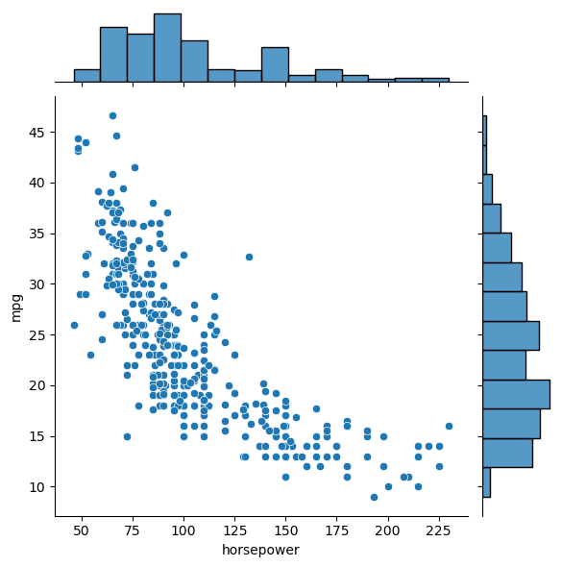
horsepower | weight | acceleration | model_year | origin
130 | 3504 | 12 | 70 | usa
165 | 3693 | 11.5 | 70 | usa
150 | 3436 | 11 | 70 | usa
150 | 3433 | 12 | 70 | usa
140 | 3449 | 10.5 | 70 | usa
198 | 4341 | 10 | 70 | usa
220 | 4354 | 9 | 70 | usa
215 | 4312 | 8.5 | 70 | usa
225 | 4425 | 10 | 70 | usa
190 | 3850 | 8.5 | 70 | usa
170 | 3563 | 10 | 70 | usa
160 | 3609 | 8 | 70 | usa
150 | 3761 | 9.5 | 70 | usa
225 | 3086 | 10 | 70 | usa
95 | 2372 | 15 | 70 | japan
95 | 2833 | 15.5 | 70 | usa
97 | 2774 | 15.5 | 70 | usa
85 | 2587 | 16 | 70 | usa
88 | 2130 | 14.5 | 70 | japan
46 | 1835 | 20.5 | 70 | europe
87 | 2672 | 17.5 | 70 | europe
90 | 2430 | 14.5 | 70 | europe
95 | 2375 | 17.5 | 70 | europe
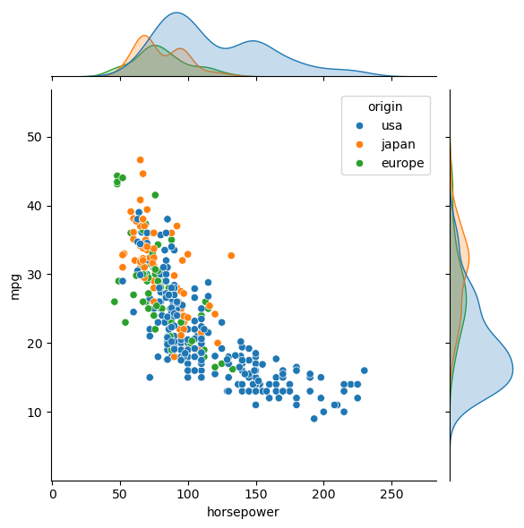
113 | 2234 | 12.5 | 70 | europe
90 | 2648 | 15 | 70 | usa
215 | 4615 | 14 | 70 | usa
200 | 4376 | 15 | 70 | usa
210 | 4382 | 13.5 | 70 | usa
193 | 4732 | 18.5 | 70 | usa
88 | 2130 | 14.5 | 71 | japan
90 | 2264 | 15.5 | 71 | usa
95 | 2228 | 14 | 71 | japan
 | 2046 | 19 | 71 | usa
100 | 2634 | 13 | 71 | usa
105 | 3439 | 15.5 | 71 | usa
100 | 3329 | 15.5 | 71 | usa
88 | 3302 | 15.5 | 71 | usa
100 | 3288 | 15.5 | 71 | usa
165 | 4209 | 12 | 71 | usa
175 | 4464 | 11.5 | 71 | usa
153 | 4154 | 13.5 | 71 | usa
150 | 4096 | 13 | 71 | usa
180 | 4955 | 11.5 | 71 | usa
170 | 4746 | 12 | 71 | usa
175 | 5140 | 12 | 71 | usa
110 | 2962 | 13.5 | 71 | usa
72 | 2408 | 19 | 71 | usa
100 | 3282 | 15 | 71 | usa
88 | 3139 | 14.5 | 71 | usa
86 | 2220 | 14 | 71 | usa
90 | 2123 | 14 | 71 | europe
70 | 2074 | 19.5 | 71 | europe
76 | 2065 | 14.5 | 71 | europe
65 | 1773 | 19 | 71 | japan
...

15-bubbleplot
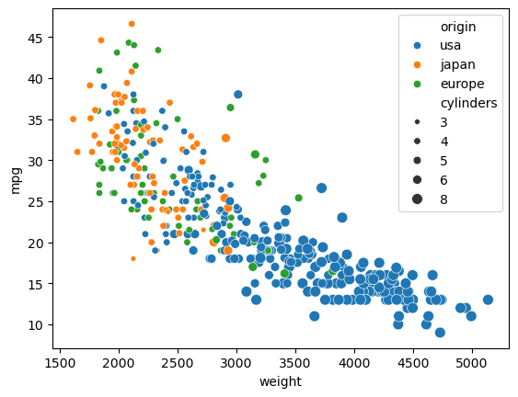
horsepower | weight | acceleration | model_year | origin
130 | 3504 | 12 | 70 | usa
165 | 3693 | 11.5 | 70 | usa
150 | 3436 | 11 | 70 | usa
150 | 3433 | 12 | 70 | usa
140 | 3449 | 10.5 | 70 | usa
198 | 4341 | 10 | 70 | usa
220 | 4354 | 9 | 70 | usa
215 | 4312 | 8.5 | 70 | usa
225 | 4425 | 10 | 70 | usa
190 | 3850 | 8.5 | 70 | usa
170 | 3563 | 10 | 70 | usa
160 | 3609 | 8 | 70 | usa
150 | 3761 | 9.5 | 70 | usa
225 | 3086 | 10 | 70 | usa
95 | 2372 | 15 | 70 | japan
95 | 2833 | 15.5 | 70 | usa
97 | 2774 | 15.5 | 70 | usa
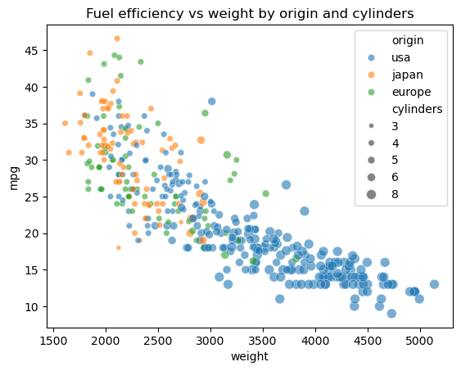
85 | 2587 | 16 | 70 | usa
88 | 2130 | 14.5 | 70 | japan
46 | 1835 | 20.5 | 70 | europe
87 | 2672 | 17.5 | 70 | europe
90 | 2430 | 14.5 | 70 | europe
95 | 2375 | 17.5 | 70 | europe
113 | 2234 | 12.5 | 70 | europe
90 | 2648 | 15 | 70 | usa
215 | 4615 | 14 | 70 | usa
200 | 4376 | 15 | 70 | usa
210 | 4382 | 13.5 | 70 | usa
193 | 4732 | 18.5 | 70 | usa
88 | 2130 | 14.5 | 71 | japan
90 | 2264 | 15.5 | 71 | usa
95 | 2228 | 14 | 71 | japan
 | 2046 | 19 | 71 | usa
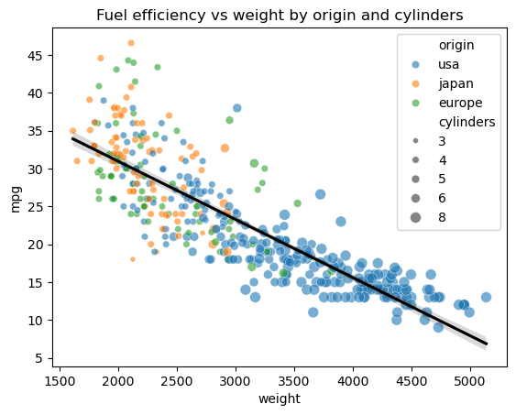
100 | 2634 | 13 | 71 | usa
105 | 3439 | 15.5 | 71 | usa
100 | 3329 | 15.5 | 71 | usa
88 | 3302 | 15.5 | 71 | usa
100 | 3288 | 15.5 | 71 | usa
165 | 4209 | 12 | 71 | usa
175 | 4464 | 11.5 | 71 | usa
153 | 4154 | 13.5 | 71 | usa
150 | 4096 | 13 | 71 | usa
180 | 4955 | 11.5 | 71 | usa
170 | 4746 | 12 | 71 | usa
175 | 5140 | 12 | 71 | usa
110 | 2962 | 13.5 | 71 | usa
72 | 2408 | 19 | 71 | usa
100 | 3282 | 15 | 71 | usa
88 | 3139 | 14.5 | 71 | usa
86 | 2220 | 14 | 71 | usa
90 | 2123 | 14 | 71 | europe
70 | 2074 | 19.5 | 71 | europe
76 | 2065 | 14.5 | 71 | europe
65 | 1773 | 19 | 71 | japan
69 | 1613 | 18 | 71 | japan
60 | 1834 | 19 | 71 | europe
70 | 1955 | 20.5 | 71 | usa
95 | 2278 | 15.5 | 72 | japan
80 | 2126 | 17 | 72 | usa
54 | 2254 | 23.5 | 72 | europe
...

