data
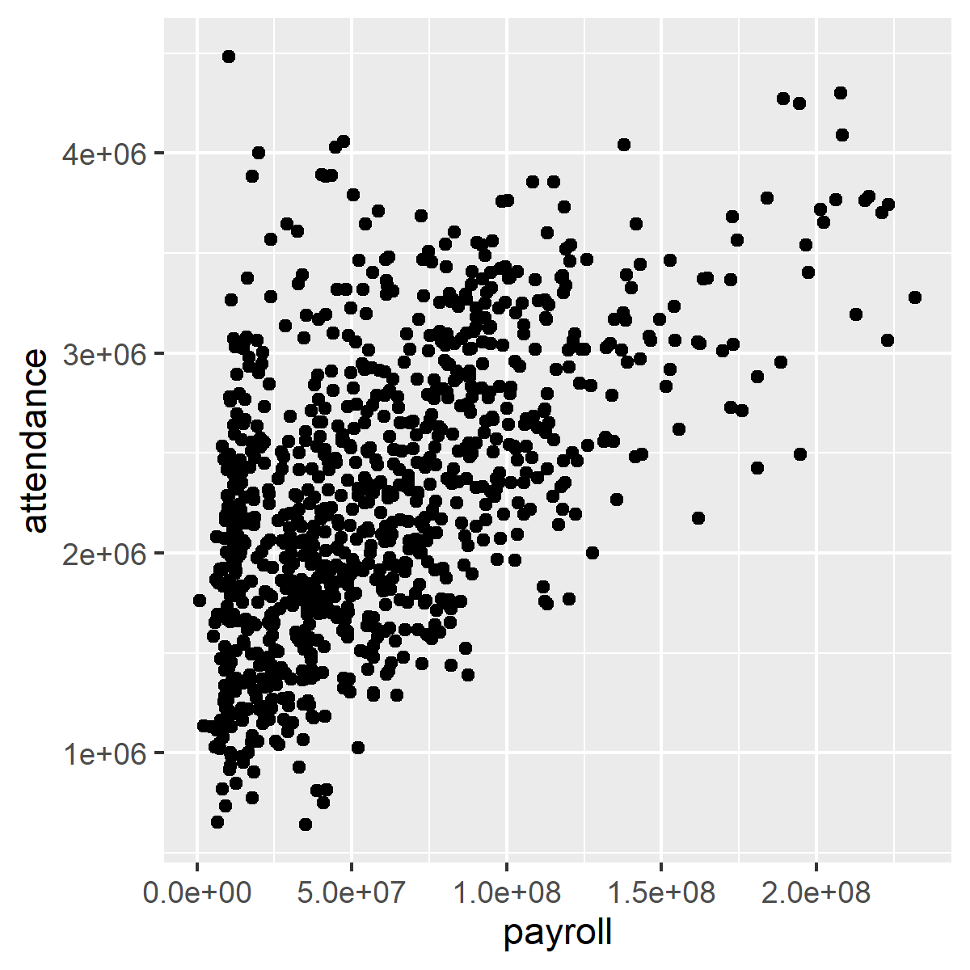
manufacturer | model | displ | year | cyl | trans | drv | cty | hwy | fl | class
audi | a4 | 1.8 | 1999 | 4 | auto(l5) | f | 18 | 29 | p | compact
audi | a4 | 1.8 | 1999 | 4 | manual(m5) | f | 21 | 29 | p | compact
audi | a4 | 2 | 2008 | 4 | manual(m6) | f | 20 | 31 | p | compact
audi | a4 | 2 | 2008 | 4 | auto(av) | f | 21 | 30 | p | compact
audi | a4 | 2.8 | 1999 | 6 | auto(l5) | f | 16 | 26 | p | compact
audi | a4 | 2.8 | 1999 | 6 | manual(m5) | f | 18 | 26 | p | compact
audi | a4 | 3.1 | 2008 | 6 | auto(av) | f | 18 | 27 | p | compact
audi | a4 quattro | 1.8 | 1999 | 4 | manual(m5) | 4 | 18 | 26 | p | compact
audi | a4 quattro | 1.8 | 1999 | 4 | auto(l5) | 4 | 16 | 25 | p | compact
audi | a4 quattro | 2 | 2008 | 4 | manual(m6) | 4 | 20 | 28 | p | compact
audi | a4 quattro | 2 | 2008 | 4 | auto(s6) | 4 | 19 | 27 | p | compact
audi | a4 quattro | 2.8 | 1999 | 6 | auto(l5) | 4 | 15 | 25 | p | compact
audi | a4 quattro | 2.8 | 1999 | 6 | manual(m5) | 4 | 17 | 25 | p | compact
audi | a4 quattro | 3.1 | 2008 | 6 | auto(s6) | 4 | 17 | 25 | p | compact
audi | a4 quattro | 3.1 | 2008 | 6 | manual(m6) | 4 | 15 | 25 | p | compact
audi | a6 quattro | 2.8 | 1999 | 6 | auto(l5) | 4 | 15 | 24 | p | midsize
audi | a6 quattro | 3.1 | 2008 | 6 | auto(s6) | 4 | 17 | 25 | p | midsize
audi | a6 quattro | 4.2 | 2008 | 8 | auto(s6) | 4 | 16 | 23 | p | midsize
chevrolet | c1500 suburban 2wd | 5.3 | 2008 | 8 | auto(l4) | r | 14 | 20 | r | suv
chevrolet | c1500 suburban 2wd | 5.3 | 2008 | 8 | auto(l4) | r | 11 | 15 | e | suv
chevrolet | c1500 suburban 2wd | 5.3 | 2008 | 8 | auto(l4) | r | 14 | 20 | r | suv
chevrolet | c1500 suburban 2wd | 5.7 | 1999 | 8 | auto(l4) | r | 13 | 17 | r | suv
chevrolet | c1500 suburban 2wd | 6 | 2008 | 8 | auto(l4) | r | 12 | 17 | r | suv
chevrolet | corvette | 5.7 | 1999 | 8 | manual(m6) | r | 16 | 26 | p | 2seater
chevrolet | corvette | 5.7 | 1999 | 8 | auto(l4) | r | 15 | 23 | p | 2seater
chevrolet | corvette | 6.2 | 2008 | 8 | manual(m6) | r | 16 | 26 | p | 2seater
chevrolet | corvette | 6.2 | 2008 | 8 | auto(s6) | r | 15 | 25 | p | 2seater
chevrolet | corvette | 7 | 2008 | 8 | manual(m6) | r | 15 | 24 | p | 2seater
chevrolet | k1500 tahoe 4wd | 5.3 | 2008 | 8 | auto(l4) | 4 | 14 | 19 | r | suv
chevrolet | k1500 tahoe 4wd | 5.3 | 2008 | 8 | auto(l4) | 4 | 11 | 14 | e | suv
chevrolet | k1500 tahoe 4wd | 5.7 | 1999 | 8 | auto(l4) | 4 | 11 | 15 | r | suv
chevrolet | k1500 tahoe 4wd | 6.5 | 1999 | 8 | auto(l4) | 4 | 14 | 17 | d | suv
chevrolet | malibu | 2.4 | 1999 | 4 | auto(l4) | f | 19 | 27 | r | midsize
chevrolet | malibu | 2.4 | 2008 | 4 | auto(l4) | f | 22 | 30 | r | midsize
chevrolet | malibu | 3.1 | 1999 | 6 | auto(l4) | f | 18 | 26 | r | midsize
chevrolet | malibu | 3.5 | 2008 | 6 | auto(l4) | f | 18 | 29 | r | midsize
chevrolet | malibu | 3.6 | 2008 | 6 | auto(s6) | f | 17 | 26 | r | midsize
dodge | caravan 2wd | 2.4 | 1999 | 4 | auto(l3) | f | 18 | 24 | r | minivan
dodge | caravan 2wd | 3 | 1999 | 6 | auto(l4) | f | 17 | 24 | r | minivan
dodge | caravan 2wd | 3.3 | 1999 | 6 | auto(l4) | f | 16 | 22 | r | minivan
dodge | caravan 2wd | 3.3 | 1999 | 6 | auto(l4) | f | 16 | 22 | r | minivan
dodge | caravan 2wd | 3.3 | 2008 | 6 | auto(l4) | f | 17 | 24 | r | minivan
dodge | caravan 2wd | 3.3 | 2008 | 6 | auto(l4) | f | 17 | 24 | r | minivan
dodge | caravan 2wd | 3.3 | 2008 | 6 | auto(l4) | f | 11 | 17 | e | minivan
dodge | caravan 2wd | 3.8 | 1999 | 6 | auto(l4) | f | 15 | 22 | r | minivan
dodge | caravan 2wd | 3.8 | 1999 | 6 | auto(l4) | f | 15 | 21 | r | minivan
dodge | caravan 2wd | 3.8 | 2008 | 6 | auto(l6) | f | 16 | 23 | r | minivan
dodge | caravan 2wd | 4 | 2008 | 6 | auto(l6) | f | 16 | 23 | r | minivan
dodge | dakota pickup 4wd | 3.7 | 2008 | 6 | manual(m6) | 4 | 15 | 19 | r | pickup
dodge | dakota pickup 4wd | 3.7 | 2008 | 6 | auto(l4) | 4 | 14 | 18 | r | pickup
dodge | dakota pickup 4wd | 3.9 | 1999 | 6 | auto(l4) | 4 | 13 | 17 | r | pickup
dodge | dakota pickup 4wd | 3.9 | 1999 | 6 | manual(m5) | 4 | 14 | 17 | r | pickup
dodge | dakota pickup 4wd | 4.7 | 2008 | 8 | auto(l5) | 4 | 14 | 19 | r | pickup
dodge | dakota pickup 4wd | 4.7 | 2008 | 8 | auto(l5) | 4 | 14 | 19 | r | pickup
dodge | dakota pickup 4wd | 4.7 | 2008 | 8 | auto(l5) | 4 | 9 | 12 | e | pickup
dodge | dakota pickup 4wd | 5.2 | 1999 | 8 | manual(m5) | 4 | 11 | 17 | r | pickup
dodge | dakota pickup 4wd | 5.2 | 1999 | 8 | auto(l4) | 4 | 11 | 15 | r | pickup
dodge | durango 4wd | 3.9 | 1999 | 6 | auto(l4) | 4 | 13 | 17 | r | suv
dodge | durango 4wd | 4.7 | 2008 | 8 | auto(l5) | 4 | 13 | 17 | r | suv
dodge | durango 4wd | 4.7 | 2008 | 8 | auto(l5) | 4 | 9 | 12 | e | suv
dodge | durango 4wd | 4.7 | 2008 | 8 | auto(l5) | 4 | 13 | 17 | r | suv
dodge | durango 4wd | 5.2 | 1999 | 8 | auto(l4) | 4 | 11 | 16 | r | suv
dodge | durango 4wd | 5.7 | 2008 | 8 | auto(l5) | 4 | 13 | 18 | r | suv
dodge | durango 4wd | 5.9 | 1999 | 8 | auto(l4) | 4 | 11 | 15 | r | suv
dodge | ram 1500 pickup 4wd | 4.7 | 2008 | 8 | manual(m6) | 4 | 12 | 16 | r | pickup
dodge | ram 1500 pickup 4wd | 4.7 | 2008 | 8 | auto(l5) | 4 | 9 | 12 | e | pickup
dodge | ram 1500 pickup 4wd | 4.7 | 2008 | 8 | auto(l5) | 4 | 13 | 17 | r | pickup
dodge | ram 1500 pickup 4wd | 4.7 | 2008 | 8 | auto(l5) | 4 | 13 | 17 | r | pickup
dodge | ram 1500 pickup 4wd | 4.7 | 2008 | 8 | manual(m6) | 4 | 12 | 16 | r | pickup
dodge | ram 1500 pickup 4wd | 4.7 | 2008 | 8 | manual(m6) | 4 | 9 | 12 | e | pickup
dodge | ram 1500 pickup 4wd | 5.2 | 1999 | 8 | auto(l4) | 4 | 11 | 15 | r | pickup
dodge | ram 1500 pickup 4wd | 5.2 | 1999 | 8 | manual(m5) | 4 | 11 | 16 | r | pickup
dodge | ram 1500 pickup 4wd | 5.7 | 2008 | 8 | auto(l5) | 4 | 13 | 17 | r | pickup
dodge | ram 1500 pickup 4wd | 5.9 | 1999 | 8 | auto(l4) | 4 | 11 | 15 | r | pickup
ford | expedition 2wd | 4.6 | 1999 | 8 | auto(l4) | r | 11 | 17 | r | suv
ford | expedition 2wd | 5.4 | 1999 | 8 | auto(l4) | r | 11 | 17 | r | suv
ford | expedition 2wd | 5.4 | 2008 | 8 | auto(l6) | r | 12 | 18 | r | suv
ford | explorer 4wd | 4 | 1999 | 6 | auto(l5) | 4 | 14 | 17 | r | suv
ford | explorer 4wd | 4 | 1999 | 6 | manual(m5) | 4 | 15 | 19 | r | suv
ford | explorer 4wd | 4 | 1999 | 6 | auto(l5) | 4 | 14 | 17 | r | suv
ford | explorer 4wd | 4 | 2008 | 6 | auto(l5) | 4 | 13 | 19 | r | suv
ford | explorer 4wd | 4.6 | 2008 | 8 | auto(l6) | 4 | 13 | 19 | r | suv
ford | explorer 4wd | 5 | 1999 | 8 | auto(l4) | 4 | 13 | 17 | r | suv
ford | f150 pickup 4wd | 4.2 | 1999 | 6 | auto(l4) | 4 | 14 | 17 | r | pickup
ford | f150 pickup 4wd | 4.2 | 1999 | 6 | manual(m5) | 4 | 14 | 17 | r | pickup
ford | f150 pickup 4wd | 4.6 | 1999 | 8 | manual(m5) | 4 | 13 | 16 | r | pickup
ford | f150 pickup 4wd | 4.6 | 1999 | 8 | auto(l4) | 4 | 13 | 16 | r | pickup
ford | f150 pickup 4wd | 4.6 | 2008 | 8 | auto(l4) | 4 | 13 | 17 | r | pickup
ford | f150 pickup 4wd | 5.4 | 1999 | 8 | auto(l4) | 4 | 11 | 15 | r | pickup
ford | f150 pickup 4wd | 5.4 | 2008 | 8 | auto(l4) | 4 | 13 | 17 | r | pickup
ford | mustang | 3.8 | 1999 | 6 | manual(m5) | r | 18 | 26 | r | subcompact
ford | mustang | 3.8 | 1999 | 6 | auto(l4) | r | 18 | 25 | r | subcompact
ford | mustang | 4 | 2008 | 6 | manual(m5) | r | 17 | 26 | r | subcompact
ford | mustang | 4 | 2008 | 6 | auto(l5) | r | 16 | 24 | r | subcompact
ford | mustang | 4.6 | 1999 | 8 | auto(l4) | r | 15 | 21 | r | subcompact
ford | mustang | 4.6 | 1999 | 8 | manual(m5) | r | 15 | 22 | r | subcompact
ford | mustang | 4.6 | 2008 | 8 | manual(m5) | r | 15 | 23 | r | subcompact
ford | mustang | 4.6 | 2008 | 8 | auto(l5) | r | 15 | 22 | r | subcompact
ford | mustang | 5.4 | 2008 | 8 | manual(m6) | r | 14 | 20 | p | subcompact
honda | civic | 1.6 | 1999 | 4 | manual(m5) | f | 28 | 33 | r | subcompact
honda | civic | 1.6 | 1999 | 4 | auto(l4) | f | 24 | 32 | r | subcompact
honda | civic | 1.6 | 1999 | 4 | manual(m5) | f | 25 | 32 | r | subcompact
honda | civic | 1.6 | 1999 | 4 | manual(m5) | f | 23 | 29 | p | subcompact
honda | civic | 1.6 | 1999 | 4 | auto(l4) | f | 24 | 32 | r | subcompact
honda | civic | 1.8 | 2008 | 4 | manual(m5) | f | 26 | 34 | r | subcompact
honda | civic | 1.8 | 2008 | 4 | auto(l5) | f | 25 | 36 | r | subcompact
honda | civic | 1.8 | 2008 | 4 | auto(l5) | f | 24 | 36 | c | subcompact
honda | civic | 2 | 2008 | 4 | manual(m6) | f | 21 | 29 | p | subcompact
hyundai | sonata | 2.4 | 1999 | 4 | auto(l4) | f | 18 | 26 | r | midsize
hyundai | sonata | 2.4 | 1999 | 4 | manual(m5) | f | 18 | 27 | r | midsize
hyundai | sonata | 2.4 | 2008 | 4 | auto(l4) | f | 21 | 30 | r | midsize
hyundai | sonata | 2.4 | 2008 | 4 | manual(m5) | f | 21 | 31 | r | midsize
hyundai | sonata | 2.5 | 1999 | 6 | auto(l4) | f | 18 | 26 | r | midsize
hyundai | sonata | 2.5 | 1999 | 6 | manual(m5) | f | 18 | 26 | r | midsize
hyundai | sonata | 3.3 | 2008 | 6 | auto(l5) | f | 19 | 28 | r | midsize
hyundai | tiburon | 2 | 1999 | 4 | auto(l4) | f | 19 | 26 | r | subcompact
hyundai | tiburon | 2 | 1999 | 4 | manual(m5) | f | 19 | 29 | r | subcompact
hyundai | tiburon | 2 | 2008 | 4 | manual(m5) | f | 20 | 28 | r | subcompact
hyundai | tiburon | 2 | 2008 | 4 | auto(l4) | f | 20 | 27 | r | subcompact
hyundai | tiburon | 2.7 | 2008 | 6 | auto(l4) | f | 17 | 24 | r | subcompact
hyundai | tiburon | 2.7 | 2008 | 6 | manual(m6) | f | 16 | 24 | r | subcompact
hyundai | tiburon | 2.7 | 2008 | 6 | manual(m5) | f | 17 | 24 | r | subcompact
jeep | grand cherokee 4wd | 3 | 2008 | 6 | auto(l5) | 4 | 17 | 22 | d | suv
jeep | grand cherokee 4wd | 3.7 | 2008 | 6 | auto(l5) | 4 | 15 | 19 | r | suv
jeep | grand cherokee 4wd | 4 | 1999 | 6 | auto(l4) | 4 | 15 | 20 | r | suv
jeep | grand cherokee 4wd | 4.7 | 1999 | 8 | auto(l4) | 4 | 14 | 17 | r | suv
jeep | grand cherokee 4wd | 4.7 | 2008 | 8 | auto(l5) | 4 | 9 | 12 | e | suv
jeep | grand cherokee 4wd | 4.7 | 2008 | 8 | auto(l5) | 4 | 14 | 19 | r | suv
jeep | grand cherokee 4wd | 5.7 | 2008 | 8 | auto(l5) | 4 | 13 | 18 | r | suv
jeep | grand cherokee 4wd | 6.1 | 2008 | 8 | auto(l5) | 4 | 11 | 14 | p | suv
land rover | range rover | 4 | 1999 | 8 | auto(l4) | 4 | 11 | 15 | p | suv
land rover | range rover | 4.2 | 2008 | 8 | auto(s6) | 4 | 12 | 18 | r | suv
land rover | range rover | 4.4 | 2008 | 8 | auto(s6) | 4 | 12 | 18 | r | suv
land rover | range rover | 4.6 | 1999 | 8 | auto(l4) | 4 | 11 | 15 | p | suv
lincoln | navigator 2wd | 5.4 | 1999 | 8 | auto(l4) | r | 11 | 17 | r | suv
lincoln | navigator 2wd | 5.4 | 1999 | 8 | auto(l4) | r | 11 | 16 | p | suv
lincoln | navigator 2wd | 5.4 | 2008 | 8 | auto(l6) | r | 12 | 18 | r | suv
mercury | mountaineer 4wd | 4 | 1999 | 6 | auto(l5) | 4 | 14 | 17 | r | suv
mercury | mountaineer 4wd | 4 | 2008 | 6 | auto(l5) | 4 | 13 | 19 | r | suv
mercury | mountaineer 4wd | 4.6 | 2008 | 8 | auto(l6) | 4 | 13 | 19 | r | suv
mercury | mountaineer 4wd | 5 | 1999 | 8 | auto(l4) | 4 | 13 | 17 | r | suv
nissan | altima | 2.4 | 1999 | 4 | manual(m5) | f | 21 | 29 | r | compact
nissan | altima | 2.4 | 1999 | 4 | auto(l4) | f | 19 | 27 | r | compact
nissan | altima | 2.5 | 2008 | 4 | auto(av) | f | 23 | 31 | r | midsize
nissan | altima | 2.5 | 2008 | 4 | manual(m6) | f | 23 | 32 | r | midsize
nissan | altima | 3.5 | 2008 | 6 | manual(m6) | f | 19 | 27 | p | midsize
nissan | altima | 3.5 | 2008 | 6 | auto(av) | f | 19 | 26 | p | midsize
nissan | maxima | 3 | 1999 | 6 | auto(l4) | f | 18 | 26 | r | midsize
nissan | maxima | 3 | 1999 | 6 | manual(m5) | f | 19 | 25 | r | midsize
nissan | maxima | 3.5 | 2008 | 6 | auto(av) | f | 19 | 25 | p | midsize
nissan | pathfinder 4wd | 3.3 | 1999 | 6 | auto(l4) | 4 | 14 | 17 | r | suv
nissan | pathfinder 4wd | 3.3 | 1999 | 6 | manual(m5) | 4 | 15 | 17 | r | suv
nissan | pathfinder 4wd | 4 | 2008 | 6 | auto(l5) | 4 | 14 | 20 | p | suv
nissan | pathfinder 4wd | 5.6 | 2008 | 8 | auto(s5) | 4 | 12 | 18 | p | suv
pontiac | grand prix | 3.1 | 1999 | 6 | auto(l4) | f | 18 | 26 | r | midsize
pontiac | grand prix | 3.8 | 1999 | 6 | auto(l4) | f | 16 | 26 | p | midsize
pontiac | grand prix | 3.8 | 1999 | 6 | auto(l4) | f | 17 | 27 | r | midsize
pontiac | grand prix | 3.8 | 2008 | 6 | auto(l4) | f | 18 | 28 | r | midsize
pontiac | grand prix | 5.3 | 2008 | 8 | auto(s4) | f | 16 | 25 | p | midsize
subaru | forester awd | 2.5 | 1999 | 4 | manual(m5) | 4 | 18 | 25 | r | suv
subaru | forester awd | 2.5 | 1999 | 4 | auto(l4) | 4 | 18 | 24 | r | suv
subaru | forester awd | 2.5 | 2008 | 4 | manual(m5) | 4 | 20 | 27 | r | suv
subaru | forester awd | 2.5 | 2008 | 4 | manual(m5) | 4 | 19 | 25 | p | suv
subaru | forester awd | 2.5 | 2008 | 4 | auto(l4) | 4 | 20 | 26 | r | suv
subaru | forester awd | 2.5 | 2008 | 4 | auto(l4) | 4 | 18 | 23 | p | suv
subaru | impreza awd | 2.2 | 1999 | 4 | auto(l4) | 4 | 21 | 26 | r | subcompact
subaru | impreza awd | 2.2 | 1999 | 4 | manual(m5) | 4 | 19 | 26 | r | subcompact
subaru | impreza awd | 2.5 | 1999 | 4 | manual(m5) | 4 | 19 | 26 | r | subcompact
subaru | impreza awd | 2.5 | 1999 | 4 | auto(l4) | 4 | 19 | 26 | r | subcompact
subaru | impreza awd | 2.5 | 2008 | 4 | auto(s4) | 4 | 20 | 25 | p | compact
subaru | impreza awd | 2.5 | 2008 | 4 | auto(s4) | 4 | 20 | 27 | r | compact
subaru | impreza awd | 2.5 | 2008 | 4 | manual(m5) | 4 | 19 | 25 | p | compact
subaru | impreza awd | 2.5 | 2008 | 4 | manual(m5) | 4 | 20 | 27 | r | compact
toyota | 4runner 4wd | 2.7 | 1999 | 4 | manual(m5) | 4 | 15 | 20 | r | suv
toyota | 4runner 4wd | 2.7 | 1999 | 4 | auto(l4) | 4 | 16 | 20 | r | suv
toyota | 4runner 4wd | 3.4 | 1999 | 6 | auto(l4) | 4 | 15 | 19 | r | suv
toyota | 4runner 4wd | 3.4 | 1999 | 6 | manual(m5) | 4 | 15 | 17 | r | suv
toyota | 4runner 4wd | 4 | 2008 | 6 | auto(l5) | 4 | 16 | 20 | r | suv
toyota | 4runner 4wd | 4.7 | 2008 | 8 | auto(l5) | 4 | 14 | 17 | r | suv
toyota | camry | 2.2 | 1999 | 4 | manual(m5) | f | 21 | 29 | r | midsize
toyota | camry | 2.2 | 1999 | 4 | auto(l4) | f | 21 | 27 | r | midsize
toyota | camry | 2.4 | 2008 | 4 | manual(m5) | f | 21 | 31 | r | midsize
toyota | camry | 2.4 | 2008 | 4 | auto(l5) | f | 21 | 31 | r | midsize
toyota | camry | 3 | 1999 | 6 | auto(l4) | f | 18 | 26 | r | midsize
toyota | camry | 3 | 1999 | 6 | manual(m5) | f | 18 | 26 | r | midsize
toyota | camry | 3.5 | 2008 | 6 | auto(s6) | f | 19 | 28 | r | midsize
toyota | camry solara | 2.2 | 1999 | 4 | auto(l4) | f | 21 | 27 | r | compact
toyota | camry solara | 2.2 | 1999 | 4 | manual(m5) | f | 21 | 29 | r | compact
toyota | camry solara | 2.4 | 2008 | 4 | manual(m5) | f | 21 | 31 | r | compact
toyota | camry solara | 2.4 | 2008 | 4 | auto(s5) | f | 22 | 31 | r | compact
toyota | camry solara | 3 | 1999 | 6 | auto(l4) | f | 18 | 26 | r | compact
toyota | camry solara | 3 | 1999 | 6 | manual(m5) | f | 18 | 26 | r | compact
toyota | camry solara | 3.3 | 2008 | 6 | auto(s5) | f | 18 | 27 | r | compact
toyota | corolla | 1.8 | 1999 | 4 | auto(l3) | f | 24 | 30 | r | compact
toyota | corolla | 1.8 | 1999 | 4 | auto(l4) | f | 24 | 33 | r | compact
toyota | corolla | 1.8 | 1999 | 4 | manual(m5) | f | 26 | 35 | r | compact
...

