Sheet1
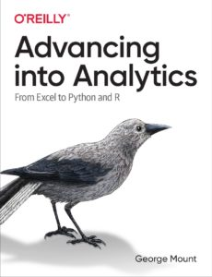
Made you look.
Buy my book.
It's off the hook.
What shameless plug I took.

