Sheet1
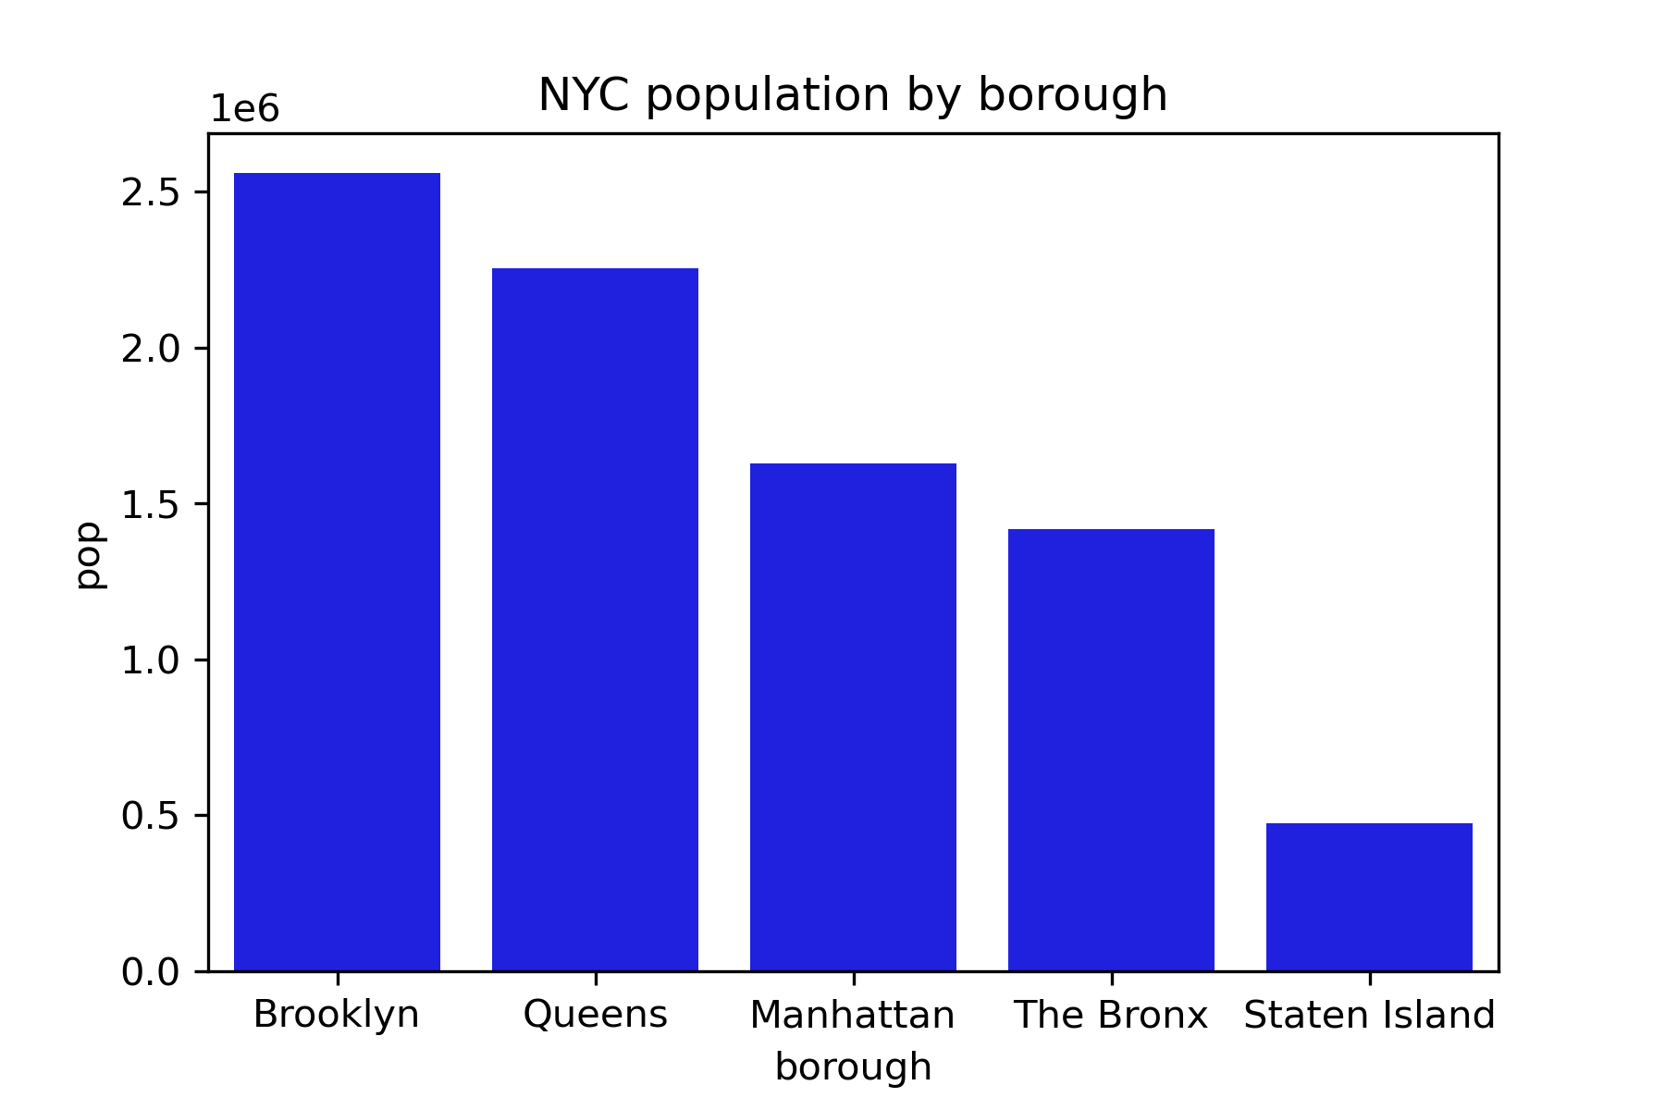
NYC population by borough
borough | pop | size
Brooklyn | 2,559,903 | 70.82
Queens | 2,253,858 | 108.53
Manhattan | 1,628,706 | 22.83
The Bronx | 1,418,207 | 42.1
Staten Island | 476,143 | 58.37

