Sheet1
NOTES -> | S=straight | you MUST build all ammo crates!!! |  | NOTES -----> and MAP NOTES -----> and MAP NOTES -----> and MAP NOTES -----> and MAP | NOTES -----> | NOTES -----> | Notes: |  | Notes: |  | A4ZS-338S-LSEA-D5PU |  | 49NH-5WHB-46TU-T7RX
© Copyright Kopatroopa123 2020 | R=right | ammo boxes | danger items | EE items |  |  | 1 | First collect gnome and enter code to artillery shells in case you land out there when building tower
 | L=Left |  |  | artillery code: 1441 1267 4792 2356 |  |  | 2 | Stand on cliff plate and build ammo crate on the ground
Height (m) | Directions | EE Item or trap or … | ALT DIRECTION | Item found on the ALT Direction Route | On Screen Text | DEAD ENDS | 3 | Build tower, then two build gnome/sibling tower. one collects headphones and translates morse, both rejoin main tower using planes
 |  |  |  |  |  |  |  | a "?" in Column D "ALT DIRECTION" means that has not been documented, could be dead end, could be more items |  |  |  | Encrypted | Not encrypted
5 | S | lion gates |  |  | MARJOR ARCANA XVI |  |  | if a route is a known DEAD END with nothing, than it is not listed in ALT DIRECTION |  |  |  | 37 54 57 4a 2d 34 57 59 56 2d 38 4c 51 32 2d 32 5a 53 4b | 365S-9RBP-MNE8-WSDG
10 | S |  |  |  |  |  | 4 | To activate the second ending with the Megalodon god appearing, DO NOT Shoot the Shark V1's
15 | EITHER, R | Shrine with Dino Head | L |  |  |  |  | Credits to the French team for completing this first and sharing their data freely!!! Thanks Matavatar & Montwix as the recorded their efforts and found the correct way. |  |  |  | 106 103 125 120 55 104 124 115 105 55 104 130 125 63 55 67 101 123 106
20 | L |  | R
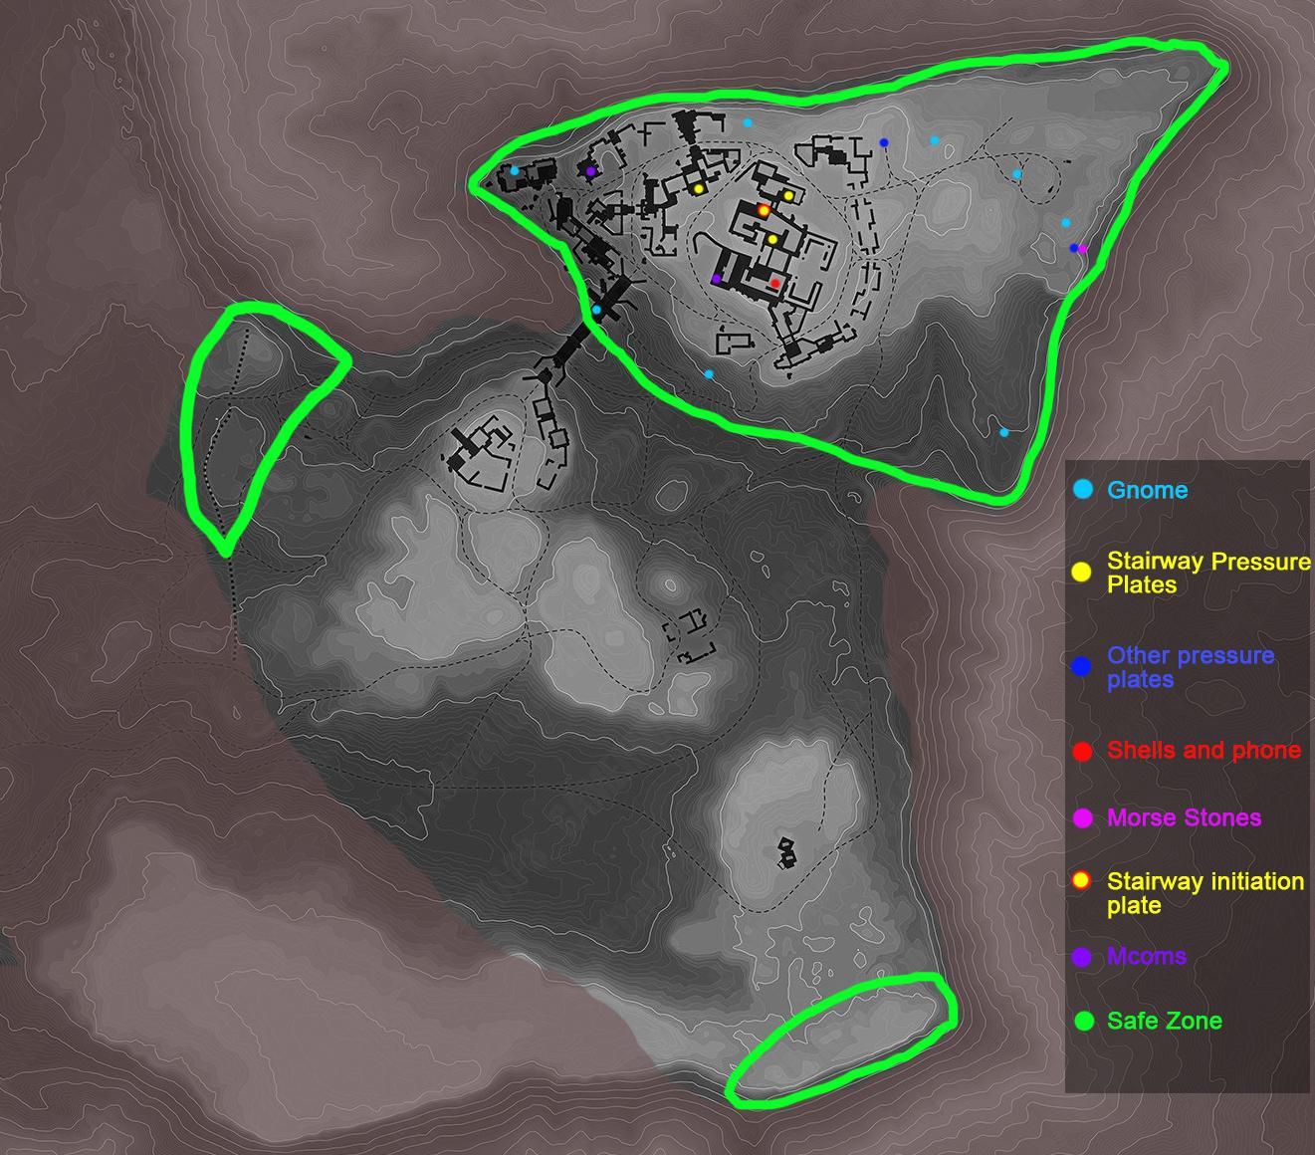
25 | L |  | R |  |  |  |  |  |  |  |  | 54 85 53 65 45 50 78 65 85 45 75 81 80 57 45 67 53 84 71
30 | R |  | L
35 | S |  | S, matches directions from here
40 | R
45 | R
51 | L
56 | L
61 | L |  | S
66 | S |  | S | Teddy
71 | L
76 | S
81 | L
86 | L
92 | R
97 | R |  | S
102 | S |  | R | Ammo Box 2
107 | R
112 | R
117 | L
122 | L
127 | R | barbbed wire next | L | Pergy's Spot text on back of sign says: ? |  | L
133 | L | barbbed wire here |  |  | FORECAST OF MISFORTUNE |  | SHOOT THE WOOD |  |  |  |  |  | 4DER-89AK-86LQ-KS4S
138 | S
143 | R
148 | R
153 | L
158 | L
163 | L |  |  |  |  | S
168 | S
173 | L
179 | S
184 | L
189 | L
194 | R |  |  |  |  | S,R
199 | R
204 | S
209 | R
214 | R
220 | L |  |  |  |  |  |  |  |  | The ammo boxes trigger the rocks beneath the dinos, and are named to correlate to the spawn order of the mini dino's.
225 | L |  |  |  |  |  |  |  |  | see photo below for Dino Spawn Order
230 | R |  |  |  |  | L
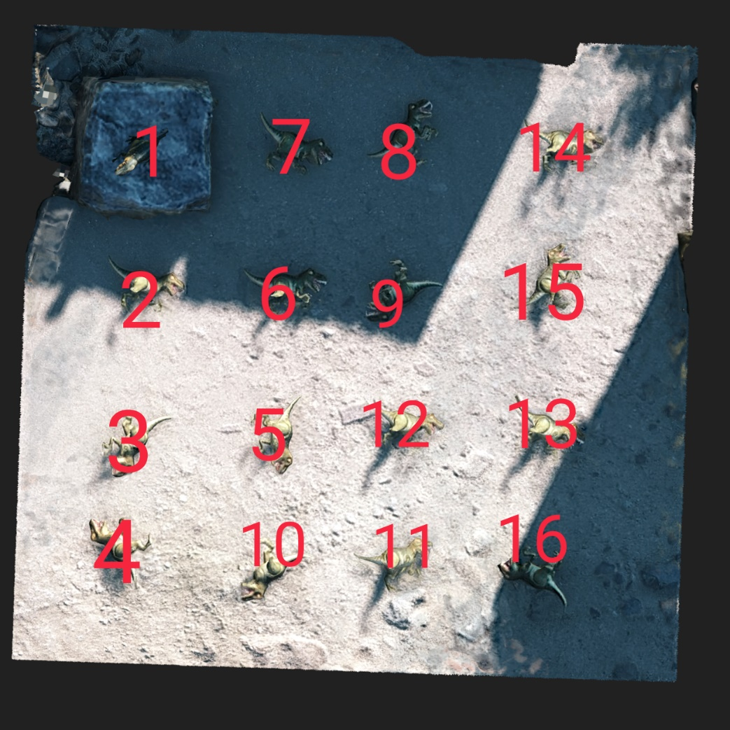
235 | R |  |  |  |  | L
240 | R | MAX RUNE INSCRIPTION
245 | R
250 | R
255 | L
261 | S
266 | L
271 | S |  |  |  |  | R
276 | L
281 | R |  |  |  |  | LR
286 | L |  |  |  |  | SL
291 | L
296 | R
301 | L |  |  |  |  | R
307 | L | V1s
312 | S
317 | S
322 | R
327 | R |  | L
332 | S |  |  |  | IMMUNOGLOBULIN |  |  |  |  |  |  |  | D3AN-U5PS-CB7V-7Z57
337 | S
342 | S
348 | R
353 | R
358 | L
363 | L
368 | L |  | S | Ammo Box 3
373 | S
378 | L | V1s
383 | S
389 | L
394 | L
399 | R
404 | R | barbbed wire next
409 | S | barbbed wire here
414 | R
419 | R
424 | L
429 | L
435 | R |  |  |  |  | L
440 | R
445 | R
450 | R
455 | R
460 | L
465 | S
470 | L
476 | S
481 | L
486 | R |  |  |  |  | LR
491 | L |  |  |  |  | S
496 | L
501 | R | V1s
506 | L |  | R |  |  | ?
511 | L
517 | S
522 | S
527 | R
532 | R
537 | S |  |  |  |  | L | DEAD END
542 | BACK
547 | L
552 | L
557 | L
563 | R |  | S
568 | S |  | S
573 | L |  | R
578 | R | V1s | R | AMMO BOX 4 |  | L at Crate makes floating platform to jump back to path
583 | L |  | L | Build platform left to JUMP back to path
588 | L
593 | R |  |  |  |  | S
598 | L |  |  |  |  | R
604 | R
609 | L |  |  |  |  | R
614 | L
619 | L
624 | R
629 | R | barbbed wire next | L |  |  | ?
634 | L | barbbed wire here |  |  |  | S
639 | L
645 | R
650 | L
655 | L |  | S?
660 | L
665 | R |  |  |  |  | S
670 | S
675 | L
680 | R
685 | L
691 | L
696 | R |  |  |  |  | S
701 | L |  |  |  |  | R
706 | R
711 | L |  |  |  |  | R
716 | L
721 | L | Barbed wire next and v1s
726 | R | barbbed wire here
732 | R
737 | L |  | S
742 | L |  | R | Ammo Box 5
747 | S | Lions and Rebuildable platform GNOME!!! and Bananas, will gnome be at other floating platforms???? |  | runes on lions say "IR-MA"
752 | L
757 | L
762 | L
768 | R | BARBED WIRE next | S
773 | S |  | S
778 | L |  | R
783 | R |  | R | Ammo Box 6
788 | L |  | L | Build platform left to JUMP back to path
793 | L
798 | R |  | S
803 | L
809 | R
814 | L |  | R
819 | L
824 | L
829 | R | shark rune
834 | R
839 | S | v1s | L
844 | R
849 | S
855 | S | BARBED WIRE next
860 | R
865 | R
870 | L
875 | L
880 | L |  | S | Ammo crate 7
885 | S
890 | L
896 | S
901 | L | V1s | ?
906 | L
911 | R
916 | R |  | S
921 | S |  | R | Ammo crate 8
926 | R
931 | R
937 | L
942 | L
947 | S | FIRE AFTER THIS | R Barbed wire
952 | S | FIRE HERE
957 | R | FIRE HERE
962 | R
967 | L
972 | L
977 | L |  | S | Ammo crate 9
982 | S
988 | L
993 | S | FIRE AFTER HERE
998 | L | FIRE HERE
1003 | L | FIRE AFTER HERE
1008 | R | FIRE HERE
1013 | R |  |  |  |  | S,R
1018 | S
1023 | R
1029 | R | FIRE AFTER HERE
1034 | L | FIRE HERE | SHOOT third V1, or you can out build if your fast
1039 | L | Barbed wire next FIRE HERE
1044 | L | LET V1 PASS!!! barbbed wire | ?
1049 | BACK
1054 | R
1059 | R
1064 | R
1069 | L
1074 | S
1080 | L
1085 | S |  | R | AMMO BOX 10
1090 | L
1095 | R |  |  |  |  | L,R
1100 | S |  | L? |  |  | This leads to a dead end
1105 | L
1110 | L
1115 | L
1120 | L
1126 | L | FIRE AFTER HERE |  |  |  | R
1131 | L | FIRE HERE
1136 | R | FIRE HERE |  |  |  | S
1141 | R | FIRE AFTER HERE
1146 | L | FIRE HERE
1151 | S
1156 | R
1161 | R
1167 | L
1172 | R | AMMO BOX 11 | L
1177 | L |  | S
1182 | L |  | S
1187 | L
1192 | R |  | S
1197 | S |  | S
1202 | L |  | R
1208 | R
1213 | L |  |  |  |  | L - DEAD END
1218 | L
1223 | R |  | S
1228 | L |  | S
1233 | R
1238 | L |  | R
1243 | L
1248 | L
1254 | R
1259 | R | FIRE AFTER HERE
1264 | S | fire here, build left first | L | Three build stairs to ammo!!! Stairs collaps on main path so stand on ammo path and build back to normal path
1269 | R | FIRE HERE | L | AMMO BOX 13, dead end
1274 | R
1279 | L | FIRE HERE
1284 | L | Barbwire next | R
1289 | R |  | L
1295 | R | R to Platform,
1295 | S | To platform GO LEFT AT BANANAS | OR FRENCH DIAGONAL | Bananas |  | S
1295 | L | Left to Platform |  |  |  |  |  | bananas | de
1295 | S | to stairs
1300 | L | FIRE HERE
1305 | L |  |  |  | SECRET STEPS | R |  |  |  |  |  |  | 5T3B-RYK2-SENE-852M
1310 | L |  | R
1315 | S
1320 | R |  | ?
1325 | L |  |  | Rune here
1331 | L
1337 | L | stairs stop crumbling, but V1s can still destroy them |  | the ammo crates beyond here are not currently known which stones they spawn. | PRIDE(ORGUEIL in French) |  |  |  |  |  |  |  | C8CX-E3V4-YPVM-SZ5Z
1341 | R |  | S | FIRE HERE
1346 | S | FIRE HERE | S | straight to ammo box 12 ??
1351 | L
1356 | R
1361 | L | FIRE HERE | MANY MANY PATHS
1366 | L |  | May want to build them in case you fall
1372 | R |  | S
1377 | L | FIRE HERE | R
1382 | R
1387 | L | FIRE HERE | L
1392 | L
1397 | L
1402 | R
1407 | R | FIRE AFTER HERE |  |  |  | L
1413 | R | to platform collapses | S | 1418 m |  | Left route and Straight has fire, and straight the right has ammo crate(1423m)
1413 | S | PLATFORM collapses | R | ammo box 14? 1423m
1413 | R | PLATFORM collapses | L, S
1413 | S | PLATFORM collapses
1413 | L | PLATFORM collapses
1413 | R | to stairs Gnome AND BARBWIRE
1418 | S
1423 | R
1428 | R
1433 | L
1438 | L
1443 | L |  | S
1449 | S | FIRE AFTER HERE
1453 | L | FIRE HERE
1459 | S
1464 | L
1469 | L | v1s
1474 | R | v1s SHOOT Barb wire
1479 | R |  | R |  |  |  |  | The morse puzzle was solved by Detective Dumbass during Babel 1.0, but no one every made it that high when building.
1484 | S | Ammo Box 15? |  |  |  |  |  | Antroia said Babel 1.0 would have been solved in less than 24 hours so they made this version more complex
1489 | R | PAST AMMO BOX |  |  |  |  | DD solve: | https://discord.com/channels/239788202745921536/535540605208625164/593493500935536694
1494 | R |  |  |  |  |  | Antroia: | https://discord.com/channels/239788202745921536/535540605208625164/782202703408791582
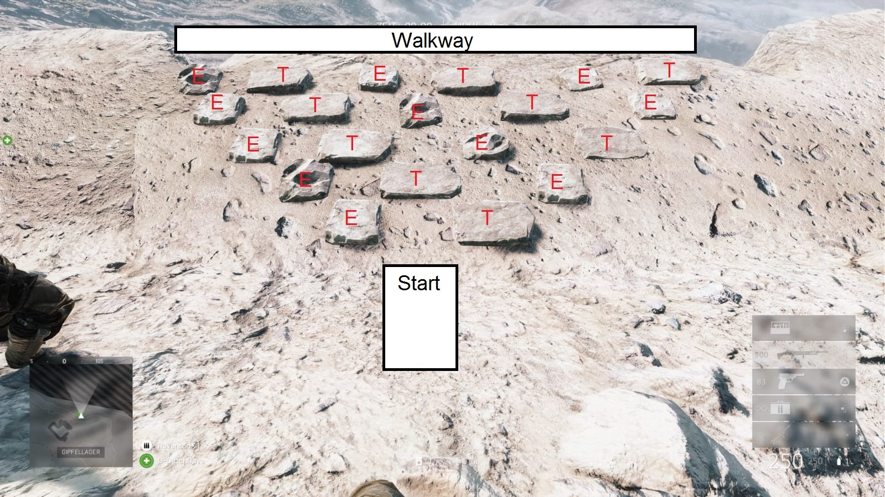
1500 | L
1505 | L | V1S
1510 | R |  | S |  | VOICE FROM ANOTHER PATH(VOIX D'UN AUTRE CHEMIN) |  |  |  |  |  |  |  | CKRV-C3B6-QXB2-EM8G
1515 | MORSE PUZZLE , good luck, map to the right, Jump Diagonal forward follow your morse |  |  | Rune before morse puzzle says "With the footsteps from the words of Samuel M will eidolons progress"
 | Go right after puzzle then left at end |  |  | Runes on lions say MARGIT
1520 | R | V1 | R
1525 | R | BARBED WIRE next | R
1530 | L | BARBED WIRE | R
1535 | R |  | L then R, leads to a deadly V1
1541 | L | AMMO BOX 16?? | V1 move up ! stairs below collapse
1546 | Go Right | follow invisible path approx 3 squares right to the gnome |  | Rune says "with a leap out into the air will the eidolons manifest their worth"
1546 | L | Build Left at gnome on stairs |  |  | FROM THE HEAD OF THE LIONS(DEPUIS LA TETE DU LION)
1551 | S | to platform
1551 | S | to platform
1551 | R | to stairs and barbwire FOLLOW GNOME |  |  | Lion Rune says GUNNAR |  |  |  |  |  |  |  | 9PED-CJVL-UXA3-RUYZ
1556 | L
1561 | BACK
1566 | BACK | FIRE HERE
1571 | S | FLOATING PLATFORMS
1571 | L | FLOATING PLATFORMS
1571 | S | FLOATING PLATFORMS
1571 | S | FLOATING PLATFORMS
1571 | S | FLOATING PLATFORMS
1571 | R | FLOATING PLATFORMS
1571 | R | FLOATING PLATFORMS
1571 | L | TO GNOME AND STAIRS
1576 | ALL | One player goes each direction, be carful platform where paths diverge will collapse when first glass is broken |  |  | Code of Confusios |  |  |  |  |  |  |  | FEYL-YCQX-VNG2-U9YK
1576 | R | One player goes each direction Speak No Evil
1576 | L | One player goes each direction See No Evil
1576 | BACK | One player goes each direction Hear No Evil
1576 | S | One player goes each direction Do No Evil
1581 | break glass above each player!!!! |  |  |  | SHOULDER OF ORION

01000110 01000001 01011010 01000110 00101101 01011000 01010011 00110110 01010000 00101101 01010111 01010011 01010111 01010000 00101101 01011010 01000100 00111001 00110111

2YQE-6XG7-DYD4-2DNG |  |  |  |  |  |  |  |  |  |  |  |  | 77G7-R9HT-ELZZ-93ZY

