DRS COMMERCIAL
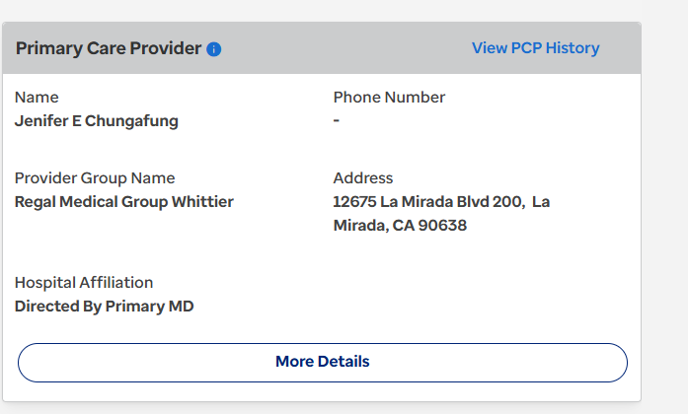
HMO COMMERCIAL | Anthem Blue Cross : Find a Doctor

JANESRI W. DE SILVA, M.D.
PCP ID: | PCP ID:
0DR551 - Lakeside Central Valley (0dr) | 0DR551 - Heritage Provider Network, part of LAKESIDE CENTRAL VALLEY
0HA681 - Eastland Medical Group Inc (0ha) | 0HA681 - Heritage Provider Network, part of EASTLAND MEDICAL GROUP INC
69U164 - Optum Care Network - Sgv/Glen/Bev (69u) | 69U164 - Healthcare Partners Affiliates Medical Group, part of OPTUM CARE NETWORK - SGV/GLEN/BEV
YCB129 - REGAL-West/Central Valley (Ycb) | YCB129 - Heritage Provider Network, part of RMG-WEST/CENTRAL VALLEY
YCE931 - REGAL-San Gabriel/Gtr Covina (Yce) | YCE931 - Heritage Provider Network, part of RMG-SAN GABRIEL/GTR COVINA
National Provider Identifier:
1568502953
License Type:
MEDICAL DOCTOR (MD)
License Number: | License Number:
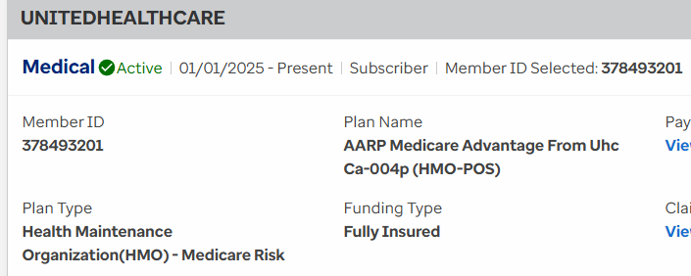
A 00088991 | CA - A88991

504 S Sierra Madre Blvd
Pasadena, CA 91107

1019 Foothill Blvd
La Canada Flintridge, CA 91011

MARK G. SNYDER, M.D.
PCP ID:
0DR646 - Lakeside Central Valley (0dr) | PCP ID:
YCB191 - Rmg-West/Central Valley (Ycb) | 0DR646 - Heritage Provider Network, part of LAKESIDE CENTRAL VALLEY
YCL360 - Regal Medical Group Of Ventura County (Ycl) | 98E - Heritage Provider Network, part of PEDIATRIC AFFILIATES MEDICAL GROUP-WEST HILLS
National Provider Identifier: | YCB191 - Heritage Provider Network, part of RMG-WEST/CENTRAL VALLEY
1174698484 | YCL360 - Heritage Provider Network, part of REGAL MEDICAL GROUP OF VENTURA COUNTY
License Type: | National Provider Identifier:
MEDICAL DOCTOR (MD) | 1174698484
License Number: | License Type:
G 00067520 | MEDICAL DOCTOR (MD)
 | License Number:
7345 Medical Center Dr Ste 400 | CA - G67520
West Hills, CA 91307

29525 Canwood St Ste 111
Agoura Hills, CA 91301

MARTIN FINEBERG, M.D.
PCP ID: | PCP ID:
0DR709 - Lakeside Central Valley (0dr) | 0DR709 - Heritage Provider Network, part of LAKESIDE CENTRAL VALLEY
0SY898 - Lakeside Glendale (0sy) | 0SY898 - Heritage Provider Network, part of LAKESIDE GLENDALE
P9V267 - Rmg-Downtown La (P9v) | 98E - Heritage Provider Network, part of PEDIATRIC AFFILIATES MEDICAL GROUP-WEST HILLS
YCB189 - Rmg-West/Central Valley (Ycb) | P9V267 - Heritage Provider Network, part of RMG-DOWNTOWN LA
National Provider Identifier: | YCB189 - Heritage Provider Network, part of RMG-WEST/CENTRAL VALLEY
1184799496 | National Provider Identifier:
License Type: | 1184799496
MEDICAL DOCTOR (MD) | License Type:
License Number: | MEDICAL DOCTOR (MD)
A 00040066 | License Number:
 | CA - A40066
7345 Medical Center Dr Ste 400
West Hills, CA 91307

29525 Canwood St Ste 111
Agoura Hills, CA 91301

BARBARA RODRIGUEZ, M.D. | HILMA ROSALIA BENJAMIN, M.D.
PCP ID: | PCP ID:
YCBE87 | 0DR701 - Lakeside Central Valley (0dr)
National Provider Identifier: | YCB325 - Rmg-West/Central Valley (Ycb)
1801854310 | National Provider Identifier:
License Type: | 1609088269
MEDICAL DOCTOR (MD) | License Type:
License Number: | MEDICAL DOCTOR (MD)
G 00058655 | License Number:
 | A 00099339
18433 Roscoe Blvd Ste 106
Northridge, CA 91325 | 7345 Medical Center Dr Ste 400
 | West Hills, CA 91307
777 Truman St Ste 105
San Fernando, CA 91340 | 8628 Reseda Blvd
 | Northridge, CA 91324

DR BENJAMIN BEHROOZAN, M.D. | SPECIALTIES: family practice, general practice, internal medicine
NPI: 1750440681
UHC | BLUE SHIELD OF CA COMM
PCP ID: 001284347 FOR LAKESIDE & REGAL | 5255 W Sunset Blvd Los Angeles, CA 90027
LAKESIDE GLENDALE CENTRAL VALLEY - BOTH ADDRESS
REGAL CENTRAL VALLEY REGION - SANTA MONICA ADDRESS | REGAL LOS ANGELES - Primary care physician ID: 100063736017

 | ANTHEM BLUE CROSS: LAUSD
 | NCF: PCP ID
 | LAKESIDE: 0SY072
 | REGAL: YCD256

 | GLOBAL : KZC872 (JQL) ANTHEM BLUE CROSS

AHDOUT BEROOKIM, JASMINE MD | CHUNGAFUNG, JENIFER E MD
PCP ID: | NPI: 1376684985
0HA99O - Eastland Medical Group Inc (0ha) | UHC
YCE99M - REGAL-San Gabriel/Gtr Covina (Yce)

National Provider Identifier:
1982049052

1019 Foothill Blvd
La Canada Flintridge, CA 91011
818-361-5437

AGE: 18 YEARS AND OLDER

License Type:
DOCTOR OF MEDICINE
License Number:
A135598

