F111
KM Plot for TTE parameters

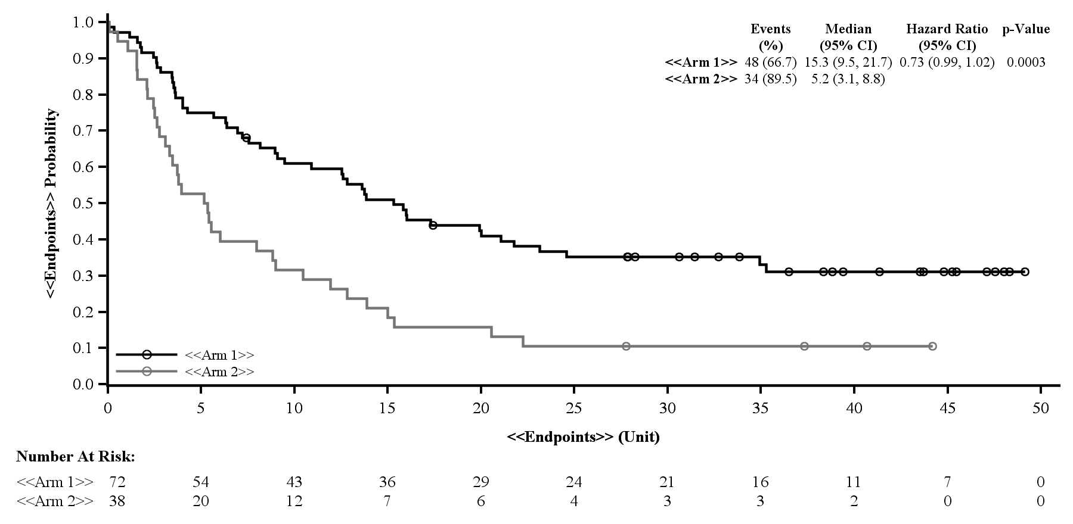

note:

 | --------------------------------------------------
 | Notes to programmer:

&&&&End&&&&

 |  | 1 | 2 | Forest Plot for Overall Response Rate by IRC or Investigator

F112
Forest Plot for Overall Response Rate
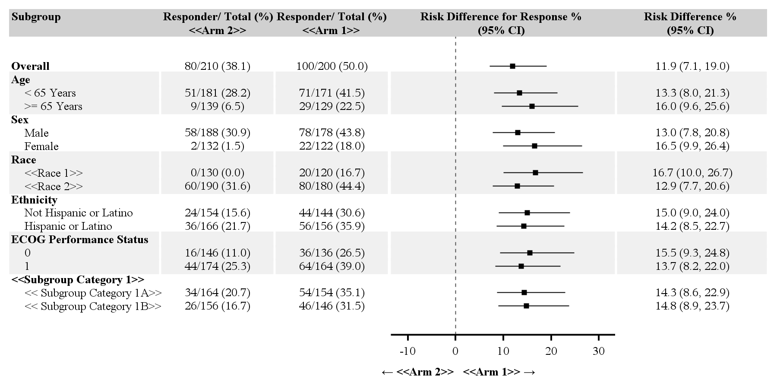

note:

 | --------------------------------------------------
 | Notes to programmer:

&&&&End&&&&

 |  | 1 | 2 | Forest Plot for Overall Response Rate by IRC or Investigator

F113
box and Whisker Plot of Changes by Study Visit: the parameter xx

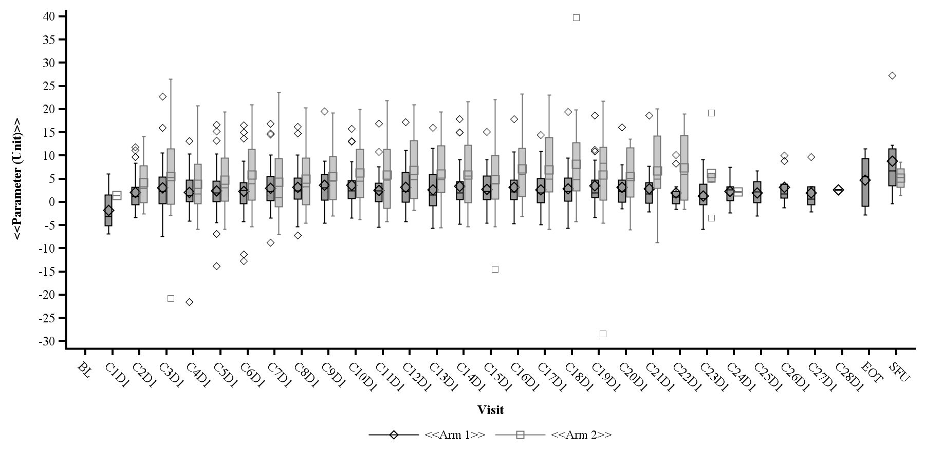

note:

 | --------------------------------------------------
 | Notes to programmer:

&&&&End&&&&

