Setting
Run | Order | Processing xaml file | Screen Selector | Waiting Time | Screen Image | Parameter | Processing Content
Yes | 1 | LogonAttemptFailure.xaml | <wnd app='saplogon.exe' cls='#32770' title='Information' /> | 1500 | Logon attempt failure |  | Logon attempt failure Press Continue
Yes | 2 | MultipleLogon.xaml | <wnd app='saplogon.exe' cls='#32770' title='License Information for Multiple Logon' /> | 1500 | 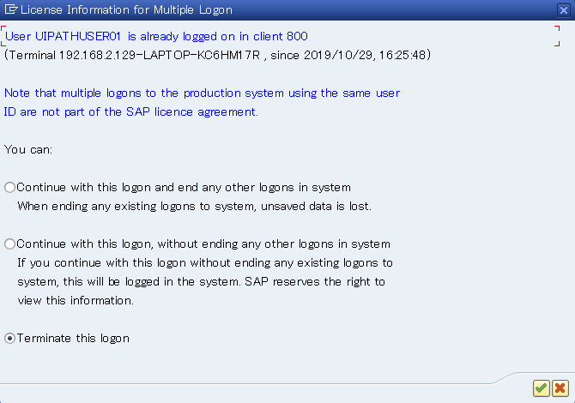 multiple logon-related message is output | 3 | Performs processing when a multiple logon-related message is output. Parameter 1：Continue with this logon and end any other logons in system When ending any existing logons to system, unsaved data is lost. 2：Continue with this logon, without ending any other logons in system If you continue with this logon without ending any exitsting logons to system, this will be logged in the system. SAP reserves the right to view this information. 3：Terminate this logon

