Notes
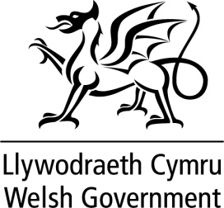
Information from the General Medical Services Quality and Outcomes Framework Statistics for Wales, 2014-15

FOR INFORMATION

Source: The data reported is derived from the national ‘CM Web’ software as at 30 June 2015.

Notes:

i) QOF achievement data for 2014-15 is presented for 459 general practices in Wales. This includes practices that had data automatically extracted by the CM Web system in June 2015, and data adjustments for the year 2014-15 submitted between April and June.

Further information

This spreadsheet should be used with Statistical Release SDR 153/2015 which provides background and analysis:
http://wales.gov.uk/statistics-and-research/general-medical-services-contract/?lang=en

Further information on the Quality and Outcomes Framework Statistics for Wales, 2014-15 is available on the GMS contract web site:
http://www.wales.nhs.uk/sites3/page.cfm?orgid=480&pid=6063

For queries please contact:
stats.healthinfo@wales.gsi.gov.uk

All content is available under the Open Government Licence v3.0 , except where otherwise stated.
http://www.nationalarchives.gov.uk/doc/open-government-licence/version/3/

