VBA basics
Concept | Notes
VBA | VBA is object-oriented. Before you perform any action, you need to specify on which object to perform that action Object first, then action Object hierarchy Excel's object model: Application > workbooks > single workbook > worksheets > single worksheet > range Example: how the code would look in VBA when referring to a range on an Excel worksheet: Application.Workbooks("Name").Worksheets("WSName").Range("A1") Application.ThisWorkbook.Worksheets("WSName").Range("A1") Worksheets("WSName").Range("A1") --> Assumes active workbook ActiveCell --> assumes the cell that is marked in the active worksheet
Record Macro shortcut | ALT -T -M - R "Alt, tab, macro, record"
Shortcut to run macro | Ctrl + __ Use capital letters. Otherwise, you will override the default ctrl shortcuts
Visual Basic Editor (VBE) | shortcut to open: Alt + F11
How to run macros/VBA | Alt + F8 Insert a button and assign it to a macro

VBA Keyboard shortcuts
Indent Code | Tab
Remove Indent from Code | Shift + Tab
Complete Word | Ctrl + space
Open object browser | F2
Open code window | F7
Display properties window | F4
Open online help | F1
Run project | F5
Step into code | F8
Toggle breakpoint | F9
Clear all breakpoints | Ctrl+Shift+F9

Properties in VBA | Property is what an object has Properties come after the object hierarchy Example: Some properties don't have details: Range("A1").Value Some properties return an object: Range("A2").Font.Color --> The color is property of the font, and the font is a property of the range.
Object methods | Method is what an object does Methods can have additional information Ways to write this: Object.Method [argument value],[argument value] Object.Method ArgumentName:= [argument value] Methods can change properties Methods can have arguments, but they don't require arguments; it depends on the method. The arguments are built in Range("A2").Clear --> no further arguments Range("A3").Delete --> 1 optional argument (Shift) Range("A2).Delete xlShiftToLeft Sheet1.Copy --> 2 optional arguments (Before, After) which are optional but exclusive Sheet1.Copy After:=Sheet3 --> you can name the argument you're using, or: Sheet1.Copy , Sheet2 --> write it like this to indicate you're skipping the Before argument
Find the Correct Property & Method | Use the macro recorder to get object names, properties and methods. Use the object library (F2) to dig deeper Press F1 when on an object, property, or method to get help for the MSDN Microsoft Help Site. Use IntelliSense-Let VBA suggest the right properties and methods. Check options from Tools/Options. Use complete word (Ctrl+Space) to get suggestions Use the Immediate Window to query (e.g. color codes) or test code Search the internet and online forums

Key Takeaways | 1. You refer to an object through its position in the object hierarchy. The dot is used as a separator. If you do not specify the parent, Excel assumes it's the active object. 2. You don't need to select objects to manipulate them. The macro recorder "selects" but to write code, it's more efficient not to refer directly to objects and properties (exceptions apply) 3. Objects have specific properties and methods 4. Properties can return a reference to another object. For example, Range("A2").Interior.Color: The interior property returns an interior object which has the color property. --another example is to think of a shoe. A shoe is an object, and a heel is a property of the shoe. However, the heel is also an object, which can have its own properties, such as height, shape, etc. 5. Macro and VBA code is kept inside Sub Procedures (for functions it's Function Procedures) 6. To find the correct object, property, or method you can record macros, use the object library (F2), use MSDN help (F1), Intellisense, internet search, and immediate windwo to query and test code

Most Useful Range Properties & Methods
Properties
Value | Show the underlying value in a cell. This is the default property of the range object. (Read/Write)
Cells | Returns a cell or range of cells within a range object (Read/Write)
End | Returns the last cell of the range. Similar to Ctrl+ --> or (up,down, etc) (Read only)
Offset | Returns a new range based on offset row & column arguments (Read/write)
Count | Returns the number of cells in a range (Read only)
Column/Row | Returns the column/row number of a range. If you select more than one cell, column/row returns the first occurrence in the range. (Read only)
CurrentRegion | Used with other properties such as .address returns the range of data (Read only) -great for generating dynamic ranges
EntireColumn/EntireRow | Returns a range object that represents the entire row or column (Read only)
Resize | Changes the size of the range by defining the rows & columns for resizing
Address | shows the range address including the $ signs (Read only)
Font | Returns a font object that has other properties (e.g. bold) (Read/write
Interior | Used with other properties such as .Color to set colors (Read/write) Note: To be exact in Color, use the Color property and not ColorIndex.
Formula | Places a formula in a cell. To make sure your VBA code is compatible with other languages of Excel, your VBA formulas should use English syntax. You can record these with the macro recorder. The macro recorder uses FormulaR1C1 syntax. (Read/write)
NumberFormat | Define Number format (uses English version) (Read/write)
Text | Returns the data as string and includes formatting (Read only)
HasFormula | Returns True, False, or Null if the range has a mix (Read only)
Methods
Copy | This is a practical method because it has paste destination as its argument. This means you just need one line of code.
PasteSpecial | Allows using of Excel's Paste Special options. To use more than one option, repeat the line of code with the new option
Clear | Deletes contents and cell formatting in a specific range
Delete | Delete the cells and shifts the cell around the area to fill up the deleted range. The delete method uses an argument to define how to shift the cells. Select XLToLeft or XLUp.
SpecialCells | Returns a range that matches the specified cell types. This method has two arguments. XlCellType is required (such as cells with formulas or comments) and an optional argument to define more detail if constant and formula cell type is used in the first argument.
Sort | Sorts a range of values
PrintOut | Also a method of the worksheet object
Select | Used by the macro recorder to select a cell but when writing VBA, it is not necessary to select objects. Code is faster without selecting.

Four Methods to Find the Last Row:
Use the End property of the Range object: | Range("K6").Value = Cells(Rows.Count,1).End(xlUp).Row Range("K6").Value=Range("A4").End(xlDown).Row Example for last column: Range("K8").Value=Cells(4,Columns.Count).End(xlToLeft).Column
Use the CurrentRegion Property of the Range Object | Range("K10").Value=Range("A4").CurrentRegion.Rows.Count
Use the SpecialCells Method of the Range Object | Range("K11").Value=Cells.SpecialCells(xlCellTypeLastCell).Row
Use the UsedRange Property of the Worksheet Object | Range("K12").Value=ActiveSheet.UsedRange.Rows.Count

Methods to Copy and Resize Variably Sized Ranges
Copy Method for a variably sized range | Range("A4").CurrentRegion.Copy Range("J4")
Copy Method for a fixed range | Range("A4:E10").Copy Range("J4")
PasteSpecial Method to use Excel's Paste Special options *to add more paste special options, add a new line | Range("A4").CurrentRegion.Copy Range("J20").PasteSpecial xlPasteValuesAndNumberFormats Range("J20").PasteSpecial xlPasteComments
Resize property to return a changed range | Range("A4").CurrentRegion.Offset(1,0) _.Resize(Range("A4").CurrentRegion.Rows.Count-1).Copy Range("A20")
How to best reference worksheets
Use the code name of the sheet | You can change the code name in the property window shDest.Range("A3").Value Two advantages: User can be free to change the tab name Intellisense works perfectly with code names (doesn't work with ActiveSheet)
Use the Worksheets collection | Refer to the Tab by name Worksheets("Destination").Range("A3").Value
Use the index number of the worksheet | Can be risky if the sheets are reordered or a new sheet is inserted in the middle Worksheets(6).Range("A3").Value
Use ActiveSheet | ActiveSheet.Range("A3").Value
How to best reference workbooks | The best/most common methods are the first two
ThisWorkBook | to reference the workbook where the macro is written
Use the Workbooks Collection | Use the name of the workbook. The workbook needs to be open, otherwise you need to use the Open statement first Workbooks("YourWorkBookName.xlsx")
ActiveWorkBook | Make sure the correct workbook is active
Workbooks(1) | Using the index number is risky as it depends on the order in which the workbooks have been opened
Different methods to reference cells
Different methods to reference cells | Use Range("A1") style to reference a single cell. Range("A1","C1") or Range("A1:C1") for many cells Use the Cells or Offset Property
Data types for variables Variant is the default type for variables and takes up the most memory | 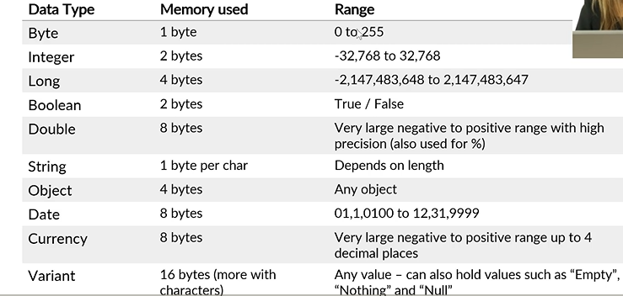
Data types notes | object: for ranges, worksheets, workbooks double: good for high precision decimals and percentages
Declaring variables | Declare variables before you use them Declaring variables by defining a suitable data type has the following benefits: -Your code will run faster -Your code will be less prone to mistakes Dim myText As String (Dim is the keyword, the name is up to you, String is the data type)
Array | A group of variables which share a common name. You refer to each variable by their position in the array Example (this is a one-dimensional array. 1 is the lower bound, 12 is the upper bound. If you don't declare a lower bound, the default is 0) Dim MyMonth(1 To 12) As String MyMonth(1)="Jan" MyMonth(2)-"Feb" Example of a two-dimensional array: Dim MonthSales(1 To 12, 1 to 3) as Variant ^the first dimension is the month, the second is the company (there are three companies)
Constants | You can also declare constants. Constants are values and text that don't change. Const myScenario As String = "Actual" Const ProfitCen as Long = 99999
Object Variables | Variables can also hold objects. Common objects are: 1. Workbook Object: Dim NewBook As Workbook 2. Worksheet Object: Dim NewSheet As Worksheet 3. Range Object: Dim NewRange As Range To assign variables to objects, you need to use the SET statement Set NewBook = Workbooks.Add * All "usual" VBA assignments are done with the LET statement. However, this is an optional keyword and is usually not used. LastRow = Rows.Count Let LastRow = Rows.Count
Variable Scope | *Note: you can set the scope of constants in the same way
Procedure | Variables exist only when the procedure runs. Dim is inside the procedure. Memory is freed after the procedure ends.
Module | 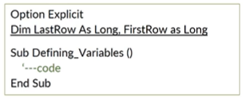 Variable exists for ALL procedures within the module. Dim is outside any procedure, typically right below Option Explicit. Value is kept in memory after procedure completes.
All Modules and Procedures | Variable exists for ALL modules and ALL procedures. Use the keyword "Public" (instead of Dim) to declare these variables. Can be declared in any module before the first procedure. Value is kept in memory after procedure completes
Key Takeaways: variables and data types | 1. use option explicit to minimize mistakes 2. Pick the data type that uses the least bytes but can still handle the data you want to store in memory: -Byte: worksheet numbers, months, column headers (smaller data sets) -Long: to loop through rows -Integer: to loop through smaller data sets--e.g. master data -double: decimal, very large numbers and numbers where precision is required 3. Think about the scope of your variables: Procedure, Module, or Project? Declare these accordingly 4. Use the SET statement to assign variables to objects. Data type assignments do not need a statement but can use the optional keyword "LET"

VBA looping
Concept | Notes
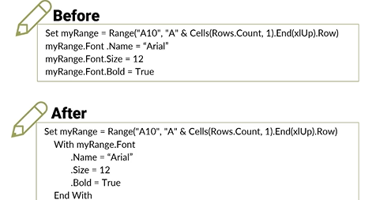 With & End With | Benefits: -faster code writing -easier code maintenance -faster code execution
For….Each | Used to loop through collections loops through worksheets, ranges, etc. in one go -execute code for all worksheets in a workbook -follow instructions for all cells in a range -run code for each comment inside the worksheet comments collection
If…Then statements for conditional outcomes | 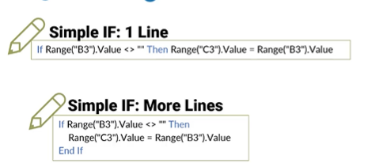 Similar to Excel formulas, you can use IF…Then in VBA You can handle as many conditions as you see fit You can also use AND, OR statements
If….Then….ElseIf….Else Example | 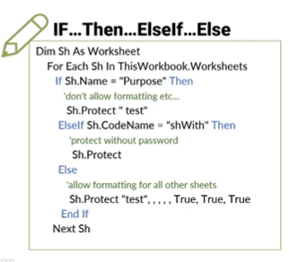
Select Case, as alternative for many Ifs | Select Case is a good alternative to If…ElseIf…Else constructs -you have a better overview -easier code maintenance -faster code execution. VBA leaves the Select Case construct the moment it arrives at a TRUE. Place the likely cases at the top of the code.
Examples of Select Case | 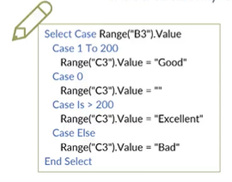 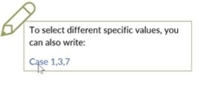
GoTo statement to change program flow | You can skip lines of code with the Goto statement. Why: -mainly for error handling -execute a different part of code depending on a condition To use GoTo: -Type the name of the label with colon (or number without colon) -You might need to exit sub before the label if you have a message box or another VBA statement
Example of GoTo | 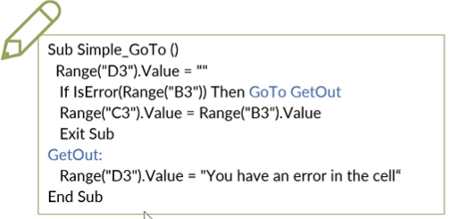

VBA built-in functions
Concept | Notes
Text handling functions | Description
InStr | returns the position of one string within another. Checks if one specific text is inside another text
Lcase | converts string to lower case
Left | returns the lefthand side of a string based on a specified number of characters
Len | returns the number of characters in a string
Mid | returns a specified number of characters from a string
Replace | returns a string and replaces a subset of the string with another string
Right | Returns the right hand side of a string based on specified number of characters
Space | Returns a string that contains spaces
StrConv | returns a string converted to uppercase, lowercase, proper case, or unicode
Trim | returns a string without leading or trailing spaces
Ucase | converts string to uppercase
Constants | Description
VbNewLine | creates a new line in message box
VbNullString | returns a zero length string
VbTab | Adds a tab space in message box
Date handling | Description
Date | returns the current date
Day | returns the day of the month of a date
Hour | Returns the hour of a time value
IsDate | Returns True if variable is a Date type
Minute | Returns the minute of a time value
Month | returns the month of a date
MonthName | returns a string for the month of a date (abbreviation possible)
Now | returns the current date and time
Second | returns the second portion of the time
Time | returns the current time system
Timer | Returns the number of seconds since midnight (good for adding a timer in code)
Weekday | Returns a number for the day of the week
WeekdayName | Returns a string for the day of the week
Year | returns the year of a date
Formatting & Converting | Description
Cdate | converts expression to date data type
CInt | converts expression to integer data type
CLng | converts expression to Long data type
CStr | converts expression to String data type
Format | shows an expression in the desired format
Str | returns a string from a number
Val | returns a number (double) from a string
Number Handling | Description
Abs | Absolute value of a number
FormatNumber | formats an expression as number
FormatPercent | formats an expression as a percentage
IsNumeric | returns True if a cell or value is numeric
Round | rounds a number
Text Files and Directory | Description
CurDir | returns the current path
Dir | returns the name of the file or directory
EOF | Equals True if end of text file is reached
FileDateTime | date and time when a file was last modified
FileLen | number of bytes in a file
FreeFile | returns the next available file number for text files
Other useful functions | Description
DoEvents | control is given back to the operating system to process other events
InputBox | displays a dialog box for user to input
IsEmpty | returns True if a cell is blank or a variable hasn't been initialized
Lbound | returns the smallest value in an array
MsgBox | displays a dialog box
RGB | returns a number that reflects the RGB color
TypeName | returns a string that specifies the data type of a variable
Ubound | returns the largest element of an array
VBA's MsgBox Function | Easily create info dialog boxes to communicate with the user and get simple responses such as ok, yes, no, or cancel The message box is a function, i.e. your macro is paused until the user provides a response You can use the MsgBox function by itself (don't use brackets) if you don't need a response from the user. If you need a response, the message box will return a result which you can capture in a variable (use brackets)
MsgBox Examples
VBA's InputBox Function | Easily create input dialog boxes to capture user input Input Box always returns a string. If you write the result of the input box to a cell, Excel will automatically convert the answer to the correct type. For example if you input a number, it will be recognized as a number in the cell. If you'd like to use the answer in your code, and the answer should be a number, you need to convert it to a number with the conversion function. For example the Val function. To validate if the input is a number, you can use the IsNumeric function
Excel's InputBox Method | 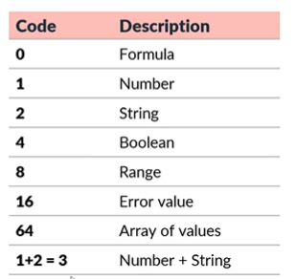 3 benefits of using the input box method: • you can specify the data type of input (not restricted to string) • excel performs a validation automatically • you can select ranges Codes for data types:
Excel's InputBox Method Examples | 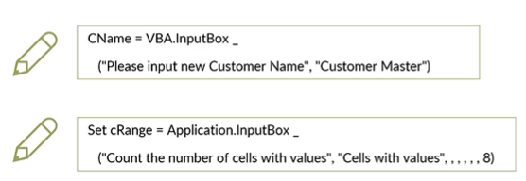

VBA debugging
Concept | Notes
Methods to debug your code | 1. F8 or select Debug from the menu and then Step Into -step through code in slow motion and see results 2. Add breakpoints with F9 or Debug menu/Toggle Breakpoint. You can play the code until a certain place and then you can step in with F8. Add as many as you need 3. Hover your mouse on a variable to see its result 4. Use the Immediate Window. Type Debug.Print followed by your variable name in the code. This writes the result to the immediate window. You can also type in code directly in this window. Use the "?" to get the answer. Activate it from the View tab. 5. Use the Locals Window to see the value and characteristics associated with each variable. Activate it from the View tab. 6. Use the Watch Window to keep your eye on certain variables. Right-mouse click on a variable or statement and "add to watch." Or, drag to the window. You can change the variable property directly by typing it in. Activate watch from the View tab.
Methods for error handling | 1. Use a label to jump to the end of the code the moment an error occurs. Downside: once an error occurs, the sub ends without any information 2. Use "On Error Resume Next." Suppresses certain errors and then resumes normal error handling for the remaining instructions. 3. Write code to handle the error based on type of error
Example of error handling #1 | 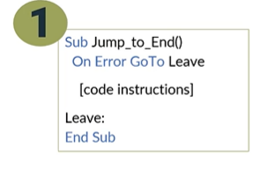
Example of error handling #2 | 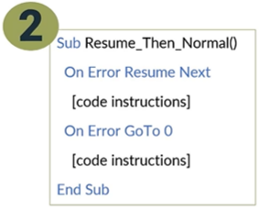
Example of error handling #3 | 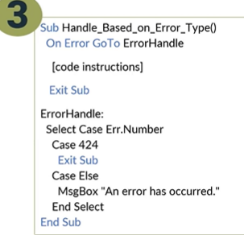
Faster & Efficient VBA Code

VBA Loops
Concept | Notes
For Next Counter Loops | 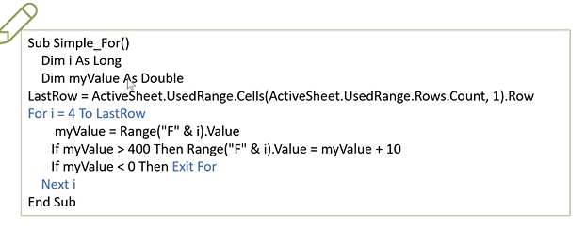 Simple looping construct that's based on a counter Exit For statement leaves the loop Very powerful and flexible way of looping through cells. It's safer to use than the Do loop: The loop only runs for a specific number of times depending on the lower and upper values of the control variable
For Next Nested Loop | A loop inside a loop See For Next tab in S10_Looping_Start
Do Until/Do While Loop | 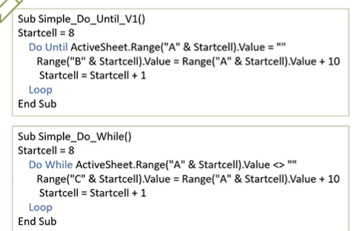 Do While loops runs as long as a specified condition is met (e.g. "loop through these cells while the cell contains numbers") Do Until loops runs until a specified condition is met (e.g. "loop through these cells until the cell becomes empty") Exit Do command leaves the loop immediately when a condition is met
Do While example | 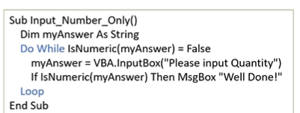
Find Method for Quicker Results | Find method provides a quick qay to find the answer without Looping Like using "Ctrl + F" expression.Find(What, After, Lookin, LookAt, SearchOrder….) expression: A variable that represents a Range object The only required argument is What, but recommend using Lookin because it will otherwise default to whatever you previously looked at (e.g. comments, formulas, etc) Lookat: full or partial match, recommend to set
Timer to Test & Speech to Inform | 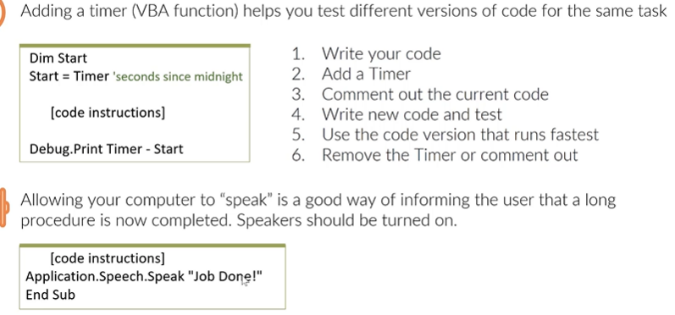 Adding a timer (VBA function) helps you test different versions of code for the same task
Other useful VBA statements | Kill: Deletes a file Like: Returns True if one string can be matched with another Mid: replaces characters in a string with other characters

VBA Arrays
Concept | Notes
Declaring a fixed array | Dim MonthArray(1 to 12) As String -If you don't declare a lower bound, it is 0
Declaring a dynamic array | Dim MonthArray() As String -later you need to use the ReDim statement to fill up the array
Declaring a two-dimensional fixed array | Dim MonthInfo(1 To 12, 1 To 2) As Variant
Referring to the lowest/highest index in the array | LBound(MonthArray) Ubound(MonthArray)
define the size of the dynamic array | ReDim MonthArray(1 To Last) -ReDim erases everything before it fills up the array -Last is the variable representing the dynamic upper bound
keep the existing values inside the array | ReDim Preserve Customers(1 To 3) If you don't use ReDim Preserve, the new definition will overwrite the values in the previous array
Fill a 1D array example | 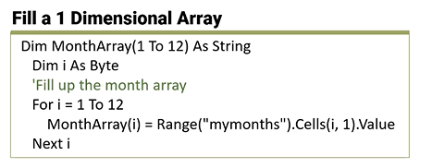
Fill a 2D array example | 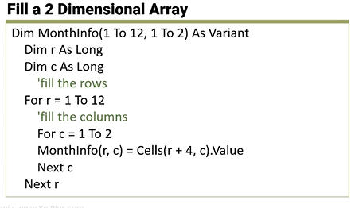
Working with variant arrays | similar to working with arrays in Excel keep values of many cells inside one variable (compartment) manipulate the members of this variable write back to the range in one go -Looping inside arrays is faster than looping in the cells. This is faster than using a For...Next loop
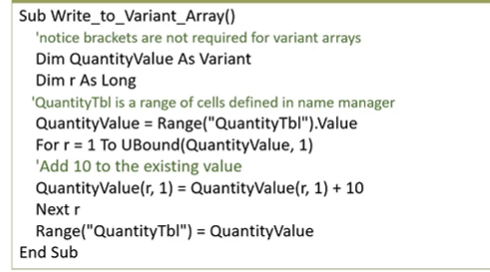 Example of a variant array

VBA files&folders
Concept | Notes
DIR | 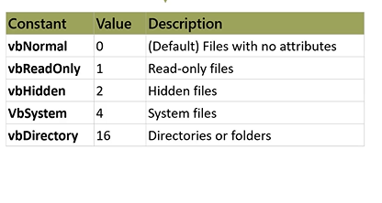 Check if file or folder exists DIR function uses a path argument and returns the name of the file or folder. If path name is not found, DIR returns a zero length string (""). Syntax: Dir("<path>" [,<attributes>]) The attributes argument is optional and the default is 0.
DIR code example | 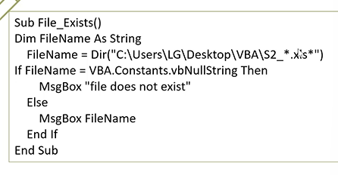
Wildcards | wildcards can be used in the path string * (any length string) ? (fixed-length string. ? Replaces one character, ?? Replaces 2 characters)
Select Case vs. If ElseIf | Both accomplish the same end result, but Select Case can be easier to read and write if an expression is being compared against more than one condition. Note in Select Case, the expression only has to be written at the beginning vs. repeated like in if-elseif Example of If Else If: Dim score as Integer score = 85 If score >= 90 Then Msgbox "Great Job" Elseif score >=80 and score < 90 Then Msgbox "Good work!" etc. Example of Select Case: Select Case score Case is >=90 Msgbox "Excellent" Case is >=80 Msgbox "Good job!" Case is >= 70 Msgbox "Pretty Good" Case Else Msgbox "Work harder" End Select
User Selects File: GetOpenFileName (1 file) | 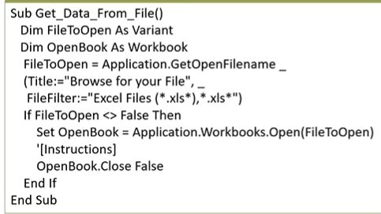
User Selects Files: GetOpenFileName (Many files) | 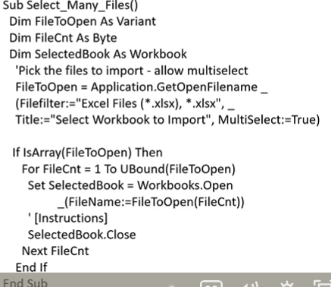
User selects a folder (to loop through) Code example | 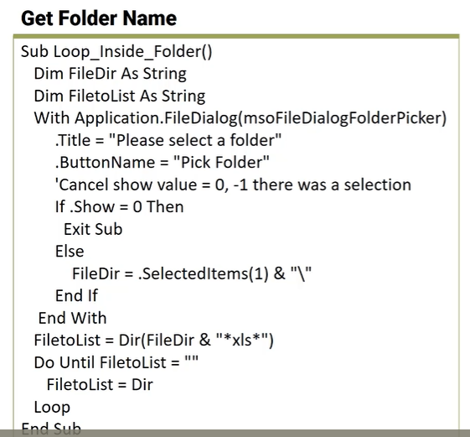
Loop inside a folder | FileDialog Property provides an easy way to allow the user to select a folder. You can write a loop to go through each file inside the folder. Calling the Dir function again inside the loop without any arguments moves on to the next file in the folder.
Writing and Reading a Text File | VBA Open Statement (not the Open method of Workbook) opens a file for reading or writing. This gives you more control over the layout (for example the delimiter) Required statements are: -Pathname: path and name of the file to be opened -Mode: Input (read the file only), Output (write or read the file), Append (add to the bottom of the file) -Filenumber: the next available file number. Use #1 if this is the first file opened or use the FreeFile Function to get the next available file number -Write: this writes a line of text to the file and surrounds it with quotations -Print: this writes a line of text to the file without quotations
Example of writing and reading a text file

