Sheet1
Model | VEP Tasks (AUC) |  |  |  |  |  | Model | TFB Task AUC |  |  | Model | TE Task F1 |  |  | Model | TFB Task AUC
 | Disease |  |  | expression |  |  | RNN | 86.34 | 9091 | 9098 | RNN | 7086 | 6975 | 7080 |  | 100 |  |  | 1000 |  |  |  | 10000 |  | 100000 |  |  | 1000000 | 440000
OmniGenome-52M | 0.5602 | 0.5473 |  | 0.6295 | 0.5605 |  | CNN | 86.58 | 8626 | 8577 | CNN | 6230 | 6032 | 6625 | RNN | 7533 | 7295 | 7293 | 8173 | 8158 | 8186 | 8161 | 8375 | 8458 | 8690 | 8699 | 8578 | 8618 | 8990
OmniGenome-v1.5 | 0.7182 | 0.5368 |  | 0.66 | 0.7183 |  | BPNet | 88.1 | 90.53 | 8932 | BPNet | 6774 | 6223 | 6919 | CNN | 7328 | 7678 | 7478 | 8077 | 8187 | 8214 | 8286 | 8316 | 8386 | 8579 | 8600 | 8427 | 8728 | 8815
SpliceBERT-510nt | 0.4979 | 0.3389 |  | 0.4642 | 0.4979 |  | Basenji | 87.97 | 8916 | 8913 | Basenji | 5969 | 6578 | 6459 | BPNet | 5587 | 5177 | 5347 | 8129 | 8185 | 8284 | 8151 | 8415 | 8467 | 8775 | 8766 | 8649 | 9113 | 8805
hyenadna-large-1m-seqlen-hf | 0.4897 |  |  | 0.5023 |  |  | DeepStarR | 9099 | 9074 | 9045 | DeepStarR | 6682 | 6965 | 6933 | Basenji | 5030 | 5110 | 5106 | 7785 | 7931 | 7938 | 7954 | 8296 | 8380 | 8695 | 8661 | 8629 | 8903 | 8822
RNAFM | 0.5135 |  |  | 0.5424 |  |  | OmniGenome-52M | 92.21 | 91.65 | 93.21 | OmniGenome-52M | 7320 | 7371 | 7125 | DeepStarR | 6393 | 6137 | 6503 | 8145 | 8157 | 8088 | 8284 | 8420 | 8449 | 8818 | 8735 | 8750 | 8861 | 8987
RNAMSM | 0.6845 |  |  | 0.6412 |  |  | OmniGenome-v1.5 | 93.35 | 93.56 | 94.19 | OmniGenome-v1.5 | 7639 | 7402 | 7471 | OmniGenome-52M | 5230 | 5021 | 5114 | 5487 | 5499 | 5598 | 8146 | 8153 | 8209 | 8482 | 8507 | 8328 | 9094
RNABERT | 0.5285 |  |  | 0.5382 |  |  | 3UTRBERT | 7883 | 7772 | 7903 | 3UTRBERT | 7095 | 6992 | 7006 | 3UTRBERT | 5002 | 5000 | 5031 | 5114 | 5234 | 5278 | 8094 | 8105 | 8187 | 8581 | 8519 | 8468 | 9059
DNABERT2 | 0.5412 |  |  | 0.5231 |  |  | SpliceBERT-510nt | 7887 | 7815 | 7845 | SpliceBERT-510nt | 7152 | 7219 | 6922 | SpliceBERT-510nt | 5101 | 5087 | 5078 | 5288 | 5387 | 5329 | 7771 | 7609 | 7781 | 8522 | 8585 | 8616 | 9014
NT-v2-500M | 0.5575 |  |  | 0.497 |  |  | hyenadna-large-1m-seqlen-hf | 90.12 | 8932 | 9027 | hyenadna-large-1m-seqlen-hf | 6820 | 6910 | 6973 | hyenadna-large-1m-seqlen-hf | 5044 | 5024 | 5029 | 5021 | 5057 | 5075 | 6084 | 6091 | 7602 | 8426 | 8328 | 8378 | 8826
NT-500m | 0.4746 |  |  | 0.6295 |  |  | RNAFM | 8996 | 9028 | 8936 | RNAFM | 7308 | 7287 | 7498
NT-2.5b | 0.509 |  |  | 0.4584 |  |  | RNAMSM | 8639 | 8539 | 8641 | RNAMSM | 6785 | 6687 | 6735
 |  |  |  |  |  |  | RNABERT | 8470 | 8492 | 8584 | RNABERT | 5685 | 6017 | 5926
 |  |  |  |  |  |  | DNABERT2 | 8928 | 8901 | 8830 | DNABERT2 | 7478 | 7581 | 7584
 |  |  |  |  |  |  | NT-v2-500M | 8653 | 8731 | 8642 | NT-v2-500M | 6927 | 6989 | 7125
 |  |  |  |  |  |  | NT-500m | 8452 | 8519 | 8542 | NT-500m | 6829 | 6881 | 6748
Models | mRNA | SNMD | SNMR | Archive2 | Stralign | bpRNA
DNABERT2 | 0.8158 | 49.94 | 15.86 | 55.73 | 64.09 | 33.77
HyenaDNA | 0.8056 | 53.32 | 39.8 | 71.18 | 91.24 | 57.43
Caduceus | 0.8026 | 57.01 | 39.59 | 74.37 | 92.28 | 59.76
NT-V2 | 0.7826 | 50.49 | 26.01 | 68.36 | 83.18 | 56.95
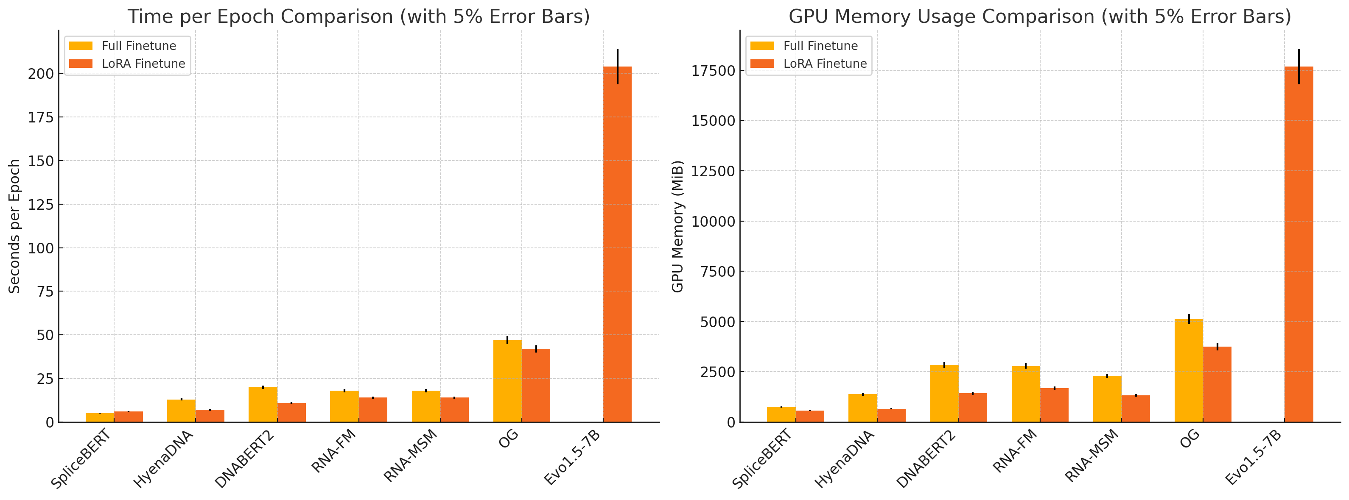
Agro-NT | 0.783 | 49.99 | 26.38 | 62.81 | 72.54 | 46.87
SpliceBERT | 0.734 | 58.11 | 46.44 | 79.89 | 93.81 | 71.59
3UTRBERT | 0.7772 | 50.02 | 24.01 | 68.62 | 88.55 | 57.9
RNABERT | 0.8087 | 51.32 | 29.14 | 24.66 | 83.68 | 47.96
RNA-MSM | 0.7321 | 57.86 | 45.22 | 68.72 | 91.15 | 64.44
RNA-FM | 0.7297 | 59.02 | 42.21 | 82.55 | 95.07 | 78.16
OG | 0.7121 | 64.13 | 52.44 | 91.89 | 98.21 | 83.18

Models | mRNA | SNMD | SNMR | Archive2 | Stralign | bpRNA
DNABERT2 | 0.838 | 50.07 | 1.61 | 50.96 | 62.69 | 30.69
HyenaDNA | 0.8284 | 51.03 | 36.4 | 54.04 | 82.52 | 45.07
Caduceus | 0.8945 | 50.08 | 34.87 | 71.86 | 90.13 | 49.46
NT-V2 | 0.7942 | 50.3 | 23.65 | 61.67 | 81.33 | 46.28
Agro-NT | 0.7935 | 51.5 | 22.92 | 60.82 | 69.12 | 44.9
SpliceBERT | 0.7704 | 58.71 | 42.06 | 85.18 | 94.13 | 58.74
3UTRBERT | 0.8107 | 50.75 | 30.82 | 64.06 | 84.16 | 47.71
RNABERT | 0.8577 | 50.32 | 26.13 | 33.64 | 31.85 | 31.26
RNA-MSM | 0.7909 | 56.23 | 39.72 | 60.21 | 84.17 | 50.89
RNA-FM | 0. 7455 | 59.34 | 45.95 | 84.03 | 96.53 | 70.56
OG | 0.7131 | 63.33 | 47.47 | 89.96 | 98.23 | 82.86

