Problem statement 1
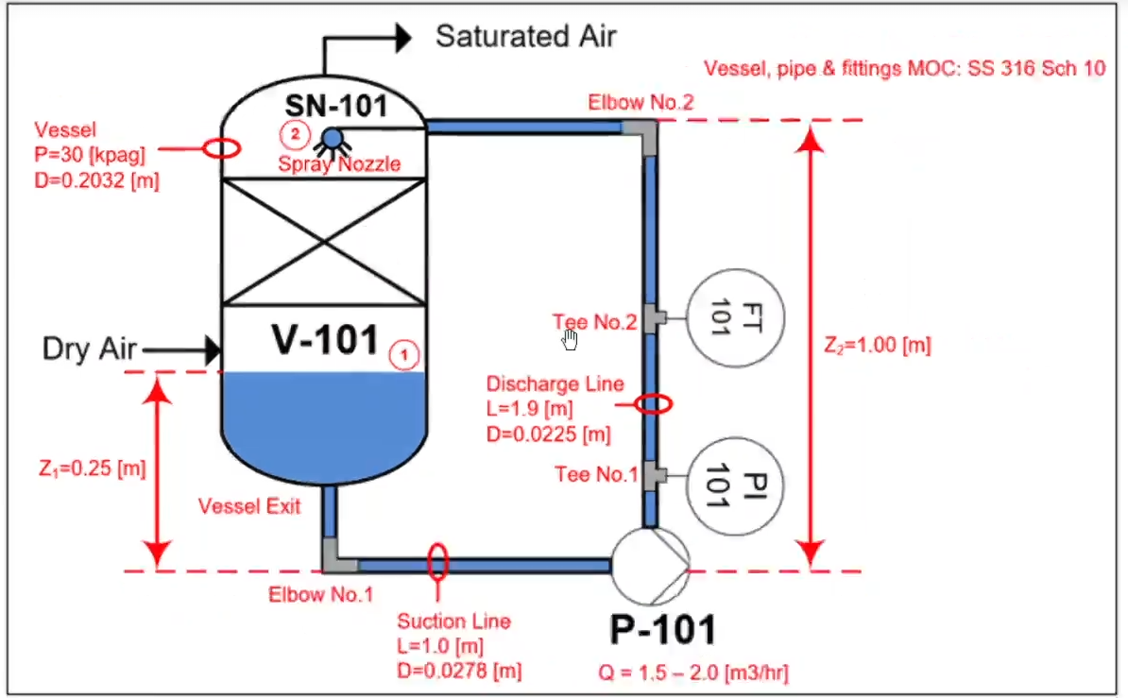
This is a sample pump sizing case study based on an industrial project.

Solution for 1
Step 1: Gather information

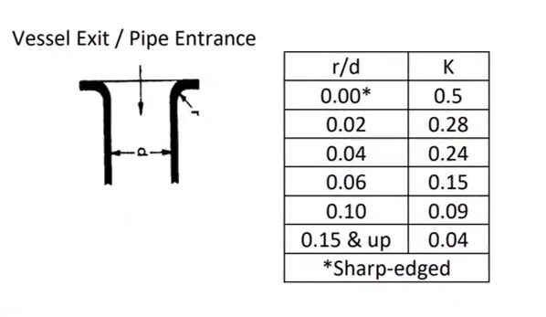
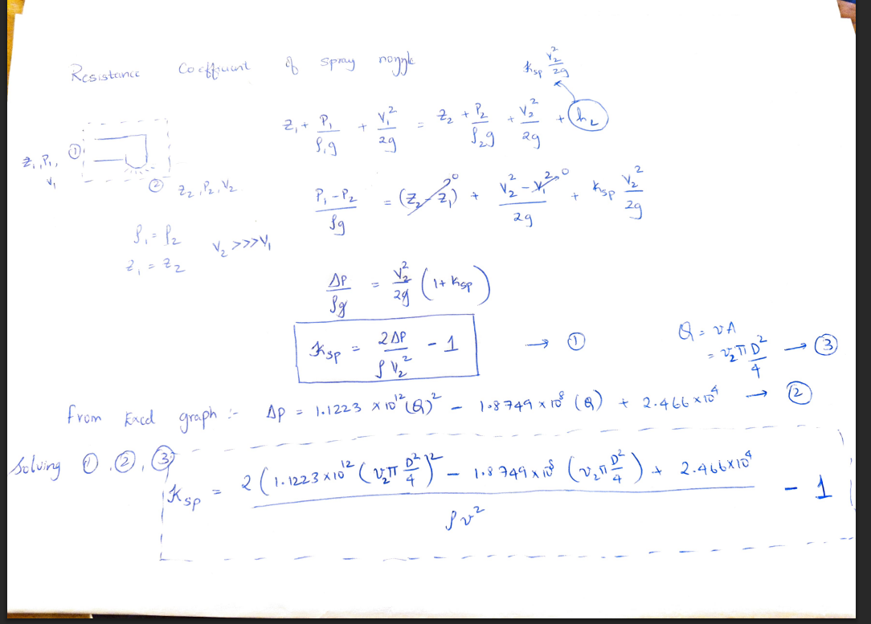
1.1 Physical properties and other constants |  |  |  |  |  |  |  |  |  |  |  | Pictures
Parameter | Value | Units | Reference |  |  | Legend |  |  | Notes |  |  |  |  |  | [3]
Fluid | Water | [-] |  |  |  | User Input |  |  | [1] Engineering Toolbox Database
Temperature | 15 | [C] |  |  |  | Output (calculated from other cells) |  |  | [2] Based on data from question |  |  | [4]
Density | 998.21 | [kg/m3] | (1) |  |  | Text(references, units…etc) |  |  | [3] Crane Handbook (see picture)
Viscosity | 0.0011373 | [Pa s] | (1) |  |  | Result |  |  | [4] see pictures
Specific Gravity | 0.99823 | [-] | (1) |  |  |  |  |  | [5] from manufacturer (see picture)
Vapor pressure | 1705 | [Pa] | (1) |  |  |  |  |  | [6] see picture
Gravity | 9.81 | [m/s2] |  |  |  |  |  |  | [7] from manufacturer (see picture)

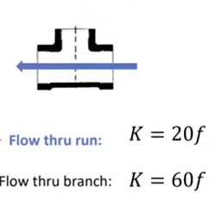
1.2 Operating conditions and operating envelope
Parameter | Value | Units | Notes
Flowrate | 2.6 | [m3/hr]

Point 1
Parameter | Value | Units | Notes
Z1 | 0.25 | [m] | (2)
P1 | 131325 | [Pa]abs | (2)
D1 | 0.2032 | [m] | (2)
A1 | 0.032429278662 | [m2]
v1 | 0.022270684148 | [m/s]

Point 2
Parameter | Value | Units | Notes
Z2 | 1 | [m] | (2)
P2 | 131325 | [Pa]abs | (2)
D2 | 0.00635 | [m] | (2)
A2 | 3.1669217444E-05 | [m2]
v2 | 22.805180567 | [m/s]

Step 2: Model Hydraulic Resitances(calculating resistance coefficient and friction headloss for each fitting , component and valve)
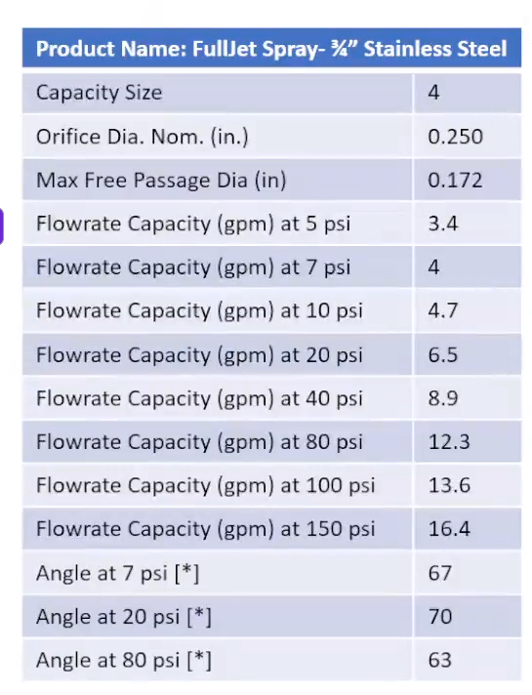
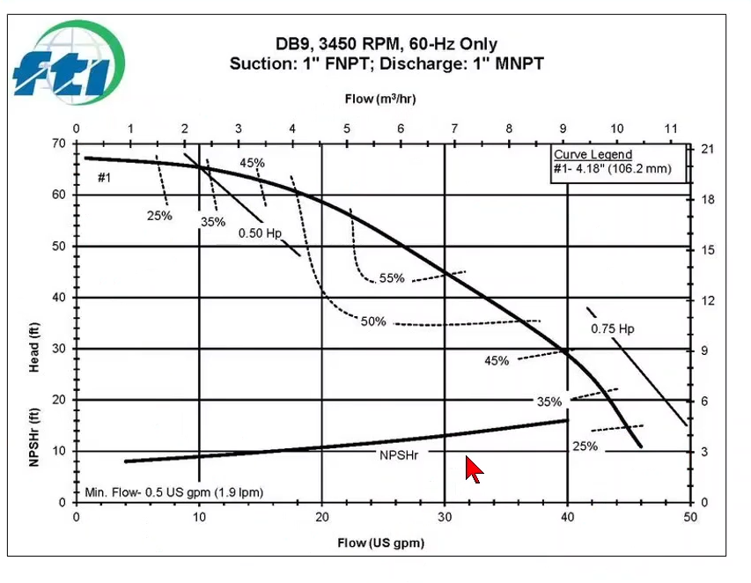
2.1 Resistance coefficient table: identification of resistances and equations |  |  |  |  |  |  |  |  |  |  |  |  | [5]
Parameter | Type | Description | Resistance Coef. Equation |  | Friction Factor equation | Reference |  |  |  |  |  |  |  | [7]
K1 | Suction piping | SS 316 pipe sch 10, D=0,0278[m], L=1[m] | K = f L/d |  | for turbulent flow, Re>4000, use Colebrook equation or Swamee Jain equation For laminar flow,Re<2000, use Poseulle equation For transitional flow, 2000<Re<4000 Interpolate between laminar and turbulent flow results. | [3]
K2 | Discharge piping | SS 316 pipe sch 10, D=0,0225[m], L=1,9[m] | K = f L/d |  |  | [3]
K3 | Vessel Exit | SS 316 vessel sch 10 sharp exit/pipe entrance | K = 0.5 |  |  | [3]
K4 | Elbow no.1 | SS 316 90deg. Elbow | K = 30f |  |  | [3]
K5 | Tee No.1 | SS 316 Tee, straight run | K = 20f |  |  | [3]
K6 | Tee No.2 | SS 316 Tee, straight run | K = 20f |  |  | [3]
K7 | Elbow No.2 | SS 316 90deg.Elbow | K = 30f |  |  | [3]
K8 | Spray nozzle | SS316 full jet spray nozzle | K = see the calculation |  |  | [4]

2.2 Resistance coefficient table: evaluation and results
Parameter | L: Length [m] | D: Diameter [m] | Ɛ: Roughness [m] | Relative Roughness [-] | v: Velocity [m/s] | Re: Reynolds[-] | Flow Regime | Friction Factor [-] | K value[-] | hL: Frictional Headloss [m] | Reference
K1 | 1 | 0.0278 | 0.000015 | 0.00053956834532 | 1.1898476961 | 29032.407236 | Turbulent | 0.025100322848 | 0.90288931108 | 0.065150575535
K2 | 1.9 | 0.0225 | 0.000015 | 0.00066666666667 | 1.8164185549 | 35871.152051 | Turbulent | 0.02447620738 | 2.0668797343 | 0.34757462528
K3 |  | 0.0278 | 0.000015 | 0.00053956834532 | 1.1898476961 | 29032.407236 | Turbulent | 0.025100322848 | 0.5 | 0.036078938323
K4 |  | 0.0278 | 0.000015 | 0.00053956834532 | 1.1898476961 | 29032.407236 | Turbulent | 0.025100322848 | 0.75300968544 | 0.054335579996
K5 |  | 0.0225 | 0.000015 | 0.00066666666667 | 1.8164185549 | 35871.152051 | Turbulent | 0.02447620738 | 0.4895241476 | 0.082320305987
K6 |  | 0.0225 | 0.000015 | 0.00066666666667 | 1.8164185549 | 35871.152051 | Turbulent | 0.02447620738 | 0.4895241476 | 0.082320305987
K7 |  | 0.0225 | 0.000015 | 0.00066666666667 | 1.8164185549 | 35871.152051 | Turbulent | 0.02447620738 | 0.73428622139 | 0.12348045898
K8 |  | 0.00635 | 0.000015 | 0.0023622047244 | 22.805180567 | 127102.50727 | Turbulent | 0.025925993784 | 0.8285738334 | 21.963383333
 |  |  |  |  |  |  |  |  | Total frictional Headloss | 22.754644123

Spray nozzle pressure drop data
2.3 Supporting calculations
Parameter | K8
Type | Spray nozzle
Experimental data for spray nozzle from manufacturer
Q: Flowrate [m^3/s] | Pressure drop [Pa] | Reference
0.00021454 | 34473.8 | [5]
0.0002524 | 48263.32 | [5]
0.00029657 | 68947.6 | [5] |  |  |  |  |  |  |  |  |  | [6]
0.00041015 | 137895.2 | [5]
0.00056159 | 275790.4 | [5]
0.0007761 | 551580.8 | [5]
0.00085816 | 689476 | [5]
0.00103484 | 1034214 | [5]

Step 3: Calculate pump head required and available NPSH

3.1 Calculate pump work required
Parameter | Value | Units | Reference
Pump work required | 50.012073517 | [m] | [6]

3,2 Calculate NPSH available
Parameter | Value | Units | Reference
NPSHa | 13.331176584 | [m] | [6]

System Head vs Flow
Step 4: Plot system head and NPSHa

4.1 System head vs Flowrate
Flowrate [m3/hr] | System Head [m] | Reference
0.001 | 3.2629814317 | Fill the flowrate and click generate button it automatically gives he system head
0.6 | 3.3183023903
0.8 | 4.7685003546
1 | 6.9345078926
1.2 | 9.8160810642
1.4 | 13.413043362
1.6 | 17.725260521
1.8 | 22.752626741
2 | 28.495056425
2.4 | 42.124834751
2.6 | 50.012073517

NPSHa vs Flow

4.2 NPSHa vs Flowrate
Flowrate [m3/hr] | NPSHa [m] | Reference
0.001 | 13.486737636 | Fill the flowrate and click generate button it automatically gives he NPSHa
0.6 | 13.475828991
0.8 | 13.468524481
1 | 13.459550118
1.2 | 13.448949184
1.4 | 13.436753425
1.6 | 13.422987297
1.8 | 13.407670301
2 | 13.390818387
2.4 | 13.352561036
2.6 | 13.331176584

Step 5: Plot pump curve and calculate operating point

Head vs Flow
Pump type(option 1) | Model DB9
Manufacturer | Finish Thompson

5.1 Pump Head vs Flowrate
Flowrate [m3/hr] | Pump Head[m] | Reference
0 | 20.72 | [7]
0.46 | 20.42 | [7]
0.92 | 20.4216 | [7]
1.38 | 20.2692 | [7]
1.84 | 20.1168 | [7]
2.3 | 19.812 | [7]
2.76 | 19.5072 | [7]
3.22 | 19.2024 | [7]
3.68 | 18.8976 | [7]
4.14 | 18.288 | [7]
4.6 | 17.9832 | [7]
6.9 | 13.716 | [7]
9.2 | 8.5344 | [7]
9.89 | 6.7056 | [7]
10.58 | 3.3528 | [7]

5.2 Numerical calculation of operating flowrate and operating head
System Head Quadratic equation coefficients y = a1x^2 +b1x+c1
a1 | b1 | c1 | Reference
8.9438921511 | -5.2739807119 | 3.2657405473 | Change the formulae under a1 alone

Pump Head Quadratic equation coefficients y = a2x^2 +b2x+c2
a2 | b2 | c2 | Reference
-0.16289991959 | 0.17195997704 | 20.419331281 | Change the formulae under a2 alone

Combined coefficients A = a1-a2, B=b1-b2, C=c1-c2
A | 9.1067920707
B | -5.4459406889
C | -17.153590734

Operating Point (Root of the above quadratic equation )
Parameter | Value | Units | Reference
Operating Flowrate | 1.7036422563 | [m3/hr] | Root of quadratic equation
NPSH vs Flow
Operating Head | 20.239489337 | [m]

5.3 NPSHr vs FlowRate
Flowrate [m3/hr] | NPSHr [m] | Reference
0.90849884 | 2.4384 | [7]
3.63399536 | 3.048 | [7]
6.8137413 | 3.9624 | [7]
9.0849884 | 4.87668 | [7]

Size of Pump Head - 20,23 [m] Flowrate - 1,7 [m3/hr] NPSHr is greater than NPSHa

Problem 2
Find Pump power for the following pump given the efficiency of pump is 70% and Q is 10gpm

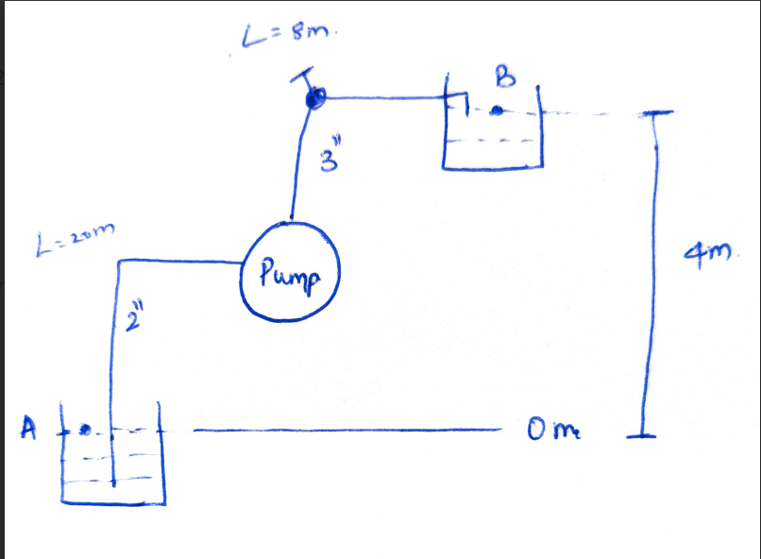
Step 1: Gather information |  |  |  |  | Legend
 |  |  |  |  | User Input
1.1 Physical properties and other constants |  |  |  |  | Output (calculated from other cells)
Parameter | Value | Units | Reference |  | Text(references, units…etc)
Fluid | Water | [-] |  |  | Result
Temperature | 25 | [C]
Density | 1000 | [kg/m3]
Viscosity | 0.0011373 | [Pa s]
Gravity | 9.81 | [m/s2]

1.2 Operating conditions and operating envelope
Parameter | Value | Units | Notes
Flowrate | 10 | [gpm]
 | 0.00063 | [m3/s]

Point 1
Parameter | Value | Units | Notes
Z1 | 0 | [m]
P1 | 101325 | [Pa]abs
v1 | 0 | [m/s]

Point 2
Parameter | Value | Units | Notes
Z2 | 4 | [m] |  |  |  |  |  |  |  |  |  |  | Reference
P2 | 101325 | [Pa]abs
v2 | 0 | [m/s]

Step 2: Model Hydraulic Resitances(calculating resistance coefficient and friction headloss for each fitting , component and valve)

2.1 Resistance coefficient table: identification of resistances and equations
Parameter | Type | Description | Resistance Coef. Equation |  | Friction Factor equation | Reference |  |  |  |  |  | 1
K1 | Suction piping | 2inch pipe, D=0,0538[m], L=20[m] | K = f L/d |  | for turbulent flow, Re>5000, use Chen equation For laminar flow,Re<2000, use Poseulle equation
K2 | Discharge piping | 3inch pipe, D=0,0780[m], L=8[m] | K = f L/d
K3 | Suction inlet | sharp pipe entrance | K = 0.5
K4 | Discharge outlet | sharp exit | K = 0.5
K5 | Elbow 1 | 2inch pipe, 90deg | K = 30f |  |  | 3
K6 | valve | 3inch | K = 340f |  |  | 3

2.2 Resistance coefficient table: evaluation and results
Parameter | L: Length [m] | D: Diameter [m] | Ɛ: Roughness [m] | Relative Roughness [-] | v: Velocity [m/s] | Re: Reynolds[-] | Flow Regime | Friction Factor [-] | K value[-] | hL: Frictional Headloss [m] | Reference
K1 | 20 | 0.053 | 0.00005 | 0.00094339622642 | 0.28556102285 | 13307.600643 | Turbulent | 0.030338701361 | 11.448566551 | 0.047582797083 | 1
K2 | 8 | 0.078 | 0.00005 | 0.00064102564103 | 0.13184433156 | 9042.3440265 | Turbulent | 0.032669766012 | 3.350745232 | 0.0029686932886 | 1
K3 |  | 0.053 | 0.00005 | 0.00094339622642 | 0.28556102285 | 13307.600643 | Turbulent | 0.030338701361 | 0.5 | 0.002078111564 | 1
K4 |  | 0.078 | 0.00005 | 0.00064102564103 | 0.13184433156 | 9042.3440265 | Turbulent | 0.032669766012 | 1 | 0.00088598000832 | 1
K5 |  | 0.053 | 0.00005 | 0.00094339622642 | 0.28556102285 | 1E+100 | Turbulent | 0.019351742741 | 0.58055228224 | 0.0024129048224 | 1 |  |  | 3
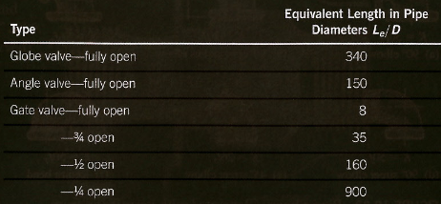
K6 |  | 0.078 | 0.00005 | 0.00064102564103 | 0.13184433156 | 1E+100 | Turbulent | 0.01766376764 | 6.0056809977 | 0.0053209133003 | 1 | 2
 |  |  |  |  |  |  |  |  | Total frictional Headloss | 0.061249400067

Step 3: Calculate pump head, pump power

3.1 Calculate pump work required
Parameter | Value | Units | Reference
Pump work required | 4.0612494001 | [m] | 2
 | 39.840856615 | [J/Kg]
 | 25.099739667 | [W]
 | 0.033690925728 | [HP]
Efficiency of pump | 70%
Pump power | 0.048129893897 | [HP]

