1360
Comprehensive Power BI Desktop Lesson to Visualize Excel Data & Build Dynamic Dashboard (EMT 1360)

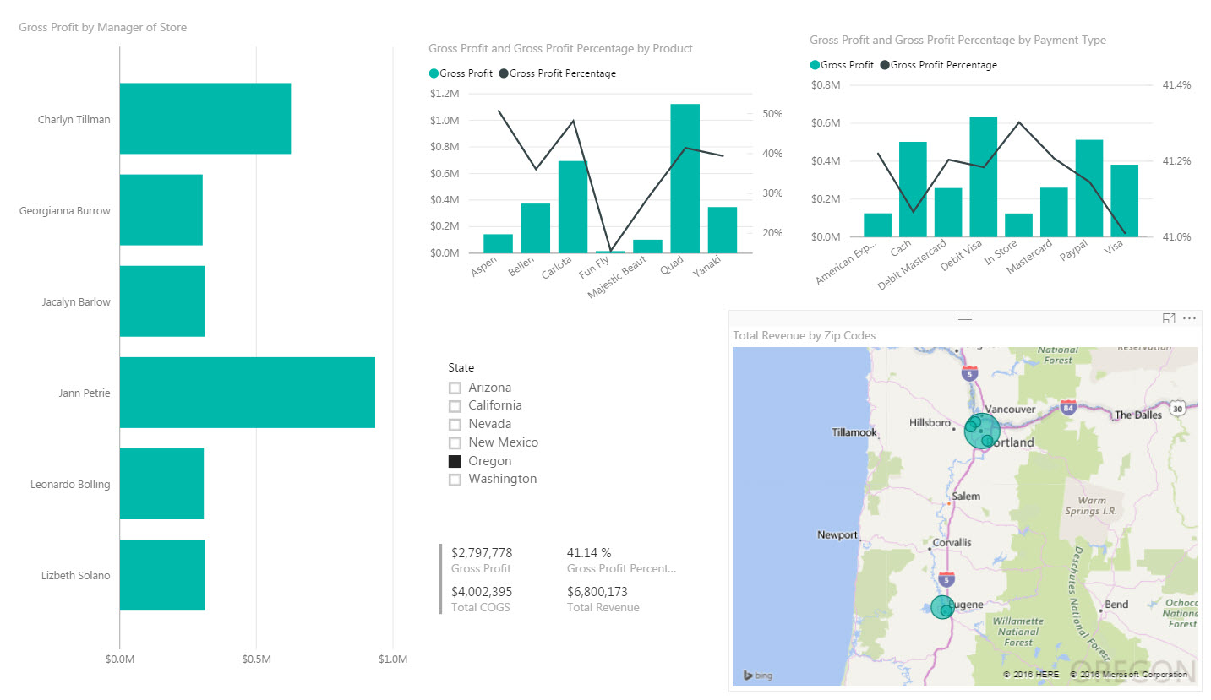
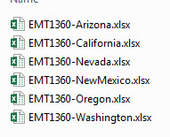



What is Power BI Desktop: Combines Excel's Power Query, Power Pivot Data Model, DAX Formulas & Charting and Visualizations into 1 Free Tool

 | These Two Videos Show how to Import Data From Multiple Tables and Create Single Proper Data Set:
 | These two videos require that we create Custom Column and invoke the
 | Excel.Workbook function to get at the Excel Objects in each Excel File:
 | Excel Magic Trick 1332: Power BI Desktop: Import Multiple Excel Files & Build Dashboard
 | https://www.youtube.com/watch?v=uCo-ypA-G70&t=7s
 | Excel Magic Trick 1331: Import Multiple Excel Files & Sheets into Excel: Power Query Get & Transform
 | https://www.youtube.com/watch?v=ldoQws7Zbx8&t=345s

 | These Videos show how to create Custom Power Query Functions:
 | Excel Magic Trick 1347: Power Query Function: Split Master Table into Sub Tables for Each Product
 | https://www.youtube.com/watch?v=Tnw77rpm-BQ
 | Excel Magic Trick 1349: Power Query with Input Variables from Excel Sheet to Extract Records
 | https://www.youtube.com/watch?v=gK2yBpiITvI
 | Excel Magic Trick 1357: Power Query Function to Repeat Clean & Transform Steps for Many Excel Files
 | https://www.youtube.com/watch?v=_csX8sCzJd0

Comprehensive Power BI Desktop Lesson to Visualize Excel Data & Build Dynamic Dashboard (EMT 1360)
1 | Introduction to entire process, including looking at the finished Dashboard
2 | Import Multiple Excel Files From Folder
3 | Name Query
4 | Transform extension column to lowercase
5 | Filter Files to only include ".xlsx" file extensions
6 | Remove Columns
7 | Use Double Downward Point Arrow Icon to extract Objects from each Excel file. This step automatically creates a Power Query Function, and then Invokes the Function to get all the objects from each Excel file. This is a new feature as of the November 2016 Update.
8 | Look at M Code for automated process
9 | Filter to only include Excel Sheet Objects
10 | Filter to exclude sheets that contain the word "Sheet"
11 | Expand Data and Sheet Name Columns
12 | Change Field Names
13 | Change Data Types
14 | Add Conditional Column to Categorize Retail Data. Change Data Type.
15 | Create Net Revenue Column by Highlighting and using Product. Then Round the column. Then Add Data Type.
16 | Remove columns for Amount and Revenue Discount
17 | Close and Apply to add to Data Model
18 | Import Excel Manager Table. Change Data Types to Text. Close and Apply
19 | Create Relationship between Zip Code Columns
20 | Create Measures for: Total Revenue, Total COGS and Gross Profit. Add Currency Number Formatting with No Decimals Showing.
21 | Create Measures for: Gross Profit Percentage. Add Percentage Number Formatting with Two Decimals Showing.
22 | Create Map Visualization for Zip Code & Gross Profit Data (Zip Code with relationship to Managers)
23 | Create Clustered Bar for Manager Names & Gross Profit Data (Zip Code with relationship to Managers)
24 | Create Clustered Column for Product & Gross Profit Data, with a Line Chart for Gross Profit Percentage
25 | Create Clustered Column for Payment Method & Gross Profit Data, with a Line Chart for Gross Profit Percentage
26 | Create Card Visualization for Total Revenue, Total COGS, Gross Profit and Gross Profit Percentage.
27 | Create Slicer for States.
28 | Update Data Source and test Dynamic Dashboard.
29 | Summary

