2016 Storms by Basin
Number of Storms by Type and Basin
2016 Season

BasinName | Frequency
West Pacific | 26
East Pacific | 23
North Atlantic | 16
South Indian | 10
South Pacific | 9
North Indian | 6

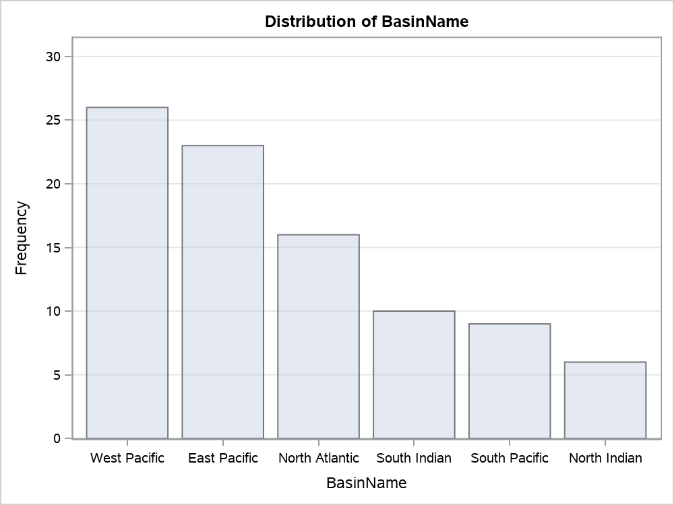

Table of BasinName by Type
BasinName | Type | Frequency | Percent
West Pacific | TS | 13 | 14.44
 | ET | 13 | 14.44
 | DS | 0 | 0.00
 | NR | 0 | 0.00
 | Total | 26 | 28.89
East Pacific | TS | 4 | 4.44
 | ET | 0 | 0.00
 | DS | 18 | 20.00
 | NR | 1 | 1.11
 | Total | 23 | 25.56
North Atlantic | TS | 3 | 3.33
 | ET | 9 | 10.00
 | DS | 4 | 4.44
 | NR | 0 | 0.00
 | Total | 16 | 17.78
South Indian | TS | 6 | 6.67
 | ET | 2 | 2.22
 | DS | 0 | 0.00
 | NR | 2 | 2.22
 | Total | 10 | 11.11
South Pacific | TS | 0 | 0.00
 | ET | 0 | 0.00
 | DS | 0 | 0.00
 | NR | 9 | 10.00
 | Total | 9 | 10.00
North Indian | TS | 0 | 0.00
 | ET | 0 | 0.00
 | DS | 0 | 0.00
 | NR | 6 | 6.67
 | Total | 6 | 6.67
Total | TS | 26 | 28.89
 | ET | 24 | 26.67
 | DS | 22 | 24.44
 | NR | 18 | 20.00
 | Total | 90 | 100.00

2016 North Atlantic Basin
