Sheet1
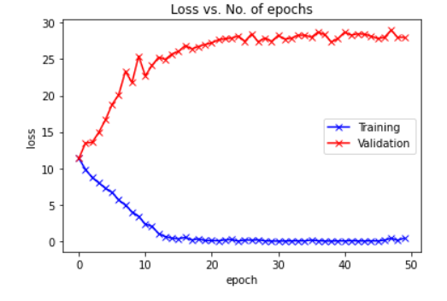
Dataset | MS1MV2 | Epoch | Train Loss | Val Loss | Accuracy | Time for execution
Size of training dataset | 4658 | 1 | 11.3568 | 11.3791 | 0 | 15.04 secs
Size of validation dataset | 582 | 2 | 9.8561 | 13.469 | 0 | 15.25 secs
Size of test dataset | 582 | 3 | 8.7359 | 13.5754 | 0 | 14.98 secs
 |  | 4 | 8.0061 | 14.9464 | 0 | 14.91 secs
Dataset factor | 0.001 | 5 | 7.2574 | 16.6591 | 0 | 15.06 secs
 |  | 6 | 6.6941 | 18.7754 | 0 | 14.9 secs
No. of epochs | 50 | 7 | 5.66 | 20.1138 | 0 | 15.03 secs
Loss | CE + Softmax | 8 | 4.9483 | 23.3268 | 0 | 14.94 secs
 |  | 9 | 4.0238 | 21.7912 | 0 | 14.98 secs
 |  | 10 | 3.4243 | 25.4108 | 0 | 14.8 secs
 |  | 11 | 2.3351 | 22.7144 | 0 | 14.81 secs
 |  | 12 | 2.0507 | 24.1133 | 0 | 14.87 secs
 |  | 13 | 1.0427 | 25.2685 | 0 | 14.83 secs
 |  | 14 | 0.6384 | 24.957 | 0 | 14.84 secs
 |  | 15 | 0.4106 | 25.706 | 0 | 14.91 secs
 |  | 16 | 0.3319 | 26.0467 | 0 | 15.06 secs
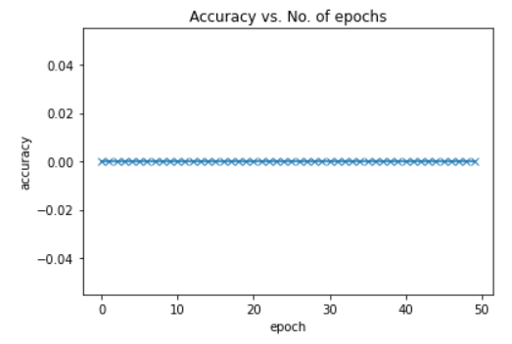
 |  | 17 | 0.5211 | 26.8692 | 0 | 14.83 secs
 |  | 18 | 0.1732 | 26.4058 | 0 | 14.83 secs
 |  | 19 | 0.3064 | 26.7401 | 0 | 14.75 secs
 |  | 20 | 0.0922 | 27.0162 | 0 | 14.56 secs
 |  | 21 | 0.0853 | 27.2359 | 0 | 14.88 secs
 |  | 22 | 0.0618 | 27.6526 | 0 | 14.73 secs
 |  | 23 | 0.1797 | 27.7913 | 0 | 14.69 secs
 |  | 24 | 0.2233 | 27.9018 | 0 | 14.78 secs
 |  | 25 | 0.0152 | 28.1743 | 0 | 14.8 secs
 |  | 26 | 0.1644 | 27.4498 | 0 | 14.62 secs
 |  | 27 | 0.1451 | 28.4645 | 0 | 14.71 secs
 |  | 28 | 0.1802 | 27.3768 | 0 | 14.7 secs
 |  | 29 | 0.0486 | 27.9176 | 0 | 14.96 secs
 |  | 30 | 0.0081 | 27.4406 | 0 | 14.75 secs
 |  | 31 | 0.0067 | 28.2504 | 0 | 14.76 secs
 |  | 32 | 0.0162 | 27.7605 | 0 | 14.7 secs
 |  | 33 | 0.0401 | 27.8783 | 0 | 14.94 secs
 |  | 34 | 0.0466 | 28.2767 | 0 | 14.61 secs
 |  | 35 | 0.0359 | 28.2813 | 0 | 14.93 secs
 |  | 36 | 0.1526 | 28.0128 | 0 | 14.52 secs
 |  | 37 | 0.0541 | 28.7113 | 0 | 13.63 secs
 |  | 38 | 0.0195 | 28.3683 | 0 | 13.62 secs
 |  | 39 | 0.0067 | 27.3511 | 0 | 13.62 secs
 |  | 40 | 0.0385 | 27.8217 | 0 | 13.56 secs
 |  | 41 | 0.0259 | 28.7043 | 0 | 13.51 secs
 |  | 42 | 0.067 | 28.3068 | 0 | 13.7 secs
 |  | 43 | 0.0251 | 28.4773 | 0 | 13.57 secs
 |  | 44 | 0.0242 | 28.4214 | 0 | 13.7 secs
 |  | 45 | 0.0441 | 28.1509 | 0 | 13.65 secs
 |  | 46 | 0.0248 | 27.8289 | 0 | 13.45 secs
 |  | 47 | 0.1417 | 27.9844 | 0 | 13.58 secs
 |  | 48 | 0.4053 | 28.9836 | 0 | 13.72 secs
 |  | 49 | 0.1155 | 27.9855 | 0 | 13.65 secs
 |  | 50 | 0.4341 | 27.994 | 0 | 14.23 secs

Sheet2
Dataset | MS1MV2 | Epoch | Train Loss | Val Loss | Accuracy | Time for execution
Size of training dataset | 4658123 | 1 | 2.7719 | 2.5882 | NA | 4086.8 secs
Size of validation dataset | 582265 | 2 | 0.772 | 1.0325 | NA | 4083.88 secs
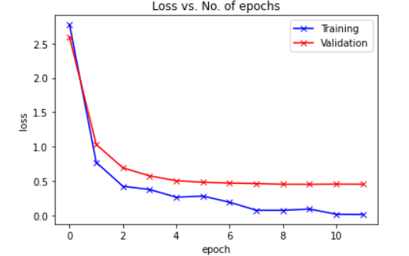
Size of test dataset | 582265 | 3 | 0.4254 | 0.6935 | NA | 4086.06 secs
 |  | 4 | 0.3784 | 0.5765 | NA | 4081.44 secs
Dataset factor | 1 | 5 | 0.2668 | 0.5063 | NA | 4078.7 secs
 |  | 6 | 0.2828 | 0.4838 | NA | 4079.71 secs
No. of epochs | 12 | 7 | 0.1932 | 0.472 | NA | 4085.73 secs
Loss | CE + Softmax | 8 | 0.0771 | 0.4644 | NA | 4075.63 secs
 |  | 9 | 0.0765 | 0.4546 | NA | 4087.82 secs
 |  | 10 | 0.0945 | 0.4537 | NA | 4082.99 secs
 |  | 11 | 0.0189 | 0.4563 | NA | 4087.45 secs
 |  | 12 | 0.0156 | 0.4548 | NA | 4083.49 secs

Sheet5
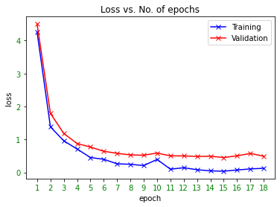
Dataset | MS1MV2 | Epoch | Train Loss | Val Loss | Accuracy | Accuracy (in %) | Time for execution
Size of training dataset | 4658123 | 1 | 4.2555389404 | 4.5001738033 | 0.25303255391 | 25.3 | 3978.88 secs
Size of validation dataset | 582265 | 2 | 1.3821685314 | 1.7915997116 | 0.66017191485 | 66.02 | 3973.64 secs
Size of test dataset | 582265 | 3 | 0.95826774836 | 1.1818754716 | 0.7670407804 | 76.7
 |  | 4 | 0.70985913277 | 0.8759542784 | 0.82640893751 | 82.64
Dataset factor | 1 | 5 | 0.4520458281 | 0.76894989233 | 0.85640558852 | 85.64
 |  | 6 | 0.39782196283 | 0.64185497871 | 0.87421534868 | 87.42
No. of epochs | 18 | 7 | 0.26149538159 | 0.57940093551 | 0.88634899917 | 88.63
Loss | CE + Softmax | 8 | 0.2462041676 | 0.53029625571 | 0.89984628992 | 89.98
 |  | 9 | 0.20777024329 | 0.52189694156 | 0.90308021262 | 90.31
 |  | 10 | 0.39392545819 | 0.58737992768 | 0.88941289619 | 88.94
 |  | 11 | 0.098065763712 | 0.50144902326 | 0.90932307455 | 90.93
 |  | 12 | 0.14206686616 | 0.50147616798 | 0.91233029634 | 91.23
 |  | 13 | 0.081921033561 | 0.48359158111 | 0.91562776399 | 91.56
 |  | 14 | 0.047042686492 | 0.49107329297 | 0.9155178484 | 91.55
 |  | 15 | 0.036908812821 | 0.45183358365 | 0.92464771195 | 92.46
 |  | 16 | 0.073689647019 | 0.50308653777 | 0.91357886873 | 91.36
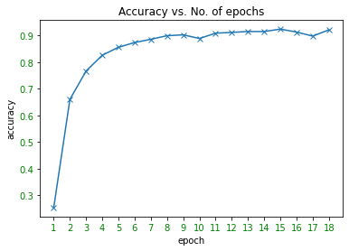
 |  | 17 | 0.10571864247 | 0.57598667171 | 0.89835212489 | 89.84
 |  | 18 | 0.1253452152 | 0.49035850436 | 0.921831125 | 92.18

 |  |  |  |  | Max acc. | 92.46

Sheet3
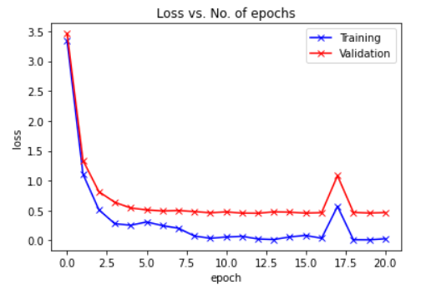
Dataset | MS1MV2 | Epoch | Train Loss | Val Loss | Accuracy | Time for execution
Size of training dataset | 4658123 | 1 | 3.3375 | 3.4602 | NA | 3969.49 secs
Size of validation dataset | 582265 | 2 | 1.1076 | 1.3383 | NA | 3974.22 secs
Size of test dataset | 582265 | 3 | 0.5115 | 0.8146 | NA | 3976.56 secs
 |  | 4 | 0.2787 | 0.6372 | NA | 3979.67 secs
Dataset factor | 1 | 5 | 0.2534 | 0.5423 | NA | 3979.18 secs
 |  | 6 | 0.3084 | 0.5104 | NA | 3976.86 secs
No. of epochs | 21 | 7 | 0.2468 | 0.4925 | NA | 3975.74 secs
Loss | CE + Softmax | 8 | 0.203 | 0.4992 | NA | 3976.72 secs
 |  | 9 | 0.074 | 0.4826 | NA | 3975.5 secs
 |  | 10 | 0.0354 | 0.462 | NA | 3978.08 secs
 |  | 11 | 0.0566 | 0.4771 | NA | 3981.73 secs
 |  | 12 | 0.0687 | 0.4569 | NA | 3974.27 secs
 |  | 13 | 0.0239 | 0.4545 | NA | 3975.45 secs
 |  | 14 | 0.0141 | 0.4778 | NA | 3977.2 secs
 |  | 15 | 0.0591 | 0.4721 | NA | 3975.91 secs
 |  | 16 | 0.0827 | 0.4571 | NA | 3977.44 secs
 |  | 17 | 0.0363 | 0.4646 | NA | 3978.23 secs
 |  | 18 | 0.5689 | 1.0827 | NA | 3976.22 secs
 |  | 19 | 0.0107 | 0.4693 | NA | 3976.64 secs
 |  | 20 | 0.0091 | 0.458 | NA | 3976.34 secs
 |  | 21 | 0.0278 | 0.4664 | NA | 3977.4 secs

Sheet4
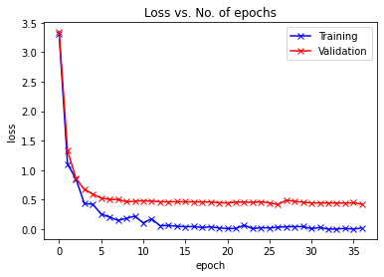
Dataset | MS1MV2 | Epoch | Train Loss | Val Loss | Accuracy | Accuracy (in %) | Time for execution
Size of training dataset | 4658123 | 1 | 3.3118 | 3.3415 | 0.4091 | 40.91 | 4076.65 secs
Size of validation dataset | 582265 | 2 | 1.1058 | 1.3371 | 0.7401 | 74.01 | 3960.96 secs
Size of test dataset | 582265 | 3 | 0.8528 | 0.8592 | 0.8316 | 83.16 | 3959.45 secs
 |  | 4 | 0.4364 | 0.6758 | 0.8658 | 86.58 | 3963.02 secs
Dataset factor | 1 | 5 | 0.4234 | 0.5952 | 0.8833 | 88.33 | 3959.76 secs
 |  | 6 | 0.2575 | 0.5291 | 0.8987 | 89.87 | 3961.1 secs
No. of epochs | 37 | 7 | 0.2052 | 0.5044 | 0.9044 | 90.44 | 3961.46 secs
Loss | CE + Softmax | 8 | 0.1496 | 0.5048 | 0.9059 | 90.59 | 3965.14 secs
 |  | 9 | 0.1844 | 0.4661 | 0.9153 | 91.53 | 3958.51 secs
 |  | 10 | 0.2219 | 0.4729 | 0.9158 | 91.58 | 3959.9 secs
 |  | 11 | 0.1077 | 0.4821 | 0.9169 | 91.69 | 3963.6 secs
 |  | 12 | 0.1764 | 0.4768 | 0.9199 | 91.99 | 3960.85 secs
 |  | 13 | 0.06 | 0.4655 | 0.9234 | 92.34 | 3960.95 secs
 |  | 14 | 0.0642 | 0.4649 | 0.9234 | 92.34 | 3963.03 secs
 |  | 15 | 0.0498 | 0.4656 | 0.9249 | 92.49 | 3956.64 secs
 |  | 16 | 0.0424 | 0.4665 | 0.9269 | 92.69 | 3948.15 secs
 |  | 17 | 0.0454 | 0.4641 | 0.9275 | 92.75 | 3956.81 secs
 |  | 18 | 0.0291 | 0.4617 | 0.9291 | 92.91 | 3959.22 secs
 |  | 19 | 0.0397 | 0.4619 | 0.9288 | 92.88 | 3961.12 secs
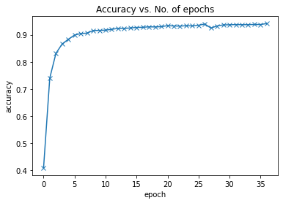
 |  | 20 | 0.0229 | 0.4486 | 0.9299 | 92.99 | 3953.9 secs
 |  | 21 | 0.011 | 0.446 | 0.9334 | 93.34 | 3959.08 secs
 |  | 22 | 0.0143 | 0.4581 | 0.9323 | 93.23 | 3958.49 secs
 |  | 23 | 0.0674 | 0.4614 | 0.9317 | 93.17 | 3958.34 secs
 |  | 24 | 0.0106 | 0.4544 | 0.9332 | 93.32 | 3958.64 secs
 |  | 25 | 0.0251 | 0.4641 | 0.9325 | 93.25 | 3957.28 secs
 |  | 26 | 0.0224 | 0.4482 | 0.9348 | 93.48 | 3956.32 secs
 |  | 27 | 0.0337 | 0.4177 | 0.9395 | 93.95 | 3956.95 secs
 |  | 28 | 0.042 | 0.4919 | 0.9246 | 92.46 | 3956.6 secs
 |  | 29 | 0.0426 | 0.4735 | 0.9324 | 93.24 | 3957.11 secs
 |  | 30 | 0.0451 | 0.4579 | 0.9362 | 93.62 | 3957.1 secs
 |  | 31 | 0.0099 | 0.4451 | 0.9367 | 93.67 | 3958.71 secs
 |  | 32 | 0.0301 | 0.4449 | 0.9375 | 93.75 | 3955.17 secs
 |  | 33 | 0.0024 | 0.4468 | 0.937 | 93.7 | 3957.77 secs
 |  | 34 | 0.0038 | 0.4436 | 0.9371 | 93.71 | 3956.85 secs
 |  | 35 | 0.0136 | 0.4439 | 0.9378 | 93.78 | 3957.69 secs
 |  | 36 | 0.0027 | 0.4487 | 0.9377 | 93.77 | 3957.14 secs
 |  | 37 | 0.0203 | 0.4242 | 0.9412 | 94.12 | 3970.29 secs

 |  |  |  |  | Max acc. | 94.12

Sheet6
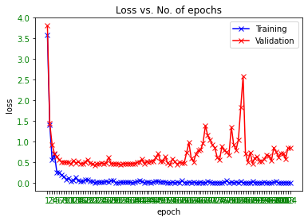
Dataset | MS1MV2 | Epoch | Train Loss | Val Loss | Accuracy | Accuracy (in %) | Time for execution
Size of training dataset | 4658123 | 1 | 3.5939190388 | 3.8113522422 | 0.34542862786 | 34.54 | 3978.88 secs
Size of validation dataset | 582265 | 2 | 1.4102814198 | 1.4419876178 | 0.71909697475 | 71.91 | 3973.64 secs
Size of test dataset | 582265 | 3 | 0.55235874653 | 0.92284679916 | 0.81674667033 | 81.67
 |  | 4 | 0.68528258801 | 0.7061196058 | 0.86135007256 | 86.14
Dataset factor | 1 | 5 | 0.25671744347 | 0.63167756714 | 0.87478210093 | 87.48
 |  | 6 | 0.24928492308 | 0.55863433347 | 0.8907404704 | 89.07
No. of epochs | 104 | 7 | 0.18410924077 | 0.5080428076 | 0.90336358874 | 90.34
Loss | CE + Softmax | 8 | 0.14705011249 | 0.50171303293 | 0.90657346741 | 90.66
 |  | 9 | 0.08140964061 | 0.49425692156 | 0.9104651662 | 91.05
 |  | 10 | 0.11475674063 | 0.50057116103 | 0.91140975329 | 91.14
 |  | 11 | 0.045166701078 | 0.4538135767 | 0.92078349205 | 92.08
 |  | 12 | 0.053234983236 | 0.54296752171 | 0.91862124634 | 91.86
 |  | 13 | 0.13142295182 | 0.47874112325 | 0.92135711403 | 92.14
 |  | 14 | 0.048345729709 | 0.5108257373 | 0.92240818184 | 92.24
 |  | 15 | 0.037751574069 | 0.464410189 | 0.92560088619 | 92.56
 |  | 16 | 0.028216062114 | 0.46700761617 | 0.92704181086 | 92.7
 |  | 17 | 0.075933612883 | 0.49903572506 | 0.92541712107 | 92.54
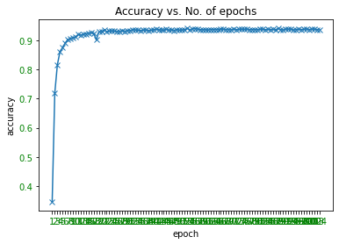
 |  | 18 | 0.072756387293 | 0.56690413976 | 0.90212532094 | 90.21
 |  | 19 | 0.042089119554 | 0.47121781224 | 0.92978111341 | 92.98
 |  | 20 | 0.037004590034 | 0.45506247077 | 0.93028775558 | 93.03
 |  | 21 | 0.0048185428604 | 0.42261585713 | 0.93671094776 | 93.67
 |  | 22 | 0.022830970585 | 0.46978130378 | 0.93029290787 | 93.03
 |  | 23 | 0.018377441913 | 0.45799161232 | 0.93256850403 | 93.26
 |  | 24 | 0.0092346854508 | 0.4872880083 | 0.93293259942 | 93.29
 |  | 25 | 0.024245403707 | 0.46868717232 | 0.93214601599 | 93.21
 |  | 26 | 0.035151727498 | 0.48386535354 | 0.93123062523 | 93.12
 |  | 27 | 0.0178617239 | 0.61788797139 | 0.93085966012 | 93.09
 |  | 28 | 0.050983641297 | 0.46065969744 | 0.93468609654 | 93.47
 |  | 29 | 0.05290100351 | 0.46964637987 | 0.93183859583 | 93.18
 |  | 30 | 0.0022267084569 | 0.46212649697 | 0.934711858 | 93.47
 |  | 31 | 0.0047831116244 | 0.46617768032 | 0.93360754983 | 93.36
 |  | 32 | 0.01517196279 | 0.44559481571 | 0.937564511 | 93.76
 |  | 33 | 0.0098250191659 | 0.46105918336 | 0.93627815514 | 93.63
 |  | 34 | 0.011357056908 | 0.46552441566 | 0.93531811117 | 93.53
 |  | 35 | 0.018997952342 | 0.47074675383 | 0.93449546169 | 93.45
 |  | 36 | 0.009439330548 | 0.46178276815 | 0.93584364508 | 93.58
 |  | 37 | 0.0020197690465 | 0.46185352335 | 0.93626785055 | 93.63
 |  | 38 | 0.017071677372 | 0.46975555567 | 0.93471529286 | 93.47
 |  | 39 | 0.030516114086 | 0.49540815217 | 0.93513262861 | 93.51
 |  | 40 | 0.049767117947 | 0.50549236155 | 0.93649798631 | 93.65
 |  | 41 | 0.02797841467 | 0.57238491756 | 0.93930942097 | 93.93
 |  | 42 | 0.002252627397 | 0.46788092648 | 0.93698573673 | 93.7
 |  | 43 | 0.026793306693 | 0.51611128791 | 0.93624208908 | 93.62
 |  | 44 | 0.023298282176 | 0.50282150507 | 0.93532669832 | 93.53
 |  | 45 | 0.0048047462478 | 0.52528118336 | 0.93864305771 | 93.86
 |  | 46 | 0.021847655997 | 0.52476850101 | 0.93546752767 | 93.55
 |  | 47 | 0.034011386335 | 0.6139794362 | 0.93699260646 | 93.7
 |  | 48 | 0.030685530975 | 0.70601733459 | 0.93511201944 | 93.51
 |  | 49 | 0.015080744401 | 0.51228839396 | 0.93792517153 | 93.79
 |  | 50 | 0.026045782492 | 0.52639973191 | 0.93544520107 | 93.54
 |  | 51 | 0.022268375382 | 0.63491667256 | 0.93636230926 | 93.64
 |  | 52 | 0.0051126061007 | 0.47971531188 | 0.93677964501 | 93.68
 |  | 53 | 0.001412858488 | 0.43905074437 | 0.94192163362 | 94.19
 |  | 54 | 0.012636804022 | 0.5784396778 | 0.93605832396 | 93.61
 |  | 55 | 0.00038070080336 | 0.5138639088 | 0.94037422823 | 94.04
 |  | 56 | 0.021043498069 | 0.44895785657 | 0.9408533915 | 94.09
 |  | 57 | 0.0016115300823 | 0.49706143089 | 0.93911535126 | 93.91
 |  | 58 | 0.0497385934 | 0.48540420875 | 0.93740307248 | 93.74
 |  | 59 | 0.0067468881607 | 0.48003498252 | 0.93691703949 | 93.69
 |  | 60 | 0.0013671956258 | 0.72351220114 | 0.93719011103 | 93.72
 |  | 61 | 0.017835548148 | 0.97611706437 | 0.93581273132 | 93.58
 |  | 62 | 0.0065296851099 | 0.59492858698 | 0.93807802289 | 93.81
 |  | 63 | 0.0192620866 | 0.50887189233 | 0.93730689634 | 93.73
 |  | 64 | 0.0025251028128 | 0.70196273742 | 0.93775342842 | 93.78
 |  | 65 | 0.0016882949276 | 0.78662083074 | 0.93750783578 | 93.75
 |  | 66 | 0.01409520302 | 0.80021990517 | 0.93900887053 | 93.9
 |  | 67 | 0.0068103102967 | 0.96598028903 | 0.93869801551 | 93.87
 |  | 68 | 0.0012328698067 | 1.385948167 | 0.93767270916 | 93.77
 |  | 69 | 0.032807033509 | 1.147966357 | 0.93779464677 | 93.78
 |  | 70 | 0.019869174808 | 1.0417196278 | 0.9366302285 | 93.66
 |  | 71 | 0.0018816866213 | 0.91611221517 | 0.93960138425 | 93.96
 |  | 72 | 0.0083958068863 | 0.84819462692 | 0.93738589817 | 93.74
 |  | 73 | 0.0044448743574 | 0.62078656169 | 0.93821026509 | 93.82
 |  | 74 | 0.0029916041531 | 0.5505198153 | 0.93895219531 | 93.9
 |  | 75 | 0.00057925010333 | 0.88125697496 | 0.93816904674 | 93.82
 |  | 76 | 0.016768502071 | 0.784969168 | 0.93913939529 | 93.91
 |  | 77 | 0.049149394035 | 0.742340501 | 0.93712828351 | 93.71
 |  | 78 | 0.0015187953832 | 0.67378528717 | 0.93757996788 | 93.76
 |  | 79 | 0.018290070817 | 1.3567927678 | 0.93737902845 | 93.74
 |  | 80 | 0.0011362369405 | 0.9226380846 | 0.93722961195 | 93.72
 |  | 81 | 0.02454758808 | 0.79681751327 | 0.93852798983 | 93.85
 |  | 82 | 0.0016970442375 | 1.0456614973 | 0.93904665401 | 93.9
 |  | 83 | 0.028912154958 | 1.8302565008 | 0.93720213305 | 93.72
 |  | 84 | 0.0041600647382 | 2.5889331109 | 0.93816217702 | 93.82
 |  | 85 | 0.0012354315259 | 0.71734339283 | 0.93798356418 | 93.8
 |  | 86 | 0.003601141274 | 0.50253015595 | 0.93855031644 | 93.86
 |  | 87 | 0.00041831639828 | 0.73862986327 | 0.93630906889 | 93.63
 |  | 88 | 0.036135967821 | 0.46964564583 | 0.94132396761 | 94.13
 |  | 89 | 0.0011820284417 | 0.60507678811 | 0.93747348716 | 93.75
 |  | 90 | 0.0061364551075 | 0.62622191118 | 0.93615278267 | 93.62
 |  | 91 | 0.0035853169393 | 0.52029231801 | 0.93904493658 | 93.9
 |  | 92 | 0.0031598967034 | 0.52609627597 | 0.93922870171 | 93.92
 |  | 93 | 0.014302090742 | 0.5733476609 | 0.93909474208 | 93.91
 |  | 94 | 0.002235659631 | 0.67446460258 | 0.93609782487 | 93.61
 |  | 95 | 0.00054485030705 | 0.65195882047 | 0.93803680455 | 93.8
 |  | 96 | 0.0013675031951 | 0.53298541761 | 0.93852283754 | 93.85
 |  | 97 | 0.013231742196 | 0.84732904885 | 0.9376916009 | 93.77
 |  | 98 | 0.028190407902 | 0.75113328984 | 0.93857951276 | 93.86
 |  | 99 | 0.00096200493863 | 0.62050677219 | 0.93959623196 | 93.96
 |  | 100 | 0.00086280278629 | 0.71976979299 | 0.93768129632 | 93.77
 |  | 101 | 0.0011304842774 | 0.72137177451 | 0.93948116407 | 93.95
 |  | 102 | 0.0053699314594 | 0.57385075815 | 0.93898139163 | 93.9
 |  | 103 | 0.00072815921158 | 0.84209144465 | 0.93727598259 | 93.73
 |  | 104 | 0.00057661510073 | 0.83924727515 | 0.93718152388 | 93.72

 |  |  |  |  | Max acc. | 94.19

Sheet7

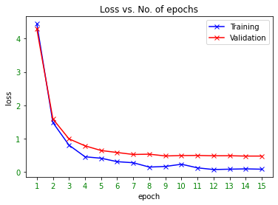
Dataset | MS1MV2 | Epoch | Train Loss | Val Loss | Accuracy | Accuracy (in %) | Time for execution
Size of training dataset | 4658123 | 1 | 4.4425768852 | 4.2915642258 | 0.28924287051 | 28.92 | 3978.88 secs
Size of validation dataset | 582265 | 2 | 1.4829388857 | 1.5903604751 | 0.69517144256 | 69.52 | 3973.64 secs
Size of test dataset | 582265 | 3 | 0.8074888587 | 0.99487046363 | 0.80466626021 | 80.47
 |  | 4 | 0.45769640803 | 0.78610694279 | 0.84462744627 | 84.46
Dataset factor | 1 | 5 | 0.41385242343 | 0.64510283037 | 0.87386155788 | 87.39
 |  | 6 | 0.31114423275 | 0.58553535019 | 0.88568435334 | 88.57
No. of epochs | 15 | 7 | 0.27879732847 | 0.52689359092 | 0.90040273759 | 90.04
Loss | CE + Softmax | 8 | 0.14889170229 | 0.53532540229 | 0.89983083304 | 89.98
 |  | 9 | 0.16792578995 | 0.48237580046 | 0.9136767623 | 91.37
 |  | 10 | 0.23393437266 | 0.49397047715 | 0.91217572755 | 91.22
 |  | 11 | 0.12560474873 | 0.49695845001 | 0.91361665221 | 91.36
 |  | 12 | 0.075037188828 | 0.48766236592 | 0.91682481344 | 91.68
 |  | 13 | 0.085946939886 | 0.48885636074 | 0.91914849768 | 91.91
 |  | 14 | 0.095155097544 | 0.47863523759 | 0.92138115806 | 92.14
 |  | 15 | 0.084981605411 | 0.47875266005 | 0.92315182949 | 92.32

 |  |  |  |  | Max acc. | 92.32

Sheet8
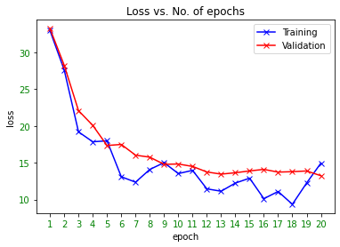
Dataset | MS1MV2 | Epoch | Train Loss | Val Loss | Accuracy | Accuracy (in %) | Time for execution
Size of training dataset | 4658123 | 1 | 32.936767578 | 33.208675182 | 0 | 0 | 3978.88 secs
Size of validation dataset | 582265 | 2 | 27.583044052 | 28.214332317 | 0.007348887534 | 0.73 | 3973.64 secs
Size of test dataset | 582265 | 3 | 19.188268661 | 22.071185036 | 0.16964955819 | 16.96
 |  | 4 | 17.838420868 | 20.066537315 | 0.26283736787 | 26.28
Dataset transformations: |  | 5 | 17.972173691 | 17.334243821 | 0.31818845371 | 31.82
1- Random horizontal flip |  | 6 | 13.090308189 | 17.478868857 | 0.34497694349 | 34.5
2- Mean (0.5, 0.5, 0.5) |  | 7 | 12.351721764 | 16.022094648 | 0.38909774759 | 38.91
3- Std (0.5, 0.5, 0.5) |  | 8 | 14.080720901 | 15.749000399 | 0.41383047238 | 41.38
 |  | 9 | 15.00672245 | 14.778450044 | 0.42519299632 | 42.52
Dataset factor | 1 | 10 | 13.52090168 | 14.821127304 | 0.42149708466 | 42.15
 |  | 11 | 13.958260536 | 14.49099918 | 0.44586571406 | 44.59
Batch size | 128 | 12 | 11.446878433 | 13.74042559 | 0.45722136828 | 45.72
 |  | 13 | 11.124167442 | 13.447110603 | 0.46195289087 | 46.2
Input image size | 112x112x3 | 14 | 12.230788231 | 13.632134015 | 0.47011584073 | 47.01
 |  | 15 | 12.894728661 | 13.882322936 | 0.44743372863 | 44.74
Model | ResNet-50 | 16 | 10.113565445 | 14.090657101 | 0.44820657261 | 44.82
 |  | 17 | 11.088205338 | 13.720617943 | 0.45767992237 | 45.77
Loss | CE + CosFace (v1) | 18 | 9.3498954773 | 13.778764187 | 0.47541239813 | 47.54
 |  | 19 | 12.241287231 | 13.874162535 | 0.45661339768 | 45.66
Cosface parameters: |  | 20 | 14.936357498 | 13.229727485 | 0.46929319124 | 46.93
s | 64
m | 0.35 |  |  |  | Max acc. | 47.54
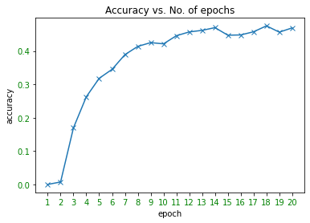
No. of epochs | 20
LR | 0.01

Backpropagation parameters:
Model parameters | SGD
Last layer parameters | Not implemented
Momentum | 0.9
Weight decay | 5.00E-04

Sheet9
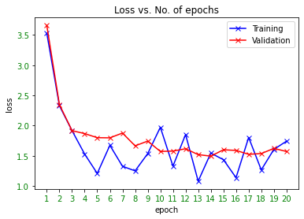
Dataset | MS1MV2 |  | Epoch | Train Loss | Val Loss | Accuracy | Accuracy (in %)
Size of training dataset | 4658123 |  | 1 | 3.5274157524 | 3.6578460073 | 0.44276746842 | 44.28 | Time for execution
Size of validation dataset | 582265 |  | 2 | 2.3277962208 | 2.347985093 | 0.62248117266 | 62.25 | 5350 secs

Size of test dataset | 582265 |  | 3 | 1.9162166119 | 1.9162305736 | 0.68942491821 | 68.94 | 5084 secs
 |  |  | 4 | 1.5288965702 | 1.8673269157 | 0.69539642603 | 69.54
Dataset transformations: |  |  | 5 | 1.2080198526 | 1.7998027067 | 0.70548118125 | 70.55
1- Random horizontal flip |  |  | 6 | 1.6732441187 | 1.7972273516 | 0.70695645454 | 70.7
2- Mean (0.5, 0.5, 0.5) |  |  | 7 | 1.3267222643 | 1.8763207838 | 0.69256266477 | 69.26
3- Std (0.5, 0.5, 0.5) |  |  | 8 | 1.2505850792 | 1.6645716725 | 0.72734923102 | 72.73
 |  |  | 9 | 1.5363887548 | 1.7434489935 | 0.71288674401 | 71.29
Dataset factor | 1 |  | 10 | 1.9724458456 | 1.5720281544 | 0.74171725932 | 74.17
 |  |  | 11 | 1.3293669224 | 1.5780544086 | 0.73960138425 | 73.96
Batch size | 128 |  | 12 | 1.8519779444 | 1.6164126812 | 0.73332760856 | 73.33
 |  |  | 13 | 1.0808795691 | 1.5195019018 | 0.75158218337 | 75.16
Input image size | 112x112x3 |  | 14 | 1.5445855856 | 1.4941096274 | 0.75519565833 | 75.52
 |  |  | 15 | 1.4356436729 | 1.5994912899 | 0.73740994221 | 73.74
Model | ResNet-50 |  | 16 | 1.1383484602 | 1.5888288032 | 0.73841979168 | 73.84
 |  |  | 17 | 1.8032232523 | 1.5247938344 | 0.7491073652 | 74.91
Loss | CE + CosFace (v2) | [Hoax: actually it is just softmax) | 18 | 1.2669438124 | 1.536767019 | 0.74834826067 | 74.83
 |  |  | 19 | 1.6061179638 | 1.6223379692 | 0.73292401226 | 73.29
Cosface parameters: |  |  | 20 | 1.7415032387 | 1.5710543621 | 0.7410526135 | 74.11
s | 64
m | 0.35 |  |  |  |  | Max acc. | 75.52

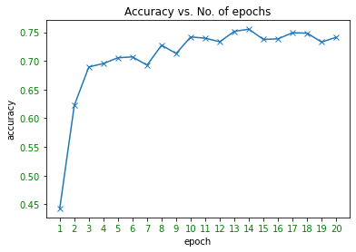

No. of epochs | 20 |  | 21 | 0.431 | 0.4093 | 0.9394 | 93.94
LR (1-20 epochs) | 0.01 |  | 22 | 0.3108 | 0.3579 | 0.9474 | 94.74
LR (21-22 epochs) | 0.001
 |  |  |  |  |  | Max acc. | 94.74

Backpropagation parameters:
Model parameters | SGD
Last layer parameters | SGD
Momentum | 0.9
Weight decay | 5.00E-04

ResNet50_CosFacev2
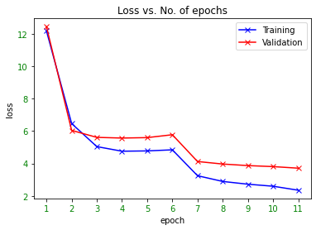
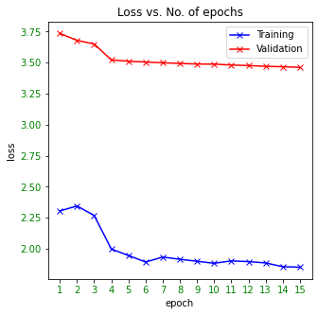
Dataset | MS1MV2 |  | Epoch | Train Loss | Val Loss | Train Acc. | Val Acc. | Accuracy (in %) | Time for execution
Size of training dataset | 4658123 |  | 1
Size of validation dataset | 582265 |  | 2
Size of test dataset | 582265 |  | 3
 |  |  | 4
Dataset transformations: |  |  | 5
1- Random horizontal flip |  |  | 6 | 12.177018358 | 12.441288226 | 0.080483061525 | 0.071424523198 | 7.14 | 5665 secs
2- Mean (0.5, 0.5, 0.5) |  |  | 7 | 6.4653361246 | 6.0436672976 | 0.33184804266 | 0.37046533795 | 37.05 | 5556 secs
3- Std (0.5, 0.5, 0.5) |  |  | 8 | 5.0427893085 | 5.6123099296 | 0.42562122125 | 0.39452826462 | 39.45
 |  |  | 9 | 4.7583720793 | 5.5706943902 | 0.44148318969 | 0.39313199316 | 39.31
Dataset factor | 1 |  | 10 | 4.7770962132 | 5.5972402721 | 0.43646614742 | 0.39538526272 | 39.54
 |  |  | 11 | 4.8446249994 | 5.7754349442 | 0.43141239508 | 0.38028389136 | 38.03
Batch size | 128 |  | 12 | 3.2473621475 | 4.1229576065 | 0.59914755364 | 0.54269276017 | 54.27
 |  |  | 13 | 2.8933800757 | 3.9679035659 | 0.63812033302 | 0.5567585206 | 55.68
Input image size | 112x112x3 |  | 14 | 2.7231695666 | 3.8716752543 | 0.65599620276 | 0.56594162452 | 56.59
 |  |  | 15 | 2.5984480422 | 3.8091150779 | 0.66850252773 | 0.57188565344 | 57.19
Model | ResNet-50 |  | 16 | 2.3521167334 | 3.7120806809 | 0.69991518043 | 0.58301632418 | 58.3
 |  |  | 17 | 2.4772224681 | 3.7568913862 | 0.68062393372 | 0.57572239444 | 57.57 | model_02_Mar_1.pt
Loss | CE + CosFace (v2) |  | 18 | 2.3053549692 | 3.7356628264 | 0.70301879105 | 0.5767648751 | 57.68
 |  |  | 19 | 2.3452037986 | 3.6798065584 | 0.69239004638 | 0.58357448928 | 58.36
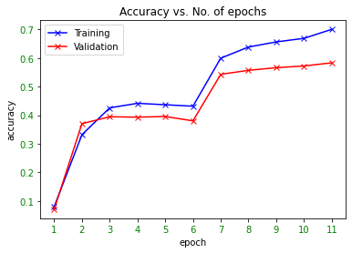
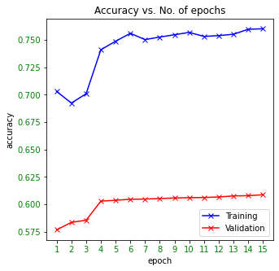
Cosface parameters: |  |  | 20 | 2.2686048039 | 3.6506462355 | 0.70089025129 | 0.58554781757 | 58.55
s | 64 |  | 21 | 1.9984169398 | 3.5223558308 | 0.74101607021 | 0.60296943831 | 60.3
m | 0.35 |  | 22 | 1.9457812889 | 3.5113014855 | 0.748791305 | 0.60374399973 | 60.37
 |  |  | 23 | 1.8931339185 | 3.5051533693 | 0.75598669249 | 0.6046439336 | 60.46
No. of epochs | 16 |  | 24 | 1.9332768231 | 3.4993540087 | 0.75027172962 | 0.60485002533 | 60.49
LR (1-5 epochs) | 0.01 | another graph | 25 | 1.9154009355 | 3.4940650778 | 0.75260099401 | 0.60533090603 | 60.53
LR (6 epochs) | 0.01 |  | 26 | 1.899267066 | 3.489157309 | 0.754709998 | 0.6058375482 | 60.58
LR (7-11 epochs) | 0.001 |  | 27 | 1.8831716751 | 3.4883412297 | 0.75683467354 | 0.60611233717 | 60.61
LR (12-15 epochs) | 0.0001 |  | 28 | 1.9024371163 | 3.4813744685 | 0.75315679728 | 0.60626690596 | 60.63
LR (16 epoch) | 0.00001 |  | 29 | 1.8965545848 | 3.4769146138 | 0.75389958573 | 0.60676496097 | 60.68
LR (17 epoch) | 0.0001 |  | 30 | 1.8861149612 | 3.4706962898 | 0.7551503041 | 0.6077009609 | 60.77
 |  |  | 31 | 1.8554680936 | 3.4672660495 | 0.75969054488 | 0.60794311868 | 60.79
LR(18-20 epochs) | 0.0001 |  | 32 | 1.8517061363 | 3.462115266 | 0.76014373171 | 0.6087898122 | 60.88 | model_02_Mar_15.pt
LR(21-30 epochs) | 0.00001
LR(31-32 epochs) | 0.000001 |  |  |  |  |  | Max acc. | 60.88
 |  | Try 0.005 for 5 epochs and observe
Backpropagation parameters:
 | Train Loss | Val Loss
 | 12.177018358 | 12.441288226
 | 6.4653361246 | 6.0436672976
 | 5.0427893085 | 5.6123099296
 | 4.7583720793 | 5.5706943902
 | 4.7770962132 | 5.5972402721
 | 4.8446249994 | 5.7754349442
 | 3.2473621475 | 4.1229576065
 | 2.8933800757 | 3.9679035659
 | 2.7231695666 | 3.8716752543
 | 2.5984480422 | 3.8091150779
 | 2.3521167334 | 3.7120806809
 | 2.4772224681 | 3.7568913862
 | 2.3053549692 | 3.7356628264
 | 2.3452037986 | 3.6798065584
 | 2.2686048039 | 3.6506462355
 | 1.9984169398 | 3.5223558308
 | 1.9457812889 | 3.5113014855
 | 1.8931339185 | 3.5051533693
 | 1.9332768231 | 3.4993540087
 | 1.9154009355 | 3.4940650778
 | 1.899267066 | 3.489157309
 | 1.8831716751 | 3.4883412297
 | 1.9024371163 | 3.4813744685
 | 1.8965545848 | 3.4769146138
 | 1.8861149612 | 3.4706962898
 | 1.8554680936 | 3.4672660495
 | 1.8517061363 | 3.462115266
 | Train Acc. | Val Acc.
 | 0.080483061525 | 0.071424523198
 | 0.33184804266 | 0.37046533795
 | 0.42562122125 | 0.39452826462
 | 0.44148318969 | 0.39313199316
 | 0.43646614742 | 0.39538526272
 | 0.43141239508 | 0.38028389136
 | 0.59914755364 | 0.54269276017
 | 0.63812033302 | 0.5567585206
 | 0.65599620276 | 0.56594162452
 | 0.66850252773 | 0.57188565344
 | 0.69991518043 | 0.58301632418
 | 0.68062393372 | 0.57572239444
 | 0.70301879105 | 0.5767648751
 | 0.69239004638 | 0.58357448928
 | 0.70089025129 | 0.58554781757
 | 0.74101607021 | 0.60296943831
 | 0.748791305 | 0.60374399973
 | 0.75598669249 | 0.6046439336
 | 0.75027172962 | 0.60485002533
 | 0.75260099401 | 0.60533090603
 | 0.754709998 | 0.6058375482
 | 0.75683467354 | 0.60611233717
 | 0.75315679728 | 0.60626690596
 | 0.75389958573 | 0.60676496097
 | 0.7551503041 | 0.6077009609
 | 0.75969054488 | 0.60794311868
 | 0.76014373171 | 0.6087898122
Model parameters | SGD
Last layer parameters | SGD
Momentum | 0.9
Weight decay | 5.00E-04

ResNet152
Dataset | MS1MV2 | Epoch | Train Loss | Val Loss | Train Acc. | Val Acc. | Accuracy (in %) | Time for execution
Size of training dataset | 4658123 | 1 | 32.689 | 28.8938 | 0 | 0 | 0 | 9139.79 secs
Size of validation dataset | 582265 | 2 | 23.2089 | 17.5846 | 0.0007 | 0.0051 | 0.51 | 9091.72 secs
Size of test dataset | 582265 | 3 | 13.5858 | 11.073 | 0.0428 | 0.0903 | 9.03 | 9090.64 secs
 |  | 4 | 8.7197 | 8.2521 | 0.1685 | 0.2018 | 20.18 | 9104.2 secs
Dataset transformations: |  | 5 | 7.2197 | 7.2054 | 0.2412 | 0.2614 | 26.14 | 9092.04 secs
1- Random horizontal flip |  | 6 | 6.2492 | 6.4414 | 0.3027 | 0.312 | 31.2 | 9096.46 secs
2- Mean (0.5, 0.5, 0.5) |  | 7 | 5.5244 | 5.7917 | 0.3563 | 0.3626 | 36.26 | 9785.52 secs
3- Std (0.5, 0.5, 0.5) |  | 8 | 4.964 | 5.3701 | 0.4022 | 0.3971 | 39.71 | 9511.74 secs
 |  | 9 | 4.52 | 4.9878 | 0.4412 | 0.4289 | 42.89 | 9108.32 secs
Dataset factor | 1 | 10 | 3.4401 | 4.168 | 0.5521 | 0.5104 | 51.04 | 9098.64 secs
 |  | 11 | 3.1292 | 4.0109 | 0.5798 | 0.5241 | 52.41 | 9100.4 secs
Batch size | 128 | 12 | 2.9562 | 3.9137 | 0.5951 | 0.5344 | 53.44 | 9103.62 secs
 |  | 13 | 2.8181 | 3.8822 | 0.6085 | 0.5358 | 53.58 | 9112.3 secs
Input image size | 112x112x3 | 14 | 2.6967 | 3.7382 | 0.6207 | 0.553 | 55.3 | 9102.93 secs
 |  | 15 | 2.0868 | 3.3002 | 0.7051 | 0.6052 | 60.52 | 9104.27 secs
Model | ResNet-152 | 16 | 1.9185 | 3.249 | 0.7242 | 0.6104 | 61.04 | 9159 secs
 |  | 17 | 1.8235 | 3.2254 | 0.7332 | 0.6129 | 61.29 | 9337 secs
Loss | CE + CosFace (v2) | 18 | 1.7483 | 3.2028 | 0.7405 | 0.6151 | 61.51 | 9489 secs
 |  | 19 | 1.4055199801 | 2.9821978046 | 0.79728938029 | 0.64462572883 | 64.46
Cosface parameters: |  | 20 | 1.3091099694 | 2.9844279691 | 0.81035880761 | 0.64480434167 | 64.48
s | 64 | 21 | 2.421 | 3.7346 | 0.6276 | 0.5486 | 54.86 | 8934.39 secs
m | 0.35 | 22 | 2.3925 | 3.6072 | 0.644 | 0.5672 | 56.72 | 8925.35 secs
 |  | 23 | 1.6659 | 3.028 | 0.7548 | 0.6408 | 64.08 | 8824.84 secs
No. of epochs | 20 | 24 | 1.4747 | 3.0084 | 0.7799 | 0.6411 | 64.11 | 8835.95 secs
LR (1-3 epochs) | 0.001 | 25 | 1.1183 | 2.776 | 0.8391 | 0.6736 | 67.36 | 8921.07 secs
LR (4-9 epochs) | 0.0005
LR (10-14 epochs) | 0.00025 |  |  |  |  | Max acc. | 67.36
LR (15-18 epochs) | 0.000125
LR (19 - 20 epochs) | 0.0000625
21-22 epochs | 0.00025
23-24 epochs | 0.000125
25 epochs | 0.0000625

Backpropagation parameters:
Model parameters | SGD
Last layer parameters | SGD
Momentum | 0.9
Weight decay | 5.00E-04

ResNet101_EAF
Dataset | MS1MV2 | Epoch | Train Loss | Val Loss | Train Acc. | Val Acc. | Accuracy (in %) | Time for execution
Size of training dataset | 4658123 | 1 | 28.0042 | 26.1229 | 0 | 0 | 0 | 6358 secs
Size of validation dataset | 582265 | 2 | 26.0949 | 26.0989 | 0 | 0 | 0 | 6220.36 secs
Size of test dataset | 582265 | 3 |  |  |  |  | 0
 |  | 4 |  |  |  |  | 0
Dataset transformations: |  | 5 |  |  |  |  | 0
1- Random horizontal flip (prob=0.5) |  | 6 |  |  |  |  | 0
2- Mean (0.5, 0.5, 0.5) |  | 7 |  |  |  |  | 0
3- Std (0.5, 0.5, 0.5) |  | 8 |  |  |  |  | 0
 |  | 9 |  |  |  |  | 0
Dataset factor | 1 | 10 |  |  |  |  | 0
 |  | 11 |  |  |  |  | 0
Batch size | 512 | 12 |  |  |  |  | 0
 |  | 13 |  |  |  |  | 0
Input image size | 112x112x3 | 14 |  |  |  |  | 0
 |  | 15 |  |  |  |  | 0
Model | ResNet-101 | 16 |  |  |  |  | 0
 |  | 17 |  |  |  |  | 0
Loss | CE + ElasticArcFace | 18 |  |  |  |  | 0
 |  | 19 |  |  |  |  | 0
Loss parameters: |  | 20 |  |  |  |  | 0
s | 64 | 21 |  |  |  |  | 0
m | 0.5 | 22 |  |  |  |  | 0
sigma | 0.05 | 23 |  |  |  |  | 0
 |  | 24 |  |  |  |  | 0
No. of epochs | 2 | 25 |  |  |  |  | 0
2 epochs | 0.1 | 26 |  |  |  |  | 0

 |  |  |  |  |  | Max acc. | 0

 | Train Acc. | Val Acc.
 | 0 | 0
 | 0 | 0
 | Train Loss | Val Loss
 | 28.0042 | 26.1229
 | 26.0949 | 26.0989

Backpropagation parameters:
Model parameters | SGD
Last layer parameters | SGD
Momentum | 0.9
Weight decay | 5.00E-04

Sheet10
Dataset | LFW | Epoch | Train Loss | Val Loss | Train Accuracy | Val Accuracy | Accuracy (in %) | Time for execution
Size of training dataset | 9265 | 1 | 27.317308809 | 24.847167415 | 0.051160280626 | 0.076108870968 | 7.61 | 12 secs
Size of validation dataset | 1984 | 2 | 19.572821131 | 22.809480729 | 0.12779276848 | 0.12197580645 | 12.2
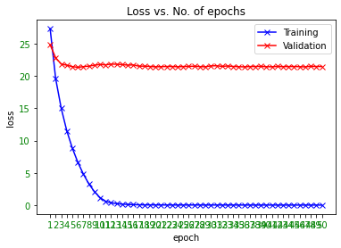
Size of test dataset | 1984 | 3 | 14.993826607 | 21.858207887 | 0.1825148408 | 0.14919354839 | 14.92
 |  | 4 | 11.5192383 | 21.677640976 | 0.23712898003 | 0.15625 | 15.63
Dataset transformations: |  | 5 | 8.8339892297 | 21.451795886 | 0.2944414463 | 0.17489919355 | 17.49
1- Random horizontal flip |  | 6 | 6.6268661435 | 21.34829435 | 0.35315704263 | 0.18245967742 | 18.25
2- Mean (0.5, 0.5, 0.5) |  | 7 | 4.7936204465 | 21.449382228 | 0.40690771722 | 0.17590725806 | 17.59
3- Std (0.5, 0.5, 0.5) |  | 8 | 3.2750474886 | 21.531372932 | 0.48138154344 | 0.1779233871 | 17.79
4-CenterCrop(112*112) |  | 9 | 2.0708634106 | 21.676734863 | 0.5766864544 | 0.17641129032 | 17.64
 |  | 10 | 1.1566439482 | 21.784623546 | 0.73696708041 | 0.1814516129 | 18.15
 |  | 11 | 0.60374778929 | 21.73305936 | 0.8856988667 | 0.1875 | 18.75
Batch size | 128 | 12 | 0.36706492297 | 21.839784622 | 0.9463572585 | 0.18245967742 | 18.25
 |  | 13 | 0.23172937145 | 21.822261441 | 0.9737722612 | 0.18649193548 | 18.65
Input image size | 112x112x3 | 14 | 0.15390009701 | 21.770098902 | 0.98769562871 | 0.19102822581 | 19.1
 |  | 15 | 0.11064075317 | 21.686606623 | 0.99255261738 | 0.1970766129 | 19.71
Model | ResNet-50 | 16 | 0.080508061973 | 21.71997704 | 0.99557474366 | 0.20413306452 | 20.41
 | (Pre-trained – 95 acc softmax and finetune) | 17 | 0.055658560858 | 21.523199635 | 0.99773340529 | 0.20816532258 | 20.82
Loss | CE + CosFace (v2) | 18 | 0.038905150795 | 21.528896455 | 0.99902860227 | 0.2127016129 | 21.27
 |  | 19 | 0.033496265844 | 21.477773236 | 0.99924446843 | 0.21320564516 | 21.32
Cosface parameters: |  | 20 | 0.031429123041 | 21.423605334 | 0.99913653535 | 0.21320564516 | 21.32
s | 64 | 21 | 0.025927418885 | 21.449098587 | 0.99946033459 | 0.21572580645 | 21.57
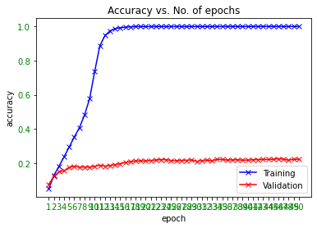
m | 0.35 | 22 | 0.02180351776 | 21.469306084 | 0.99956826767 | 0.21824596774 | 21.82
 |  | 23 | 0.019521351159 | 21.473756852 | 0.99967620076 | 0.22076612903 | 22.08
No. of epochs | 50 | 24 | 0.020479505063 | 21.430437026 | 0.99935240151 | 0.22026209677 | 22.03
LR | 0.005 | 25 | 0.017765688958 | 21.468664846 | 0.99946033459 | 0.21522177419 | 21.52
 |  | 26 | 0.019448382838 | 21.479174152 | 0.99967620076 | 0.21370967742 | 21.37
 |  | 27 | 0.024807834648 | 21.522157115 | 0.99946033459 | 0.21622983871 | 21.62
 |  | 28 | 0.018485068629 | 21.456299074 | 0.99946033459 | 0.21622983871 | 21.62
Backpropagation parameters: |  | 29 | 0.015487599418 | 21.424448752 | 0.99967620076 | 0.21925403226 | 21.93
Model parameters | SGD | 30 | 0.018046058221 | 21.567939266 | 0.99967620076 | 0.20967741935 | 20.97
Last layer parameters | SGD | 31 | 0.017773086671 | 21.587748558 | 0.99956826767 | 0.21471774194 | 21.47
Momentum | 0.9 | 32 | 0.015291084905 | 21.494406054 | 0.99956826767 | 0.21774193548 | 21.77
Weight decay | 5.00E-06 | 33 | 0.019764322515 | 21.550534648 | 0.99967620076 | 0.21370967742 | 21.37
 |  | 34 | 0.015230333873 | 21.47753937 | 0.99967620076 | 0.22278225806 | 22.28
 |  | 35 | 0.015473729553 | 21.442699925 | 0.99967620076 | 0.22127016129 | 22.13
 |  | 36 | 0.014365962875 | 21.417480284 | 0.99978413384 | 0.21824596774 | 21.82
 |  | 37 | 0.012289718721 | 21.461412061 | 0.99967620076 | 0.21925403226 | 21.93
 |  | 38 | 0.010927756932 | 21.469487959 | 0.99978413384 | 0.21975806452 | 21.98
 |  | 39 | 0.011390982601 | 21.499014516 | 0.99946033459 | 0.21723790323 | 21.72
 |  | 40 | 0.012969857304 | 21.439479213 | 0.99978413384 | 0.21774193548 | 21.77
 |  | 41 | 0.011906081908 | 21.430825387 | 0.99978413384 | 0.21975806452 | 21.98
 |  | 42 | 0.010703749068 | 21.480999608 | 0.99978413384 | 0.22076612903 | 22.08
 |  | 43 | 0.0065733267916 | 21.453519698 | 0.99989206692 | 0.22127016129 | 22.13
 |  | 44 | 0.010174787797 | 21.462452058 | 0.99989206692 | 0.22177419355 | 22.18
 |  | 45 | 0.010978353515 | 21.470081822 | 0.99989206692 | 0.22278225806 | 22.28
 |  | 46 | 0.006702745846 | 21.441001154 | 0.99989206692 | 0.22580645161 | 22.58
 |  | 47 | 0.01238549501 | 21.416113146 | 0.99978413384 | 0.22379032258 | 22.38
 |  | 48 | 0.0071431586317 | 21.506993509 | 0.99978413384 | 0.21723790323 | 21.72
 |  | 49 | 0.011076194509 | 21.473082696 | 0.99989206692 | 0.22278225806 | 22.28
 |  | 50 | 0.0055888857592 | 21.474361358 | 1 | 0.22227822581 | 22.23

 |  |  |  |  |  | Max acc. | 22.58

Sheet11
Dataset | LFW | Epoch | Train Loss | Val Loss | Train Accuracy | Val Accuracy | Accuracy (in %) | Time for execution
Size of training dataset | 9265 | 1 | 32.205422553 | 31.785076018 | 0 | 0 | 0 | 12 secs
Size of validation dataset | 1984 | 2 | 30.693012688 | 31.790843718 | 0 | 0 | 0
Size of test dataset | 1984 | 3 | 29.562916497 | 31.714313015 | 0 | 0 | 0
 |  | 4 | 28.342574883 | 31.873078746 | 0 | 0 | 0
Dataset transformations: |  | 5 | 27.118130751 | 31.602838947 | 0.00021586616298 | 0.0050403225806 | 0.5
1- Random horizontal flip |  | 6 | 25.878530222 | 31.661675238 | 0.0097139773341 | 0.0095766129032 | 0.96
2- Mean (0.5, 0.5, 0.5) |  | 7 | 24.801085901 | 31.668588331 | 0.016837560712 | 0.013608870968 | 1.36
3- Std (0.5, 0.5, 0.5) |  | 8 | 23.780271342 | 31.711460606 | 0.025040474906 | 0.021673387097 | 2.17
4-CenterCrop(112*112) |  | 9 | 22.825481329 | 31.573889086 | 0.02968159741 | 0.020665322581 | 2.07
 |  | 10 | 21.938246972 | 31.621431904 | 0.033783054506 | 0.019657258065 | 1.97
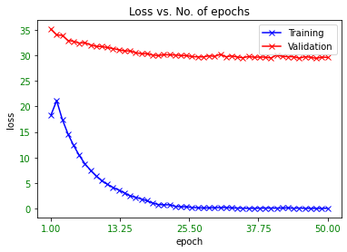
 |  | 11 | 21.024028406 | 31.689145611 | 0.036157582299 | 0.022177419355 | 2.22
Batch size | 128 | 12 | 20.260555771 | 31.834731194 | 0.041985968699 | 0.026209677419 | 2.62
 |  | 13 | 19.417993353 | 31.807588147 | 0.043820831085 | 0.03125 | 3.13
Input image size | 112x112x3 | 14 | 18.574398789 | 31.773516624 | 0.046195358877 | 0.030241935484 | 3.02
 |  | 15 | 17.83190838 | 31.844555639 | 0.049865083648 | 0.029737903226 | 2.97
Model | ResNet-50 | 16 | 17.123957429 | 31.823916651 | 0.049757150567 | 0.030745967742 | 3.07
 | Fresh training | 17 | 16.406112233 | 31.910616106 | 0.052131678359 | 0.035282258065 | 3.53
Loss | CE + CosFace (v2) | 18 | 15.72010238 | 31.875596816 | 0.056017269293 | 0.031754032258 | 3.18
 |  | 19 | 14.987304583 | 31.917631088 | 0.05871559633 | 0.03125 | 3.13
Cosface parameters: |  | 20 | 14.267349193 | 32.061861223 | 0.062601187264 | 0.02872983871 | 2.87
s | 64 | 21 | 13.592902832 | 31.962859 | 0.064975715057 | 0.03377016129 | 3.38
m | 0.35 | 22 | 12.967147829 | 32.022264173 | 0.068753372909 | 0.034274193548 | 3.43
 |  | 23 | 12.332470299 | 32.011803535 | 0.075876956287 | 0.035786290323 | 3.58
No. of epochs | 50 | 24 | 11.775096196 | 31.93480424 | 0.080733944954 | 0.035282258065 | 3.53
LR (1-50) | 0.005 | 25 | 11.174450157 | 31.972972747 | 0.089692390718 | 0.038306451613 | 3.83
LR (51-100) | 0.05 | 26 | 10.642198495 | 31.982995556 | 0.096923907178 | 0.035282258065 | 3.53
 |  | 27 | 10.016510417 | 31.840038669 | 0.11538046411 | 0.038810483871 | 3.88
 |  | 28 | 9.5327038447 | 31.974835304 | 0.1329735564 | 0.037802419355 | 3.78
Backpropagation parameters: |  | 29 | 9.0000661758 | 31.90178705 | 0.15520777118 | 0.040322580645 | 4.03
Model parameters | SGD | 30 | 8.455363731 | 32.032600034 | 0.17280086346 | 0.032762096774 | 3.28
Last layer parameters | SGD | 31 | 8.0576083299 | 31.812042605 | 0.19773340529 | 0.038810483871 | 3.88
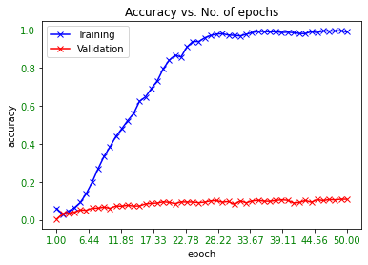
Momentum | 0.9 | 32 | 7.5534666377 | 31.783149104 | 0.22514840799 | 0.039818548387 | 3.98
Weight decay | 5.00E-06 | 33 | 7.136676901 | 31.90810948 | 0.243712898 | 0.036794354839 | 3.68
 |  | 34 | 6.6653574078 | 31.704505551 | 0.27933081489 | 0.041834677419 | 4.18
 |  | 35 | 6.2370797206 | 31.721401953 | 0.30814894765 | 0.045866935484 | 4.59
 |  | 36 | 5.8667497706 | 31.672347161 | 0.33243389099 | 0.047379032258 | 4.74
 |  | 37 | 5.3873942698 | 31.482820819 | 0.37010253643 | 0.043850806452 | 4.39
 |  | 38 | 5.0542939311 | 31.429196512 | 0.39697787372 | 0.047379032258 | 4.74
 |  | 39 | 4.7056435768 | 31.450449174 | 0.42687533729 | 0.044858870968 | 4.49
 |  | 40 | 4.4800295775 | 31.477907365 | 0.4460874258 | 0.046875 | 4.69
 |  | 41 | 4.1067849252 | 31.391590611 | 0.47879114949 | 0.051915322581 | 5.19
 |  | 42 | 3.7662453708 | 31.301949778 | 0.5113869401 | 0.056451612903 | 5.65
 |  | 43 | 3.5515611327 | 31.251540276 | 0.53146249325 | 0.052419354839 | 5.24
 |  | 44 | 3.237425199 | 31.163092213 | 0.55358877496 | 0.04939516129 | 4.94
 |  | 45 | 3.0418309798 | 31.090221897 | 0.57334052887 | 0.051915322581 | 5.19
 |  | 46 | 2.7332199177 | 31.142785472 | 0.60496492175 | 0.051915322581 | 5.19
 |  | 47 | 2.5103871419 | 31.070627274 | 0.63237992445 | 0.053931451613 | 5.39
 |  | 48 | 2.3061259152 | 30.893946248 | 0.65936319482 | 0.054435483871 | 5.44
 |  | 49 | 2.0822770831 | 30.920559422 | 0.68073394495 | 0.049899193548 | 4.99
 |  | 50 | 1.8897907448 | 30.886670636 | 0.70955207771 | 0.054435483871 | 5.44
 |  | 51 | 18.355534231 | 35.12438731 | 0.059686994064 | 0.0035282258065 | 0.35
 |  | 52 | 21.145735911 | 34.014137145 | 0.028818132758 | 0.03125 | 3.13
 |  | 53 | 17.458221218 | 33.909365623 | 0.045763626552 | 0.03377016129 | 3.38
 |  | 54 | 14.635556404 | 32.924601401 | 0.063680518079 | 0.040322580645 | 4.03
 |  | 55 | 12.376733163 | 32.76402898 | 0.091095520777 | 0.051915322581 | 5.19
 |  | 56 | 10.426845078 | 32.407053178 | 0.13826227739 | 0.049899193548 | 4.99
 |  | 57 | 8.7850199714 | 32.490996207 | 0.19816513761 | 0.060987903226 | 6.1
 |  | 58 | 7.5050741546 | 32.053263757 | 0.26907717215 | 0.061491935484 | 6.15
 |  | 59 | 6.3927419093 | 31.767680876 | 0.33394495413 | 0.067036290323 | 6.7
 |  | 60 | 5.4399312951 | 31.739189025 | 0.38434970318 | 0.060483870968 | 6.05
 |  | 61 | 4.7452447574 | 31.529698526 | 0.43831624393 | 0.072580645161 | 7.26
 |  | 62 | 4.1376667882 | 31.344197058 | 0.47997841338 | 0.072076612903 | 7.21
 |  | 63 | 3.6345563175 | 31.091782231 | 0.52282784674 | 0.076612903226 | 7.66
 |  | 64 | 3.0931702132 | 30.887881248 | 0.56006475985 | 0.072580645161 | 7.26
 |  | 65 | 2.4981883627 | 30.876863049 | 0.62482460874 | 0.073084677419 | 7.31
 |  | 66 | 2.2294576576 | 30.536513913 | 0.64749055586 | 0.083669354839 | 8.37
 |  | 67 | 1.8799235458 | 30.335406642 | 0.69185105235 | 0.086693548387 | 8.67
 |  | 68 | 1.5285812609 | 30.340054297 | 0.73200215866 | 0.088205645161 | 8.82
 |  | 69 | 1.0930865118 | 30.073222068 | 0.79568267674 | 0.094758064516 | 9.48
 |  | 70 | 0.79920064902 | 29.96360785 | 0.84058283864 | 0.092237903226 | 9.22
 |  | 71 | 0.73164353169 | 30.140687143 | 0.86735024285 | 0.085181451613 | 8.52
 |  | 72 | 0.75444038331 | 30.111952874 | 0.85796006476 | 0.094254032258 | 9.43
 |  | 73 | 0.4432767981 | 30.07728552 | 0.91063140853 | 0.09375 | 9.38
 |  | 74 | 0.35498055054 | 29.970856082 | 0.93955747437 | 0.09375 | 9.38
 |  | 75 | 0.3602514829 | 29.964738907 | 0.9393416082 | 0.090221774194 | 9.02
 |  | 76 | 0.22755518055 | 29.758734549 | 0.95887749595 | 0.093245967742 | 9.32
 |  | 77 | 0.16984845994 | 29.716319669 | 0.97064220183 | 0.099798387097 | 9.98
 |  | 78 | 0.12236870311 | 29.705622581 | 0.97895304911 | 0.10131048387 | 10.13
 |  | 79 | 0.15472586866 | 29.913110979 | 0.98067997841 | 0.092741935484 | 9.27
 |  | 80 | 0.1844390671 | 29.810776003 | 0.97355639504 | 0.096774193548 | 9.68
 |  | 81 | 0.19750941164 | 30.209716797 | 0.97215326498 | 0.081149193548 | 8.11
 |  | 82 | 0.22439211528 | 29.724020066 | 0.96902320561 | 0.099798387097 | 9.98
 |  | 83 | 0.13644329885 | 29.894890262 | 0.97754991905 | 0.089717741935 | 8.97
 |  | 84 | 0.10580971393 | 29.689773929 | 0.98629249865 | 0.099294354839 | 9.93
 |  | 85 | 0.074505784374 | 29.546708753 | 0.99276848354 | 0.10282258065 | 10.28
 |  | 86 | 0.056225245202 | 29.777596504 | 0.99222881813 | 0.098286290323 | 9.83
 |  | 87 | 0.065699907472 | 29.638586783 | 0.99093362115 | 0.097782258065 | 9.78
 |  | 88 | 0.077838105809 | 29.666457268 | 0.99114948732 | 0.10181451613 | 10.18
 |  | 89 | 0.10088001684 | 29.648642755 | 0.9871559633 | 0.10534274194 | 10.53
 |  | 90 | 0.098018752603 | 29.497605539 | 0.98855909336 | 0.10282258065 | 10.28
 |  | 91 | 0.092551399577 | 30.081973168 | 0.98640043173 | 0.088709677419 | 8.87
 |  | 92 | 0.11053430259 | 29.809428369 | 0.98165137615 | 0.091733870968 | 9.17
 |  | 93 | 0.14952772769 | 29.744919192 | 0.9813275769 | 0.10181451613 | 10.18
 |  | 94 | 0.064700340094 | 29.744731842 | 0.9912574204 | 0.092741935484 | 9.27
 |  | 95 | 0.10382588498 | 29.450303785 | 0.9866162979 | 0.10635080645 | 10.64
 |  | 96 | 0.054819876609 | 29.733904131 | 0.99557474366 | 0.10131048387 | 10.13
 |  | 97 | 0.048812951183 | 29.633697141 | 0.99471127901 | 0.10635080645 | 10.64
 |  | 98 | 0.039694277232 | 29.421554812 | 0.99514301133 | 0.10534274194 | 10.53
 |  | 99 | 0.034065558808 | 29.655439377 | 0.99633027523 | 0.10836693548 | 10.84
 |  | 100 | 0.074014963502 | 29.609411547 | 0.99050188883 | 0.10836693548 | 10.84

 |  |  |  |  |  | Max acc. | 10.84

