Sheet1
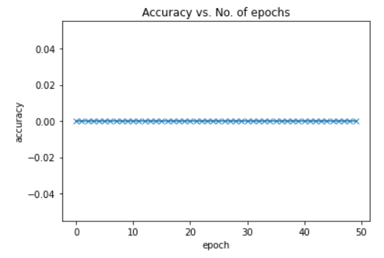
Size of training dataset | 4658 | Epoch | Train Loss | Val Loss | Accuracy | Time for execution
Size of validation dataset | 582 | 1 | 11.3568 | 11.3791 | 0 | 15.04 secs
Size of test dataset | 582 | 2 | 9.8561 | 13.469 | 0 | 15.25 secs
 |  | 3 | 8.7359 | 13.5754 | 0 | 14.98 secs
Dataset factor | 0.001 | 4 | 8.0061 | 14.9464 | 0 | 14.91 secs
 |  | 5 | 7.2574 | 16.6591 | 0 | 15.06 secs
No. of epochs | 50 | 6 | 6.6941 | 18.7754 | 0 | 14.9 secs
Loss | CE | 7 | 5.66 | 20.1138 | 0 | 15.03 secs
 |  | 8 | 4.9483 | 23.3268 | 0 | 14.94 secs
 |  | 9 | 4.0238 | 21.7912 | 0 | 14.98 secs
 |  | 10 | 3.4243 | 25.4108 | 0 | 14.8 secs
 |  | 11 | 2.3351 | 22.7144 | 0 | 14.81 secs
 |  | 12 | 2.0507 | 24.1133 | 0 | 14.87 secs
 |  | 13 | 1.0427 | 25.2685 | 0 | 14.83 secs
 |  | 14 | 0.6384 | 24.957 | 0 | 14.84 secs
 |  | 15 | 0.4106 | 25.706 | 0 | 14.91 secs
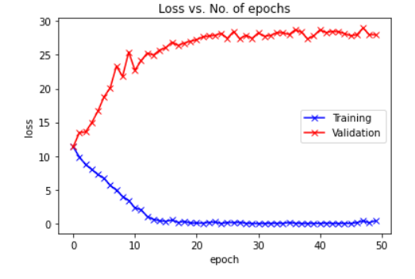
 |  | 16 | 0.3319 | 26.0467 | 0 | 15.06 secs
 |  | 17 | 0.5211 | 26.8692 | 0 | 14.83 secs
 |  | 18 | 0.1732 | 26.4058 | 0 | 14.83 secs
 |  | 19 | 0.3064 | 26.7401 | 0 | 14.75 secs
 |  | 20 | 0.0922 | 27.0162 | 0 | 14.56 secs
 |  | 21 | 0.0853 | 27.2359 | 0 | 14.88 secs
 |  | 22 | 0.0618 | 27.6526 | 0 | 14.73 secs
 |  | 23 | 0.1797 | 27.7913 | 0 | 14.69 secs
 |  | 24 | 0.2233 | 27.9018 | 0 | 14.78 secs
 |  | 25 | 0.0152 | 28.1743 | 0 | 14.8 secs
 |  | 26 | 0.1644 | 27.4498 | 0 | 14.62 secs
 |  | 27 | 0.1451 | 28.4645 | 0 | 14.71 secs
 |  | 28 | 0.1802 | 27.3768 | 0 | 14.7 secs
 |  | 29 | 0.0486 | 27.9176 | 0 | 14.96 secs
 |  | 30 | 0.0081 | 27.4406 | 0 | 14.75 secs
 |  | 31 | 0.0067 | 28.2504 | 0 | 14.76 secs
 |  | 32 | 0.0162 | 27.7605 | 0 | 14.7 secs
 |  | 33 | 0.0401 | 27.8783 | 0 | 14.94 secs
 |  | 34 | 0.0466 | 28.2767 | 0 | 14.61 secs
 |  | 35 | 0.0359 | 28.2813 | 0 | 14.93 secs
 |  | 36 | 0.1526 | 28.0128 | 0 | 14.52 secs
 |  | 37 | 0.0541 | 28.7113 | 0 | 13.63 secs
 |  | 38 | 0.0195 | 28.3683 | 0 | 13.62 secs
 |  | 39 | 0.0067 | 27.3511 | 0 | 13.62 secs
 |  | 40 | 0.0385 | 27.8217 | 0 | 13.56 secs
 |  | 41 | 0.0259 | 28.7043 | 0 | 13.51 secs
 |  | 42 | 0.067 | 28.3068 | 0 | 13.7 secs
 |  | 43 | 0.0251 | 28.4773 | 0 | 13.57 secs
 |  | 44 | 0.0242 | 28.4214 | 0 | 13.7 secs
 |  | 45 | 0.0441 | 28.1509 | 0 | 13.65 secs
 |  | 46 | 0.0248 | 27.8289 | 0 | 13.45 secs
 |  | 47 | 0.1417 | 27.9844 | 0 | 13.58 secs
 |  | 48 | 0.4053 | 28.9836 | 0 | 13.72 secs
 |  | 49 | 0.1155 | 27.9855 | 0 | 13.65 secs
 |  | 50 | 0.4341 | 27.994 | 0 | 14.23 secs

Sheet2
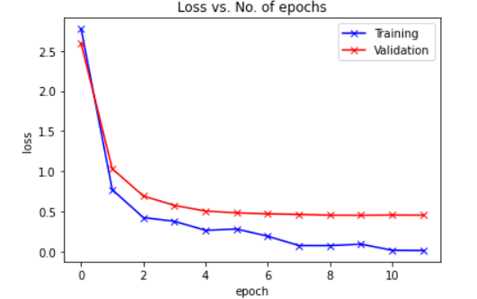
Size of training dataset | 4658123 | Epoch | Train Loss | Val Loss | Accuracy | Time for execution
Size of validation dataset | 582265 | 1 | 2.7719 | 2.5882 | NA | 4086.8 secs
Size of test dataset | 582265 | 2 | 0.772 | 1.0325 | NA | 4083.88 secs
 |  | 3 | 0.4254 | 0.6935 | NA | 4086.06 secs
Dataset factor | 1 | 4 | 0.3784 | 0.5765 | NA | 4081.44 secs
 |  | 5 | 0.2668 | 0.5063 | NA | 4078.7 secs
No. of epochs | 12 | 6 | 0.2828 | 0.4838 | NA | 4079.71 secs
Loss | CE | 7 | 0.1932 | 0.472 | NA | 4085.73 secs
 |  | 8 | 0.0771 | 0.4644 | NA | 4075.63 secs
 |  | 9 | 0.0765 | 0.4546 | NA | 4087.82 secs
 |  | 10 | 0.0945 | 0.4537 | NA | 4082.99 secs
 |  | 11 | 0.0189 | 0.4563 | NA | 4087.45 secs
 |  | 12 | 0.0156 | 0.4548 | NA | 4083.49 secs

Sheet3
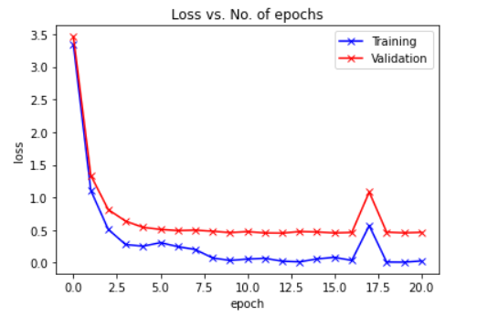
Size of training dataset | 4658123 | Epoch | Train Loss | Val Loss | Accuracy | Time for execution
Size of validation dataset | 582265 | 1 | 3.3375 | 3.4602 | NA | 3969.49 secs
Size of test dataset | 582265 | 2 | 1.1076 | 1.3383 | NA | 3974.22 secs
 |  | 3 | 0.5115 | 0.8146 | NA | 3976.56 secs
Dataset factor | 1 | 4 | 0.2787 | 0.6372 | NA | 3979.67 secs
 |  | 5 | 0.2534 | 0.5423 | NA | 3979.18 secs
No. of epochs | 21 | 6 | 0.3084 | 0.5104 | NA | 3976.86 secs
Loss | CE | 7 | 0.2468 | 0.4925 | NA | 3975.74 secs
 |  | 8 | 0.203 | 0.4992 | NA | 3976.72 secs
 |  | 9 | 0.074 | 0.4826 | NA | 3975.5 secs
 |  | 10 | 0.0354 | 0.462 | NA | 3978.08 secs
 |  | 11 | 0.0566 | 0.4771 | NA | 3981.73 secs
 |  | 12 | 0.0687 | 0.4569 | NA | 3974.27 secs
 |  | 13 | 0.0239 | 0.4545 | NA | 3975.45 secs
 |  | 14 | 0.0141 | 0.4778 | NA | 3977.2 secs
 |  | 15 | 0.0591 | 0.4721 | NA | 3975.91 secs
 |  | 16 | 0.0827 | 0.4571 | NA | 3977.44 secs
 |  | 17 | 0.0363 | 0.4646 | NA | 3978.23 secs
 |  | 18 | 0.5689 | 1.0827 | NA | 3976.22 secs
 |  | 19 | 0.0107 | 0.4693 | NA | 3976.64 secs
 |  | 20 | 0.0091 | 0.458 | NA | 3976.34 secs
 |  | 21 | 0.0278 | 0.4664 | NA | 3977.4 secs

Sheet4
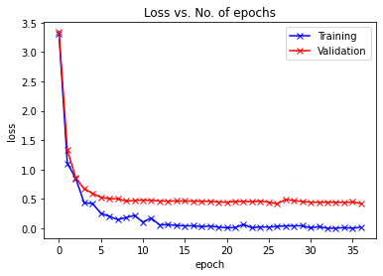
Size of training dataset | 4658123 | Epoch | Train Loss | Val Loss | Accuracy | Time for execution
Size of validation dataset | 582265 | 1 | 3.3118 | 3.3415 | 0.4091 | 4076.65 secs
Size of test dataset | 582265 | 2 | 1.1058 | 1.3371 | 0.7401 | 3960.96 secs
 |  | 3 | 0.8528 | 0.8592 | 0.8316 | 3959.45 secs
Dataset factor | 1 | 4 | 0.4364 | 0.6758 | 0.8658 | 3963.02 secs
 |  | 5 | 0.4234 | 0.5952 | 0.8833 | 3959.76 secs
No. of epochs | 37 | 6 | 0.2575 | 0.5291 | 0.8987 | 3961.1 secs
Loss | CE | 7 | 0.2052 | 0.5044 | 0.9044 | 3961.46 secs
 |  | 8 | 0.1496 | 0.5048 | 0.9059 | 3965.14 secs
 |  | 9 | 0.1844 | 0.4661 | 0.9153 | 3958.51 secs
 |  | 10 | 0.2219 | 0.4729 | 0.9158 | 3959.9 secs
 |  | 11 | 0.1077 | 0.4821 | 0.9169 | 3963.6 secs
 |  | 12 | 0.1764 | 0.4768 | 0.9199 | 3960.85 secs
 |  | 13 | 0.06 | 0.4655 | 0.9234 | 3960.95 secs
 |  | 14 | 0.0642 | 0.4649 | 0.9234 | 3963.03 secs
 |  | 15 | 0.0498 | 0.4656 | 0.9249 | 3956.64 secs
 |  | 16 | 0.0424 | 0.4665 | 0.9269 | 3948.15 secs
 |  | 17 | 0.0454 | 0.4641 | 0.9275 | 3956.81 secs
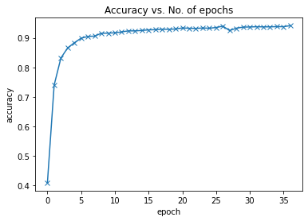
 |  | 18 | 0.0291 | 0.4617 | 0.9291 | 3959.22 secs
 |  | 19 | 0.0397 | 0.4619 | 0.9288 | 3961.12 secs
 |  | 20 | 0.0229 | 0.4486 | 0.9299 | 3953.9 secs
 |  | 21 | 0.011 | 0.446 | 0.9334 | 3959.08 secs
 |  | 22 | 0.0143 | 0.4581 | 0.9323 | 3958.49 secs
 |  | 23 | 0.0674 | 0.4614 | 0.9317 | 3958.34 secs
 |  | 24 | 0.0106 | 0.4544 | 0.9332 | 3958.64 secs
 |  | 25 | 0.0251 | 0.4641 | 0.9325 | 3957.28 secs
 |  | 26 | 0.0224 | 0.4482 | 0.9348 | 3956.32 secs
 |  | 27 | 0.0337 | 0.4177 | 0.9395 | 3956.95 secs
 |  | 28 | 0.042 | 0.4919 | 0.9246 | 3956.6 secs
 |  | 29 | 0.0426 | 0.4735 | 0.9324 | 3957.11 secs
 |  | 30 | 0.0451 | 0.4579 | 0.9362 | 3957.1 secs
 |  | 31 | 0.0099 | 0.4451 | 0.9367 | 3958.71 secs
 |  | 32 | 0.0301 | 0.4449 | 0.9375 | 3955.17 secs
 |  | 33 | 0.0024 | 0.4468 | 0.937 | 3957.77 secs
 |  | 34 | 0.0038 | 0.4436 | 0.9371 | 3956.85 secs
 |  | 35 | 0.0136 | 0.4439 | 0.9378 | 3957.69 secs
 |  | 36 | 0.0027 | 0.4487 | 0.9377 | 3957.14 secs
 |  | 37 | 0.0203 | 0.4242 | 0.9412 | 3970.29 secs

Sheet5
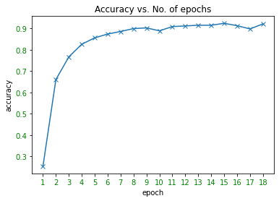
Size of training dataset | 4658123 | Epoch | Train Loss | Val Loss | Accuracy | Time for execution
Size of validation dataset | 582265 | 1 | 4.2555389404 | 4.5001738033 | 0.25303255391 | 3978.88 secs
Size of test dataset | 582265 | 2 | 1.3821685314 | 1.7915997116 | 0.66017191485 | 3973.64 secs
 |  | 3 | 0.95826774836 | 1.1818754716 | 0.7670407804
Dataset factor | 1 | 4 | 0.70985913277 | 0.8759542784 | 0.82640893751
 |  | 5 | 0.4520458281 | 0.76894989233 | 0.85640558852
No. of epochs | 18 | 6 | 0.39782196283 | 0.64185497871 | 0.87421534868
Loss | CE | 7 | 0.26149538159 | 0.57940093551 | 0.88634899917
 |  | 8 | 0.2462041676 | 0.53029625571 | 0.89984628992
 |  | 9 | 0.20777024329 | 0.52189694156 | 0.90308021262
 |  | 10 | 0.39392545819 | 0.58737992768 | 0.88941289619
 |  | 11 | 0.098065763712 | 0.50144902326 | 0.90932307455
 |  | 12 | 0.14206686616 | 0.50147616798 | 0.91233029634
 |  | 13 | 0.081921033561 | 0.48359158111 | 0.91562776399
 |  | 14 | 0.047042686492 | 0.49107329297 | 0.9155178484
 |  | 15 | 0.036908812821 | 0.45183358365 | 0.92464771195
 |  | 16 | 0.073689647019 | 0.50308653777 | 0.91357886873
 |  | 17 | 0.10571864247 | 0.57598667171 | 0.89835212489
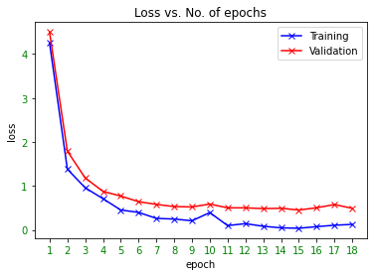
 |  | 18 | 0.1253452152 | 0.49035850436 | 0.921831125

