2023
SL NO | NAME OF BENEFICIRIES | GANDER | AGE | MEDICAL CONDITION | DURATION IN HOME[DATE OF JOINING] | PHOTOGRAP
1 | E.NALAMMA | F | 82 | weakness knee pains | 2019-11-18 | 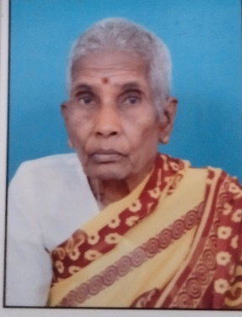
2 | M.JAYAMMA | F | 74 |  | 2023-11-10 | 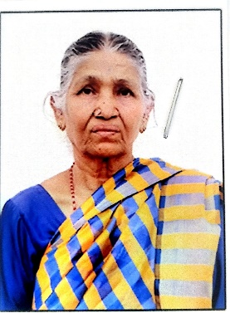
3 | D.NARAYANAMMA | F | 76 Y | BP sugar | 2015-04-01 | 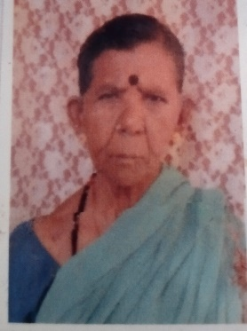
4 | CHANDRAKALA | F | 64 Y | NO | 2020-09-20 | 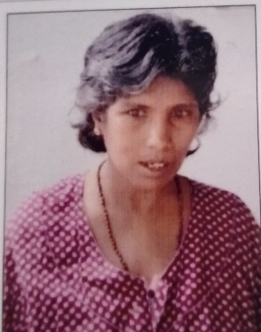
5 | M.NARAYANA | M | 69 Y | bp sugar | 2019-10-01 | 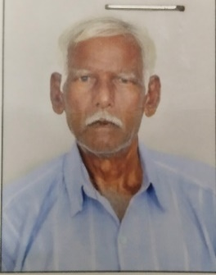
6 | K.M.BALAIAH | M | 72 Y | YURIN | 2021-09-19 | 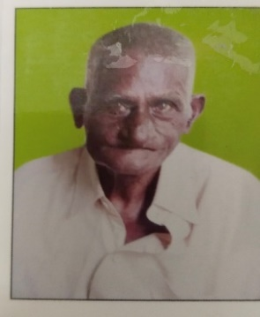
7 | K.NARASAMMA | F | 67 Y | bp sugar | 2023-01-07 | 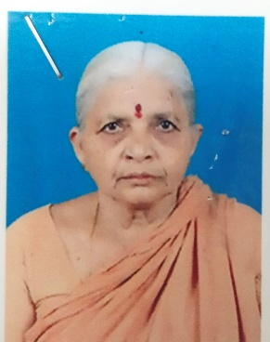
8 | V.RAMALAKSHMAMMA | F | 69 Y | ASTHMA | 2023-03-20 | 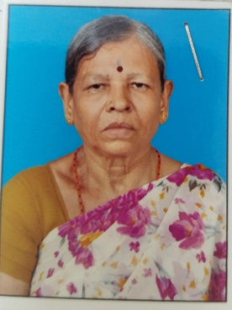
9 | K.GANGAMMA | F | 75 |  | 2023-10-10 | 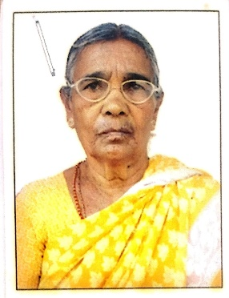
10 | M.LAKSHMIDEVI | F | 62 Y | BP | 2023-06-28 | 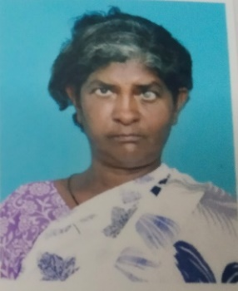
11 | K.RABIYABI | F | 81 Y |  | 2023-06-28 | 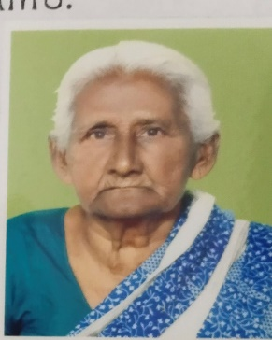
12 | JWALA PRASAD | M | 75 Y | BP | 2023-07-01 | 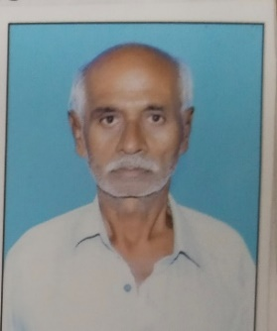
13 | B.SHANKAR REDDY | M | 82 |  | 2023-09-25 | 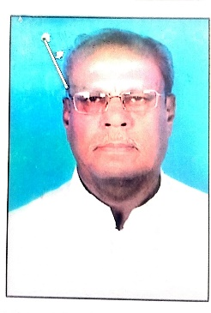
14 | B.THIPPANNA | M | 68 |  | 2023-11-07 | 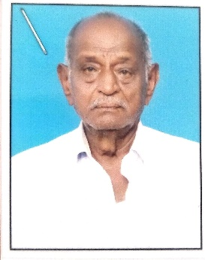
15 | K.SUSEELAMMAF | F | 73Y |  | 2023-08-03 | 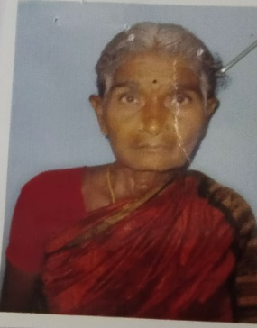
16 | D.PEERAMMA | F | 75Y | BODY PAINS | 2023-08-03 | 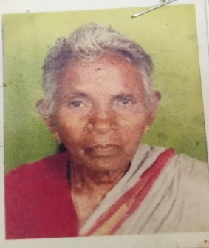
17 | SANTHA BAI | F | 60Y |  | 2023-08-07 | 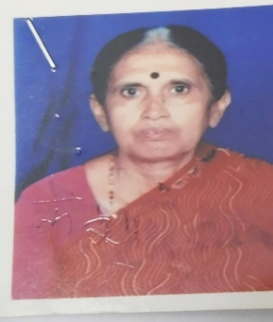
18 | B.MAREKKA | F | 70Y | BP | 2023-08-11 | 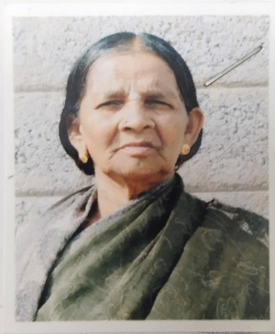
19 | CHENNAMMA | F | 62Y |  | 2023-08-23 | 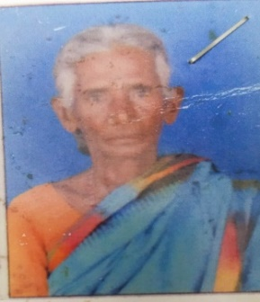
20 | P.LAKSHMAMMA | F | 74 |  | 2023-12-01 | 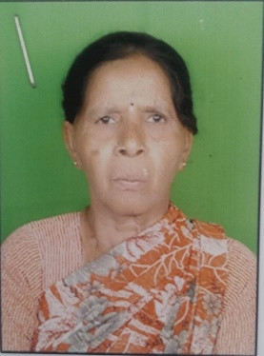
21 | ATTAR JAN | F | 63Y | BP | 2023-08-28 | 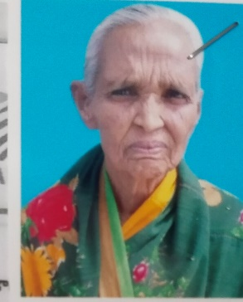
22 | S.VIJAYA KUMAR | M | 62Y |  | 2024-02-02 | 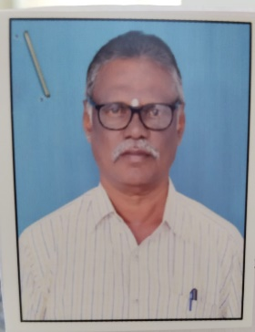
23 | Y.LAKSHMIDEVI | F | 83Y | BP | 2022-04-20 | 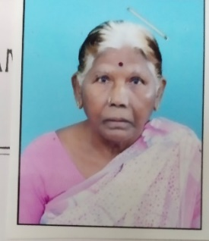
24 | S.MOULALI | M | 68Y |  | 2022-06-27 | 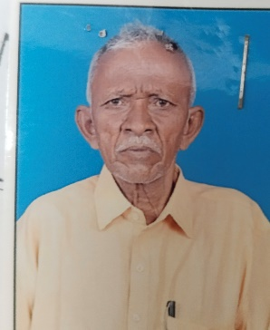
25 | V.CHALAPATHI | M | 74Y | SUGAR | 2022-04-07 | 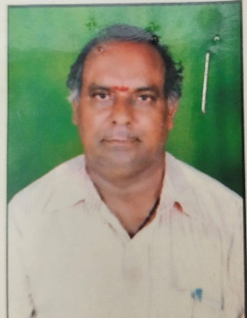
26 | G.GOPAL | M | 72 | KALLANOPPULU | 2023-12-09 | 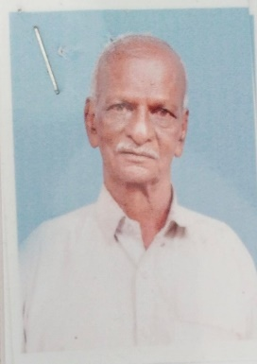

2024
SL NO | NAME OF BENEFICIRIES | GANDER | AGE | MEDICAL CONDITION | DURATION IN HOME[DATE OF JOINING] | PHOTOGRAP
1 | E.NALAMMA | F | 82 | weakness knee pains | 2019-11-18
2 | M.JAYAMMA | F | 74 |  | 2023-11-10
3 | D.NARAYANAMMA | F | 76 Y | BP sugar | 2015-04-01
4 | CHANDRAKALA | F | 64 Y | NO | 2020-09-20
5 | K.LAVANYA | F | 61 Y |  | 2024-02-10 | 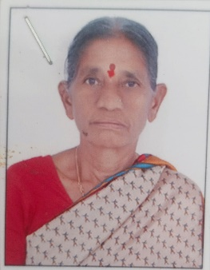
6 | P.RAMASUBBAIAH | M | 70 Y | BP | 2023-08-07 | 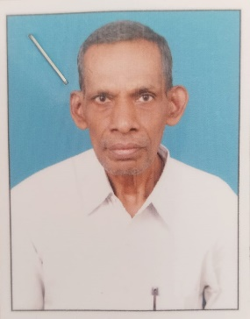
7 | K.NARASAMMA | F | 67 Y | bp sugar | 2023-01-07
8 | V.RAMALAKSHMAMMA | F | 69 Y | ASTHMA | 2023-03-20
9 | K.GANGAMMA | F | 75 |  | 2023-10-10
10 | M.LAKSHMIDEVI | F | 62 Y | BP | 2023-06-28
11 | K.RABIYABI | F | 81 Y |  | 2023-06-28
12 | K.LAKSHMAMMA | F | 78 Y | BODY PAINS | 2024-04-10 | 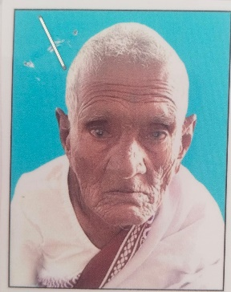
13 | B.SHANKAR REDDY | M | 82 |  | 2023-09-25
14 | B.THIPPANNA | M | 68 |  | 2023-11-07
15 | K.SUSEELAMMAF | F | 73Y |  | 2023-08-03
16 | D.PEERAMMA | F | 75Y | BODY PAINS | 2023-08-03
17 | SANTHA BAI | F | 60Y |  | 2023-08-07
18 | B.MAREKKA | F | 70Y | BP | 2023-08-11
19 | CHENNAMMA | F | 62Y |  | 2023-08-23
20 | P.LAKSHMAMMA | F | 74 |  | 2023-12-01
21 | C.NARAYANA | M | 76 Y | BP SUGAR | 2024-04-11 | 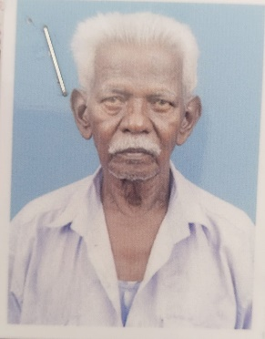
22 | S.VIJAYA KUMAR | M | 62Y |  | 2024-02-02
23 | Y.LAKSHMIDEVI | F | 83Y | BP | 2022-04-20
24 | S.MOULALI | M | 68Y |  | 2022-06-27
25 | G.GOPAL | M | 72 Y | KALLANOPPULU | 2023-12-09

