dashboard
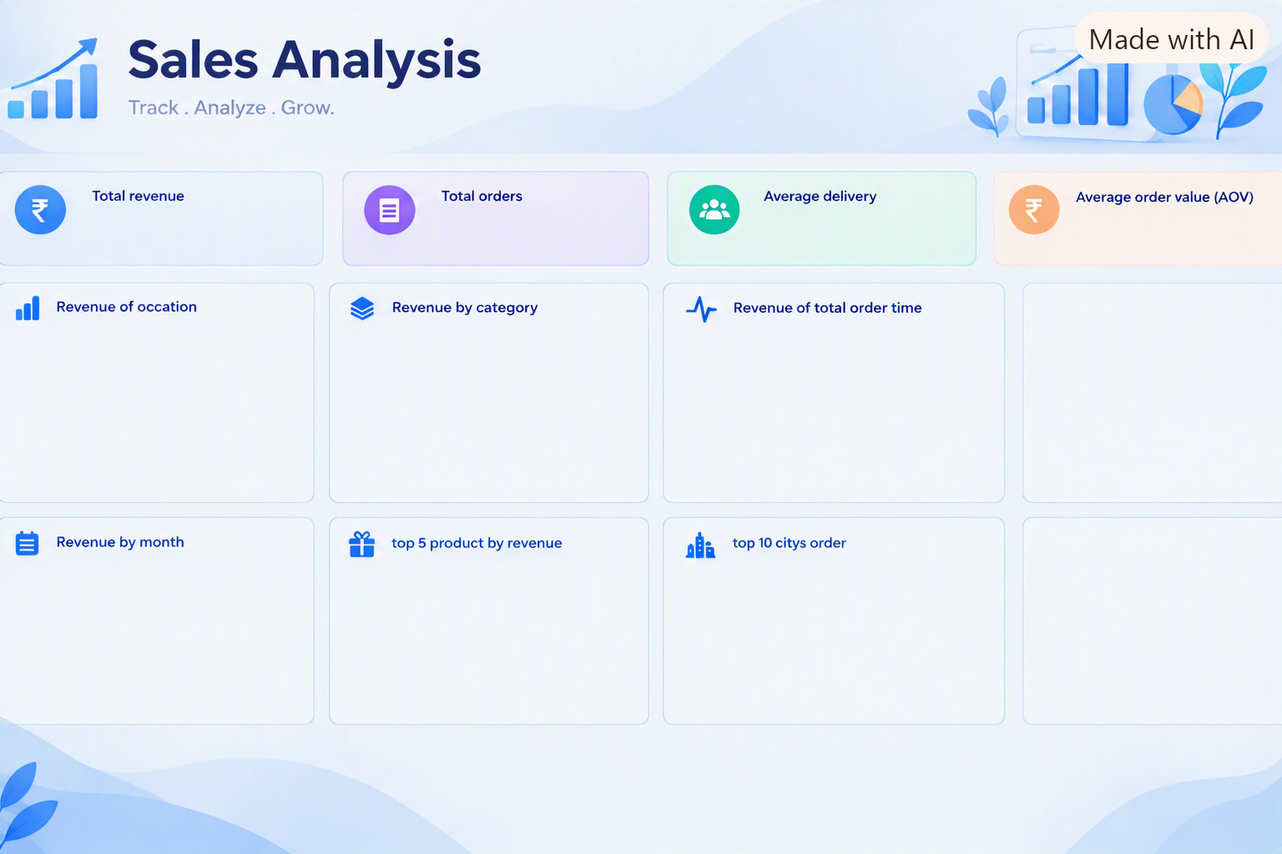
 | Total
All Occasions | ₹ 586,176.00
Anniversary | ₹ 674,634.00
Birthday | ₹ 408,194.00
Diwali | ₹ 313,783.00
Holi | ₹ 574,682.00
Raksha Bandhan | ₹ 631,585.00
Valentine's Day | ₹ 331,930.00
 | Total
Cake | ₹ 329,862.00
Colors | ₹ 1,005,645.00
Mugs | ₹ 201,151.00
Plants | ₹ 212,281.00
Raksha Bandhan | ₹ 297,372.00
Soft Toys | ₹ 740,831.00
Sweets | ₹ 733,842.00
 | Total
January | ₹ 102,673.00
February | ₹ 489,619.00
March | ₹ 716,555.00
April | ₹ 145,883.00
May | ₹ 137,776.00
June | ₹ 174,606.00
July | ₹ 129,988.00
August | ₹ 477,485.00
September | ₹ 393,526.00
October | ₹ 156,112.00
November | ₹ 436,823.00
December | ₹ 159,938.00
 | Total
Deserunt Box | ₹ 97,665.00
Dolores Gift | ₹ 106,624.00
Harum Pack | ₹ 101,556.00
Magnam Set | ₹ 121,905.00
Quia Gift | ₹ 114,476.00
 | Total
Bhatpara | 18
Bidhannagar | 21
Bilaspur | 18
Dhanbad | 28
Dibrugarh | 21
Guntakal | 20
Haridwar | 24
Imphal | 29
Kavali | 27
North Dumdum | 19
 | Total
23 | ₹ 168,511.00
21 | ₹ 155,466.00
20 | ₹ 186,426.00
19 | ₹ 185,771.00
18 | ₹ 173,118.00
17 | ₹ 155,373.00
15 | ₹ 163,586.00
12 | ₹ 162,394.00
6 | ₹ 177,211.00
5 | ₹ 156,198.00
₹ 35,20,984.00
1000
5.53
₹ 3,520.98
Transaction | Vendor
SQ *BLUE BOTTLE COFFEE 4471 OAKLAND CA | BLUE BOTTLE COFFEE 4471 OAKLAND CA
AMZN Mktp US*2H48K93Y3 AMZN.COM/BILL | AMZN
PAYPAL *ADOBEINC 4029357733 | ADOBEINC
POS DEBIT 09/02 SHELL OIL 57443289 | SHELL OIL
ACH DEBIT VERIZON WIRELESS PMT ID 8823 | Verizon Wireless

