MDBF
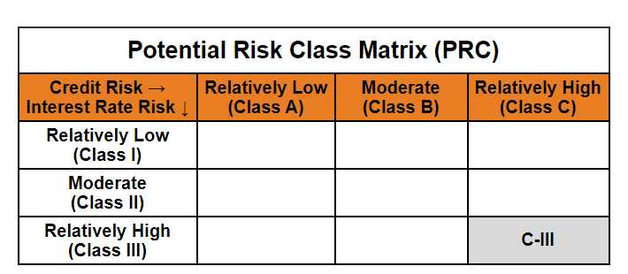
Mirae Asset Dynamic Term Fund (Erstwhile known as Mirae Asset Dynamic Bond Fund)

(An open ended dynamic debt scheme investing across duration. A relatively high interest rate risk and relatively high credit risk.)

Mirae Asset Dynamic Term Fund (Formerly Known as Mirae Asset Dynamic Bond Fund) | MI008 |  | 31-Aug-26

Monthly Portfolio Statement as on August 31, 2026
Name of the Instrument | ISIN | Industry ^/ Rating | Quantity | Market/Fair Value (Rs. in Lacs) | % to Net Assets | YTM
EQUITY & EQUITY RELATED
(a) Listed / awaiting listing on Stock Exchanges
Sub Total |  |  |  | NIL | NIL
(b) Unlisted
Sub Total |  |  |  | NIL | NIL
Total |  |  |  | NIL | NIL
DEBT INSTRUMENTS
(a) Listed / awaiting listing on Stock Exchange
7.28% REC Ltd. (MD 31/08/2029) | INE020B08GI3 | CRISIL AAA | 1,000,000 | 989.86 | 8.58% | 7.66%
7.53% Bajaj Housing Finance Ltd. (MD 28/09/2029)** | INE377Y07672 | CRISIL AAA | 1,000,000 | 989.19 | 8.58% | 7.95%
7.12% Export-Import Bank of India (MD 27/06/2030)** | INE514E08GF5 | CRISIL AAA | 1,000,000 | 988.79 | 8.57% | 7.46%
7.30% Bharti Telecom Ltd. (MD 01/12/2027)** | INE403D08306 | CRISIL AAA | 800,000 | 791.70 | 6.86% | 8.16%
Sub Total |  |  |  | 3,759.54 | 32.59%
(b) Privately placed / Unlisted
Sub Total |  |  |  | NIL | NIL
(c) Securitised Debt Instruments
Sub Total |  |  |  | NIL | NIL
(d) Central Government Securities
6.94% Government of India (MD 11/05/2036) | IN0020260025 | Sovereign | 2,500,000 | 2,497.86 | 21.66% | 7.07%
6.90% Government of India (MD 15/04/2065) | IN0020250018 | Sovereign | 2,000,000 | 1,815.61 | 15.74% | 7.79%
7.71% Government of India (MD 18/05/2066) | IN0020260033 | Sovereign | 1,000,000 | 1,009.16 | 8.75% | 7.78%
7.24% Government of India (MD 18/08/2055) | IN0020250075 | Sovereign | 500,000 | 481.35 | 4.17% | 7.70%
Sub Total |  |  |  | 5,803.98 | 50.32%
Total |  |  |  | 9,563.52 | 82.91%

MONEY MARKET INSTRUMENTS
Total |  |  |  | NIL | NIL

OTHERS
(a) Alternative Investment Fund Units
Corporate Debt Market Development Fund - Class A2# | INF0RQ622028 |  | 539 | 64.52 | 0.56%
Sub Total |  |  |  | 64.52 | 0.56%
(b) TREPS / Reverse Repo
TREPS |  |  |  | 1,671.74 | 14.49% | 4.72%
Sub Total |  |  |  | 1,671.74 | 14.49%
Total |  |  |  | 1,736.26 | 15.05%

Other Current Assets / (Liabilities)
Net Receivables / (Payables) |  |  |  | 234.38 | 2.03%
Total |  |  |  | 234.38 | 2.03%

GRAND TOTAL |  |  |  | 11,534.16 | 100.00%
** Thinly Traded / Non Traded Security
# Unlisted Security
$ Less Than 0.01% of Net Asset Value
^ The Name of the Industry is in accordance with Industry Classification as recommended by AMFI.

Notes & Symbols :-
(1) The provision made for below investment grade or default securities as of August 31 2026. is Rs. Nil and its percentage to Net Asset Value is Nil.
(2) Total value and percentage of Illiquid Equity Shares: Nil.
(3) Net Assets Value per unit (in Rupees) are as follows:
Plan/Option |  | As on August 31 2026 | As on July 31 2026
Regular Plan - Growth Option |  | 17.0072 | 17.0316
Regular Plan- Income Distribution Cum Capital Withdrawal Option |  | 17.0076 | 17.0320
Direct Plan - Growth Option |  | 18.7786 | 18.7924
Direct Plan- Income Distribution Cum Capital Withdrawal Option |  | 18.7553 | 18.7691

(4) No Income Distribution Cum Capital Withdrawal was declared during the Month ended August 31 2026.
(5) No Bonus declared during the Month ended August 31 2026.
(6) Total outstanding exposure in derivative instruments as on August 31 2026. is Nil.
(7) Total investments in Foreign Securities / Overseas ETFs / ADRs / GDRs as on August 31 2026. is Nil.
(8) Average maturity of the portfolio:14.20 Years
(9) The Face Value per unit is Rs. 10/-
(10) Investments in Fixed Deposits : Nil.
(11) Repo in Corporate Debt is Nil.
(12)Total value of short term deposit(s) : Nil

Modified duration | 5.90

 | Portfolio Information
Scheme Name | Mirae Asset Dynamic Term Fund
Description (if any)

Annualised Portfolio YTM* : | 7.13%

Macaulay Duration | 6.15
Residual Maturity (Average Maturity) (in Years) | 14.20

As on (Date) | 31-08-2026
* in case of semi annual YTM, it will be annualised

