FOD
UNION MUTUAL FUND | YK52
Union Mutual Fund - Registration No. MF/066/11/01
Registered Office: Unit 503, 5th Floor, Leela Business Park, Andheri Kurla Road, Andheri (East), Mumbai - 400059
Toll Free No.: 18002002268 I Non Toll Free.: 022-67483333 I Website: www.unionmf.com • Email: investorcare@unionmf.com

MONTHLY PORTFOLIO STATEMENT OF UNION INCOME PLUS ARBITRAGE ACTIVE FOF AS ON AUGUST 31, 2026
(An open-ended FoF investing in units of Arbitrage and Debt Oriented Schemes.)
Name of the Instrument | ISIN | Rating / Industry | Quantity | Market value (Rs. in Lakhs) | % to NAV | YTM %
 |  |  |  |  |  |  | Industry / Rating | % to NAV | Sector | % to NAV | Top 10 Issuers | % to NAV
EQUITY & EQUITY RELATED |  |  |  |  |  |  | Mutual Fund | 94.02 | Mutual Fund | 94.02 | Union Mutual Fund | 94.02
 |  |  |  |  |  |  | Cash & Cash Equivalents | 5.98 | Cash & Cash Equivalents | 5.98
a) Listed/awaiting listing on Stock Exchanges |  |  |  | NIL | NIL

b) Unlisted |  |  |  | NIL | NIL

c) Foreign Securities and /or overseas ETF |  |  |  | NIL | NIL

d) Real Estate Investment Trust |  |  |  | NIL | NIL

e) Infrastructure Investment Trust |  |  |  | NIL | NIL

DEBT INSTRUMENTS

a) Listed/awaiting listing on the stock exchanges |  |  |  | NIL | NIL

b) Privately Placed/Unlisted |  |  |  | NIL | NIL

c) Securitised Debt Instruments |  |  |  | NIL | NIL

d) Central Government Securities |  |  |  | NIL | NIL

e) State Government Securities |  |  |  | NIL | NIL

MONEY MARKET INSTRUMENTS

a) Commercial Paper |  |  |  | NIL | NIL

b) Certificate of Deposits |  |  |  | NIL | NIL

c) Treasury Bills |  |  |  | NIL | NIL

d) Bills Re- Discounting |  |  |  | NIL | NIL

OTHERS
a) Mutual Fund Units / Exchange Traded Funds
Union Corporate Bond Fund-Direct-Growth | INF582M01DU5 | Mutual Fund | 14,157,154 | 2,338.38 | 39.80
Union Arbitrage Fund - Direct-Growth | INF582M01ES7 | Mutual Fund | 14,217,069 | 2,217.75 | 37.74
Union Gilt Fund - Direct Plan - Growth | INF582M01HW2 | Mutual Fund | 4,572,508 | 568.82 | 9.68
Union Short Duration Fund - Direct Plan- | INF582M01KO3 | Mutual Fund | 3,617,633 | 399.72 | 6.80
Total |  |  |  | 5,524.67 | 94.02

b) Short Term Deposits |  |  |  | NIL | NIL

c) Term Deposits Placed as Margins |  |  |  | NIL | NIL

d) Alternative Investment Funds |  |  |  | NIL | NIL

e) TREPS / Reverse Repo Investments
TREPS |  |  |  | 166.86 | 2.84 | 4.99
Total |  |  |  | 166.86 | 2.84

Other Current Assets / (Liabilities)
Net Receivable / Payable |  |  |  | 184.27 | 3.14
Total |  |  |  | 184.27 | 3.14

GRAND TOTAL (AUM) |  |  |  | 5,875.80 | 100.00
Notes:
1. Total Securities in default beyond its maturity date
Name of security | ISIN Code | Net receivable/ market value | Net receivable/ market value | Total amount due (including principal and interest)
 |  | (Rs. in Lakhs) | (as % to NAV) | (Rs. in Lakhs)
NIL | NIL | NIL | NIL | NIL

2. NAV at the beginning of the period - July 31, 2026 (Rs. per unit)
Regular Plan Income Distribution cum Capital Withdrawal Option | 10.4256
Regular Plan Growth Option | 10.4256
Direct Plan Income Distribution cum Capital Withdrawal Option | 10.4791
Direct Plan Growth Option | 10.4791

3. NAV at the end of the period - August 31, 2026 (Rs. per unit)
Regular Plan Income Distribution cum Capital Withdrawal Option | 10.4376
Regular Plan Growth Option | 10.4376
Direct Plan Income Distribution cum Capital Withdrawal Option | 10.4942
Direct Plan Growth Option | 10.4942

4. Total gross exposure to derivative instruments as on August 31, 2026 is Nil.
(Gross exposure means sum of all long and short positions in derivatives)

5. Investment in foreign securities/ADRs/GDRs/Overseas ETF as on August 31, 2026 is Nil.

6. Total value and percentage of Illiquid Equity shares is Nil.

7. Total IDCW (Net) declared during the monthly period - (IDCW - Income Distribution cum Capital Withdrawal)
 |  | (Rs. per unit)
Option Name | Individual & HUF | Others
Regular Plan - Income Distribution cum Capital Withdrawal Option | Nil | Nil
Direct Plan - Income Distribution cum Capital Withdrawal Option | Nil | Nil
IDCW are declared on face value of Rs.10 per unit. After distribution of IDCW, the NAV falls to the extent of IDCW payout and statutory levy, if any.
For detailed history of IDCW declared please visit www.unionmf.com.
No bonus was declared by the Scheme during the month ending August 31, 2026.

8. Since there were no transactions in derivative instruments during the period ended August 31, 2026, the disclosure required for derivative instruments is Nil.
With reference to Clause 6.2 of SEBI Master Circular for Mutual Funds dated March 20, 2026, as amended time to time.

9. For option wise figures given, wherever the words 'Direct Plan' has not been specifically mentioned, the figures pertain to Regular Plan (other than Direct Plan).
10. Repo transactions in corporate debt securities during the month ending on August 31, 2026 is Nil.

Call options written during the period ended August 31, 2026: Nil.
With reference to Clause 13.15.1 of SEBI Master Circular for Mutual Funds dated March 20, 2026, as amended time to time.

Hedging Positions through Derivatives is Nil.

11. Risk o Meter for UNION INCOME PLUS ARBITRAGE ACTIVE FOF & for its Benchmark risk of the 60% Nifty Composite Debt Index + 40% Nifty 50 Arbitrage Index TRI # :

Riskometer |  |  |  | Benchmark Riskometer
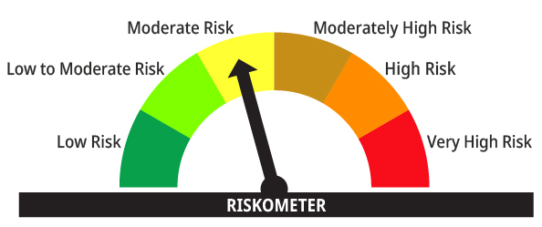
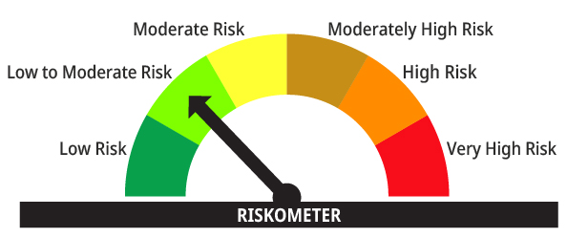

The risk of the scheme is moderate risk | The risk of the 60% Nifty Composite Debt Index + 40% Nifty 50 Arbitrage Index TRI # (Benchmark) is Low to Moderate risk

#NIFTY Index Disclaimer: The Product(s) are not sponsored, endorsed, sold or promoted by NSE INDICES LIMITED (formerly known as India Index Services & Products Limited ("IISL")). NSE INDICES LIMITED does not make any representation or warranty, express or implied, to the owners of the Product(s) or any member of the public regarding the advisability of investing in securities generally or in the Product(s) particularly or the ability of the NIFTY 50 Arbitrage Index/ Nifty Composite Debt Index to track general stock market performance in India. The relationship of NSE INDICES LIMITED to the Issuer is only in respect of the licensing of the Indices and certain trademarks and trade names associated with such Indices which is determined, composed and calculated by NSE INDICES LIMITED without regard to the Issuer or the Product(s). NSE INDICES LIMITED does not have any obligation to take the needs of the Issuer or the owners of the Product(s) into consideration in determining, composing or calculating the NIFTY 50 Arbitrage Index/ Nifty Composite Debt Index. NSE INDICES LIMITED is not responsible for or has participated in the determination of the timing of, prices at, or quantities of the Product(s) to be issued or in the determination or calculation of the equation by which the Product(s) is to be converted into cash. NSE INDICES LIMITED has no obligation or liability in connection with the administration, marketing or trading of the Product(s). Please read the full Disclaimers in relation to the 60% Nifty Composite Debt Index + 40% Nifty 50 Arbitrage Index in the Scheme Information Document (SID) of the Scheme.
### : Note: The Scheme risk-o-meter is based on evaluation of the portfolio data as on August, 31, 2026. Further, for the Benchmark, the latest available risk-o-meter has been provided.

