Sheet1
 | NAVI MUTUAL FUND
 | Navi Liquid Fund
 | Monthly Portfolio Statement for the month ended 31 Aug 2026
 | Name of the Instrument | ISIN | Industry/Rating | Quantity | Market/Fair Value (Rs. in Lacs) | % to Net Assets | YIELD
 | Debt Instruments
 | (a)Listed / awaiting listing on Stock Exchanges
 | 6.17% LIC HOUSING FINANCE LIMITED (03/09/2026) ** | INE115A07PI6 | CRISIL AAA | 500000 | 499.99 | 6.77% | 6.26 %
 | 7.44% SIDBI (04/09/2026) ** | INE556F08KI9 | CARE AAA | 500000 | 500.03 | 6.77% | 6.28 %
 | Sub Total |  |  |  | 1,000.02 | 13.54%

 | (b)Privately Placed/ Unlisted
 | % SBI FUNDS MANAGEMENT LTD () ** | INF0RQ622028 |  | 401 | 47.97 | 0.65%
 | Sub Total |  |  |  | 47.97 | 0.65%

 | (c)Securitized Debt Instruments
 | Sub Total |  |  |  | 0.00 | 0.00%

 | Total |  |  |  | 1,047.99 | 14.19%

 | Money Market Instruments
 | (a)Certificate of Deposit
 | CANARA BANK (15/09/2026) **# | INE476A16I18 | CRISIL A1+ | 500000 | 498.85 | 6.76% | 6.04 %
 | HDFC BANK LIMITED (11/09/2026) **# | INE040A16HN4 | CARE AAA | 500000 | 499.17 | 6.76% | 6.10 %
 | INDIAN BANK (06/11/2026) **# | INE562A16PT7 | CRISIL A1+ | 400000 | 395.43 | 5.36% | 6.38 %
 | Sub Total |  |  |  | 1,393.45 | 18.88%

 | (b)Commercial Paper
 | CHOLAMANDALAM SECURITIES LTD. (11/09/2026) ** | INE04JX14207 | ICRA A1+ | 500000 | 499.03 | 6.76% | 7.12 %
 | L&T FINANCE LIMITED (05/11/2026) ** | INE498L14GG2 | CRISIL A1+ | 500000 | 493.81 | 6.69% | 7.03 %
 | TIME TECHNOPLAST LIMITED (13/11/2026) ** | INE508G14JI8 | CRISIL A1+ | 400000 | 394.25 | 5.34% | 7.31 %
 | NABARD (04/09/2026) ** | INE261F14PO1 | CRISIL AAA | 300000 | 299.85 | 4.06% | 6.12 %
 | Sub Total |  |  |  | 1,686.94 | 22.85%

 | (c)Treasury Bills
 | 91 DAYS TREASURY BILL 01-OCT-2026 | IN002026X131 | SOVEREIGN | 500000 | 497.91 | 6.75% | 5.11 %
 | 91 DAYS TREASURY BILL 12-NOV-2026 | IN002026X198 | SOVEREIGN | 1000000 | 989.76 | 13.41% | 5.25 %
 | Sub Total |  |  |  | 1,487.67 | 20.16%

 | Total |  |  |  | 4,568.05 | 61.89%

 | TREPS/Reverse Repo/Net Current Assets/Cash/Cash Equivalent |  |  |  | 1,764.51 | 23.92%

 | Grand Total |  |  |  | 7,380.55 | 100.00%

 | ** Non Traded Security
 | # Unlisted Security

 | Notes
1 | The provision made for investment in security below investment grade As on August 31, 2026 is Rs NIL and its percentage to Net Asset Value is NIL.

2 | Aggregate value of illiquid securities of the fund amounts to Rs. NIL and their percentage to Net Asset value is NIL.

3 | Plan/option wise per unit Net Asset Value are as follows:
 | Plan/Option | As on August 31, 2026 | As on July 31, 2026
112636 | Regular Plan Growth | 30.2925 | 30.1505
112645 | Regular Plan Daily IDCW | 10.0945 | 10.0472
112646 | Regular Weekly IDCW | 10.0160 | 10.0107
112647 | Regular Monthly IDCW | 10.0172 | 10.0676
119164 | Direct Growth | 30.5811 | 30.4362
119163 | Direct Daily IDCW | 10.0129 | 10.0129
119162 | Direct Weekly IDCW | 10.0157 | 10.0103
119161 | Direct Monthly IDCW | 10.0173 | 10.0683
139386 | Unclaimed Redemption and Dividend Plan - Growth - Less than 3 Yrs | 30.4783 | 30.3332
140437 | Unclaimed Redemption and Dividend Plan - Growth - Greater than 3 Yrs | 10.0000 | 10.0000

4 | Details of Dividend declared per unit (In Rupees) Monthly are as follows
 |  | Individual / HUF | Others
 | Direct Daily IDCW | 0.04755899 | 0.04755899
 | Direct Monthly IDCW | 0.04280571 | 0.04280571
 | Direct Weekly IDCW | 0.05366669 | 0.05366669
 | Regular Plan Daily IDCW | - | -
 | Regular Monthly IDCW | 0.04223576 | 0.04223576
 | Regular Weekly IDCW | 0.05305952 | 0.05305952

5 | Total outstanding exposure in derivative instruments As on August 31, 2026 is NIL.

6 | Total Market value of investments in Foreign Securities/American Depositary Receipts/Global Depositary Receipts as at August 31, 2026 is Rs. NIL

7 | The Average Maturity Period of the Portfolio has been 29.20 days

8 | Investment in Short Term Deposit pending Deployment - NIL

9 | Investment in Securitised Debt - NIL

10 | Repo in Corporate Debt : NIL

 | This product is suitable for investors who are seeking*
 | · Income over short term.

 | · Investments in debt and money market Instruments

 | *Investors should consult their financial advisers if in doubt about whether the product is suitable for them
 | Benchmark Riskometer- Crisil Liquid Debt A-I Index

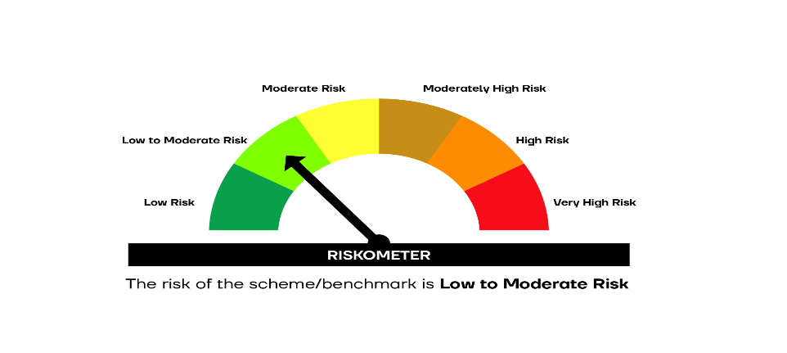

 | SCHEME RISKOMETER | BENCHMARK RISKOMETER

