MALDF
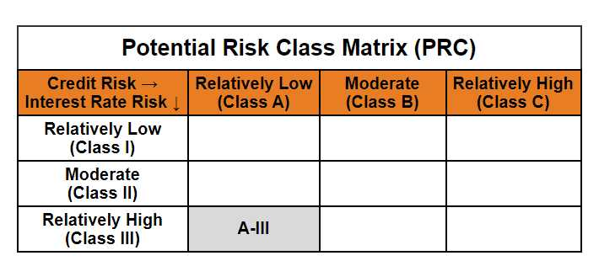
Mirae Asset Long Term Fund (Erstwhile known as Mirae Asset Long Duration Fund)

(An open ended debt scheme investing in instruments such that the Macaulay duration of the portfolio is greater than 7 years. A relatively high interest rate risk and relatively low credit risk.)

Mirae Asset Long Term Fund (Formerly Known as Mirae Asset Long Duration Fund) | MI069 |  | 31-Aug-26

Monthly Portfolio Statement as on August 31, 2026
Name of the Instrument | ISIN | Industry ^/ Rating | Quantity | Market/Fair Value (Rs. in Lacs) | % to Net Assets | YTM
EQUITY & EQUITY RELATED
(a) Listed / awaiting listing on Stock Exchanges
Sub Total |  |  |  | NIL | NIL
(b) Unlisted
Sub Total |  |  |  | NIL | NIL
Total |  |  |  | NIL | NIL
DEBT INSTRUMENTS
(a) Listed / awaiting listing on Stock Exchange
Sub Total |  |  |  | NIL | NIL
(b) Privately placed / Unlisted
Sub Total |  |  |  | NIL | NIL
(c) Securitised Debt Instruments
Sub Total |  |  |  | NIL | NIL
(d) Central Government Securities
7.30% Government of India (MD 19/06/2053) | IN0020230051 | Sovereign | 800,000 | 775.04 | 39.73% | 7.72%
7.09% Government of India (MD 05/08/2054) | IN0020240118 | Sovereign | 500,000 | 472.19 | 24.21% | 7.71%
6.90% Government of India (MD 15/04/2065) | IN0020250018 | Sovereign | 300,000 | 272.34 | 13.96% | 7.79%
7.24% Government of India (MD 18/08/2055) | IN0020250075 | Sovereign | 200,000 | 192.54 | 9.87% | 7.70%
6.94% Government of India (MD 11/05/2036) | IN0020260025 | Sovereign | 100,000 | 99.91 | 5.12% | 7.07%
Sub Total |  |  |  | 1,812.02 | 92.90%
Total |  |  |  | 1,812.02 | 92.90%

MONEY MARKET INSTRUMENTS
Total |  |  |  | NIL | NIL

OTHERS
(a) Alternative Investment Fund Units
Corporate Debt Market Development Fund - Class A2# | INF0RQ622028 |  | 88 | 10.52 | 0.54%
Sub Total |  |  |  | 10.52 | 0.54%
(b) TREPS / Reverse Repo
TREPS |  |  |  | 103.97 | 5.33% | 4.72%
Sub Total |  |  |  | 103.97 | 5.33%
Total |  |  |  | 114.49 | 5.87%

Other Current Assets / (Liabilities)
Net Receivables / (Payables) |  |  |  | 24.11 | 1.24%
Total |  |  |  | 24.11 | 1.24%

GRAND TOTAL |  |  |  | 1,950.62 | 100.00%
** Thinly Traded / Non Traded Security
# Unlisted Security
$ Less Than 0.01% of Net Asset Value
^ The Name of the Industry is in accordance with Industry Classification as recommended by AMFI.

Notes & Symbols :-
(1) The provision made for below investment grade or default securities as of August 31 2026. is Rs. Nil and its percentage to Net Asset Value is Nil.
(2) Total value and percentage of Illiquid Equity Shares: Nil.
(3) Net Assets Value per unit (in Rupees) are as follows:
Plan/Option |  | As on August 31 2026 | As on July 31 2026
Regular Plan - Growth Option |  | 10.4147 | 10.4592
Regular Plan- Income Distribution Cum Capital Withdrawal Option |  | 10.4147 | 10.4591
Direct Plan - Growth Option |  | 10.5083 | 10.5484
Direct Plan- Income Distribution Cum Capital Withdrawal Option |  | 10.5010 | 10.5410

(4) No Income Distribution Cum Capital Withdrawal was declared during the Month ended August 31 2026.
(5) No Bonus declared during the Month ended August 31 2026.
(6) Total outstanding exposure in derivative instruments as on August 31 2026. is Nil.
(7) Total investments in Foreign Securities / Overseas ETFs / ADRs / GDRs as on August 31 2026. is Nil.
(8) Average maturity of the portfolio:26.69 Years
(9) The Face Value per unit is Rs. 10/-
(10) Investments in Fixed Deposits : Nil.
(11) Repo in Corporate Debt is Nil.
(12)Total value of short term deposit(s) : Nil
(13) Aggregate investments by other schemes of Mirae Asset Mutual Fund at the end of the period is Rs.370.42 Lakhs

Modified duration | 10.71

 | Portfolio Information
Scheme Name | Mirae Asset Long Term Fund
Description (if any)

Annualised Portfolio YTM* : | 7.49%

Macaulay Duration | 11.12
Residual Maturity (Average Maturity) (in Years) | 26.69

As on (Date) | 31-08-2026
* in case of semi annual YTM, it will be annualised

