MAONF
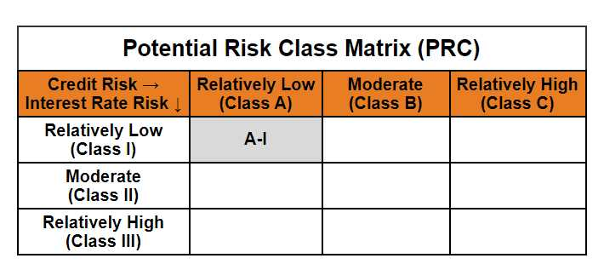
Mirae Asset Overnight Fund

(An open ended debt scheme investing in overnight securities. A relatively low interest rate risk and relatively low credit risk.)

Mirae Asset Overnight Fund | MI015 |  | 31-Aug-26

Monthly Portfolio Statement as on August 31, 2026
Name of the Instrument | ISIN | Industry ^/ Rating | Quantity | Market/Fair Value (Rs. in Lacs) | % to Net Assets | YTM
EQUITY & EQUITY RELATED
(a) Listed / awaiting listing on Stock Exchanges
Sub Total |  |  |  | NIL | NIL
(b) Unlisted
Sub Total |  |  |  | NIL | NIL
Total |  |  |  | NIL | NIL
DEBT INSTRUMENTS
(a) Listed / awaiting listing on Stock Exchange
Sub Total |  |  |  | NIL | NIL
(b) Privately placed / Unlisted
Sub Total |  |  |  | NIL | NIL
(c) Securitised Debt Instruments
Sub Total |  |  |  | NIL | NIL
Total |  |  |  | NIL | NIL
MONEY MARKET INSTRUMENTS
(a) Treasury Bill
182 Days Treasury Bills (MD 03/09/2026) | IN002025Y487 | Sovereign | 5,000,000 | 4,998.58 | 2.89% | 5.19%
182 Days Treasury Bills (MD 18/09/2026) | IN002025Y503 | Sovereign | 2,500,000 | 2,494.19 | 1.44% | 5.00%
Sub Total |  |  |  | 7,492.77 | 4.34%
Total |  |  |  | 7,492.77 | 4.34%

OTHERS
(a) TREPS / Reverse Repo
5.10% Reverse Repo |  |  |  | 165,641.72 | 95.90% | 5.10%
TREPS |  |  |  | 2,170.10 | 1.26% | 4.72%
Sub Total |  |  |  | 167,811.82 | 97.15%
Total |  |  |  | 167,811.82 | 97.15%

Other Current Assets / (Liabilities)
Net Receivables / (Payables) |  |  |  | (2,577.01) | -1.49%
Total |  |  |  | (2,577.01) | -1.49%

GRAND TOTAL |  |  |  | 172,727.58 | 100.00%
** Thinly Traded / Non Traded Security
# Unlisted Security
$ Less Than 0.01% of Net Asset Value
^ The Name of the Industry is in accordance with Industry Classification as recommended by AMFI.

Notes & Symbols :-
(1) The provision made for below investment grade or default securities as of August 31 2026. is Rs. Nil and its percentage to Net Asset Value is Nil.
(2) Total value and percentage of Illiquid Equity Shares: Nil.
(3) Net Assets Value per unit (in Rupees) are as follows:
Plan/Option |  | As on August 31 2026 | As on July 31 2026
Regular Plan - Growth Option |  | 1402.3793 | 1396.5007
Regular Plan - Daily Income Distribution Cum Capital Withdrawal Option |  | 1000.0067 | 1000.0068
Regular Plan - Weekly Income Distribution Cum Capital Withdrawal Option |  | 1000.5612 | 1000.2942
Regular Plan - Monthly Income Distribution Cum Capital Withdrawal Option |  | 1000.9591 | 1000.9843
Direct Plan - Growth Option |  | 1411.1588 | 1405.1461
Direct Plan - Daily Income Distribution Cum Capital Withdrawal Option |  | 1000.0243 | 1000.0243
Direct Plan - Weekly Income Distribution Cum Capital Withdrawal Option |  | 1000.5552 | 1000.2865
Direct Plan - Monthly Income Distribution Cum Capital Withdrawal Option |  | 1000.9658 | 1000.9905

(4) Details of Income Distribution Cum Capital Withdrawal declared per unit (In Rupees) during the Month ended are as follows.
Plan/Option |  | Individual Investors / HUF | Corporate Investors
Regular Plan - Daily Income Distribution Cum Capital Withdrawal Option |  | 4.3183 | 4.3183
Regular Plan - Weekly Income Distribution Cum Capital Withdrawal Option |  | 4.0054 | 4.0054
Regular Plan - Monthly Income Distribution Cum Capital Withdrawal Option |  | 4.2492 | 4.2492
Direct Plan - Daily Income Distribution Cum Capital Withdrawal Option |  | 4.2945 | 4.2945
Direct Plan - Weekly Income Distribution Cum Capital Withdrawal Option |  | 4.0049 | 4.0049
Direct Plan - Monthly Income Distribution Cum Capital Withdrawal Option |  | 4.3087 | 4.3087

(5) No Bonus declared during the Month ended August 31 2026.
(6) Total outstanding exposure in derivative instruments as on August 31 2026. is Nil.
(7) Total investments in Foreign Securities / Overseas ETFs / ADRs / GDRs as on August 31 2026. is Nil.
(8) Average maturity of the portfolio:1.32 Days
(9) The Face Value per unit is Rs. 1000/-
(10) Investments in Fixed Deposits : Nil.
(11) Repo in Corporate Debt is Nil.
(12)Total value of short term deposit(s) : Nil

Modified duration | 0.00

 | Portfolio Information
Scheme Name | Mirae Asset Overnight Fund
Description (if any)

Annualised Portfolio YTM* : | 5.10%

Macaulay Duration | 0.00
Residual Maturity (Average Maturity) (in Days) | 1.32

As on (Date) | 31-08-2026
* in case of semi annual YTM, it will be annualised

