Temperature regulation
 | Ground temperature approximation |  | All values must be written in decimals!!! |  |  |  | Declination |  | Height at the moment | 50.20 |  | -0.1102412809 | 50.19478706
 |  |  |  | Real soil temperature | 290.5313974 | K | 23.18633714 |  |  | 2.95 | visible | -0.1285648193 | 2.948026136
Month | Day | Time | Latitude | Temperature measured | Soil heat capacity (depends on dignity) |  | Sun height angle |  |  | #REF! | ir | #REF! | #REF!
6 | 30 | 11.20 | 36.95821914 | 296.0686667 | 3000 |  | 76.22811799 |  | Energy of m2 for all the time before mesuring | 0.02 | uv | -60.77577786 | -0.992982705
 |  | 20.65 | Longtitude |  | Soil density |  |  |  | 5916231.739 | J
 |  | 21.025 | 25.15736056 |  | 920 |  | Rise-Set time
 |  |  |  |  |  |  | 14.50671409 | h
 |  |  |  |  | 17.38139744
Overcast | YES |  |  |  |  |  | Sun rise: |  | Function const
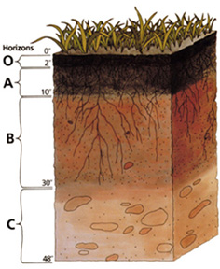
Summer time | YES |  |  |  |  |  | 6.42 | h | 2.143562224 |  | Interval min | 0.12
Time zone | -1 |  |  |  |  |  | Sun set: |  | 5.537269231 |  | Interval max | 0.9
 |  |  |  |  |  |  | 20.93 | h
Local midday | 13.67715737 |  |  |  |  |  |  |  | The depth of the ground in this interval is stable on longer time scales. (It is represented by hypecbolic function, this information may help to the math nerds…)

ČSN 730581

Atmosphere
Greenhouse gases in CO2 | strenght | concentration (ppm) | influence on greenhouse effect | SUM | Tempreture without atmospheric effects (calculated) | 254.8111223
CO2 | 1 | 380 | 8.05% |  | Solar constant (calculated) | 1365.98724
O3 | 1000 | 0.6533333333 | 13.85%
H20 | 0.72 | 5117.108294 | 78.10% | 4717.651305 | Average tempreture measured (without radiation effect) | 290.5313974
CH4 | 80 | 0 | 0.00% |  | Greenhouse reflection | 0.8165243248
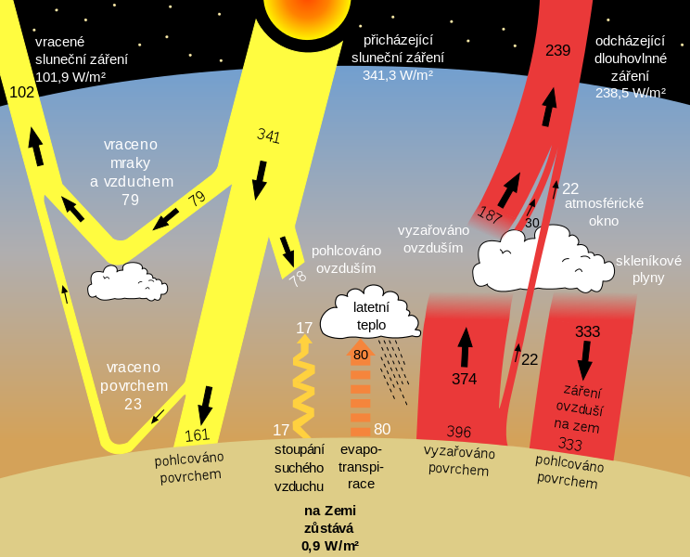
NO2 | 300 | 0 | 0.00%
Works only for troposphere!!!
 | Albedo | 0.3

influence on greenhouse effect

Sun temperature | 5778 | K
Astronomical unit | 149597871000
Bolz. Const | 5.67E-08
Sun radius | 695508000

