YouTrack Registeration
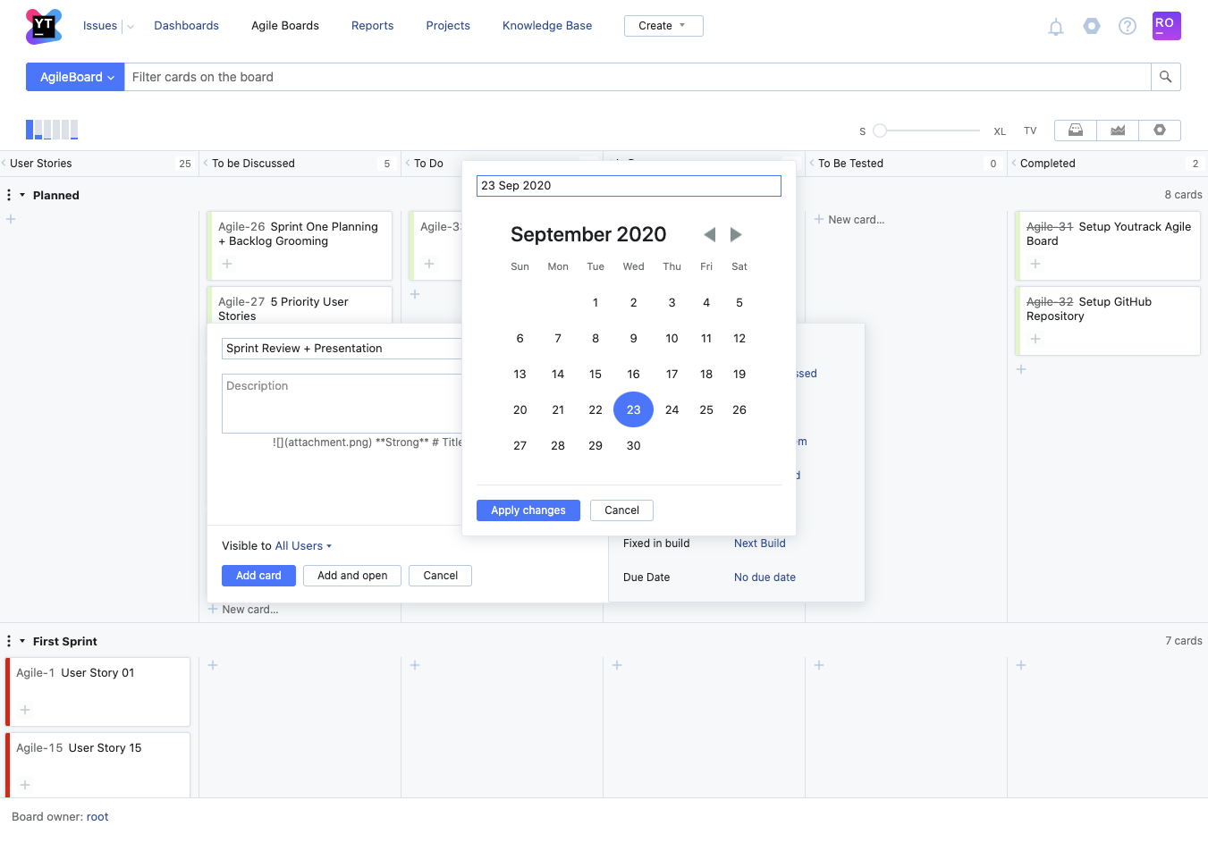
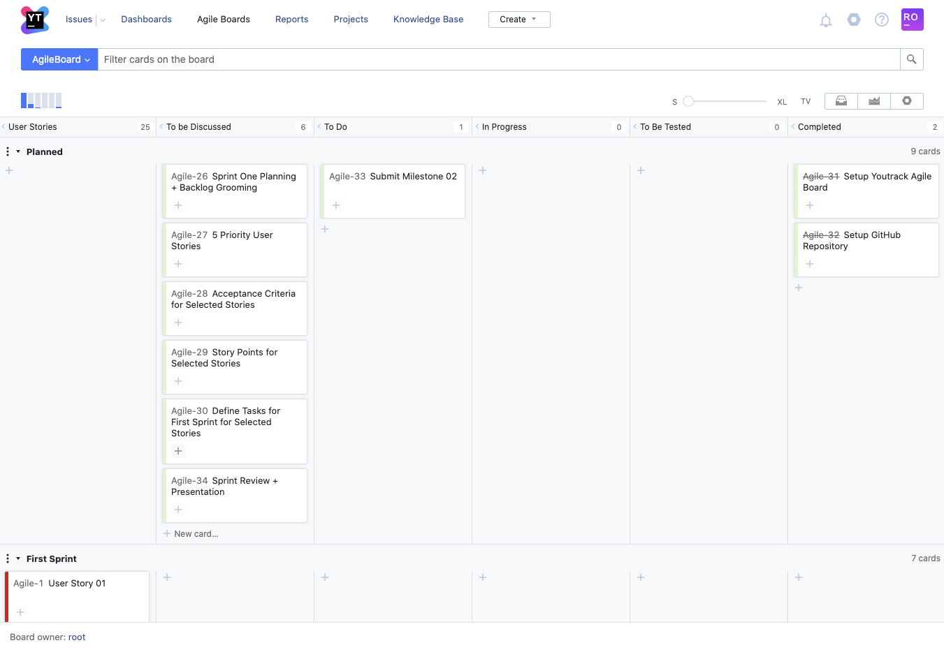



YOUTRACK BOARD SCREENSHOTS
Agile Board - All members have access and can add tasks.
https://agileproject.myjetbrains.com/youtrack/agiles/120-3/121-3

GitHub Repository
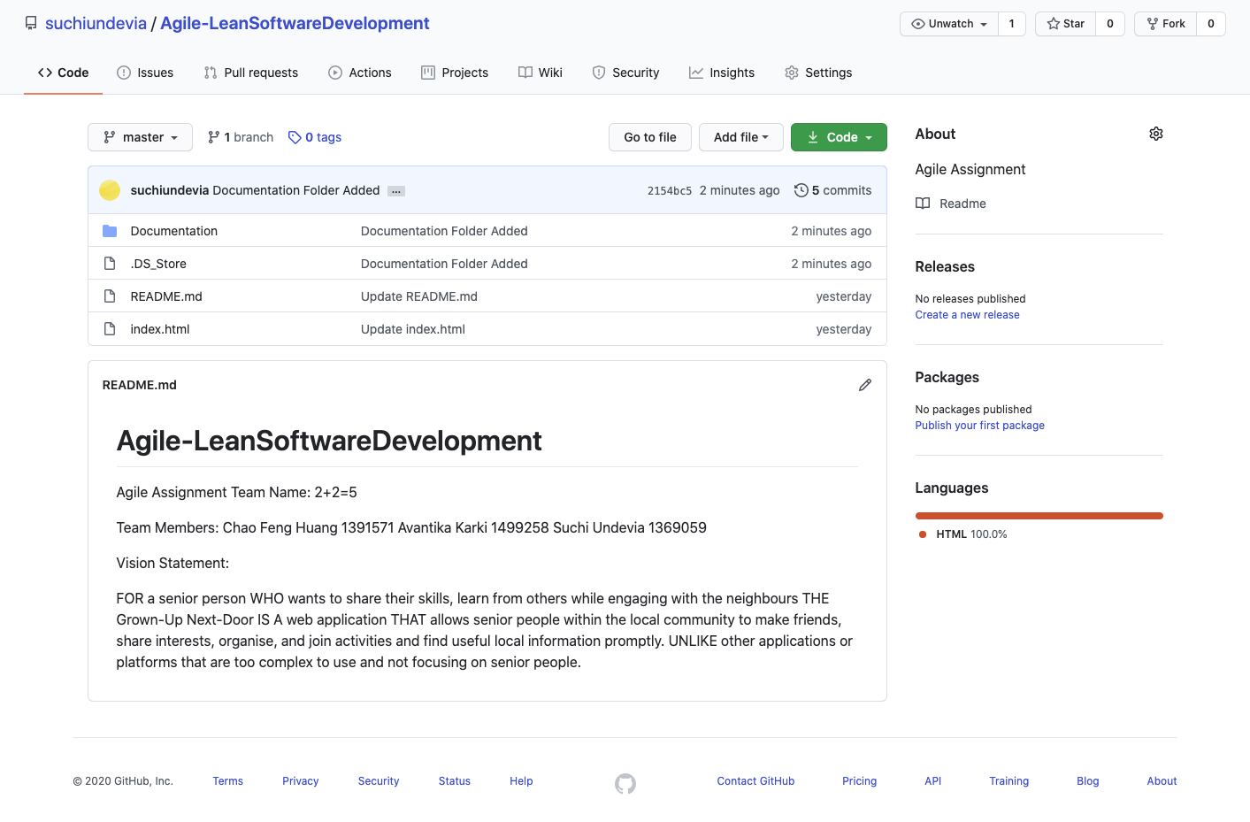

GITHUB REPOSITORY SCREENSHOT
Code Repository - All members have access and can add tasks.
https://github.com/suchiundevia/Agile-LeanSoftwareDevelopment

HelioHost Registeration
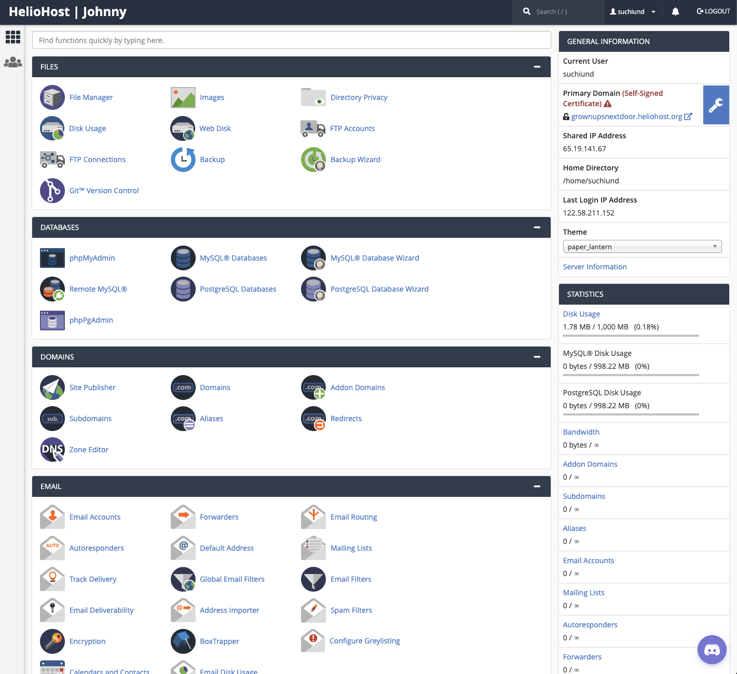
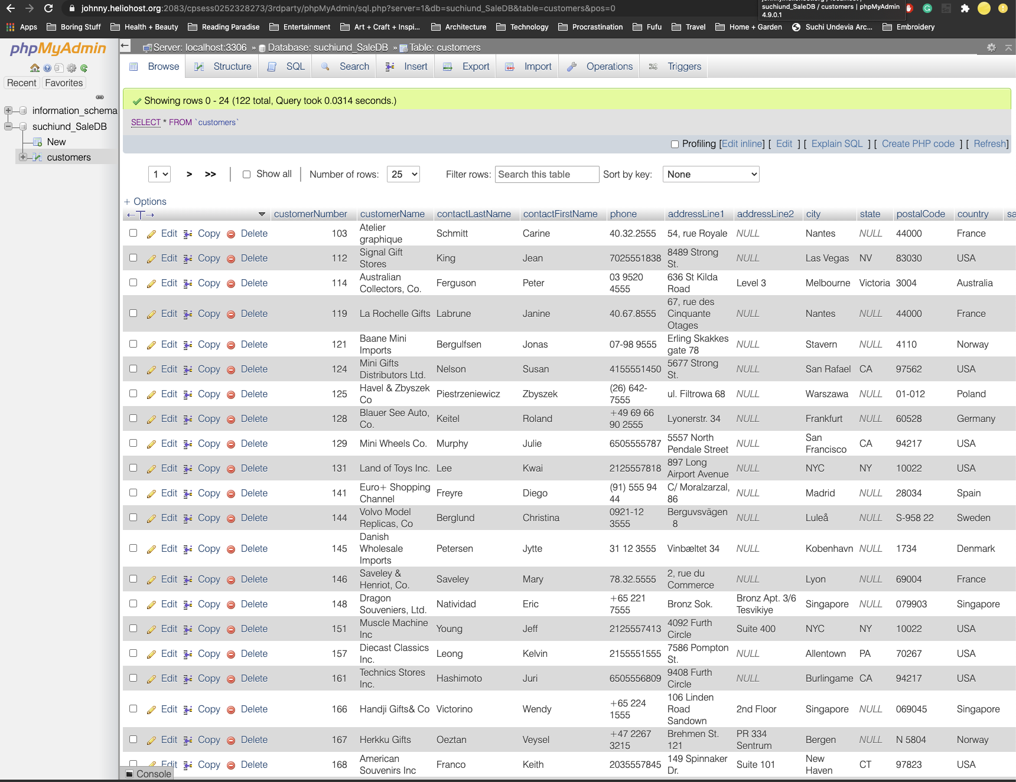
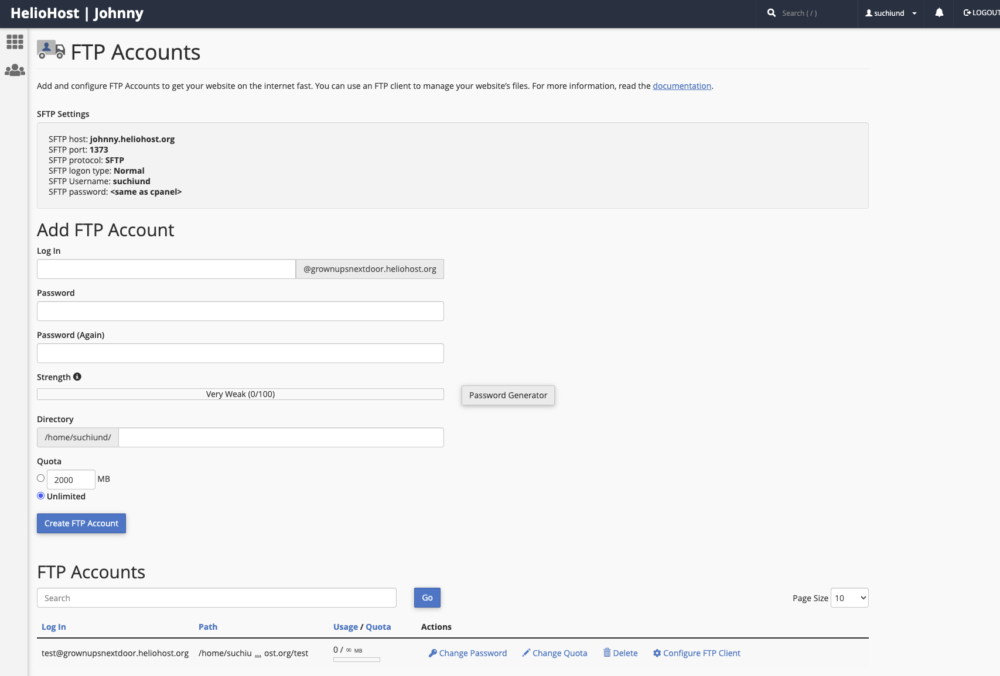
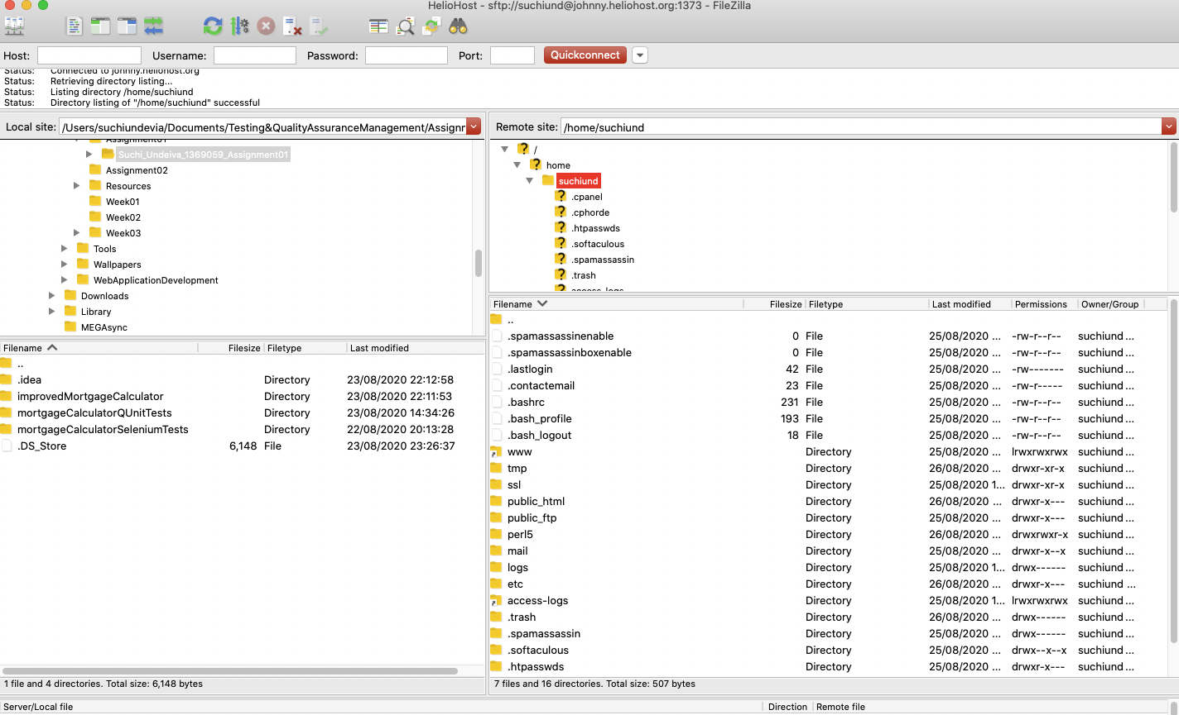
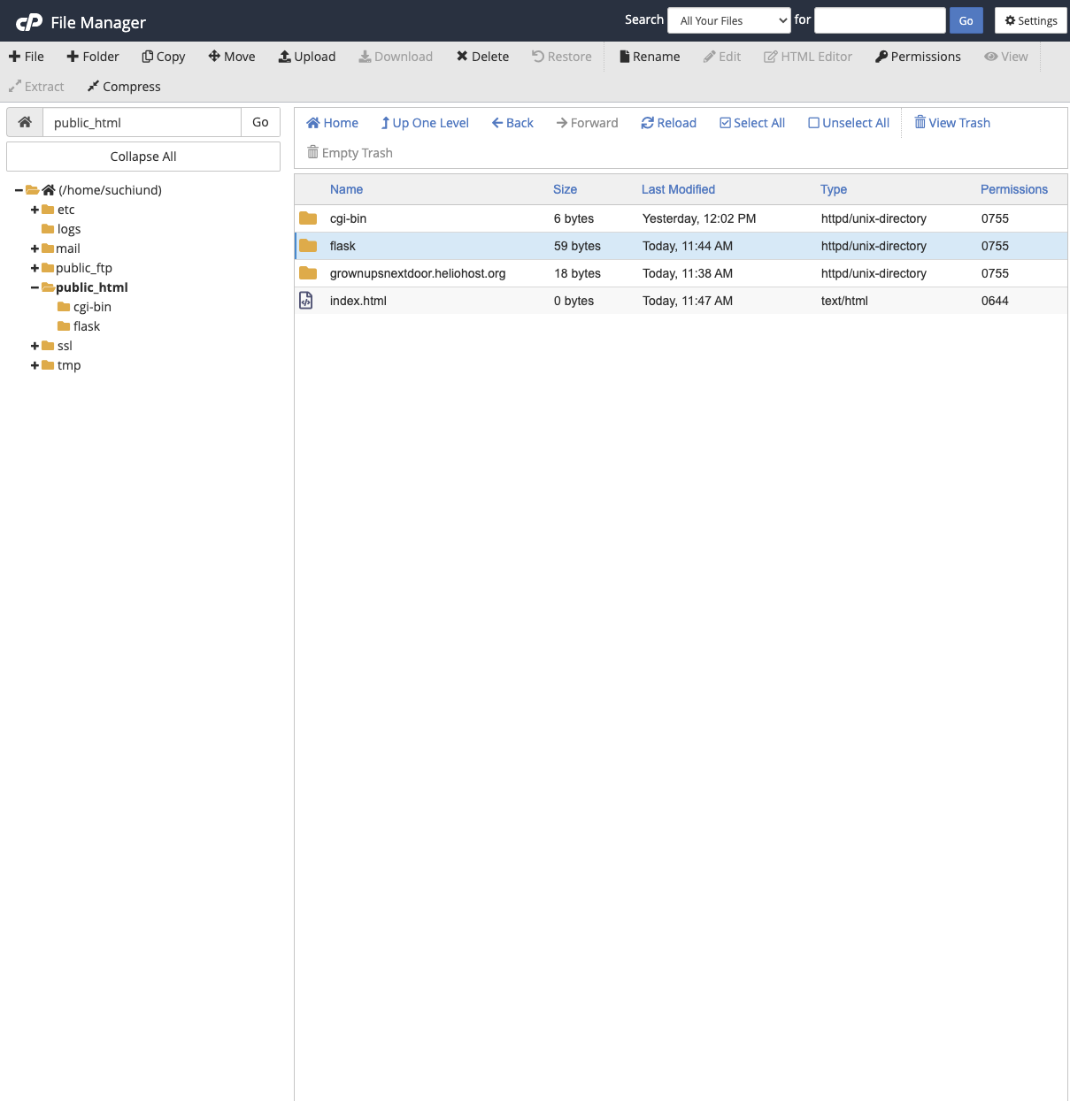
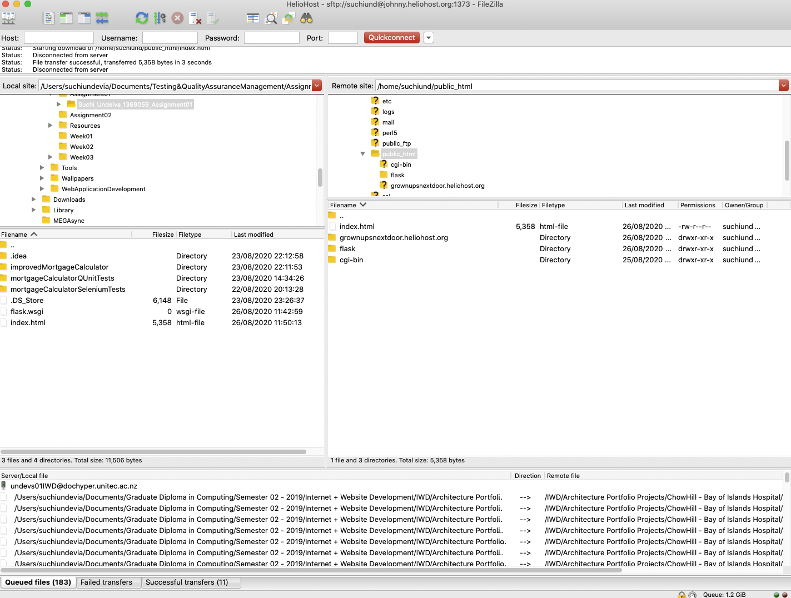
HELIOHOST REGISTERATION SCREENSHOT
Admin, Database, Files etc

