Entity Relationship Diagrams
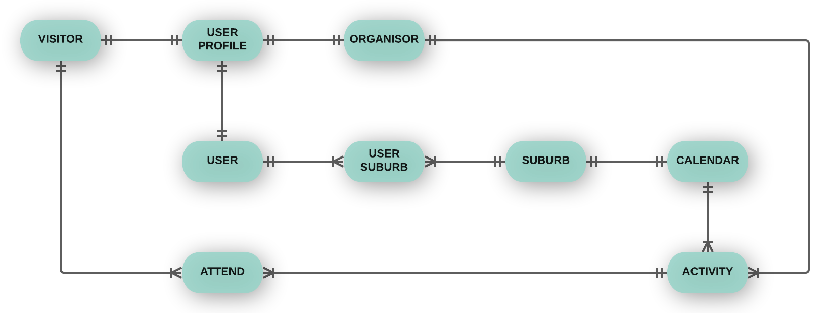
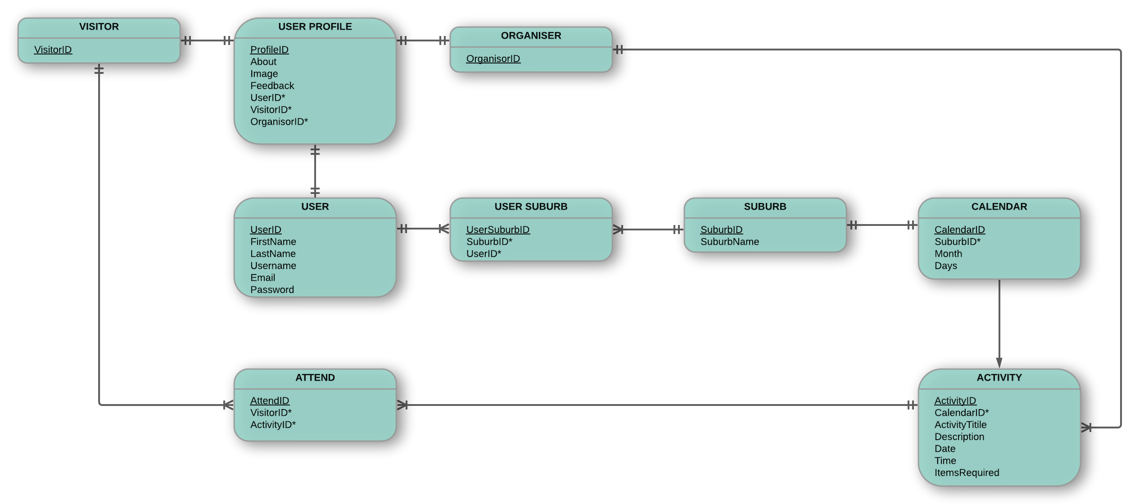
CONCEPTUAL AND LOGICAL ENTITY RELATIONSHIP DIAGRAMS
Draft interpretation of database tables required (Sprints 1-3 only)

