Entity Relationship Diagrams
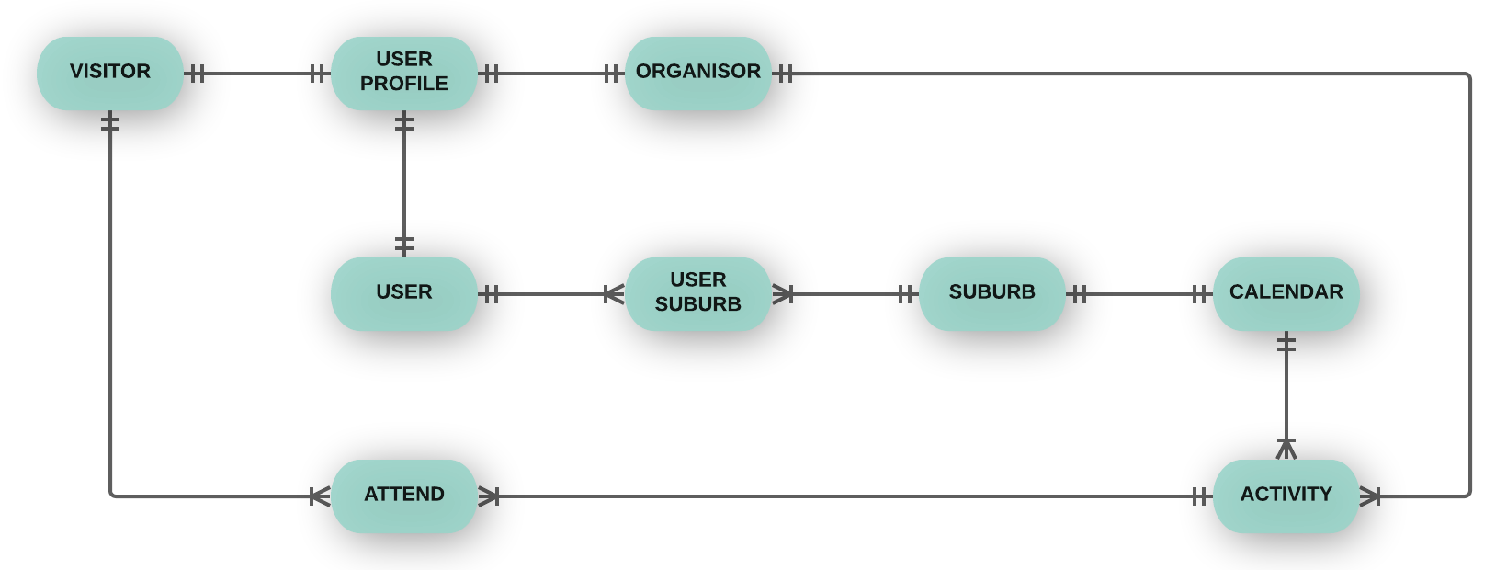
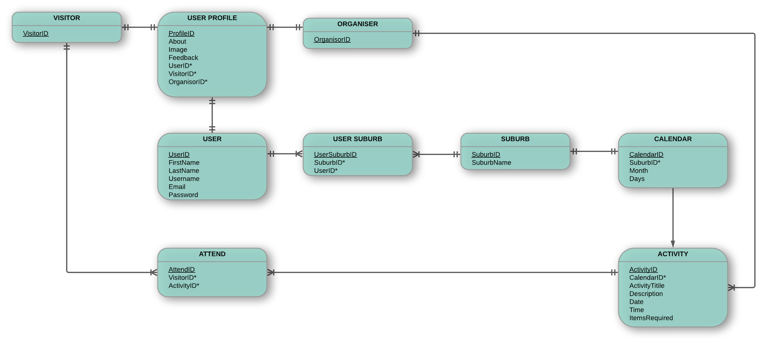
CONCEPTUAL AND LOGICAL ENTITY RELATIONSHIP DIAGRAMS
Draft interpretation of database tables required (Sprints 1-3 only)

WireFrames
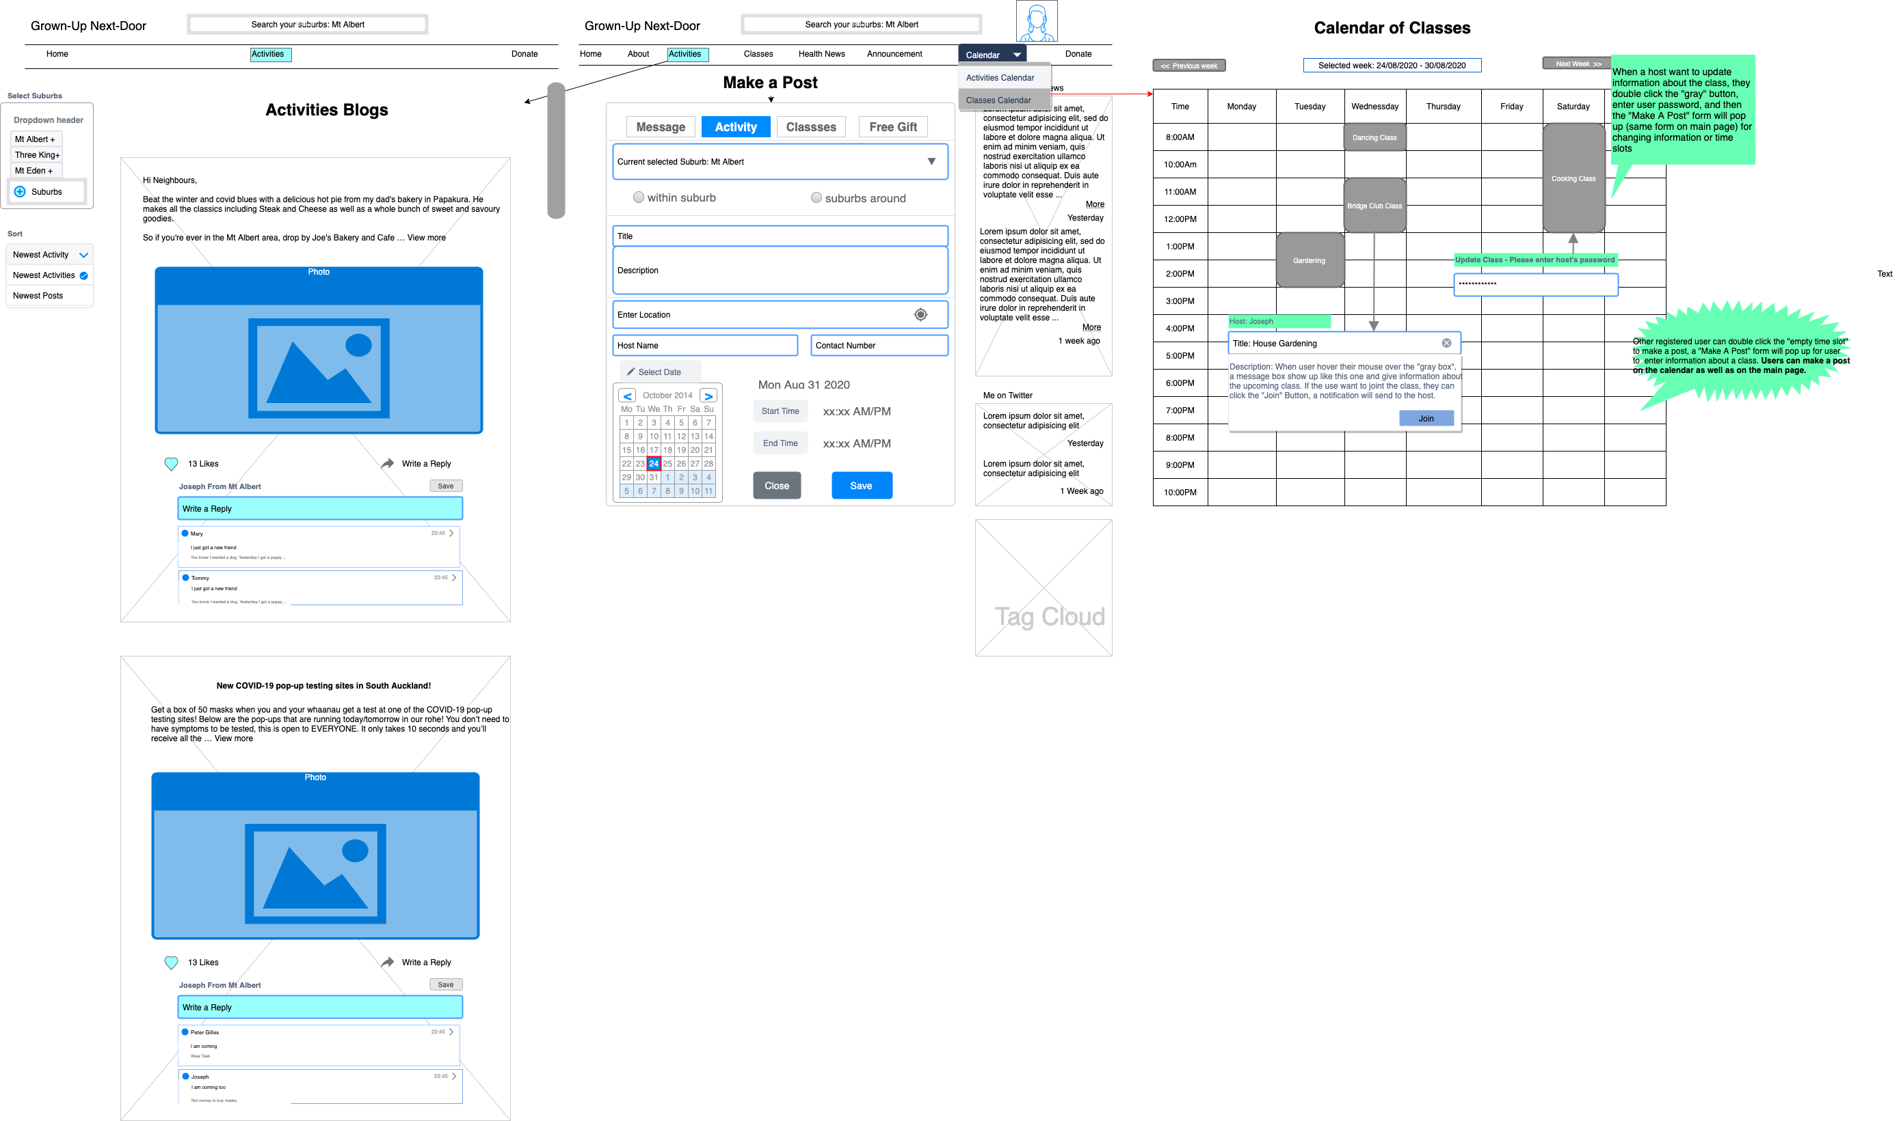
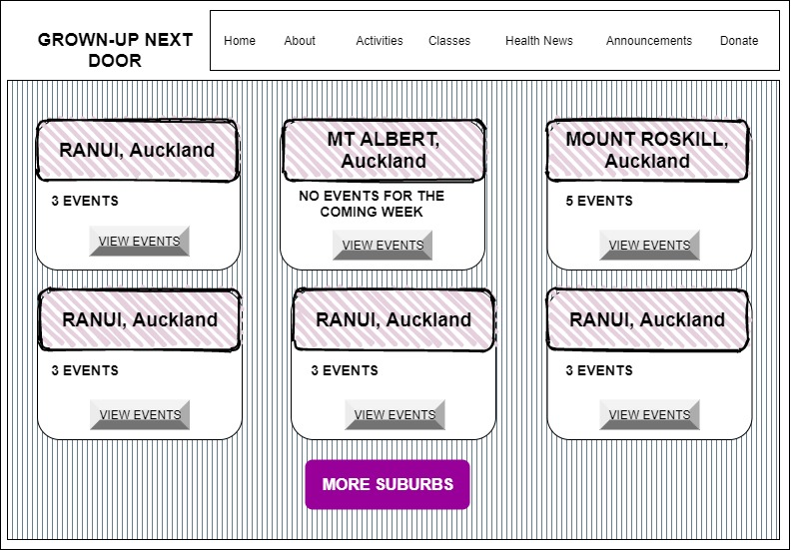
WIRE FRAME DIAGRAMS
Diagrams: Calendar showing all activities, posting an activity and selection

YouTrack Registeration
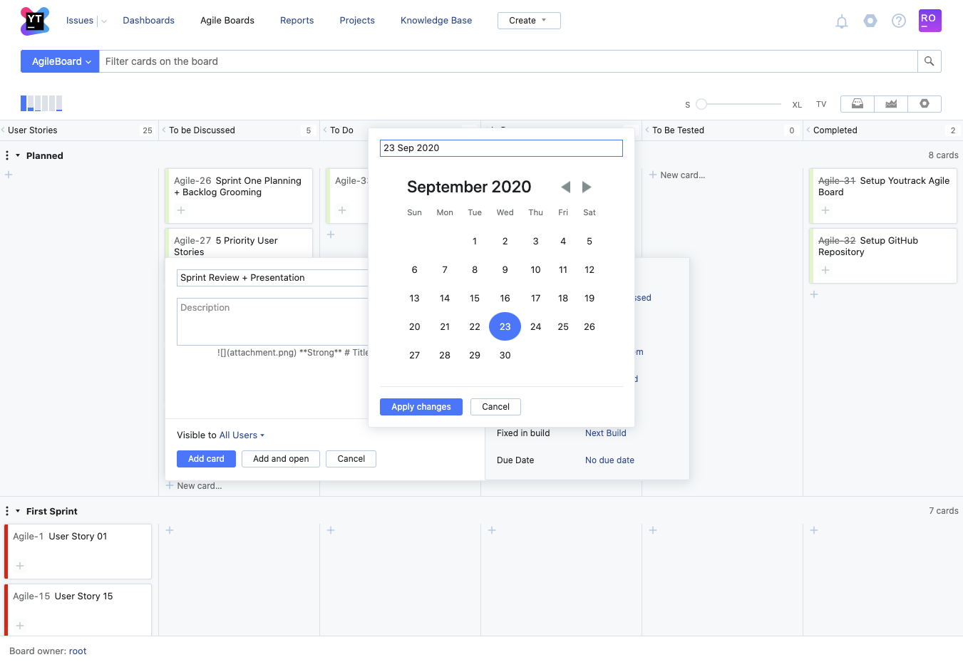
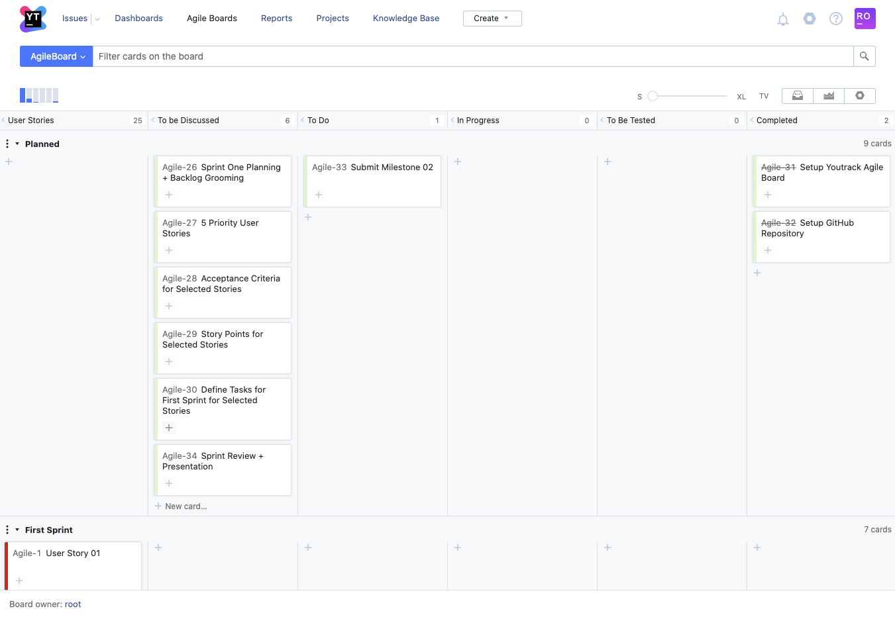



YOUTRACK BOARD SCREENSHOTS
Agile Board - All members have access and can add tasks.
https://agileproject.myjetbrains.com/youtrack/agiles/120-3/121-3

GitHub Repository
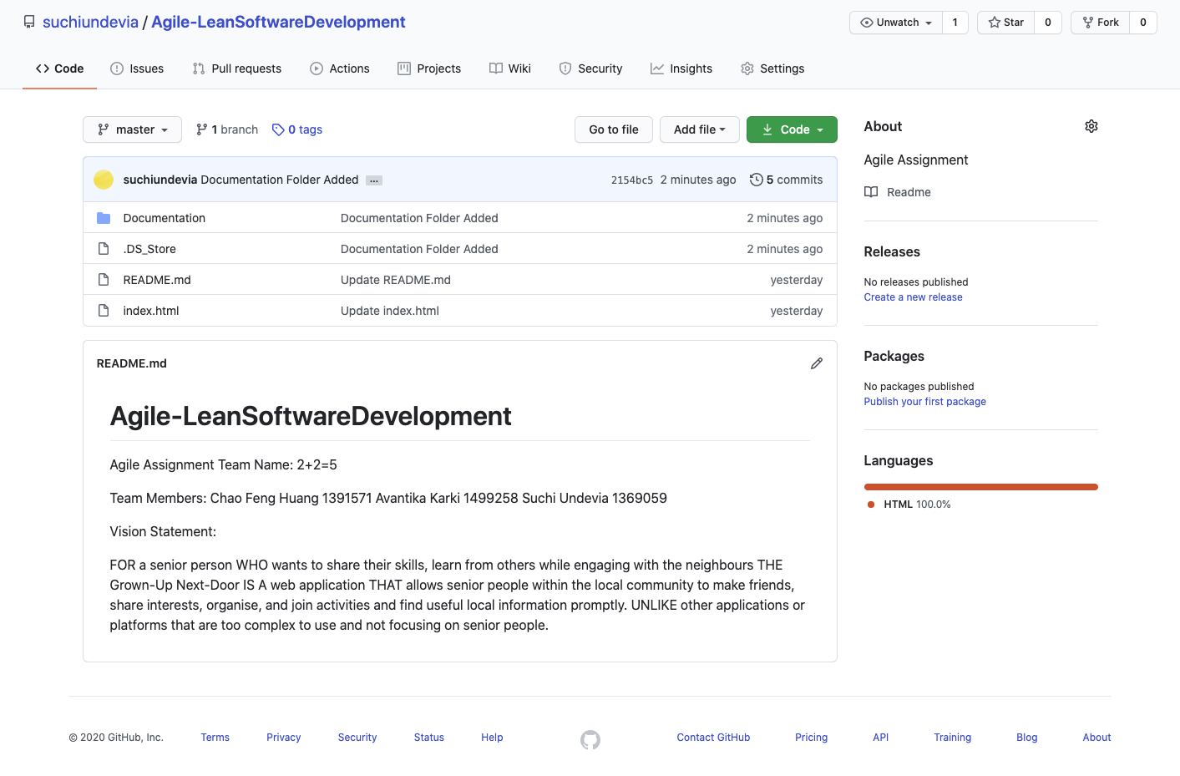

GITHUB REPOSITORY SCREENSHOT
Code Repository - All members have access and can add tasks.
https://github.com/suchiundevia/Agile-LeanSoftwareDevelopment

HelioHost Registeration
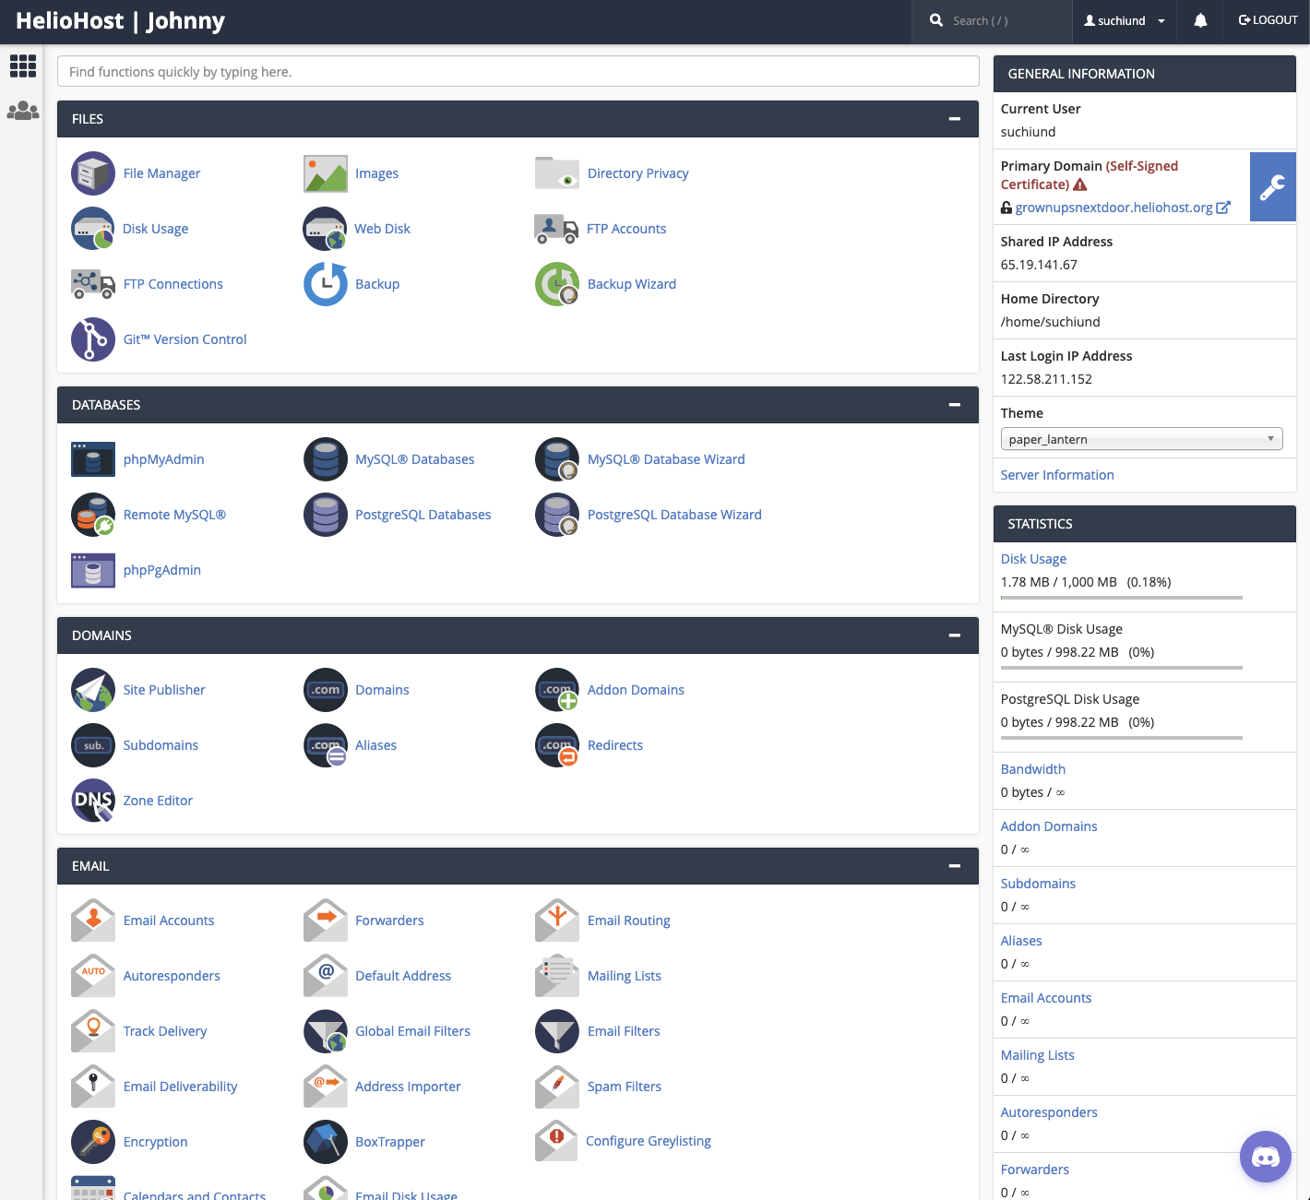
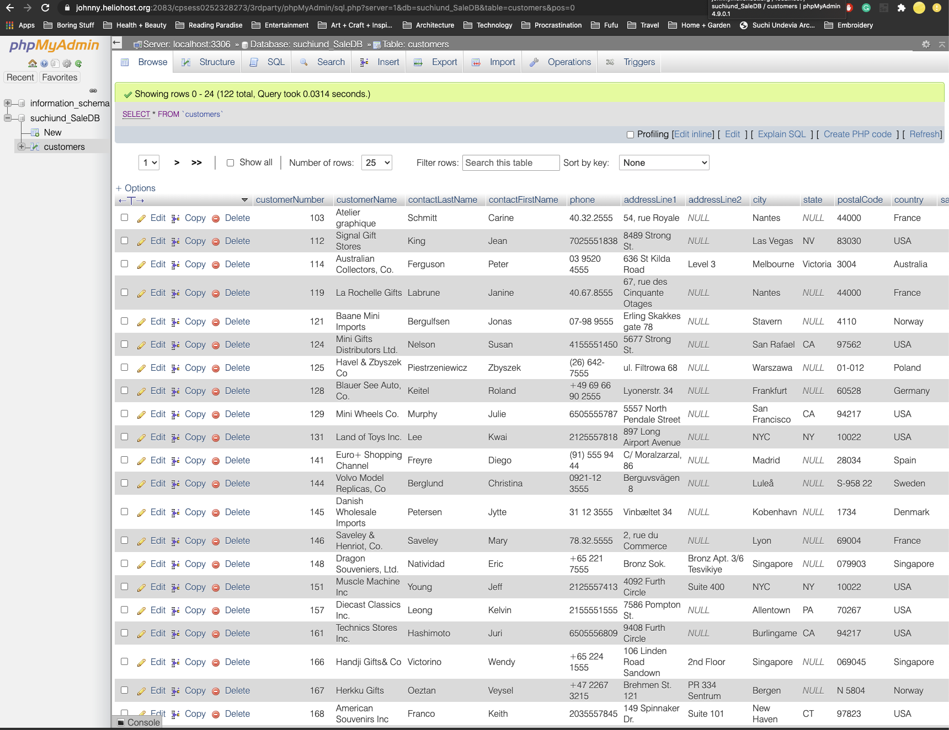
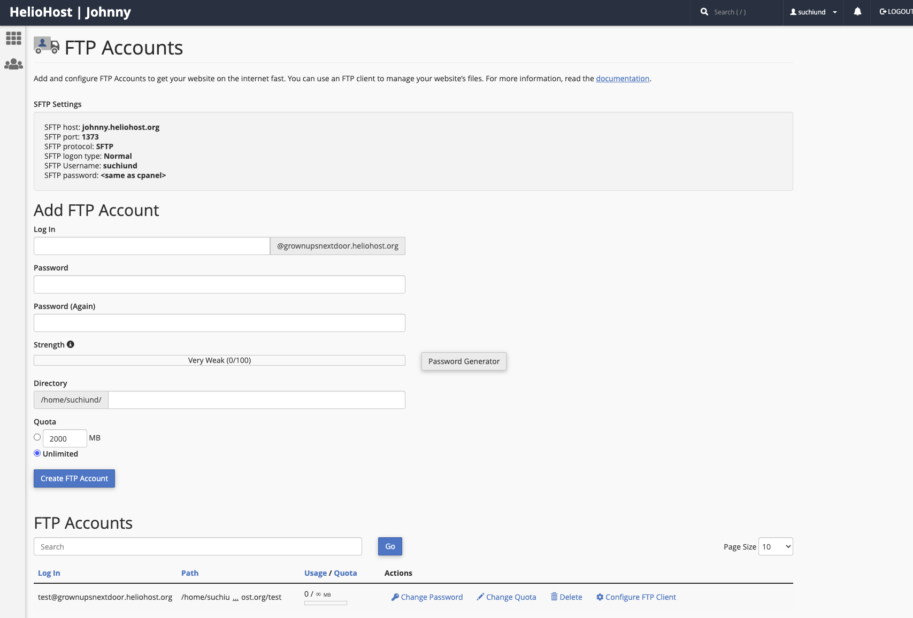
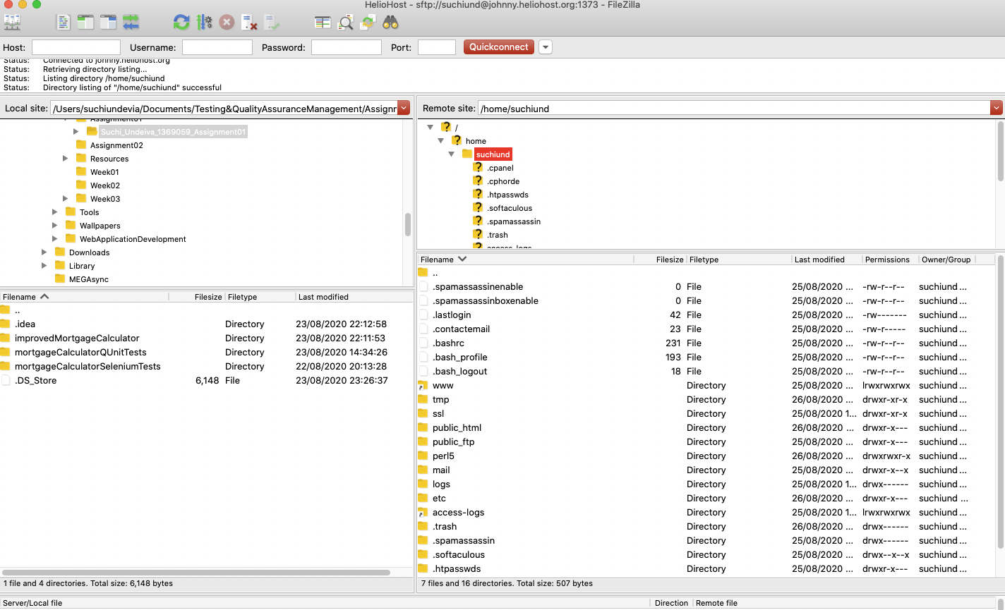
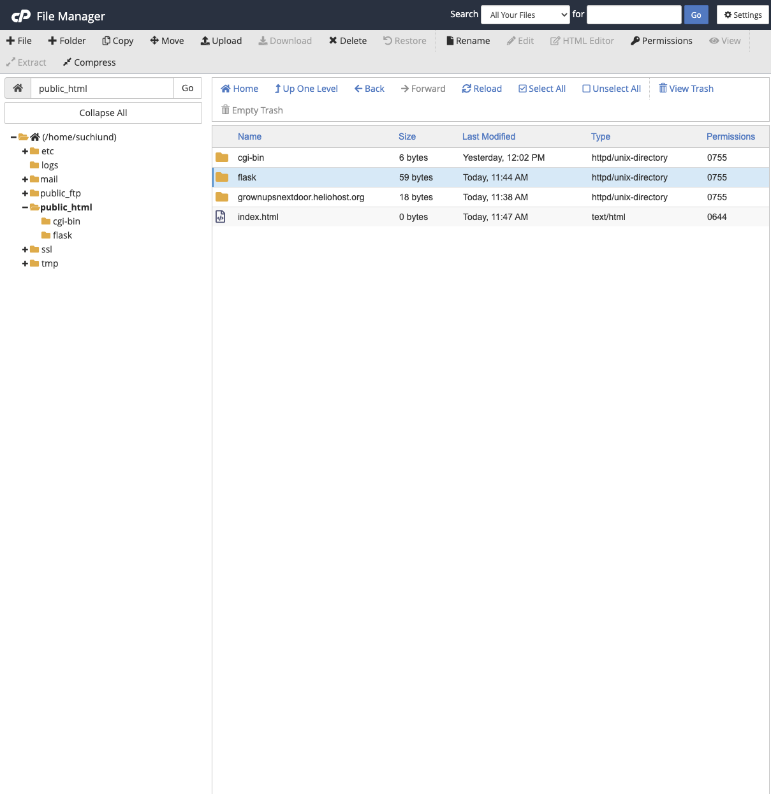
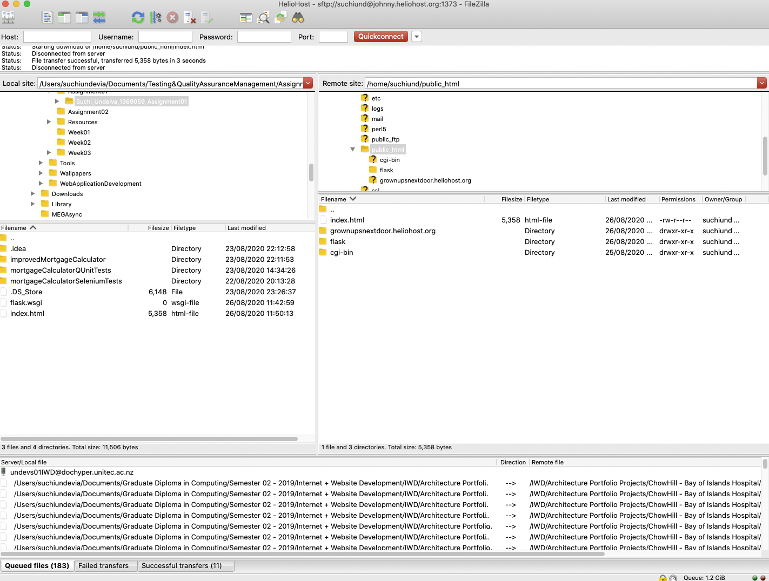
HELIOHOST REGISTERATION SCREENSHOT
Admin, Database, Files etc

