Calculation
CALCULATION

STORY POINTS
Sprints | Estimated | Remaining | Completed | New Estimate | Remaining
Zero | 0 | 166 | 0 | 0 | 166
One | 43 | 123 | 50 | 50 | 116
Two | 40 | 83 |  | 43 | 73
Three | 40 | 43 |  | 40 | 33
Four | 43 | 0 |  | 33 | 0
TOTAL | 166 | 0 | 50 | 166

Burndown Chart - Initial Estimate
Planned vs Completed
 | Planned | Completed
 | 0 |  | 1 | 0
 | 0 |  |  | 0
 | 43 |  |  | 50
 | 40
 | 40
 | 43

Burndown Chart - New Estimate
BurnDown Chart - Initial Estimate

Entity Relationship Diagrams
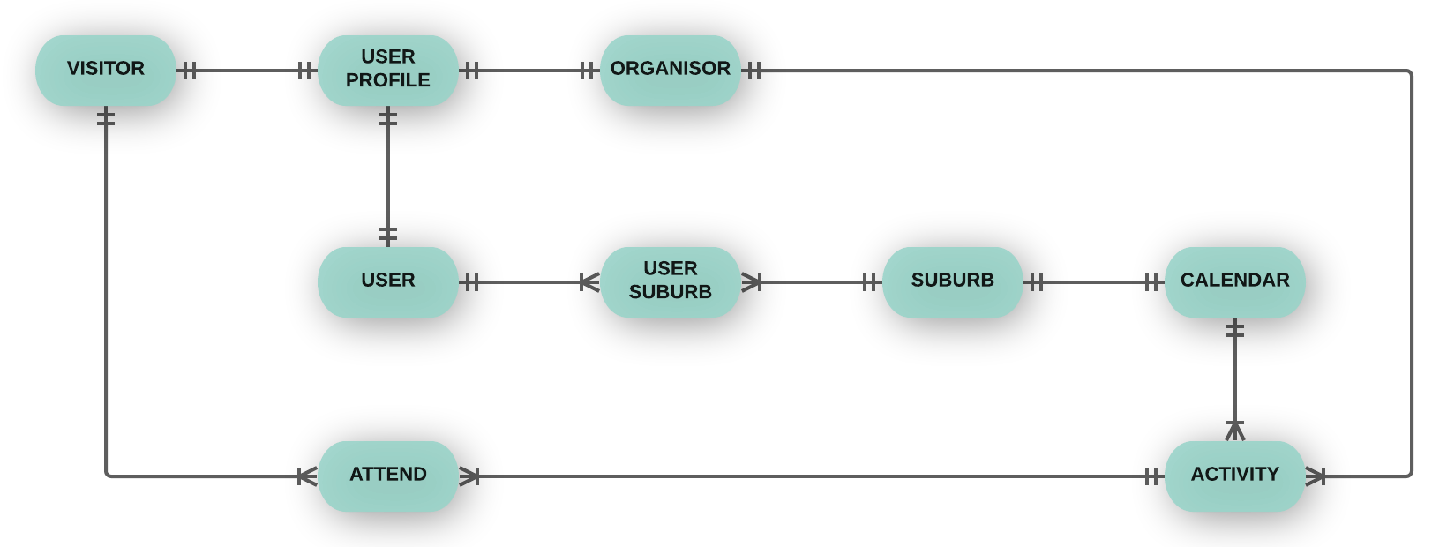
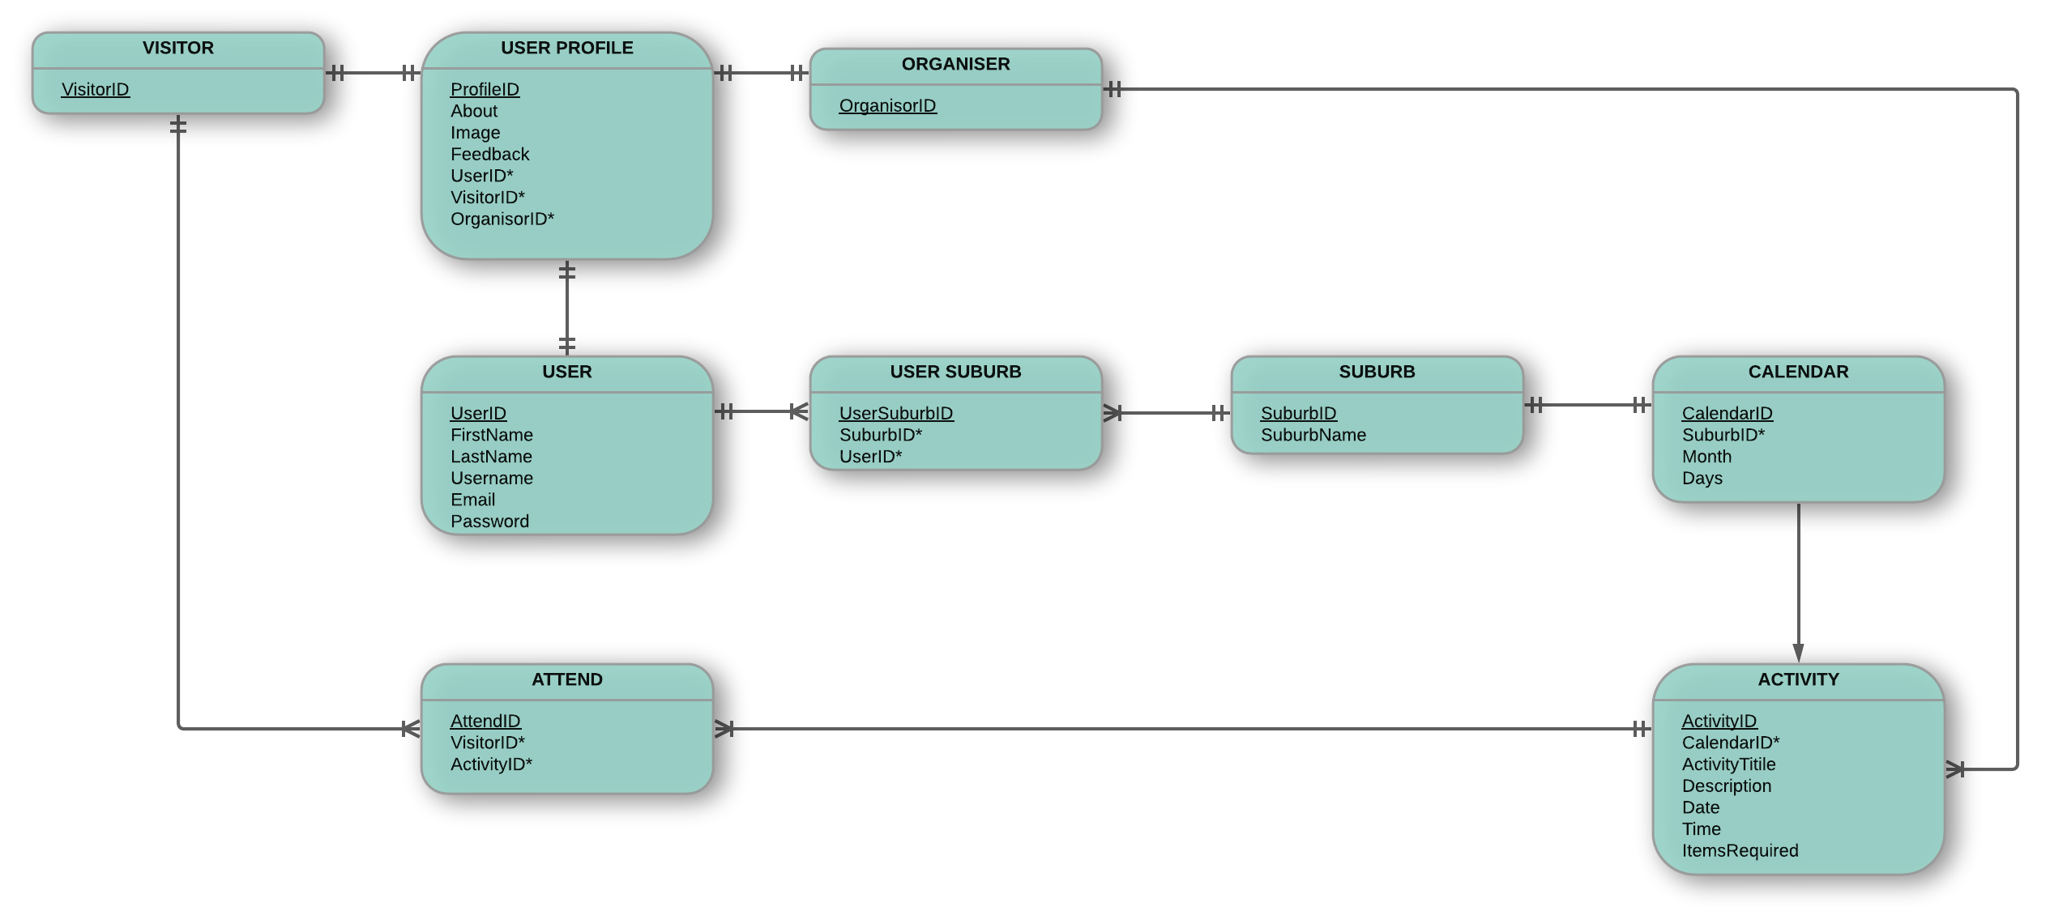
CONCEPTUAL AND LOGICAL ENTITY RELATIONSHIP DIAGRAMS
Draft interpretation of database tables required (Sprints 1-3 only)

