Straights
Straights - measuring sheet
Fill in the YELLOW cells only. Inches, 3 decimals (e.g. 1.125). Blank = not on this part. The picture on the right shows where each measurement goes.
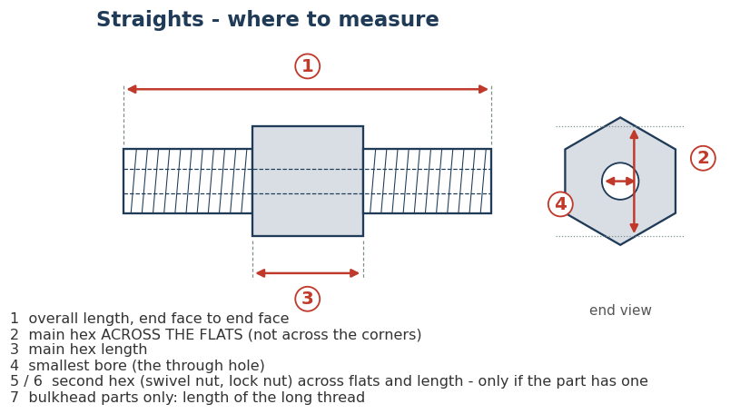
# | Series | OMi part number to measure | Description | Why this part | Parts in this series waiting for dimensions | 1 Overall length | 2 Main hex across flats | 3 Main hex length | 4 Smallest bore | 5 Second hex across flats (if any) | 6 Second hex length (if any) | 7 Bulkhead thread length (bulkhead parts only) | Part actually measured (only if different) | Measured by | Date | Notes
EXAMPLE | 5405 | 5405-08-08 | Example only - values from Brennan's 3D model of this part, to show the format | Leave this row as it is |  | 1.870 | 1.125 | 1.120 | 0.531
1 | 0403 | 0403-08-08 | Braze Tube Union | Air-Way lists this size only as the unplated (UNPL) part - tells us whether plated and unplated are the same | 7
2 | 1405 | 1405-08-08 | Female Adapter Union to Female Pipe | Air-Way has dimensions for this size - checks whether Air-Way matches OMi parts in this series | 3
3 | 2403 | 2403-08-08 | Male Union | Air-Way has dimensions for this size - checks whether Air-Way matches OMi parts in this series | 6
4 | 2404 | 2404-L-08-08 | Male Connector | Air-Way has dimensions for this size - checks whether Air-Way matches OMi parts in this series | 1
5 | 2405 | 2405-08-08 | Female Connector | Air-Way has dimensions for this size - checks whether Air-Way matches OMi parts in this series | 2
6 | 2406 | 2406-06-08 | Reducing Adapter (One Piece) | Air-Way has dimensions for this size - checks whether Air-Way matches OMi parts in this series | 10
7 | 2700 | 2700-08-08 | Bulkhead Union | Air-Way has dimensions for this size - checks whether Air-Way matches OMi parts in this series | 10
8 | 2705 | 2705-08-10 | Female Pipe/Bulkhead Connector | Air-Way has dimensions for this size - checks whether Air-Way matches OMi parts in this series | 3
9 | 2706 | 2706-08-08 | Male Pipe/Bulkhead Connector | Air-Way has dimensions for this size - checks whether Air-Way matches OMi parts in this series | 7
10 | 3474 | 3474-06-06-NWO | Male Adj. ORB x Male ORB, Straight | No catalog dimensions for this series at all | 7
11 | 5000 | 5000-08-08 | Hexagon Pipe Coupling | Air-Way has dimensions for this size - checks whether Air-Way matches OMi parts in this series | 4
12 | 5404 | 5404-08-08 | Hexagon Pipe Nipple | Air-Way has dimensions for this size - checks whether Air-Way matches OMi parts in this series | 31
13 | 5405 | 5405-08-08 | Pipe Adapter | Air-Way has dimensions for this size - checks whether Air-Way matches OMi parts in this series | 8
14 | 5406 | 5406-C-08 | Pipe Reducer Bushing | Air-Way has dimensions for this size - checks whether Air-Way matches OMi parts in this series | 23
15 | 6400 | 6400-08-08-O | Straight Thread Connector | Air-Way has dimensions for this size - checks whether Air-Way matches OMi parts in this series | 6
16 | 6401 | 6401-08-08-O | Straight Thread/Male Pipe Adapter | Air-Way has dimensions for this size - checks whether Air-Way matches OMi parts in this series | 3
17 | 6404 | 6404-08-08 | O-ring Port/Male Pipe Adapter | Air-Way has dimensions for this size - checks whether Air-Way matches OMi parts in this series | 1
18 | 6405 | 6405-08-08-O | Straight Thread/Female Pipe Adapter | Air-Way has dimensions for this size - checks whether Air-Way matches OMi parts in this series | 4
19 | 6410 | 6410-08-08-O | Straight Thread Reducer/Expander | Air-Way has dimensions for this size - checks whether Air-Way matches OMi parts in this series | 8
20 | 6420 | 6420-08-08 | Female ORB x Female Pipe, Straight | No catalog dimensions for this series at all | 2
21 | 6425 | 6425-08-08 | Female ORB x Female ORB, Straight | No catalog dimensions for this series at all | 6
22 | 6504 | 6504-08-08 | Tube/37° Female Swivel Union | Air-Way has dimensions for this size - checks whether Air-Way matches OMi parts in this series | 11
23 | 6505 | 6505-08-08 | Male Pipe/37° Female Swivel Connector | Air-Way has dimensions for this size - checks whether Air-Way matches OMi parts in this series | 4
24 | 6506 | 6506-08-08 | Female Pipe/37° Female Swivel Connector | Air-Way has dimensions for this size - checks whether Air-Way matches OMi parts in this series | 9
25 | 6565 | 6565-08-08 | Double 37° Female Swivel Union | Air-Way has dimensions for this size - checks whether Air-Way matches OMi parts in this series | 1
26 | 6900 | 6900-08-08-O | Female Adapter Union to Male Straight | No catalog dimensions for this series at all | 22

90 deg Elbows
90 deg Elbows - measuring sheet
Fill in the YELLOW cells only. Inches, 3 decimals (e.g. 1.125). Blank = not on this part. The picture on the right shows where each measurement goes.
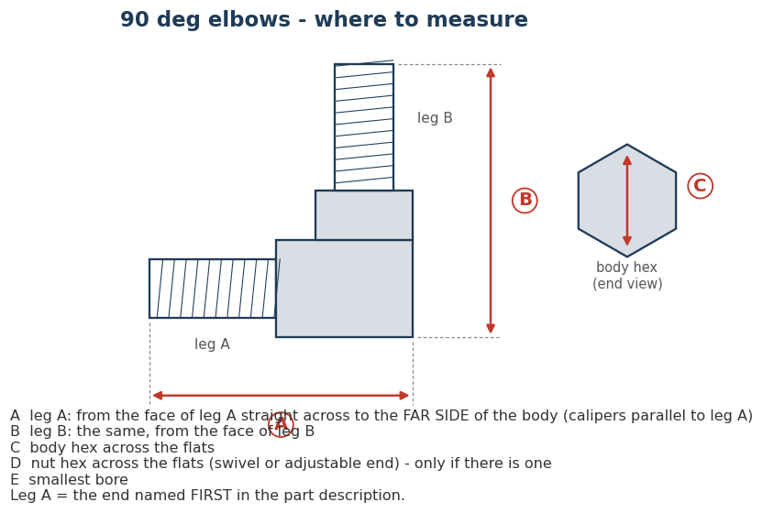
# | Series | OMi part number to measure | Description | Why this part | Parts in this series waiting for dimensions | A Leg A: face to far side of body | B Leg B: face to far side of body | C Body hex across flats | D Nut hex across flats (if any) | E Smallest bore | Part actually measured (only if different) | Measured by | Date | Notes
EXAMPLE | 2500 | 2500-06-06-FG | Example only - values from Brennan's 3D model of this part, to show the format | Leave this row as it is |  | 1.384 | 1.384 | 0.562 |  | 0.296
1 | 1501 | 1501-16-20-FG | 90° Female Adapter Union to Male Pipe | Air-Way lists this size only in the non-forged version - tells us whether the forged part is different | 3
2 | 1502 | 1502-08-08-FG | 90° Female Adapter Union to Female Pipe | Air-Way lists this size only in the non-forged version - tells us whether the forged part is different | 8
3 | 2500 | 2500-08-06-FG | 90° Union Elbow | Air-Way lists this size only in the non-forged version - tells us whether the forged part is different | 4
4 | 2501 | 2501-05-06-FG | 90° Male Elbow | Air-Way lists this size only in the non-forged version - tells us whether the forged part is different | 24
5 | 2502 | 2502-06-08-FG | 90° Female Elbow | Air-Way lists this size only in the non-forged version - tells us whether the forged part is different | 7
6 | 2701 | 2701-08-08-FG | 90° Bulkhead Elbow | Air-Way has dimensions for this size - checks whether Air-Way matches OMi parts in this series | 2
7 | 4501 | 4501-08-08-FG | 90° Male Pipe Hose Fitting | Air-Way lists this size only in the non-forged version - tells us whether the forged part is different | 11
8 | 4601 | 4601-08-06-NWO-FG | 90° Straight Thread Hose Fitting | Air-Way lists this size only in the non-forged version - tells us whether the forged part is different | 9
9 | 5500 | 5500-08-04-FG | 90° Male Pipe Elbow | Air-Way lists this size only in the non-forged version - tells us whether the forged part is different | 3
10 | 5502 | 5502-06-08-FG | 90° Street Elbow | Air-Way lists this size only in the non-forged version - tells us whether the forged part is different | 4
11 | 5504 | 5504-08-06-FG | 90° Female Pipe Elbow | Air-Way lists this size only in the non-forged version - tells us whether the forged part is different | 6
12 | 6500 | 6500-12-08-FG | 37° Female Swivel 90° Elbow | Air-Way lists this size only in the non-forged version - tells us whether the forged part is different | 14
13 | 6501 | 6501-08-08-FG | 90° Male Pipe/37° Female Swivel Elbow | Air-Way lists this size only in the non-forged version - tells us whether the forged part is different | 14
14 | 6503 | 6503-06-06-FG | 90° Female Pipe/37° Female Swivel Elbow | Air-Way lists this size only in the non-forged version - tells us whether the forged part is different | 4
15 | 6566 | 6566-06-06-FG | Female JIC Swivel x Female JIC Swivel, 90 deg Elbow (forged) | No catalog dimensions for this series at all | 2
16 | 6701 | 6701-08-08 | Male JIC x Female JIC Swivel, Swept 90 deg Elbow | No catalog dimensions for this series at all | 7
17 | 6801 | 6801-08-04-NWO-FG | 90° Straight Thread Elbow | Air-Way lists this size only in the non-forged version - tells us whether the forged part is different | 13
18 | 6805 | 6805-08-08-NWO-FG | 90° Straight Thread/Female Pipe Elbow | Air-Way lists this size only in the non-forged version - tells us whether the forged part is different | 9
19 | 6806 | 6806-08-08-NWO-FG | 90° Straight Thread/Male Pipe Elbow | Air-Way lists this size only in the non-forged version - tells us whether the forged part is different | 10
20 | 6807 | 6807-08-08-NWO-FG | 90° Straight Thread Union Elbow | Air-Way lists this size only in the non-forged version - tells us whether the forged part is different | 4
21 | 6809 | 6809-10-10-NWO-FG | 90° Straight Thread/37° Female Swivel Elbow | Air-Way lists this size only in the non-forged version - tells us whether the forged part is different | 4
22 | 6815 | 6815-08-08-NWO-FG | Male Adj. ORB x Female ORB, 90 deg Elbow (forged) | No catalog dimensions for this series at all | 6
23 | 6901 | 6901-06-08-NWO-FG | 90° Female Adapter Union to Adj. Male | Air-Way lists this size only in the non-forged version - tells us whether the forged part is different | 14

45 deg Elbows
45 deg Elbows - measuring sheet
Fill in the YELLOW cells only. Inches, 3 decimals (e.g. 1.125). Blank = not on this part. The picture on the right shows where each measurement goes.
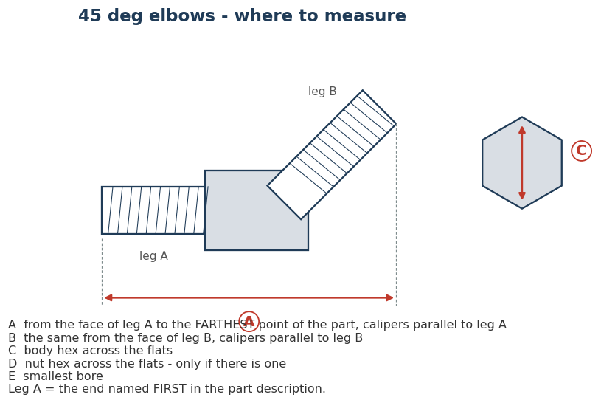
# | Series | OMi part number to measure | Description | Why this part | Parts in this series waiting for dimensions | A Leg A: face to farthest point | B Leg B: face to farthest point | C Body hex across flats | D Nut hex across flats (if any) | E Smallest bore | Part actually measured (only if different) | Measured by | Date | Notes
1 | 1503 | 1503-06-08-FG | 45° Female Adapter Union to Male Pipe | Air-Way lists this size only in the non-forged version - tells us whether the forged part is different | 5
2 | 1504 | 1504-06-06-FG | 45° Female Adapter Union to Female Pipe | Air-Way lists this size only in the non-forged version - tells us whether the forged part is different | 5
3 | 2503 | 2503-20-24-FG | 45° Male Elbow | Air-Way lists this size only in the non-forged version - tells us whether the forged part is different | 2
4 | 2504 | 2504-08-08-FG | 45° Union Elbow | Air-Way lists this size only in the non-forged version - tells us whether the forged part is different | 4
5 | 2505 | 2505-08-08-FG | 45° Female Elbow | Air-Way lists this size only in the non-forged version - tells us whether the forged part is different | 3
6 | 2702 | 2702-20-20-FG | 45° Bulkhead Elbow | Air-Way lists this size only in the non-forged version - tells us whether the forged part is different | 1
7 | 4503 | 4503-08-08-FG | 45° Male Pipe Hose Fitting | Air-Way lists this size only in the non-forged version - tells us whether the forged part is different | 7
8 | 4603 | 4603-16-16-NWO-FG | 45° Straight Thread Hose Fitting | Air-Way lists this size only in the non-forged version - tells us whether the forged part is different | 1
9 | 5501 | 5501-08-08-FG | 45° Male Pipe Elbow | Air-Way lists this size only in the non-forged version - tells us whether the forged part is different | 9
10 | 5503 | 5503-16-16-FG | 45° Street Elbow | Air-Way lists this size only in the non-forged version - tells us whether the forged part is different | 9
11 | 5505 | 5505-08-08-FG | 45° Female Pipe Elbow | Air-Way lists this size only in the non-forged version - tells us whether the forged part is different | 6
12 | 6502 | 6502-08-08-FG | 37° Female Swivel 45° Elbow | Air-Way has dimensions for this size - checks whether Air-Way matches OMi parts in this series | 5
13 | 6802 | 6802-06-10-NWO-FG | 45° Straight Thread Elbow | Air-Way lists this size only in the non-forged version - tells us whether the forged part is different | 4
14 | 6810 | 6810-12-12-NWO-FG | 45° Straight Thread/37° Female Swivel Elbow | Air-Way lists this size only in the non-forged version - tells us whether the forged part is different | 1
15 | 6902 | 6902-08-08-NWO-FG | 45° Female Adapter Union to Adj. Male | Air-Way lists this size only in the non-forged version - tells us whether the forged part is different | 9

Tees & Crosses
Tees & Crosses - measuring sheet
Fill in the YELLOW cells only. Inches, 3 decimals (e.g. 1.125). Blank = not on this part. The picture on the right shows where each measurement goes.
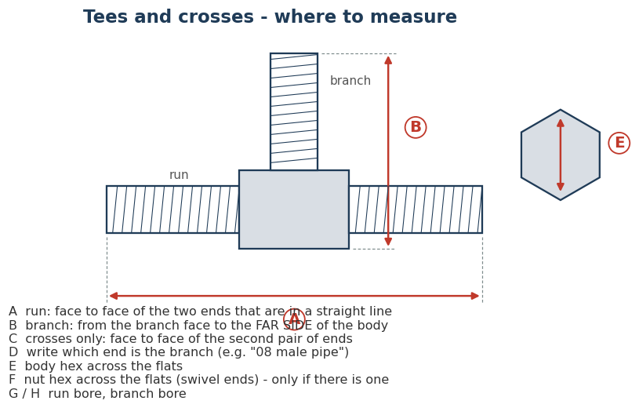
# | Series | OMi part number to measure | Description | Why this part | Parts in this series waiting for dimensions | A Run: face to face | B Branch: face to far side of body | C Crosses only: second run face to face | D Which end is the branch (size / type) | E Body hex across flats | F Nut hex across flats (if any) | G Run bore | H Branch bore | Part actually measured (only if different) | Measured by | Date | Notes
EXAMPLE | 5600 | 5600-16-16-16-FG | Example only - values from Brennan's 3D model of this part, to show the format | Leave this row as it is |  | 3.940 | 2.727 |  | 16 male pipe | 1.312 |  | 0.938 | 0.938
1 | 1601 | 1601-08-08-08-FG | Female Adapter Union to Male Pipe Branch | Air-Way lists this size only in the non-forged version - tells us whether the forged part is different | 7
2 | 1602 | 1602-08-08-08-FG | Female Adapter Union to Female Pipe Branch | Air-Way lists this size only in the non-forged version - tells us whether the forged part is different | 7
3 | 1603 | 1603-08-08-08-FG | Female Adapter Union (Triple Swivel) | Air-Way lists this size only in the non-forged version - tells us whether the forged part is different | 6
4 | 2601 | 2601-24-24-24-FG | Male Branch Tee | Air-Way lists this size only in the non-forged version - tells us whether the forged part is different | 1
5 | 2602 | 2602-08-08-08-FG | Female Branch Tee | Air-Way lists this size only in the non-forged version - tells us whether the forged part is different | 1
6 | 2603 | 2603-08-08-08-FG | Union Tee | Air-Way has dimensions for this size - checks whether Air-Way matches OMi parts in this series | 1
7 | 2606 | 2606-08-08-08-FG | Female Run Tee | Air-Way lists this size only in the non-forged version - tells us whether the forged part is different | 5
8 | 2609 | 2609-08-08-08-FG | Female Run/Branch Tee | No catalog dimensions for this series at all | 1
9 | 2611 | 2611-06-06-06-FG | Male Run/Female Branch Tee | Air-Way lists this size only in the non-forged version - tells us whether the forged part is different | 3
10 | 2703 | 2703-08-08-08-FG | Bulkhead Branch Tee | Air-Way has dimensions for this size - checks whether Air-Way matches OMi parts in this series | 1
11 | 5600 | 5600-08-08-08-FG | Male Pipe Tee | Air-Way has dimensions for this size - checks whether Air-Way matches OMi parts in this series | 2
12 | 5601 | 5601-06-06-06-FG | Female Branch Pipe Tee | Air-Way lists this size only in the non-forged version - tells us whether the forged part is different | 5
13 | 5602 | 5602-06-06-06-FG | Male Run Pipe Tee | Air-Way lists this size only in the non-forged version - tells us whether the forged part is different | 7
14 | 5603 | 5603-08-08-08-FG | Female Run Pipe Tee | Air-Way lists this size only in the non-forged version - tells us whether the forged part is different | 8
15 | 5604 | 5604-12-12-12-FG | Male Branch Pipe Tee | Air-Way lists this size only in the non-forged version - tells us whether the forged part is different | 6
16 | 5605 | 5605-12-12-12-FG | Female Pipe Tee | Air-Way lists this size only in the non-forged version - tells us whether the forged part is different | 6
17 | 5652 | 5652-08-08-08-08-FG | Female Pipe Cross | Air-Way lists this size only in the non-forged version - tells us whether the forged part is different | 9
18 | 6600 | 6600-08-08-08-FG | 37° Female Swivel Branch Tee | Air-Way has dimensions for this size - checks whether Air-Way matches OMi parts in this series | 1
19 | 6603 | 6603-06-06-06-FG | 37° Female Swivel Run/Run Tee | Air-Way lists this size only in the non-forged version - tells us whether the forged part is different | 2
20 | 6606 | 6606-06-06-06-FG | 37° Female Swivel Tee | Air-Way lists this size only in the non-forged version - tells us whether the forged part is different | 6
21 | 6803 | 6803-08-08-06-NWO-FG | Straight Thread Branch Tee | Air-Way lists this size only in the non-forged version - tells us whether the forged part is different | 3
22 | 6804 | 6804-24-24-24-NWO-FG | Straight Thread Run Tee | Air-Way lists this size only in the non-forged version - tells us whether the forged part is different | 1
23 | 6832 | 6832-08-08-08-NWO-FG | Female ORB x Female ORB x Male Adj. ORB, Tee (forged) | No catalog dimensions for this series at all | 4
24 | 6835 | 6835-08-08-08-NWO-FG | Male Adj. ORB x Female ORB x Female ORB, Tee (forged) | No catalog dimensions for this series at all | 4

Nuts, Sleeves & Plugs
Nuts, Sleeves & Plugs - measuring sheet
Fill in the YELLOW cells only. Inches, 3 decimals (e.g. 1.125). Blank = not on this part. The picture on the right shows where each measurement goes.
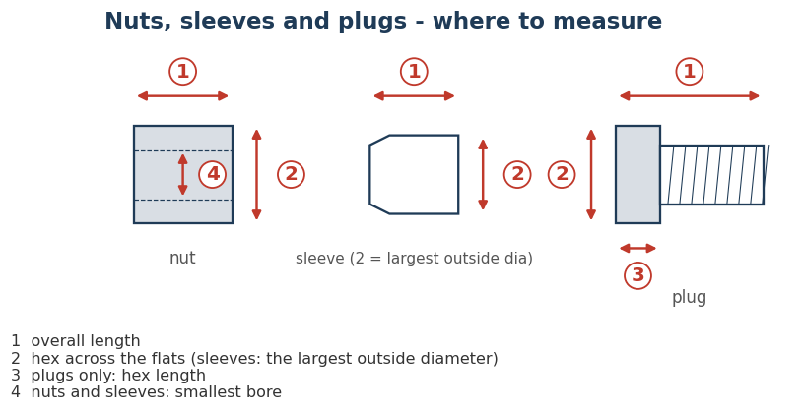
# | Series | OMi part number to measure | Description | Why this part | Parts in this series waiting for dimensions | 1 Overall length | 2 Hex across flats (sleeve: largest OD) | 3 Hex length (plugs only) | 4 Smallest bore (nuts, sleeves) | Part actually measured (only if different) | Measured by | Date | Notes
EXAMPLE | 0319 | 0319-08 | Example only - values from Brennan's 3D model of this part, to show the format | Leave this row as it is |  | 0.560 | 0.654 |  | 0.506
1 | 0304 | 0304-C-08 | Standard Nut | No catalog dimensions for this series at all | 13
2 | 0306 | 0306-08 | Bulkhead Lock Nut | No catalog dimensions for this series at all | 12
3 | 0618 | 0618-08 | JIC Flareless Tube Nut | No catalog dimensions for this series at all | 1
4 | 0619 | 0619-08 | JIC Flareless Tube Sleeve | No catalog dimensions for this series at all | 2
5 | 2408 | 2408-08 | Male Plug | Air-Way has dimensions for this size - checks whether Air-Way matches OMi parts in this series | 1
6 | 6408 | 6408-08-O | Hexagon Head O-ring Boss Plug | Air-Way has dimensions for this size - checks whether Air-Way matches OMi parts in this series | 13

Flanges
Flanges - measuring sheet
Fill in the YELLOW cells only. Inches, 3 decimals (e.g. 1.125). Blank = not on this part. The picture on the right shows where each measurement goes.
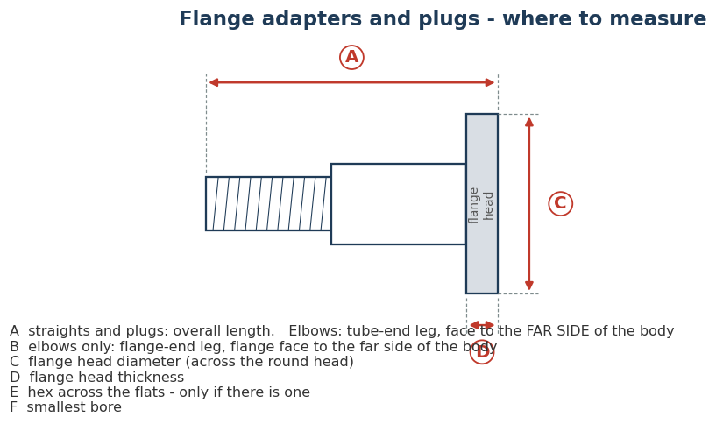
# | Series | OMi part number to measure | Description | Why this part | Parts in this series waiting for dimensions | A Overall length / tube-end leg | B Flange-end leg (elbows only) | C Flange head diameter | D Flange head thickness | E Hex across flats (if any) | F Smallest bore | Part actually measured (only if different) | Measured by | Date | Notes
1 | 1700 | 1700-08-08 | Code 61 Flange Adapter | Air-Way has dimensions for this size - checks whether Air-Way matches OMi parts in this series | 3
2 | 1703 | 1703-24-24-FG | 45° Code 61 Flange Adapter Elbow | Air-Way lists this size only in the non-forged version - tells us whether the forged part is different | 19
3 | 1704 | 1704-24-24-FG | 90° Code 61 Flange Adapter Elbow | Air-Way lists this size only in the non-forged version - tells us whether the forged part is different | 25
4 | 1724 | 1724-08 | O-Ring Face Code 61 Flange Plug | No catalog dimensions for this series at all | 7
5 | 1800 | 1800-08-08 | Male JIC x Code 62 Flange, Straight | No catalog dimensions for this series at all | 13
6 | 1803 | 1803-08-08-FG | Male JIC x Code 62 Flange, 45 deg Elbow | No catalog dimensions for this series at all | 19
7 | 1804 | 1804-08-08-FG | Male JIC x Code 62 Flange, 90 deg Elbow | No catalog dimensions for this series at all | 22
8 | 1824 | 1824-08 | O-Ring Face Code 62 Flange Plug | No catalog dimensions for this series at all | 6

