TestNg-Listeners
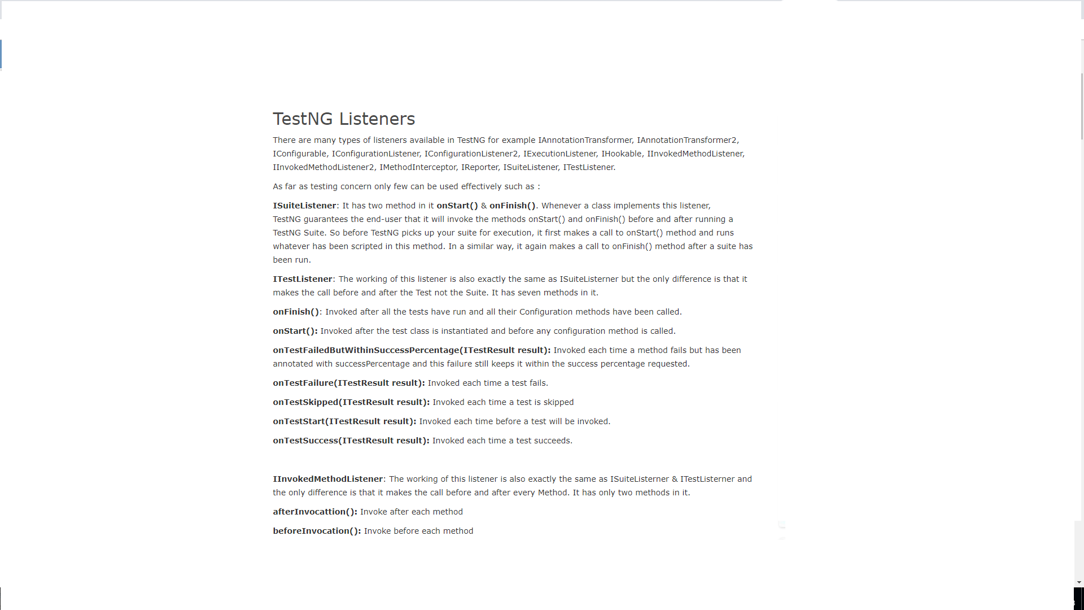

SNO | Listeners
1 | IExecutionListener
2 | IAnnotationTransformer
3 | ISuiteListener
4 | ITestListener
5 | IConfigurationListener
6 | IMethodInterceptor
7 | IInvokedMethodListener
8 | IHookable
9 | IReporter

JAVA-Collections
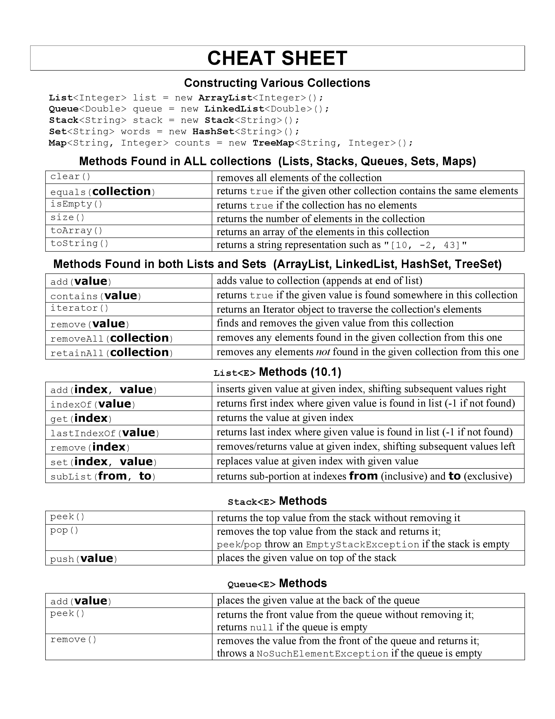
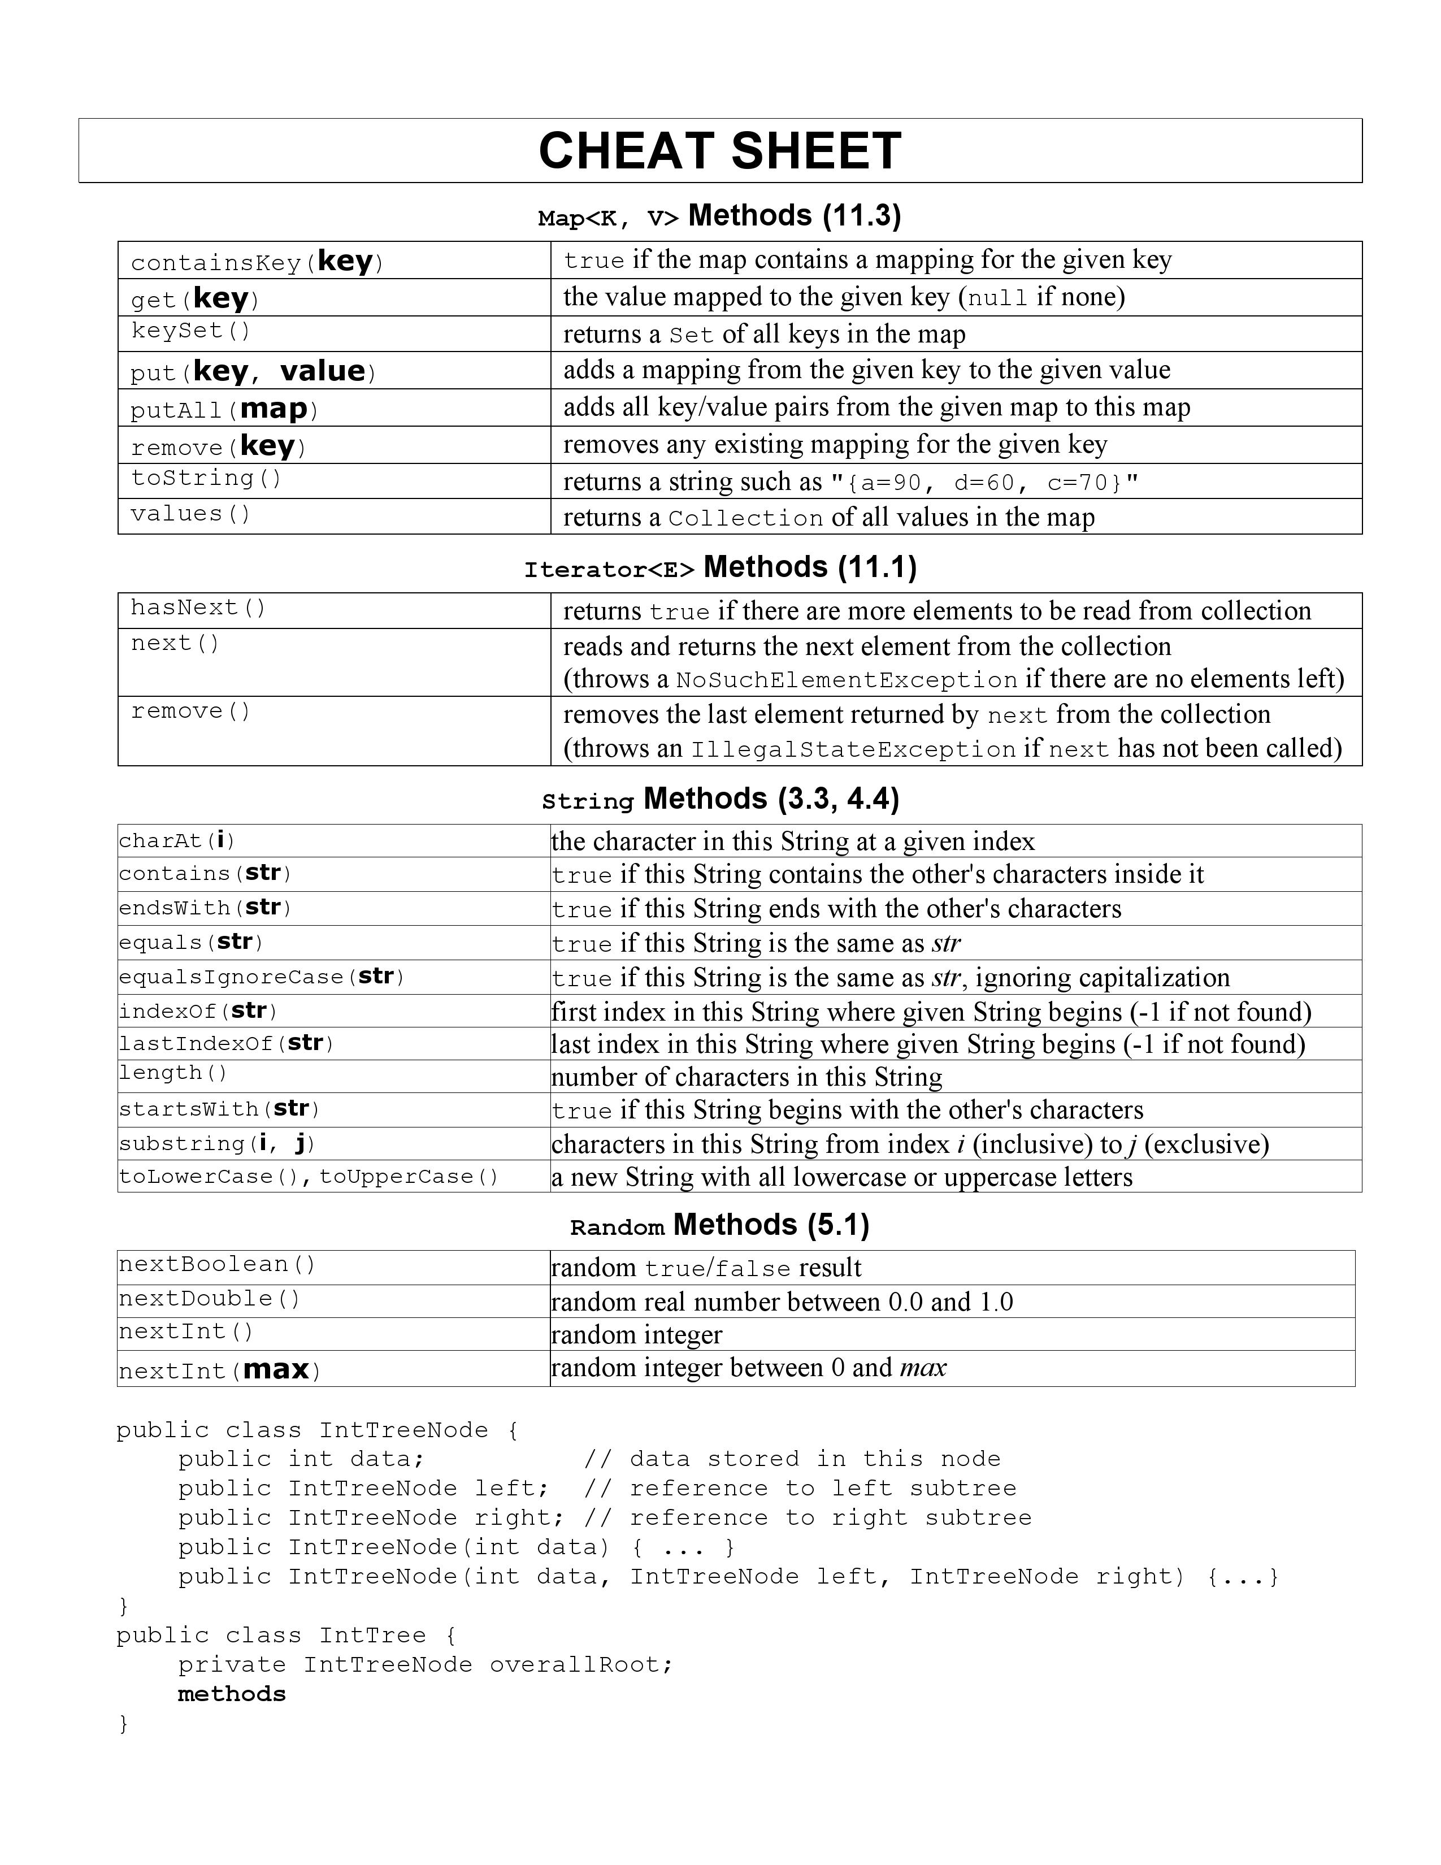

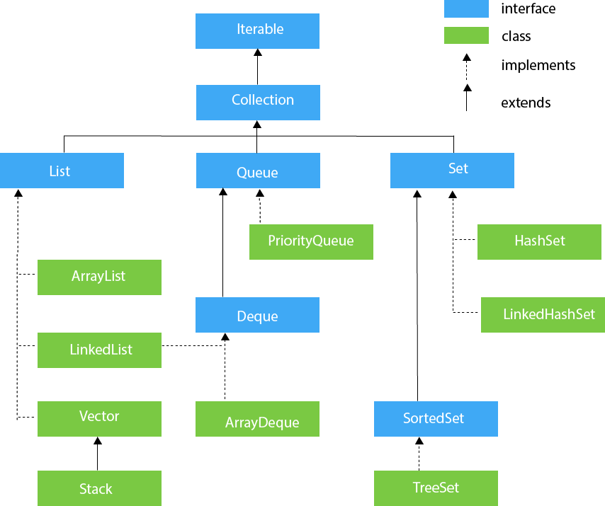

Exception Handling
 | Exception handling

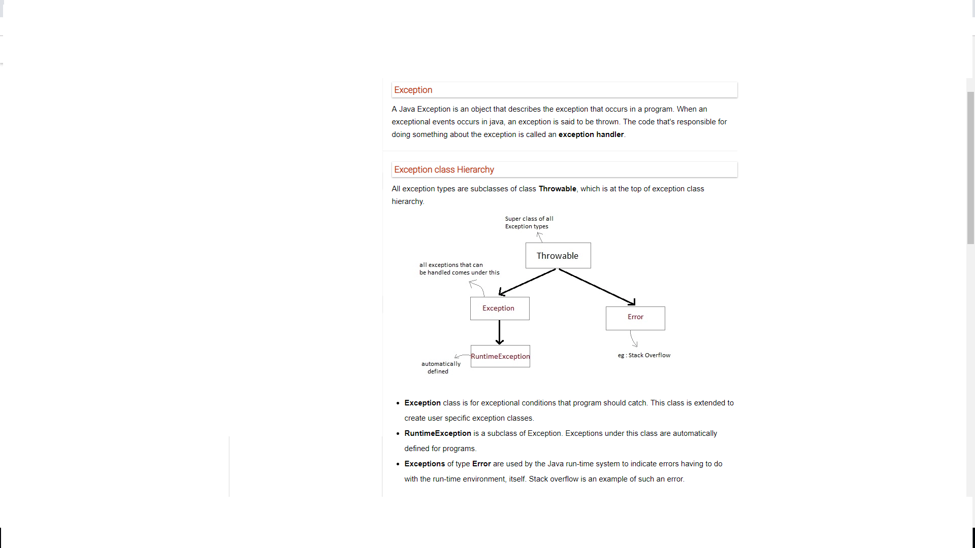

Exception are categorized into 3 category | Java Exception Handling Keywords | Key Points
Checked Exception The exception that can be predicted by the programmer at the compile time.Example : File that need to be opened is not found. These type of exceptions must be checked at compile time. Unchecked Exception Unchecked exceptions are the class that extends RuntimeException. Unchecked exception are ignored at compile time. Example : ArithmeticException, NullPointerException, Array Index out of Bound exception. Unchecked exceptions are checked at runtime. Error Errors are typically ignored in code because you can rarely do anything about an error. Example : if stack overflow occurs, an error will arise. This type of error cannot be handled in the code. | throw – We know that if any exception occurs, an exception object is getting created and then Java runtime starts processing to handle them. Sometime we might want to generate exception explicitly in our code, for example in a user authentication program we should throw exception to client if the password is null. throw keyword is used to throw exception to the runtime to handle it. throws – When we are throwing any exception in a method and not handling it, then we need to use throws keyword in method signature to let caller program know the exceptions that might be thrown by the method. The caller method might handle these exceptions or propagate it to it’s caller method using throws keyword. We can provide multiple exceptions in the throws clause and it can be used with main() method also. try-catch – We use try-catch block for exception handling in our code. try is the start of the block and catch is at the end of try block to handle the exceptions. We can have multiple catch blocks with a try and try-catch block can be nested also. catch block requires a parameter that should be of type Exception. finally – finally block is optional and can be used only with try-catch block. Since exception halts the process of execution, we might have some resources open that will not get closed, so we can use finally block. finally block gets executed always, whether exception occurred or not. | 1. In a method, there can be more than one statements that might throw exception, So put all these statements within its own try block and provide separate exception handler within own catch block for each of them. 2. If an exception occurs within the try block, that exception is handled by the exception handler associated with it. To associate exception handler, we must put catch block after it. There can be more than one exception handlers. Each catch block is a exception handler that handles the exception of the type indicated by its argument. The argument, ExceptionType declares the type of the exception that it can handle and must be the name of the class that inherits from Throwable class. 3. For each try block there can be zero or more catch blocks, but only one finally block. 4. The finally block is optional.It always gets executed whether an exception occurred in try block or not . If exception occurs, then it will be executed after try and catch blocks. And if exception does not occur then it will be executed after the tryblock. The finally block in java is used to put important codes such as clean up code e.g. closing the file or closing the connection.

WebDriverEventListener

WebDriverEventListener
WebDriverEventListener – This is an interface, which have some predefined methods so we will implement all of these methods. EventFiringWebDriver- This is an class that actually fire Webdriver event. Webdriver has a WebDriverEventListener interface which you can implement and override the particular listener you want. We use this Listener Interface to capture the events generated by EventFiringWebDriver.

