ANALYSIS
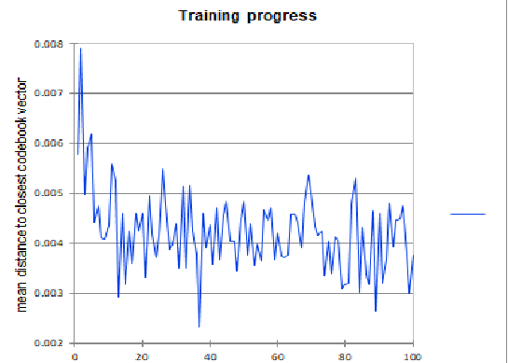
 |  | LOW ALIS SCORE
AVG ALIS | name | aid | cluster | alis score
LOW | peter loth | 17 | 9 | 0.693
HIGH | daniel delbourgo | 21 | 9 | 0.7474
 | Akram Tanver | 50 | 9 | 0.793
 |  | MEDIUM ALIS SCORE
 | name | aid | cluster | alis score
 | E.K narayan | 9 | 1 | 0.9471
 | prasanna karthik | 19 | 1 | 0.93
 | Robin ming chen | 28 | 1 | 0.9351
 |  | HIGH ALIS SCORE
 | name | aid | cluster | alis score
 | Paul Neville Balister | 6 | 3 | 0.98
 | Vinayak vatsal | 20 | 3 | 0.99
 | hocine mokais | 72 | 3 | 0.990 | SOM algorithm has been stabilized through 100 iterations

 | Total 9 clusters generated with following code features |  |  |  |  | Variables influence plot showing the normalized values of each variable within each node in the map

