DefectReport
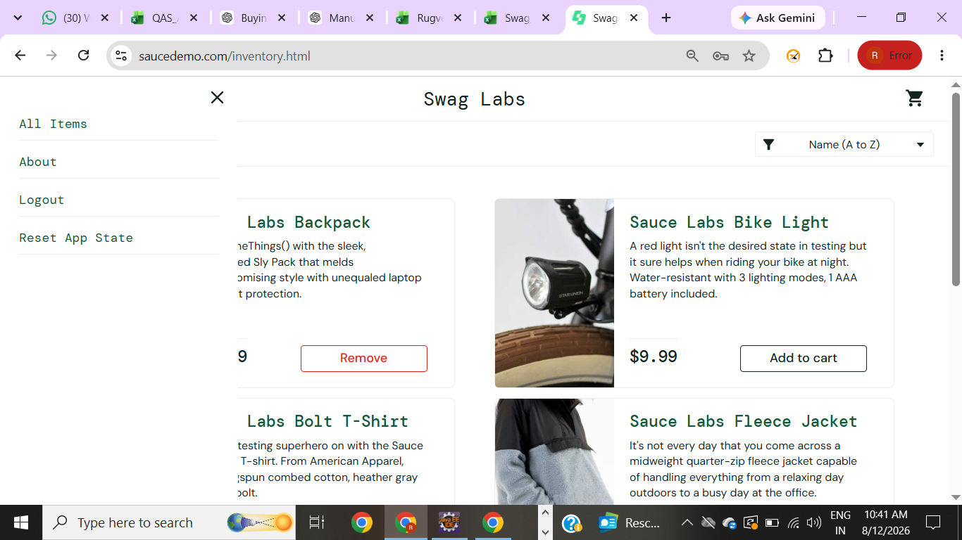
Bug ID | BUG_001
Test Case ID | TC_016
Module | Cart
Application | DemoBlaze
Environment | Public DemoBlaze web page
Bug Summary | Place Order button is displayed when the cart is empty
Steps to Reproduce | 1. Open DemoBlaze. 2. Open Cart without adding any product. 3. Check the cart contents and Place Order button.
Expected Result | Place Order should be disabled or hidden when there are no products in the cart.
Actual Result | The empty cart page shows no product rows but still displays the Place Order button.
Severity | Medium
Priority | Medium
Status | Open

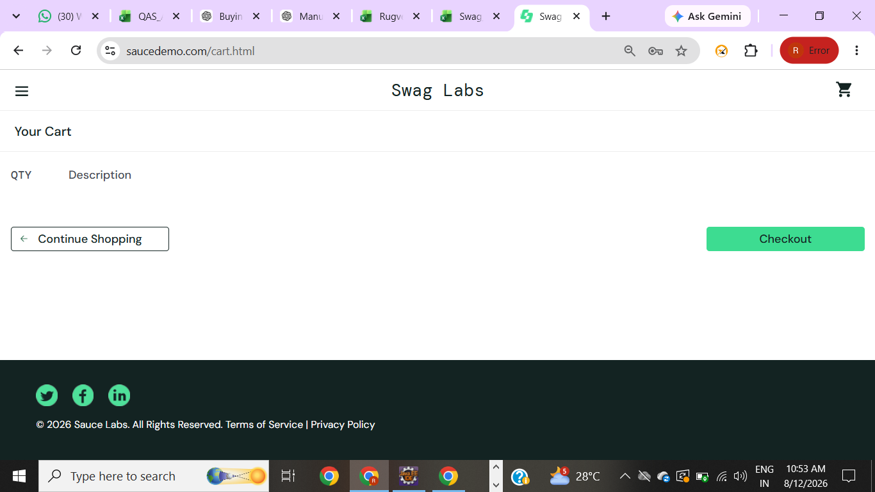
Bug ID | BUG_002
Test Case ID | TC_020
Module | Order / Validation
Application | DemoBlaze
Environment | Public DemoBlaze web page
Bug Summary | Blank order-field validation requires interactive verification
Steps to Reproduce | 1. Open Cart. 2. Click Place Order. 3. Leave all order fields blank. 4. Click Purchase.
Expected Result | Clear validation should be displayed and the order should not be completed.
Actual Result | Not verified in this execution.
Severity | Medium
Priority | Medium
Status | To Be Verified

