Sheet1
Month | Ratable | forecast
2023-04-01 | 0.6066789633 | 0.59112379397
2023-05-01 | 0.58508829001 | 0.59588739782
2023-06-01 | 0.5964718322 | 0.59388528636
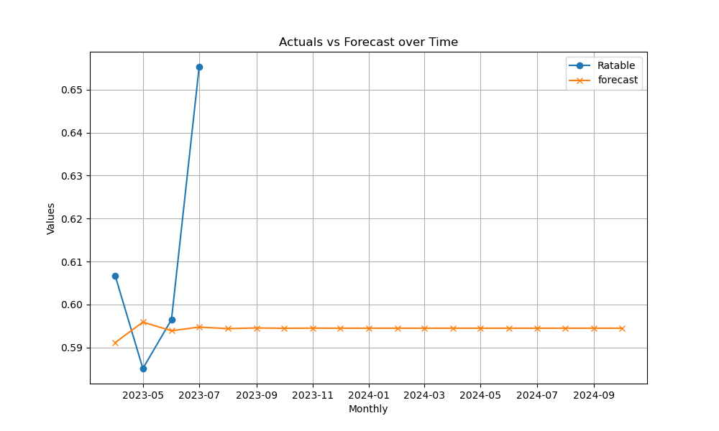
2023-07-01 | 0.65533315118 | 0.59472676068
2023-08-01 |  | 0.59437309454
2023-09-01 |  | 0.5945217381
2023-10-01 |  | 0.59445926419
2023-11-01 |  | 0.59448552156
2023-12-01 |  | 0.59447448576
2024-01-01 |  | 0.59447912403
2024-02-01 |  | 0.5944771746
2024-03-01 |  | 0.59447799393
2024-04-01 |  | 0.59447764957
2024-05-01 |  | 0.59447779431
2024-06-01 |  | 0.59447773347
2024-07-01 |  | 0.59447775904
2024-08-01 |  | 0.5944777483
2024-09-01 |  | 0.59447775281
2024-10-01 |  | 0.59447775091

