Sheet1
Week Start | Immediate | forecast
2023-07-02 | 0.62295077395 | 0.59227521884
2023-07-09 | 0.61610422076 | 0.59205859859
2023-07-16 | 0.6497775088 | 0.59184510802
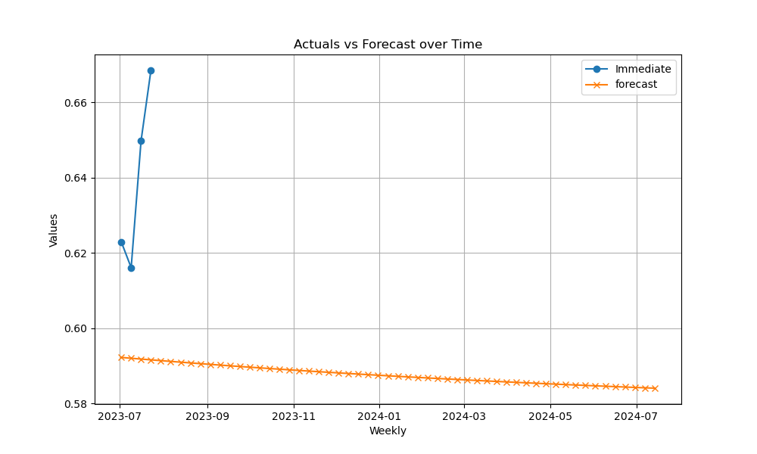
2023-07-23 | 0.66848203879 | 0.59163470193
2023-07-30 |  | 0.59142733574
2023-08-06 |  | 0.59122296554
2023-08-13 |  | 0.59102154805
2023-08-20 |  | 0.59082304059
2023-08-27 |  | 0.59062740114
2023-09-03 |  | 0.59043458824
2023-09-10 |  | 0.59024456108
2023-09-17 |  | 0.59005727938
2023-09-24 |  | 0.5898727035
2023-10-01 |  | 0.58969079434
2023-10-08 |  | 0.58951151337
2023-10-15 |  | 0.58933482261
2023-10-22 |  | 0.58916068465
2023-10-29 |  | 0.5889890626
2023-11-05 |  | 0.58881992012
2023-11-12 |  | 0.58865322137
2023-11-19 |  | 0.58848893106
2023-11-26 |  | 0.58832701438
2023-12-03 |  | 0.58816743704
2023-12-10 |  | 0.58801016525
2023-12-17 |  | 0.58785516569
2023-12-24 |  | 0.58770240554
2023-12-31 |  | 0.58755185243
2024-01-07 |  | 0.58740347449
2024-01-14 |  | 0.58725724029
2024-01-21 |  | 0.58711311884
2024-01-28 |  | 0.58697107964
2024-02-04 |  | 0.5868310926
2024-02-11 |  | 0.58669312806
2024-02-18 |  | 0.58655715681
2024-02-25 |  | 0.58642315004
2024-03-03 |  | 0.58629107938
2024-03-10 |  | 0.58616091685
2024-03-17 |  | 0.58603263489
2024-03-24 |  | 0.58590620632
2024-03-31 |  | 0.58578160436
2024-04-07 |  | 0.58565880263
2024-04-14 |  | 0.58553777512
2024-04-21 |  | 0.58541849619
2024-04-28 |  | 0.58530094058
2024-05-05 |  | 0.58518508339
2024-05-12 |  | 0.58507090008
2024-05-19 |  | 0.58495836648
2024-05-26 |  | 0.58484745873
2024-06-02 |  | 0.58473815337
2024-06-09 |  | 0.58463042722
2024-06-16 |  | 0.58452425748
2024-06-23 |  | 0.58441962167
2024-06-30 |  | 0.58431649761
2024-07-07 |  | 0.58421486347
2024-07-14 |  | 0.58411469772

