Sheet1
Week Start | Bookings | forecast
2023-11-19 | 209.59439418 | 302.08741111
2023-11-26 | 166.4806447 | 300.16077696
2023-12-03 | 179.64217907 | 298.60837894
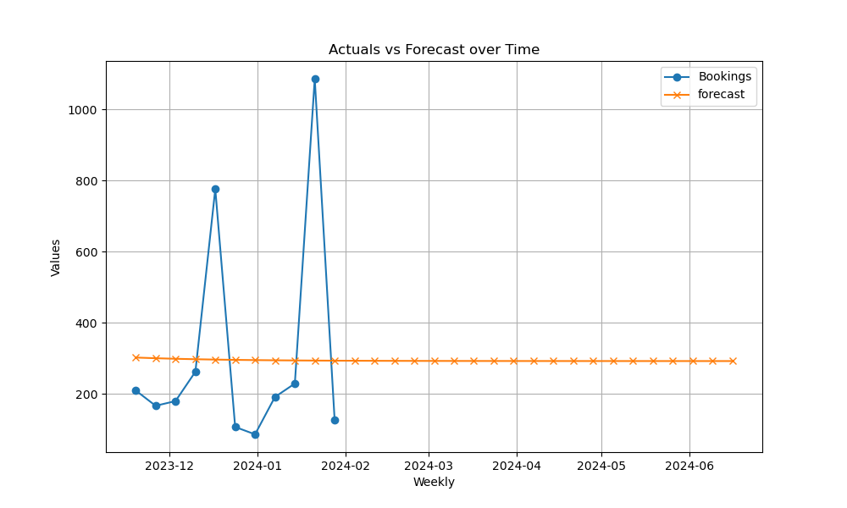
2023-12-10 | 262.15839345 | 297.35752413
2023-12-17 | 775.90353253 | 296.34963972
2023-12-24 | 106.90477241 | 295.5375303
2023-12-31 | 86.172819514 | 294.88316784
2024-01-07 | 191.24318942 | 294.35591102
2024-01-14 | 228.97960495 | 293.93107041
2024-01-21 | 1085.9177648 | 293.58875232
2024-01-28 | 126.71112028 | 293.31292729
2024-02-04 |  | 293.09067948
2024-02-11 |  | 292.91160186
2024-02-18 |  | 292.7673089
2024-02-25 |  | 292.6510439
2024-03-03 |  | 292.55736263
2024-03-10 |  | 292.48187833
2024-03-17 |  | 292.42105636
2024-03-24 |  | 292.37204867
2024-03-31 |  | 292.3325604
2024-04-07 |  | 292.30074247
2024-04-14 |  | 292.27510497
2024-04-21 |  | 292.25444738
2024-04-28 |  | 292.2378024
2024-05-05 |  | 292.22439059
2024-05-12 |  | 292.21358395
2024-05-19 |  | 292.20487642
2024-05-26 |  | 292.19786027
2024-06-02 |  | 292.19220696
2024-06-09 |  | 292.18765178
2024-06-16 |  | 292.1839814

