Sheet1
Week Start | Bookings | Seasonal First Difference | Seasonal Second Difference | forecast
2024-04-07 | 210.38910423 | 19.145914815 | 34.325792308 | 251.68708876
2024-04-14 | 263.20042942 | 34.220824471 | 30.054584738 | 283.60249654
2024-04-21 | 1009.0119812 | -76.905783572 | -615.15330021 | 810.10521747
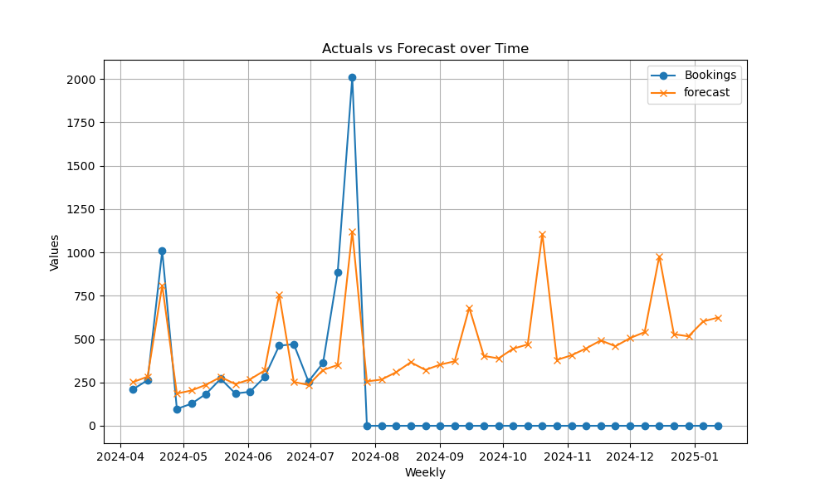
2024-04-28 | 97.261724383 | -29.449395893 | -28.041804196 | 185.85157939
2024-05-05 | 127.44469878 | 9.5258396095 | 38.190312312 | 203.66357954
2024-05-12 | 184.17437914 | 23.355634462 | 33.335219975 | 236.68720832
2024-05-19 | 270.95880789 | 39.920854947 | 18.477296189 | 281.47477108
2024-05-26 | 186.46929178 | 13.407450667 | 6.8262542561 | 240.21899024
2024-06-02 | 195.79559512 | 17.757774061 | 19.362132068 | 267.51155644
2024-06-09 | 280.90080338 | 89.980444166 | 161.2184784 | 318.65848107
2024-06-16 | 461.89641554 | 96.731837405 | 507.4707918 | 757.48560025
2024-06-23 | 470.62774724 | 226.31191026 | 88.90084569 | 252.75234441
2024-06-30 | 255.51230512 | 29.082576322 | -111.17433297 | 235.49785392
2024-07-07 | 362.0504562 | 151.66135197 | 132.51543715 | 321.75955471
2024-07-14 | 883.34763734 | 620.14720792 | 585.92638345 | 350.41564618
2024-07-21 | 2010.1139231 | 1001.1019419 | 1078.0077255 | 1119.2169929
2024-07-28 | 0 | 0 |  | 255.7258362
2024-08-04 | 0 | 0 |  | 266.74222634
2024-08-11 | 0 | 0 |  | 308.92700488
2024-08-18 | 0 | 0 |  | 366.46665596
2024-08-25 | 0 | 0 |  | 321.97131823
2024-09-01 | 0 | 0 |  | 352.43694048
2024-09-08 | 0 | 0 |  | 372.00411221
2024-09-15 | 0 | 0 |  | 680.83864501
2024-09-22 | 0 | 0 |  | 403.01681806
2024-09-29 | 0 | 0 |  | 388.63192368
2024-10-06 | 0 | 0 |  | 444.52134679
2024-10-13 | 0 | 0 |  | 469.02949272
2024-10-20 | 0 | 0 |  | 1106.0665397
2024-10-27 | 0 | 0 |  | 379.92961797
2024-11-03 | 0 | 0 |  | 406.79819403
2024-11-10 | 0 | 0 |  | 446.47208306
2024-11-17 | 0 | 0 |  | 492.56063103
2024-11-24 | 0 | 0 |  | 458.67716491
2024-12-01 | 0 | 0 |  | 505.63296974
2024-12-08 | 0 | 0 |  | 540.12072996
2024-12-15 | 0 | 0 |  | 977.99754269
2024-12-22 | 0 | 0 |  | 528.1130405
2024-12-29 | 0 | 0 |  | 515.92081274
2025-01-05 | 0 | 0 |  | 602.03116499
2025-01-12 | 0 | 0 |  | 623.76078

