resulting_file
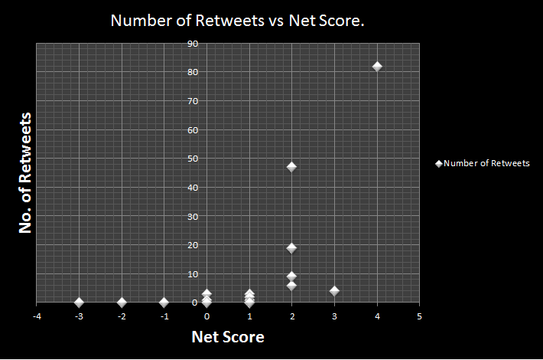

Net Score | Number of Total Retweets
0 | 4
1 | 6
2 | 100
3 | 4
4 | 82

