Sheet2
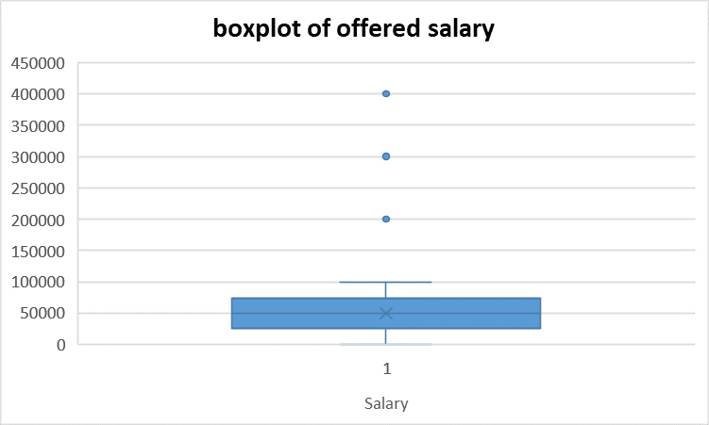
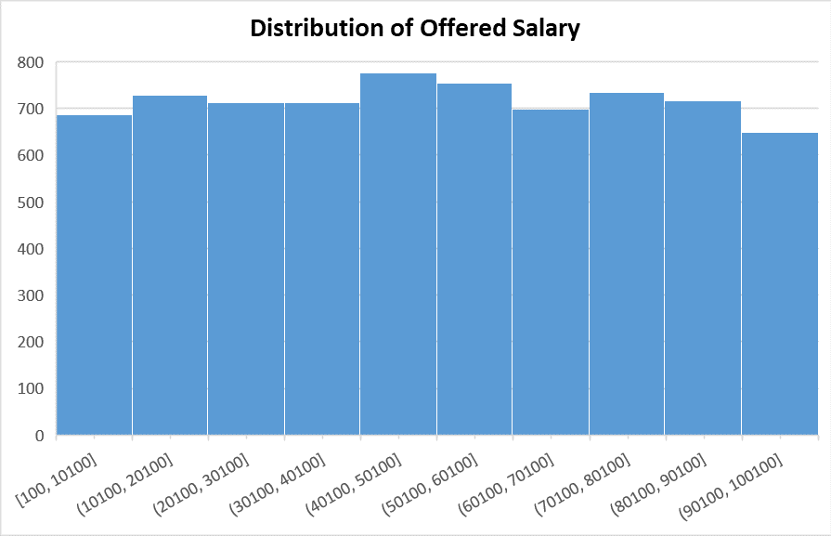

- some outliers are present in offered salary column beyond values 1lac | - distribution of values of offered salary column is uniform.
- median salary is around 50k

