Visual_Evidence
NIRMAN AUTOMATED VISUAL TEST EVIDENCE GALLERY

Test ID | Module Name | Test Scenario & Objective | Target URL & Persona | Result Status | Embedded Screen Capture Proof
TC-01 | Public Portal | Landing Page & Hero Marketplace Presentation | URL: / Role: Guest / Public | PASS | 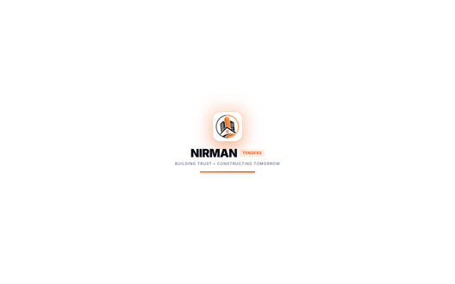
TC-02 | Public Portal | Public Tender Catalog & Search Explorer | URL: /tenders Role: Guest / Public | PASS | 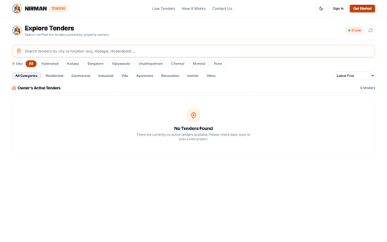
TC-03 | Public Portal | Contact Help Desk & Support Inquiries Form | URL: /contact Role: Guest / Public | PASS | 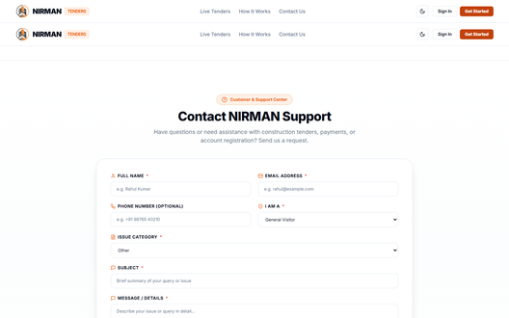
TC-04 | Authentication | Universal Login Form & Credentials Validation UI | URL: /login Role: Guest / Public | PASS | 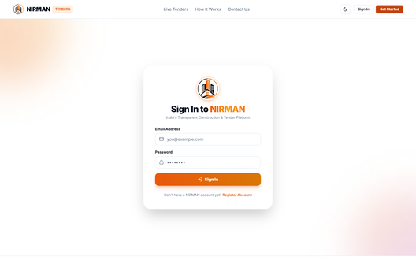
TC-05 | Authentication | Dual-Role Registration Portal (Property Owner / Contractor) | URL: /register Role: Guest / Public | PASS | 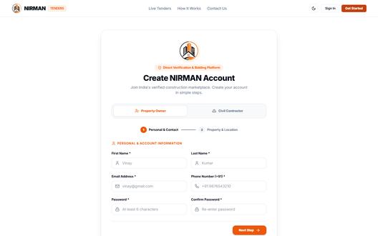
TC-06 | Admin Portal | Administrator Role Authentication & Protected Route Redirection | URL: /login -> /admin/dashboard Role: Administrator | PASS | 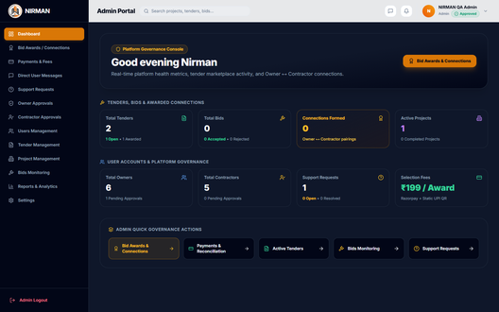
TC-07 | Admin Portal | Executive Command Center, KPIs & Platform Analytics | URL: /admin/dashboard Role: Administrator | PASS
TC-08 | Admin Portal | Contractor KYC Verification & License Management | URL: /admin/contractors Role: Administrator | PASS | 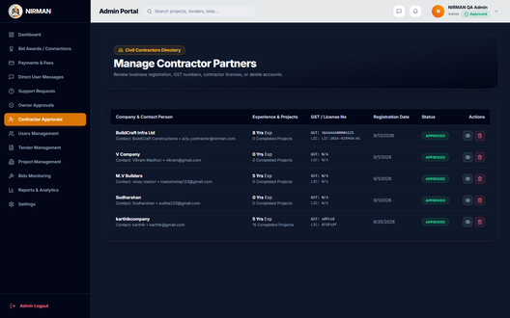
TC-09 | Admin Portal | Property Owner Directory & Account Verification Workflow | URL: /admin/owners Role: Administrator | PASS | 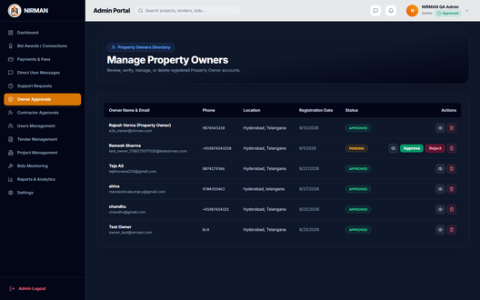
TC-10 | Admin Portal | Global User Registry & Multi-Role Auditing | URL: /admin/users Role: Administrator | PASS | 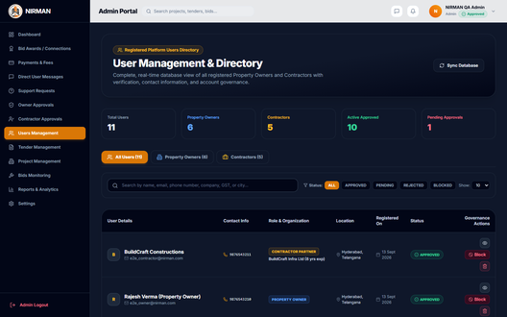
TC-11 | Admin Portal | Tender Governance, Live Bidding Audit & Project Linkage | URL: /admin/tenders Role: Administrator | PASS | 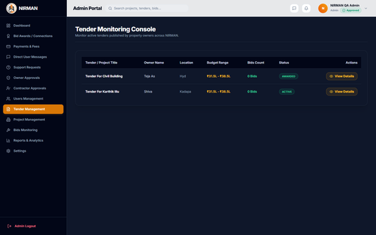
TC-12 | Admin Portal | Financial Settlements, Milestone Payouts & Razorpay Transaction Logs | URL: /admin/payments Role: Administrator | PASS | 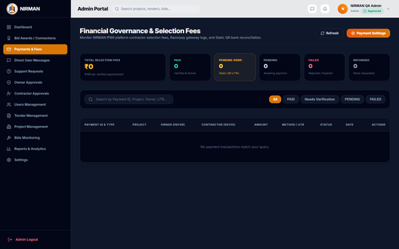
TC-13 | Admin Portal | Customer Support Desk & Ticket Resolution Center | URL: /admin/support Role: Administrator | PASS | 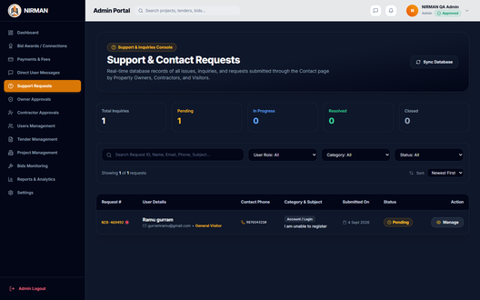
TC-14 | Admin Portal | Platform Governance, Fee Configurations & Security Policies | URL: /admin/settings Role: Administrator | PASS | 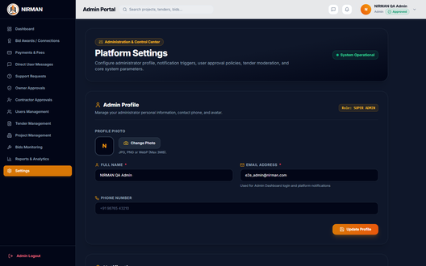
TC-15 | Owner Portal | Property Owner Authentication & Dedicated Workspace Redirection | URL: /login -> /owner/dashboard Role: Property Owner | PASS | 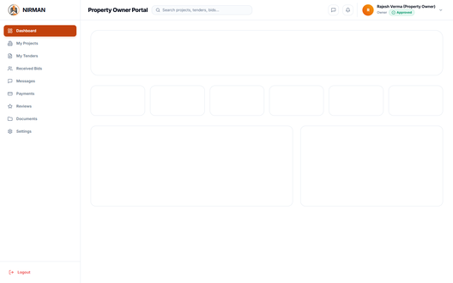
TC-16 | Owner Portal | Owner Construction Project & Tender Command Cockpit | URL: /owner/dashboard Role: Property Owner | PASS | 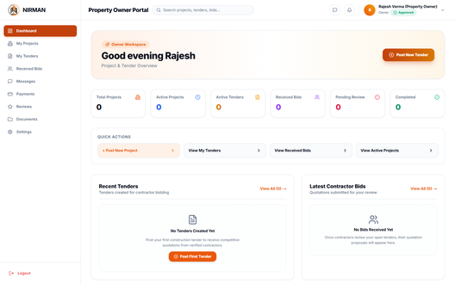
TC-17 | Owner Portal | New Construction Project Definition & Specification Form | URL: /owner/projects/new Role: Property Owner | PASS | 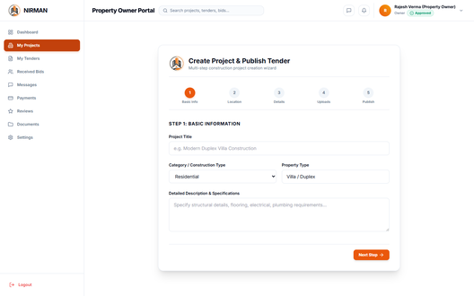
TC-18 | Owner Portal | Tender Lifecycle Management & Bid Evaluation Hub | URL: /owner/tenders Role: Property Owner | PASS | 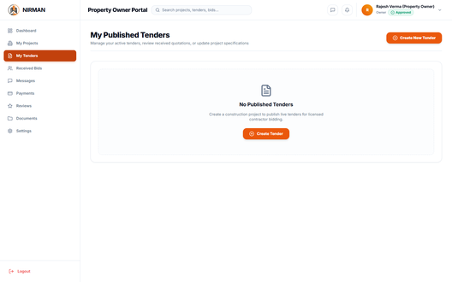
TC-19 | Owner Portal | Construction Milestone Progress & Escrow Fund Release Hub | URL: /owner/milestones Role: Property Owner | PASS | 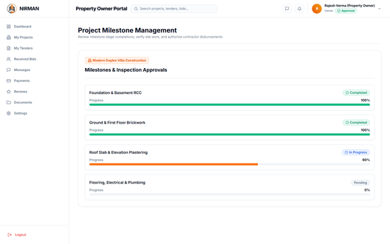
TC-20 | Contractor Portal | Licensed Contractor Authentication & Workspace Routing | URL: /login -> /contractor/dashboard Role: Contractor | PASS | 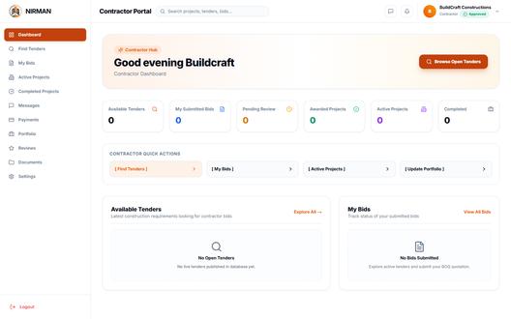
TC-21 | Contractor Portal | Contractor Operations Cockpit, Revenue & Active Jobs | URL: /contractor/dashboard Role: Contractor | PASS
TC-22 | Contractor Portal | Commercial Tender Discovery & BOQ Bidding Marketplace | URL: /contractor/tenders Role: Contractor | PASS | 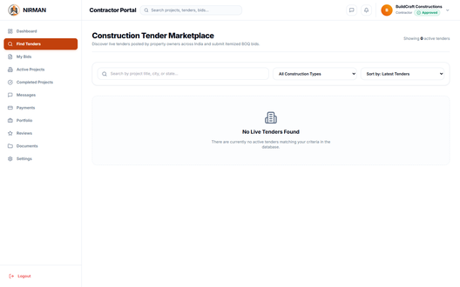
TC-23 | Contractor Portal | Submitted Bids Tracking & Itemized BOQ Cost Breakdown | URL: /contractor/bids Role: Contractor | PASS | 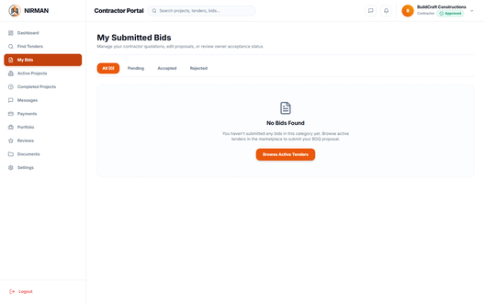
TC-24 | Contractor Portal | Awarded Project Execution & On-Site Milestone Reporting | URL: /contractor/projects Role: Contractor | PASS | 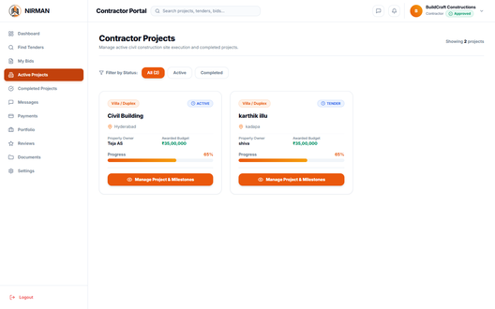
TC-25 | Contractor Portal | Contractor Earnings Ledger & Milestone Disbursements | URL: /contractor/payments Role: Contractor | PASS | 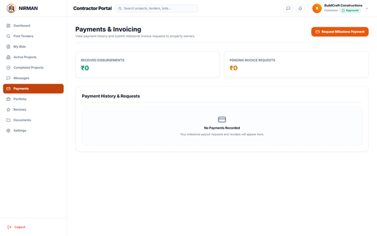
TC-26 | Contractor Portal | Business Profile, GST/PAN Credentials & KYC Portfolio | URL: /contractor/profile Role: Contractor | PASS | 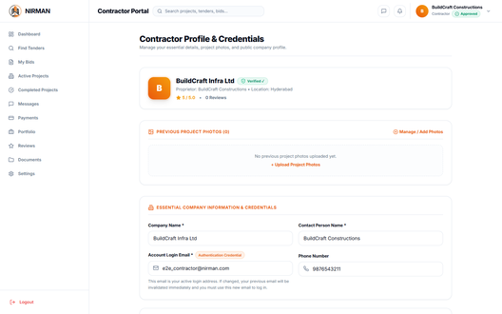
TC-27 | Security & RBAC | Zero-Trust Route Guard: Unauthenticated Access to /admin Intercepted | URL: /admin/dashboard Role: Anonymous Visitor | PASS
TC-28 | Security & RBAC | Cross-Role Boundary Guard: Contractor Blocked from Admin Endpoints | URL: /admin/payments Role: Contractor | PASS
TC-29 | Accessibility & AI | NIRMAN Saathi: Voice & Text Guided Assistant for Non-Technical Users | URL: Global Floating Assistant (/*) Role: All Users / Uneducated / Non-Technical | PASS | 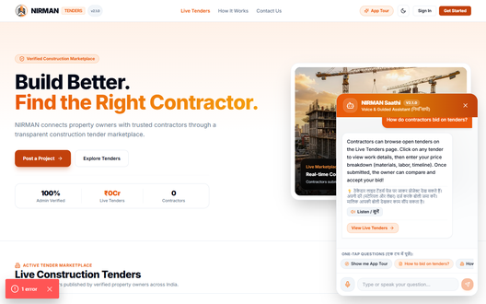
TC-30 | Accessibility & AI | Interactive Step-by-Step Guided Application Tour | URL: Global Modal Overlay (/*) Role: New Visitors / Non-Technical Users | PASS | 