Global Portfolio Map
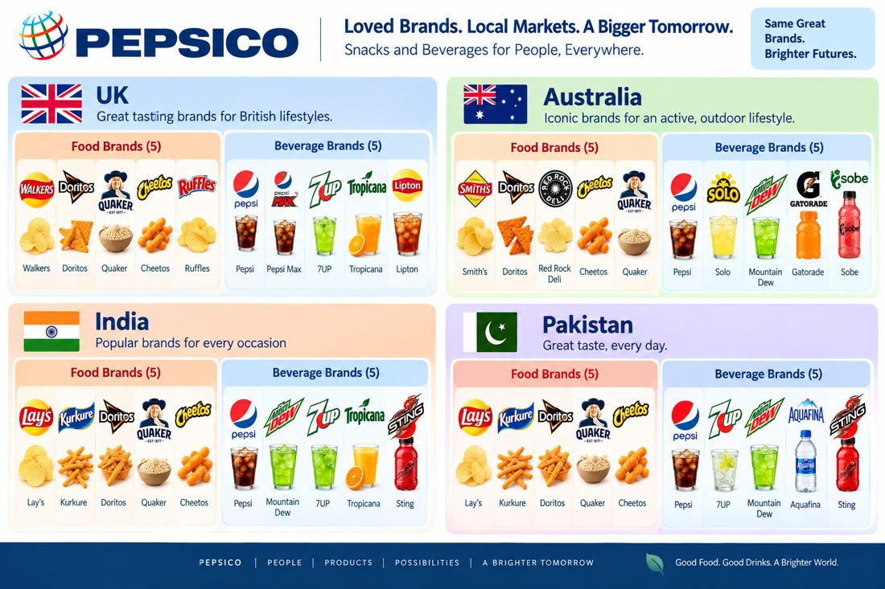
 | Loved Brands. Local Markets. — Global Portfolio Map
Source: user-supplied PepsiCo portfolio infographic (docs/brands_icons/Brands_Geos.png).

