Machine_Learning
 | Machine learning

 | It learns from patterns/instructions

 | Supervised machine learning

 | Income | Expenses |  | Problem | Given historical dataset, whenever I get an income of 35000 can you predict expenses for me?
 | 1000 | 100 | 10
 | 3000 | 300 | 10 | Independent variable/predictors - Income (one or more)
 | 5000 | 500 | 10 | Dependent variable/target/label/outcome - Expenses (one - regression)
 | 10000 | 1000 | 10
 | 50000 | 5000 | 10 | You have both input and output (independent/dependent) - supervised ML

 | Regression |  |  |  |  |  | Classifications
 | Continous variable as dependent |  |  |  |  |  | Churn - Yes/no, Match - play/not, Diabetic - Yes/No |  | MNIST (9 digits)

 | Multivariate regression/Simple linear regression |  |  |  |  |  | Binary (2) | Target variable (>2) | Decision boundary

 |  |  |  |  |  |  | Logistic regression | Decision Trees
 |  |  |  |  |  |  |  | Random Forest
 |  |  |  |  |  |  |  | Support Vector Machine
 |  |  |  |  |  |  |  | Naïve Bayes

 | Logistic regression reading material - https://stats.idre.ucla.edu/other/mult-pkg/faq/general/faq-how-do-i-interpret-odds-ratios-in-logistic-regression/

 | UnSupervised machine learning

 | Income | Expenses |  | Problem | Given historical dataset, can you categorize customers as low spending/medium spending/high spending
 | 1000 | 100 | 0.1
 | 3000 | 300 | 0.1 | Independent variable - Many
 | 5000 | 500
 | 10000 | 1000
 | 50000 | 5000 |  | You have only input- unsupervised ML

 |  |  |  | K-means clustering, C means

 | Reinforcement machine learning

 | No input and output
 | Robots | real time training

 | Award - positive/negative
 | online chess, smart cars

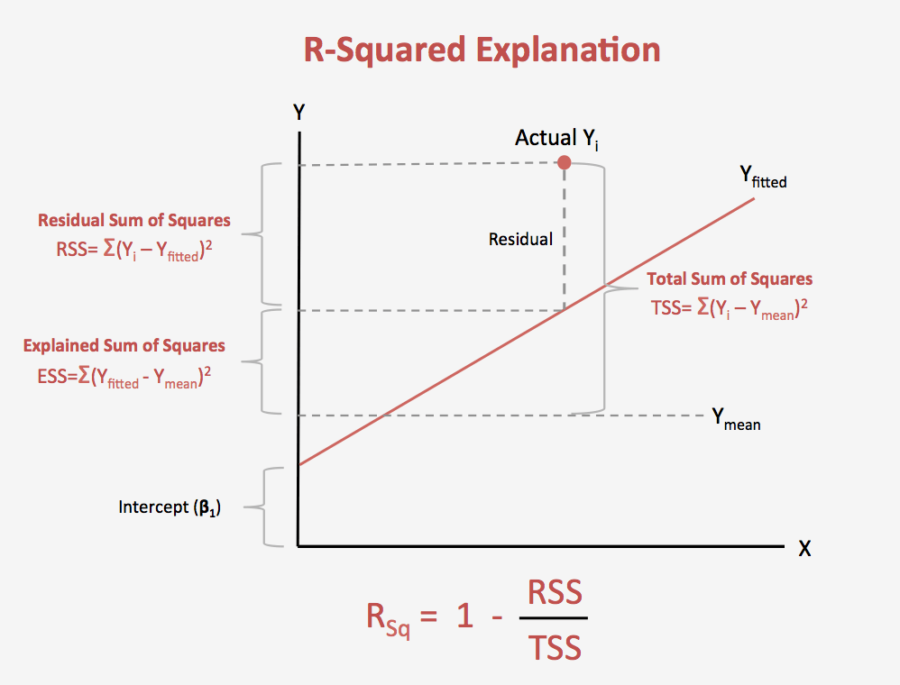
 |  |  |  |  |  |  |  |  |  | SSE | (predicted-actual)^2
 |  |  |  |  |  |  |  |  |  |  | less
 |  |  |  |  |  |  |  |  |  |  | Earning = 0.1*Income + 0.02
 |  |  |  |  |  |  |  |  |  |  | y = m*x +C | Earning =0.1*Income + 0.2*Age + …+ 0.02
 |  |  |  |  |  |  |  |  |  |  | y = dependent variable
 |  |  |  |  |  |  |  | 10 |  |  | m - slope of the line (Coefficents)
 |  |  |  |  |  |  |  | 15 |  |  | x - independent variable
 |  |  |  |  |  |  |  | 20 |  |  | c - intercept
 |  |  |  |  |  |  |  | 25
 |  |  |  |  |  |  |  |  |  |  | y = beta0 + beta1*x + error

 |  |  |  |  |  |  |  |  |  |  | The formula is:

 |  |  |  |  |  |  |  |  |  |  | where:
 |  |  |  |  |  |  |  |  |  |  | N is the number of points in your data sample.
 |  |  |  |  |  |  |  |  |  |  | K is the number of independent regressors, i.e. the number of variables in your model, excluding the constant.
 |  |  | F statistics

 |  |  | Standard Error

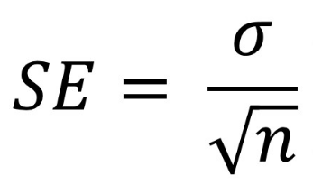

 | 500 columns variables

1 | summary | each and every column
2 | domain | 40 columns has missing values, 30 columns are useful for ML problem
3 | %age of missing values - 80% of the dataset as available for each 40 column, go ahead with original dataset and remove 20% of the dataset
4 | Missing value imputation - Mean, median, mode

 | Prediction dataset

 | Actual values - predicted values
 | Correlation |  | Difference of values
 | RMSE/MAPE |  | Forecasting

 |  |  | Actual | Predicted |  | Actual-predicted

