fonti
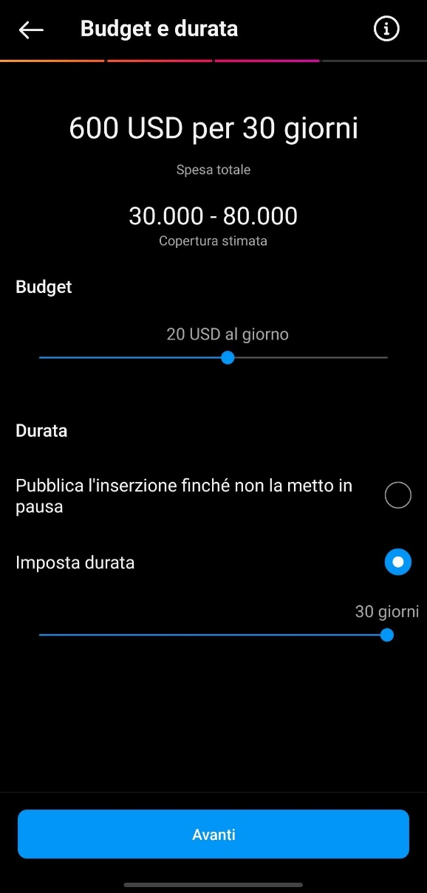
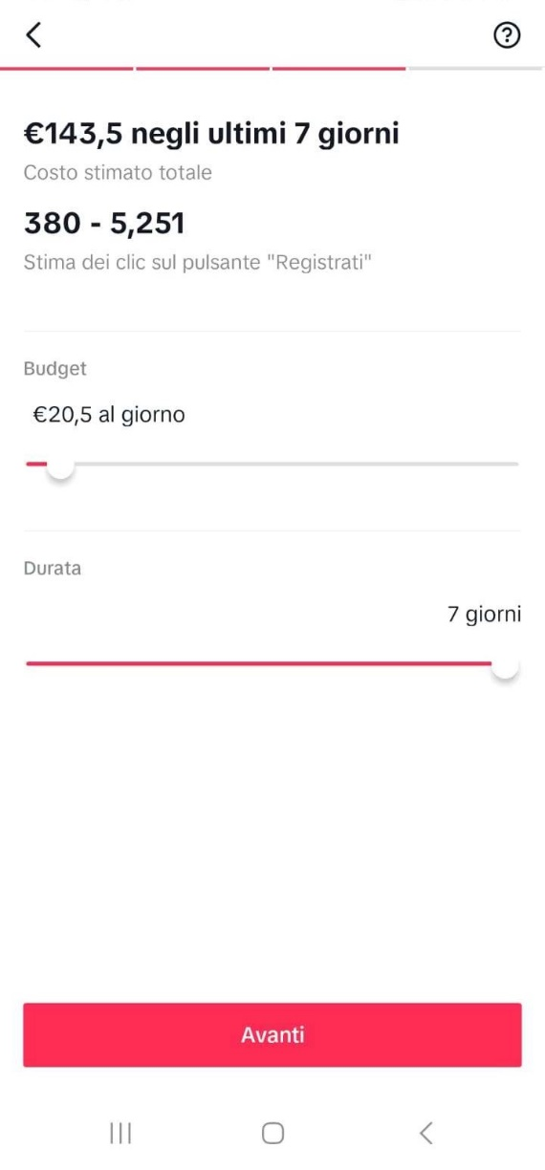
Fonti

Elemento | Link
SQL Server | https://www.microsoft.com/en-us/sql-server/sql-server-2022-pricing
Web Server | https://azure.microsoft.com/en-us/pricing/details/app-service/windows/
Colab Pro + | https://colab.research.google.com/signup
Pubblicità IG | Immagine
Pubblicità TikTok | Immagine
Stipendi PM | https://it.talent.com/salary?job=project+manager+it
Stipendi TM | https://www.glassdoor.it/Stipendi/web-developer-stipendio-SRCH_KO0,13.htm
Stipendi HC | https://www.glassdoor.it/Stipendi/milano-agente-immobiliare-stipendio-SRCH_IL.0,6_IM1058_KO7,25.htm
Manutenzione | https://www.hostinger.com/tutorials/website-maintenance-cost
Prezzo affitto (media prezzi Napoli-Roma-Milano) | https://www.studenti.it/affitti-studenti-fuori-sede-costi.html#:~:text=Affitti%20per%20studenti%3A%20il%20prezzo%20dipende%20dalla%20citt%C3%A0,-Secondo%20il%20centro&text=Nella%20Capitale%2C%20infatti%2C%20per%20una,quinta%20posizione%20con%20447%20euro.
Numero studenti fuori sede 2022 | https://www.skuola.net/news/inchiesta/universita-alloggi-affitti-fuori-sede.html
Napoli pubblicià (Totem) | Affissioni Campania - Affissioni pubblicitarie Italia (affissionitalia.com)
Roma pubblicità (Totem digitale) | Affissioni ROMA - Affissioni pubblicitarie Italia Spotmap® Google Maps (affissionitalia.com)
Milano pubblicità (Totem digitale) | Affissioni Milano Archivi - Affissioni pubblicitarie Italia (affissionitalia.com)

 | Instagram | TikTok

