Sheet1
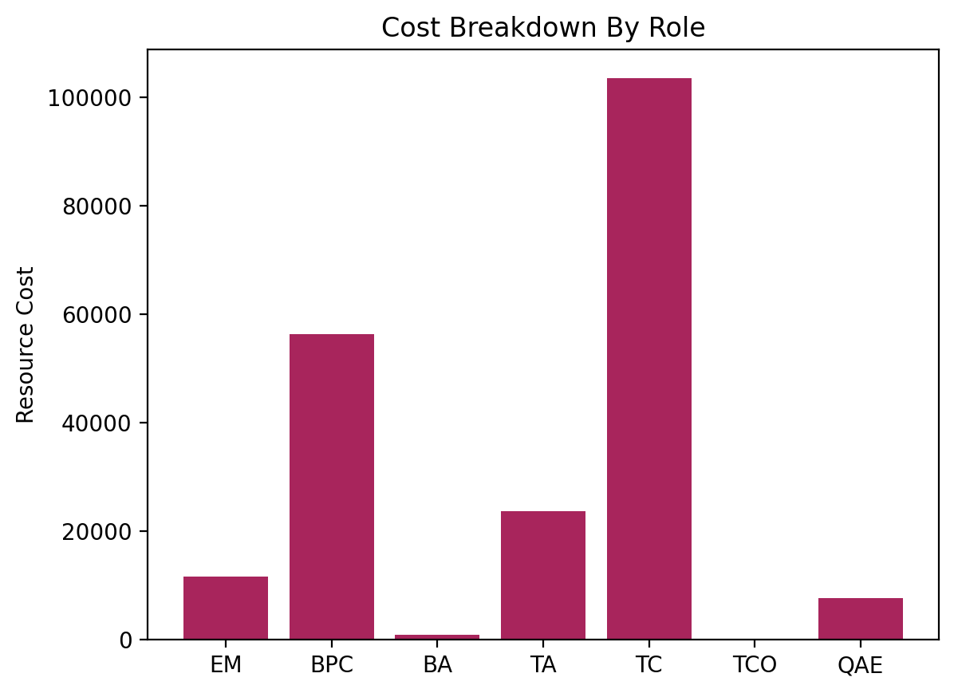
stage | task | task_details | role | hours | rate | cost
pre-kickoff |  |  |  |  |  |  | 9/15/24
 | Project Initiation | Conduct a "soft launch" initial project planning call with the immediate ServiceNow stakeholders. | EM | 4 | $200.00 | $800.00
 | Project Pre-Work | Prepare and deliver "pre-work" materials. Pre-work may include assets comparable to the following examples: > Business Case template - Document that provides justification for the ServiceNow implementation. > Company Vision & Strategy template - Document that describes the company's strategic drivers and their vision for digital transformation. | BPC | 2 | $250.00 | $500.00
 |  |  | Hours | 6 | Cost | $1,300.00
 |  |  | Hours (Agg.) | 6 | Cost (Agg.) | $1,300.00
inititiate
 | Review and Validate "Envision Phase" Outputs | This activity aims to validate business assumptions and ensure alignment between the business owners and the implementation team. > Business Case Updated Requirements > Review of the Recommended Implementation Sequencing | BPC | 4 | $250.00 | $1,000.00
 | Project Planning | Create detailed project plan and work breakdown structure. | EM | 12 | $200.00 | $2,400.00
 | Kick-Off Meetings | Conduct kick-off meetings to align scope and objectives with project sponsor(s) and the project team. | EM | 4 | $200.00 | $800.00
 | Review Pre-Work Responses (BPC) | Review current customer environment and operation model. > Identify any pre-actions to be taken by Client to support the project. | BPC | 8 | $250.00 | $2,000.00
 | Review Pre-Work Responses (TA) | Review current customer environment and operation model. > Identify any pre-actions to be taken by Client to support the project. | TA | 4 | $195.00 | $780.00
 | Set Up Environment | Provision Instance and Activate Plugins | TC | 4 | $175.00 | $700.00
 | Define Change Strategy | Understand stakeholder objectives and create high level Organizational Change Management (OCM) plan (i.e., training). | BPC | 2 | $250.00 | $500.00
 | Scope Management | Establish a project Change Order process. | EM | 2 | $200.00 | $400.00
 |  |  | Hours | 40 | Cost | $8,580.00
 |  |  | Hours (Agg.) | 46 | Cost (Agg.) | $9,880.00
define
 | Company Setup & Configuration (workshop) | workshop | TC | 2 | $175.00 | $350.00
 | Connectivity Setup & Configuration (workshop) | workshop | TC | 4 | $175.00 | $700.00
 | Foundational Data Population, Configuration, and Remediation (workshop) | workshop | TC | 6 | $175.00 | $1,050.00
 | Customer Service Management | workshop | BPC | 10 | $250.00 | $2,500.00
 | Request Management | workshop | BPC | 10 | $250.00 | $2,500.00
 | Communities | workshop | BPC | 7 | $250.00 | $1,750.00
 | Walk-Up Experience | workshop | BPC | 6 | $250.00 | $1,500.00
 | Engagement Messenger | workshop | BPC | 7 | $250.00 | $1,750.00
 | Public Sector Digital Services Core | workshop | BPC | 13 | $250.00 | $3,250.00
 | Universal Request Pro | workshop | BPC | 3 | $250.00 | $750.00
 | App Engine Studio | workshop | BPC | 1 | $250.00 | $250.00
 | Performance Analytics | workshop | BPC | 4 | $250.00 | $1,000.00
 | Virtual Agent | workshop | BPC | 6 | $250.00 | $1,500.00
 | Portal Visits per month (per Fulfiller/Unrestricted User) (Pro) | workshop | BPC | 1 | $250.00 | $250.00
 | App Engine Custom Tables (Pro) | workshop | BPC | 1 | $250.00 | $250.00
 | Workspaces | workshop | BPC | 4 | $250.00 | $1,000.00
 | Knowledge Management | workshop | BPC | 4 | $250.00 | $1,000.00
 | Service Catalog | workshop | BPC | 2 | $250.00 | $500.00
 | Service Level Management (SLAs) | workshop | BPC | 2 | $250.00 | $500.00
 | Reporting | workshop | BPC | 2 | $250.00 | $500.00
 | Surveys & Assessments | workshop | BPC | 2 | $250.00 | $500.00
 | Authentication | workshop | BPC | 2 | $250.00 | $500.00
 | Instance Security Center (ISC) | workshop | BPC | 1 | $250.00 | $250.00
 | Subscription Management | workshop | BPC | 1 | $250.00 | $250.00
 | Business Analysis | Responsible for documenting workshop findings. > Commonly referred to as workshop "scribe". | BA | 5 | $155.00 | $775.00
 | Project Management | Maintain project objectives and timelines by providing oversight throughout the lifecycle of the project. | EM | 5 | $200.00 | $1,000.00
 |  |  | Hours | 111 | Cost | $26,125.00
 |  |  | Hours (Agg.) | 157 | Cost (Agg.) | $36,005.00
design
 | Create Development Backlog | Document and size all requirements gathered during the workshops into a concise requirements list which will be reviewed and approved prior to creating a detailed design. | BPC | 12 | $250.00 | $3,000.00
 | Load and Define Design | Transform the Development Backlog into requirement tasks within Advance's development tracker and add specific build details to the requirements selected for implementation. | TA | 16 | $195.00 | $3,120.00
 | Project Sprint Development | Organize project tasks into a collection of project sprints and stories. > Perform up to two (2) readbacks with the Client to verify project timeline, key milestones, and task alignment. > Verify resource plan and the availability Client resources when assistance or co-development efforts are required. | TA | 16 | $195.00 | $3,120.00
 | Business Process | Facilitates communications, leads and drives workshops, interpret business needs, and defines / solves problems. | BPC | 2 | $250.00 | $500.00
 | Project Management | Maintain project objectives and timelines by providing oversight throughout the lifecycle of the project. | EM | 2 | $200.00 | $400.00
 |  |  | Hours | 48 | Cost | $10,140.00
 |  |  | Hours (Agg.) | 205 | Cost (Agg.) | $46,145.00
build
 | Company Setup & Configuration | Provision Service Now instances, initial system setup, as well as plugin activation/configuration. > System Configuration > Welcome Page | TC | 4 | $175.00 | $700.00
 | Connectivity Setup & Configuration | Configure the ServiceNow instance to support inbound and outbound email notification. Integrate it with the Client's existing LDAP and single sign-on (SSO) solutions. > Email Properties - Setup/Configure one (1) Email Mailbox (Assuming ServiceNow Email Addresses). > LDAP Integration - Active Directory integration for user / group sync using default LDAP transform mappings supplied out of the box ("OOTB"). > Single Sign On (SSO) Integration - Configure SSO in ServiceNow to work with one (1) external tool such as Okta or ADFS. Setup/Configure one (1) Email Mailbox (Assuming ServiceNow Email Addresses) | TC | 12 | $175.00 | $2,100.00
 | Foundational Data Population, Configuration, and Remediation | Import users, groups, group members, companies, departments, and locations to provide access to the instance and facilitate automated processes, such as auto-assignment of tasks. Assign roles to groups to provide access to all group members or assign roles to individual users. > Departments > Locations > Companies > Users > Groups > Group Members > Assign Roles Advance shall load data up to two (2) times, and Client will have an opportunity to review/remediate data after the first load. | TC | 16 | $175.00 | $2,800.00
 | Customer Service Management | Configure CSM as defined in workshops, limited to: > Using the OOTB predefined process and flow of the ServiceNow CSM application and modules > Using the OOTB predefined interoperability and flow of the ServiceNow CSM application, interacting with incident, change, problem, knowledge, service level management and portal > Updating the Customer Service Case Table - up to ten (10) custom fields, up to two (2) business rule, up to two (2) UI actions, up to two (2) client scripts - to support a minimal change to the case interface and workflow > Configure list view of the case form > Configuration of the OOTB related lists (parent / child), providing visibility to OOTB related lists. | TC | 60 | $175.00 | $10,500.00
 | Request Management | Configure up to "n" number of service catalog items and related request workflows: > Up to five (5) low complexity* > Up to two (2) moderate complexity* > Up to 1 (1) high complexity* | TC | 60 | $175.00 | $10,500.00
 | Communities | WIP | TC | 40 | $175.00 | $7,000.00
 | Walk-Up Experience | WIP | TC | 32 | $175.00 | $5,600.00
 | Engagement Messenger | WIP | TC | 40 | $175.00 | $7,000.00
 | Public Sector Digital Services Core | Install and Setup Public Sector Digital Services > Create up to two (2) new case types to manage public service requests. > Create up to twent-four (24) service catalog item record producers for constituents to submit service requests. > Create up to two (2) new case playbooks to automate the service request workflow. | TC | 80 | $175.00 | $14,000.00
 | Universal Request Pro | WIP | TC | 16 | $175.00 | $2,800.00
 | App Engine Studio | WIP | TC | 4 | $175.00 | $700.00
 | Performance Analytics | Create / Modify up to two (2) PA dashboards and six (6) PA reports, utilizing out of the box joins only for PSDS per the requirements discussed during workshop sessions and as defined in the design documentation. | TC | 24 | $175.00 | $4,200.00
 | Virtual Agent | Configure virtual agent branding/setup. Configure Virtual Agent for chat with up to 5 topics of small complexity. > 1 layer of questions > Initial question with 0 – 10 choices, each with an informational response > No follow up questions, OR one generic follow up question shown after each response (i.e., would you like to create a incident, do you still need assistance, do you want to contact a live agent, search knowledge base, etc.) [OR] > 1 - 2 layers of questions > Initial question with 0 – 5 choices, each with an informational response or a follow up question > Follow up question with 0 – 2 choices, each with an informational response > No further follow up questions, OR one generic follow up question shown at the end of the conversational path (i.e., would you like to create a case, do you still need assistance, do you want to contact a live agent, search knowledge base, etc.) | TC | 32 | $175.00 | $5,600.00
 | Portal Visits per month (per Fulfiller/Unrestricted User) (Pro) | 2000/400 Portal visits | TC | 4 | $175.00 | $700.00
 | App Engine Custom Tables (Pro) | 100 Tables | TC | 4 | $175.00 | $700.00
 | Workspaces | Configure CSM/FSM Configurable Workspace view(s) as defined during workshops, limited to: > Setup branding and theming. > Additional modification to views as required within the time alloted for this task. | TC | 24 | $175.00 | $4,200.00
 | Knowledge Management | Configure Knowledge Management limited to: > up to one (1) Knowledge Base (KB) re-certification process with up to one (1) corresponding workflow. > Up to two (2) global knowledge bases - end user / customer and fulfiller - with up to two (2) user criteria. > Setup up to one (1) workflow with up to two (2) approval steps enabling a KB article to move to the "published" state. > Up to one (1) knowledge homepage in the EC or EC Pro Service Portal. | TC | 20 | $175.00 | $3,500.00
 | Service Catalog | Configure the Service and Product Catalog Taxonomy: > Define catalog categories in a parent-child hierarchy (i.e. Hardware category can contain subcategories for computers and mobile devices). > Up to four (4) new unique catalog categories and up to eight (8) new unique subcategories. | TC | 12 | $175.00 | $2,100.00
 | Service Level Management (SLAs) | Configure up to four (4) response driven and up to four (4) resolution driven SLAs - with up to a four (4) tiered priority level - using OOTB status field variables (i.e., start, stop, closed and cancelled) conditions. | TC | 12 | $175.00 | $2,100.00
 | Reporting | Create / Modify up to two (2) standard dashboards and six (6) standard reports, utilizing out of the box joins only for PSDS per the requirements discussed during workshop sessions and as defined in the design documentation. | TC | 10 | $175.00 | $1,750.00
 | Surveys & Assessments | Configure Survey Management as discussed during the workshop sessions and defined in the design documentation. > Up to two (2) survey definitions. | TC | 8 | $175.00 | $1,400.00
 | Authentication | Review and configure the most important methods dor controlling acces to the ServiceNow instance; user authentication, identity verification, and authorztion to control access levels and permissins. > Authentication > Authorization > File attachments > Access by ServiceNow employees (ServieNow support) > Auditing access permissions > Instance identification | TC | 12 | $175.00 | $2,100.00
 | Instance Security Center (ISC) | Instance Security Center (ISC) Dashboard Activation / Configuration limited to: > Minor modifications to the ISC Dashboard (i.e., Event Ribbon and Top Recommendations) > Layout and branding configurations | TC | 5 | $175.00 | $875.00
 | Subscription Management | Set up Subscription Management for managing ServiceNow license entitlements and license usage. > Assign the usage admins > Configure the color-code threshold > Map up to four (4) custom applications > Map custom tables > Verify ability to monitor and manage ServiceNow subscriptions | TC | 5 | $175.00 | $875.00
 | Business Process | Facilitates communications, leads and drives workshops, interpret business needs, and defines / solves problems. | BPC | 22 | $250.00 | $5,500.00
 | Technical Architect | Provide technical guidance and oversight throughout the lifecycle of the project. | TA | 22 | $195.00 | $4,290.00
 | Project Management | Maintain project objectives and timelines by providing oversight throughout the lifecycle of the project. | EM | 22 | $200.00 | $4,400.00
 |  |  | Hours | 602 | Cost | $107,990.00
 |  |  | Hours (Agg.) | 807 | Cost (Agg.) | $154,135.00
transition
 | Deploy Code to Test Environment | > Deploy Code to System Test Environment > Deploy Code to UAT Environment | QAE | 4 | $115.00 | $460.00
 | Test Strategy | > Conduct Testing Workshop > Document Test Strategy & Data Plan | BPC | 8 | $250.00 | $2,000.00
 | Plan User Accepted Testing | > Create User Acceptance Test Scenarios & Scripts > Build User Acceptance Test Plan > UAT Logistics and Preparation Session > Draft and Issue UAT Training Materials | BPC | 31 | $250.00 | $7,750.00
 | Plan System Testing | > Create System Test Scenarios & Scripts > Build System Test Plan | BPC | 31 | $250.00 | $7,750.00
 | Conduct User Accepted Testing | > Data Set-up for UAT > UAT Training for Testers > Execute UAT > UAT Defect Management | QAE | 31 | $115.00 | $3,565.00
 | Conduct System Testing | Data Set-up for System Test > Ensure all test data is loaded and validated in a testing instance in preparation for System Testing, so that all aspects can be tested with the correct foundational data present. > Execute System Testing > System Test Defect Management | QAE | 31 | $115.00 | $3,565.00
 | Training Preparation | Review training scope and the final content to be included in training based on the Deploy stage configurations. | BPC | 2 | $250.00 | $500.00
 | Create Training Materials | Create quick reference guide training materials for: > Deployed ServiceNow capabilities Training shall be provided in English. | BPC | 4 | $250.00 | $1,000.00
 | Training Sessions | Perform training sessions for: > Deployed ServiceNow capabilities Training shall be provided in English. | BPC | 8 | $250.00 | $2,000.00
 | Go-Live Transition | > Execute Cut-over Dry Run(s) > Deploy Code to Production Environment > Execute Data Cut-over in Production > Execute Manual Data Entry in Production > Execute Operational Cut-over (Go-Live) | TA | 24 | $195.00 | $4,680.00
 | Technical Architect | Provide technical guidance and oversight throughout the lifecycle of the project. | TA | 7 | $195.00 | $1,365.00
 | Project Management | Maintain project objectives and timelines by providing oversight throughout the lifecycle of the project. | EM | 7 | $200.00 | $1,400.00
 |  |  | Hours | 188 | Cost | $36,035.00
 |  |  | Hours (Agg.) | 995 | Cost (Agg.) | $190,170.00
close
 | Configurations Documentation | Generate and deliver a configurations document containing the following information: A robust documentation of code, including code snippets, as well as a list of objects that were created or updated, accompanied with a short description of the modification, as well as all integrations. This excludes user interface changes such as form layout updates. | TA | 16 | $195.00 | $3,120.00
 | IT Knowledge Transfer | Perform Knowledge Transfer reviewing configurations made by ADVANCE team with Client administrators. | TA | 8 | $195.00 | $1,560.00
 | Transition to Post-Live Support (Hypercare) | Conducte Handover Operations > Ensure that there is a seamless transition of support activities from the Project implementation team to the Support Organization. | TA | 4 | $195.00 | $780.00
 | Hypercare Post-Live Support | Hypercare Post-Go-Live Support > ADVANCE shall staff one (1) full-time resource to provide up to five (5) consecutive business days of post live support to address any defects that arise in Production. Identify and Prioritize Production Defects > Identify and prioritize all defects to be resolved during Hypercare support from the Defect Backlog. Fix and Test Production Defects > Fix and test the prioritized defects from the defect backlog documented during Go-Live and Hypercare support activities. > The objective is to resolve the priority defects identified and ensure the stabilization of the project implementation. | TC | 40 | $175.00 | $7,000.00
 | Confirm Operational Support | Review the Hypercare support operational stabilization checklist and record status of each stabilization activity. > The purpose of this activity is to review the Hypercare support operational stabilization checklist and record status of each stabilization activity for reporting and action during Hypercare support. | TA | 4 | $195.00 | $780.00
 |  |  | Hours | 72 | Cost | $13,240.00
 |  |  | Hours (Agg.) | 1067 | Cost (Agg.) | $203,410.00
 |  |  | TOTAL HOURS | 1067 | TOTAL COST | $203,410.00
 |  |  |  | OTD | 0% | $0.00
 |  |  |  |  | GRAND TOTAL | $203,410.00

 |  |  | MATH CHECKER
 |  |  | TOTAL HOURS | 1067 | TOTAL COST | $203,410.00

role | role_name | role_description | std_rate | discount | discount % | rate
EM | Engagement Manager | add role desc | $200.00 | $0.00 | 0.0% | $200.00
BPC | Business Process Consultant | add role desc | $250.00 | $0.00 | 0.0% | $250.00
BA | Business Analyst | add role desc | $155.00 | $0.00 | 0.0% | $155.00
TA | Technical Architect | add role desc | $195.00 | $0.00 | 0.0% | $195.00
TC | Technical Consultant | add role desc | $175.00 | $0.00 | 0.0% | $175.00
TCO | Technical Consultant (Offshore) | add role desc | $115.00 | $0.00 | 0.0% | $115.00
QAE | Quality Assurance Engineer | add role desc | $115.00 | $0.00 | 0.0% | $115.00

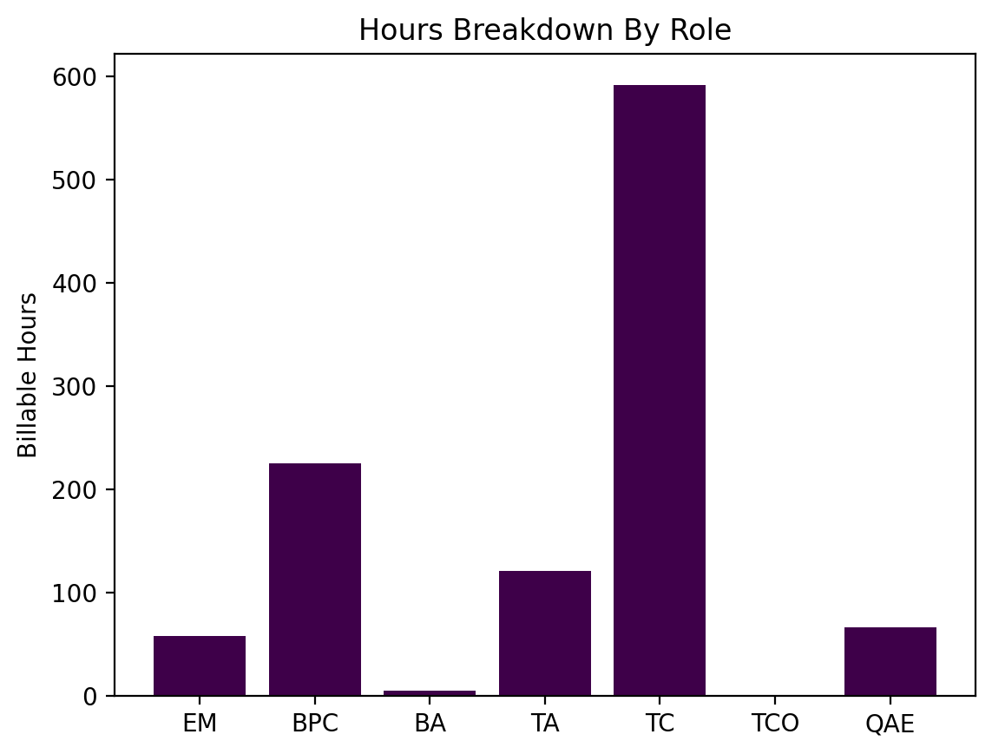
 |  |  | ROLE | HOURS | COST | RATE
 |  |  | EM | 58 | $11600.00 | $200.00
 |  |  | BPC | 225 | $56250.00 | $250.00
 |  |  | BA | 5 | $775.00 | $155.00
 |  |  | TA | 121 | $23595.00 | $195.00
 |  |  | TC | 592 | $103600.00 | $175.00
 |  |  | TCO | 0 | $0.00 | $115.00
 |  |  | QAE | 66 | $7590.00 | $115.00

