Program Specification
Location Page
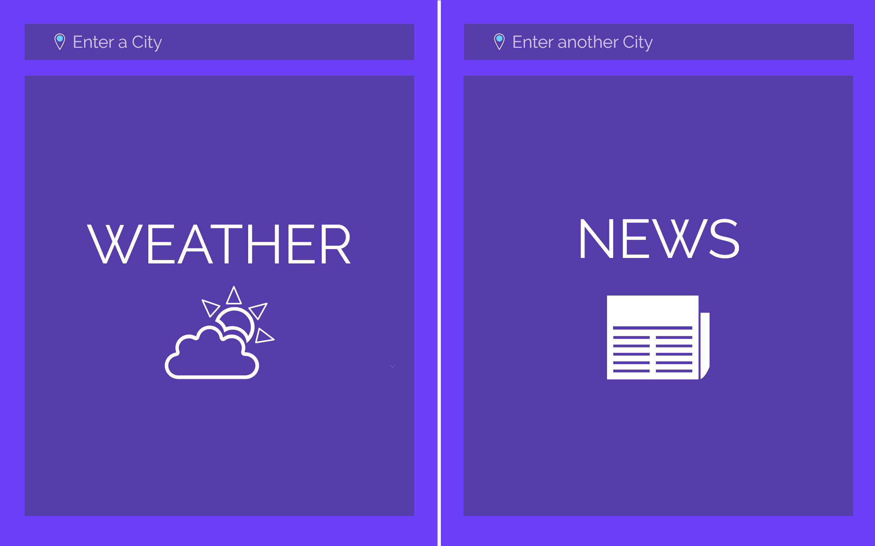
①

Specification | Function
1. User can input locations | LocationView.fxml

Weather and News Information Page
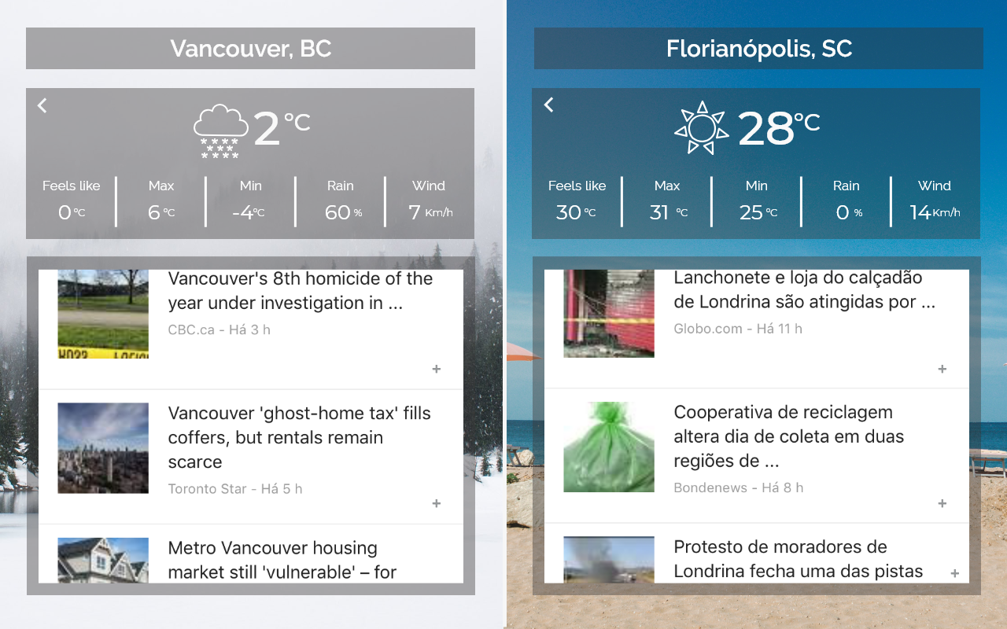
①

②
③
④

⑤

Specification | Function
1. Displays cities names | WeatherNewsView.fxml
2. Displays a weather icon that matches the weather condition | WeatherNewsView.fxml
3. Displays weather temperature | WeatherNewsView.fxml
4. Displays Feels like, Maximum and Minimum Temperature, Probability of precipitation (Rain) and Wind Speed | WeatherNewsView.fxml

5. Displays the News Descriptions > Article Page | WeatherNewsView.fxml

Article Page
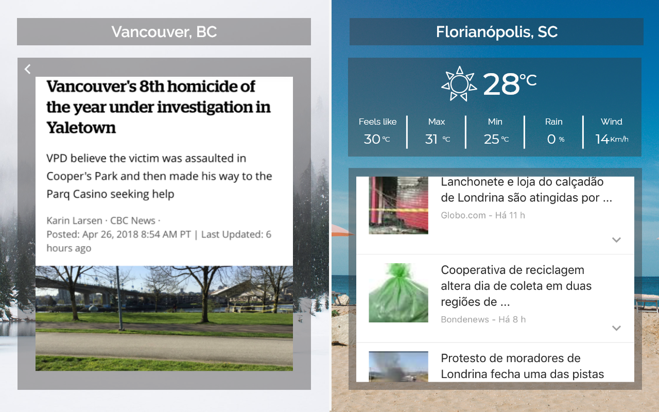

①

Specification | Function
1. Displays News Article | ArticleView.fxml

(UML) Class diagram
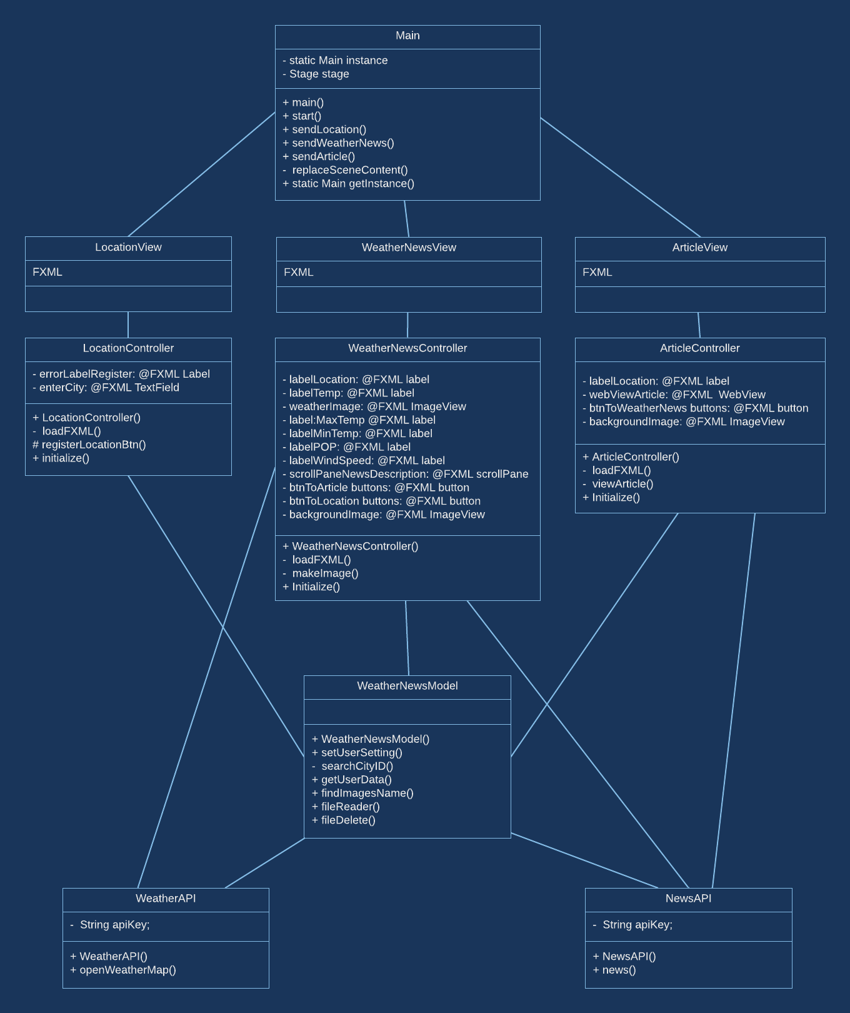

(UML) Use Case Diagram
