Hoja1
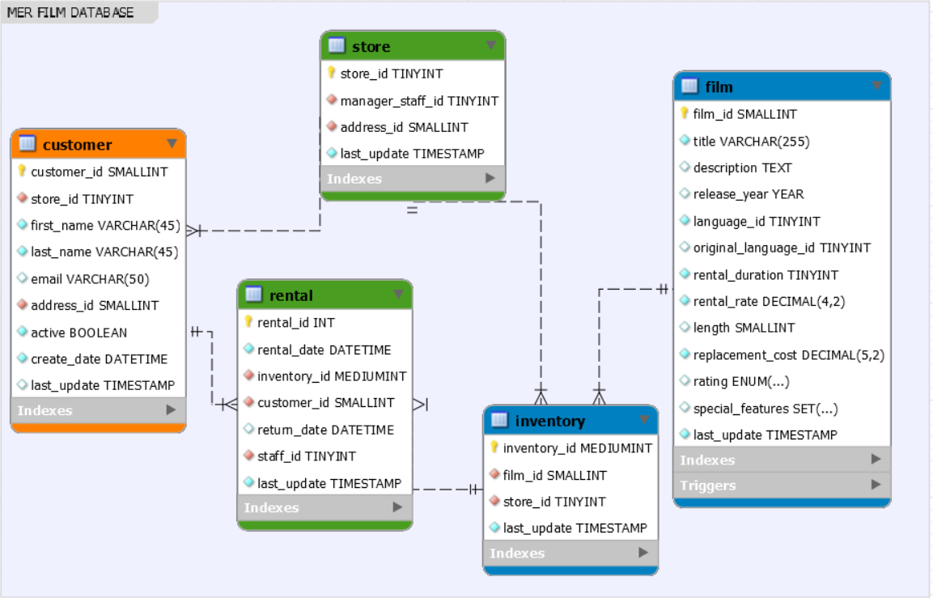
Extracción | Transformación | Carga - Insert

