Assignment
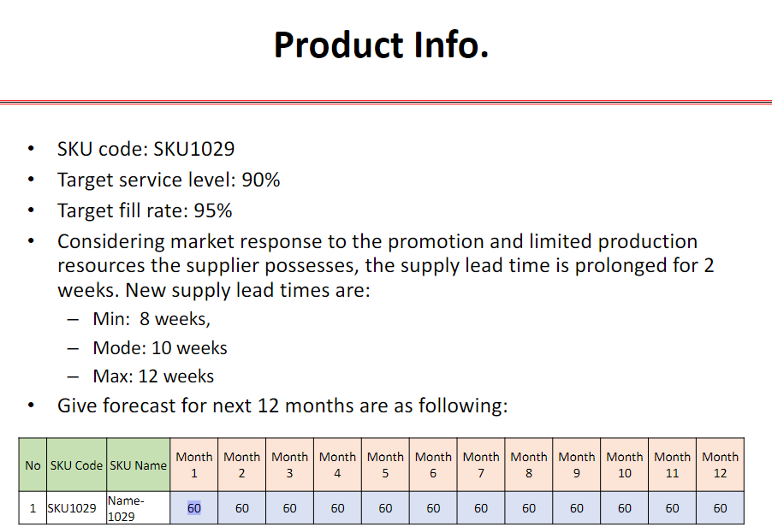

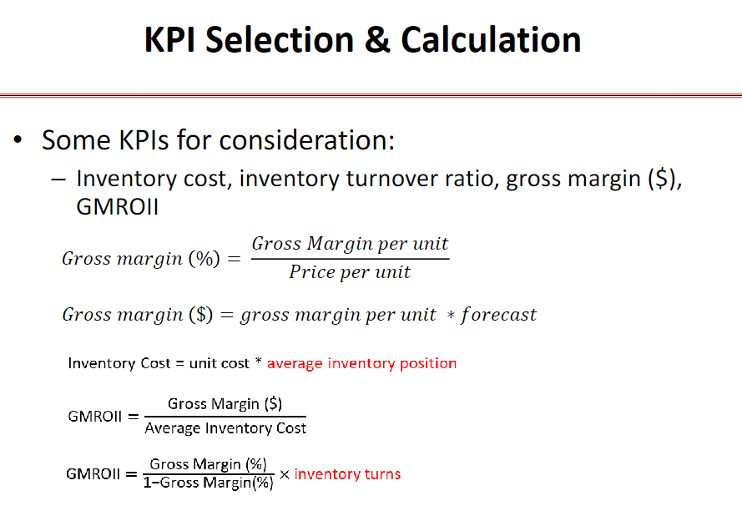

Calculations (Lab 5): Average Total Lead Time (Mean) = (8+4) + (10+4) + (12+4)/3 = 14 [Review Period = 4]
Average Weekly Demand = 60/4 = 15 [60 per month / 4 weeks]
Lead Time Demand = Avg Total LT x Avg WD = 14 x 15 = 210 ROP = LTD + Safety Stock

Rubrics
