Cover Page
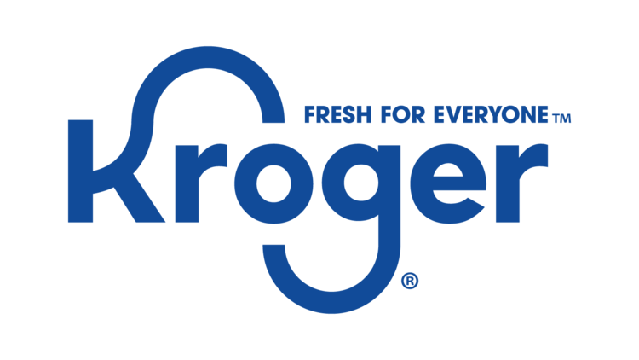

 |  | Request for Proposal

Kroger Microsoft Suite Frontline Conversion

Issue date: | 2023-03-22
Due date: | 3/31/2023 11:59pm

