Meta Chat in Whatsapp
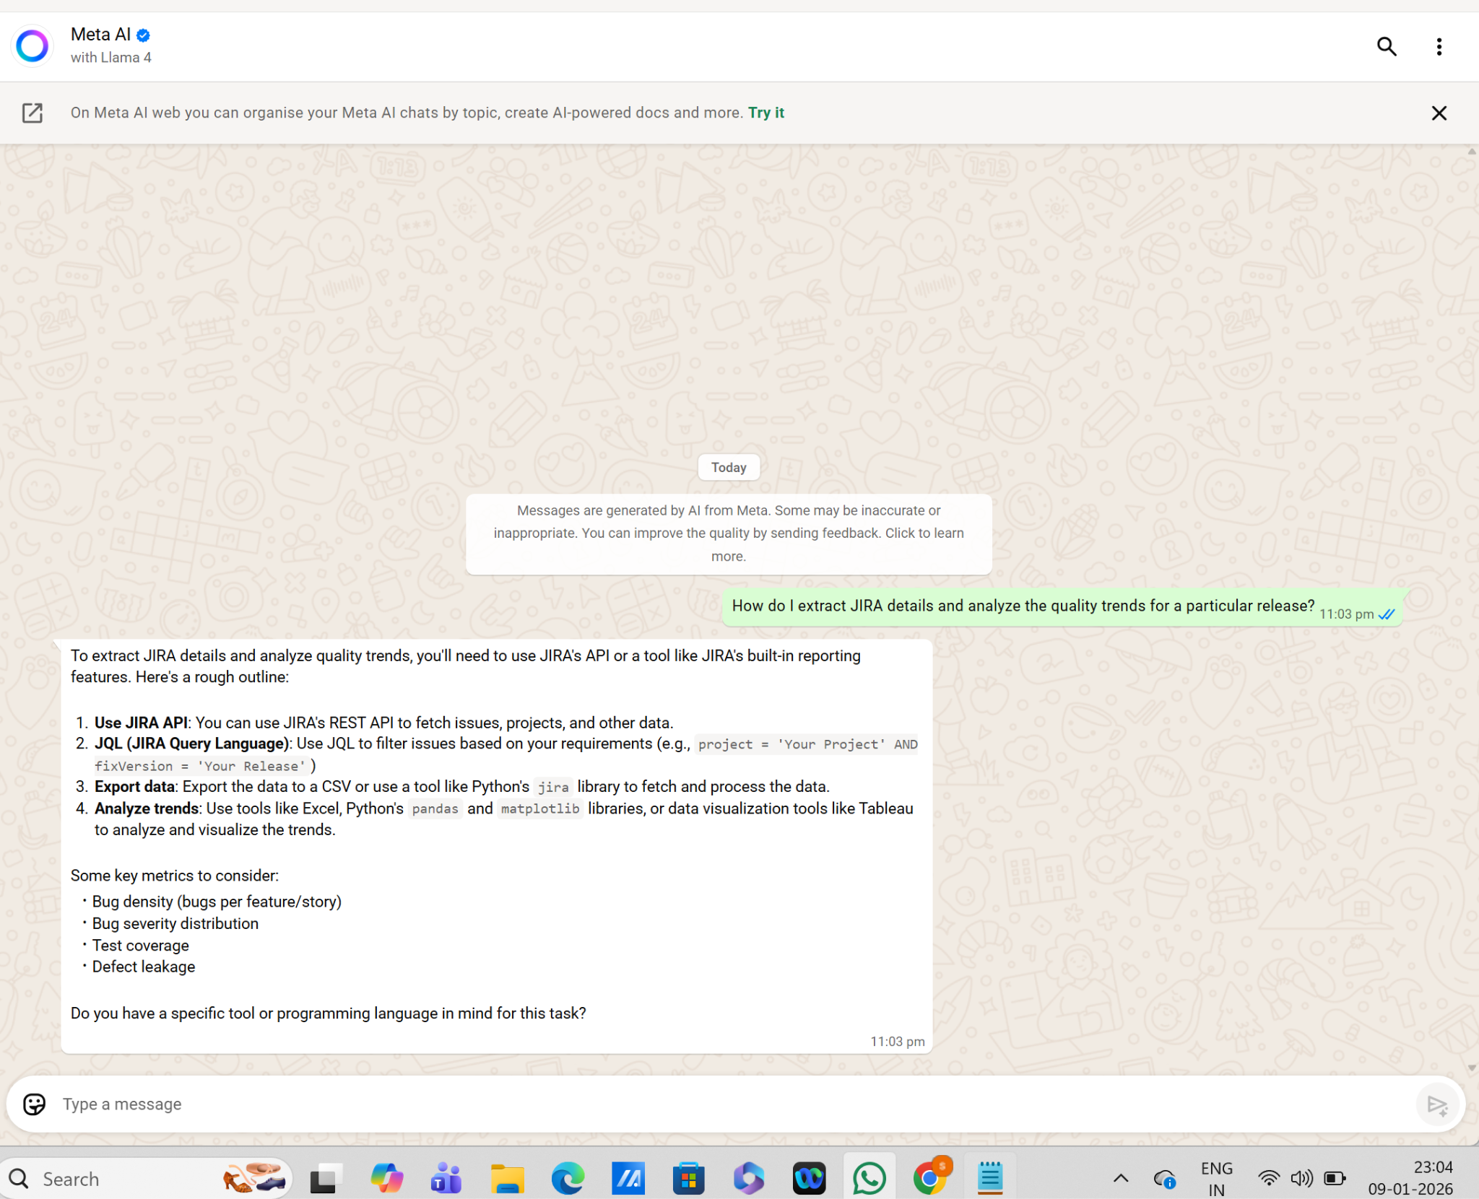
Meta AI with Llama 4

DeepSeek Normal and Thinking
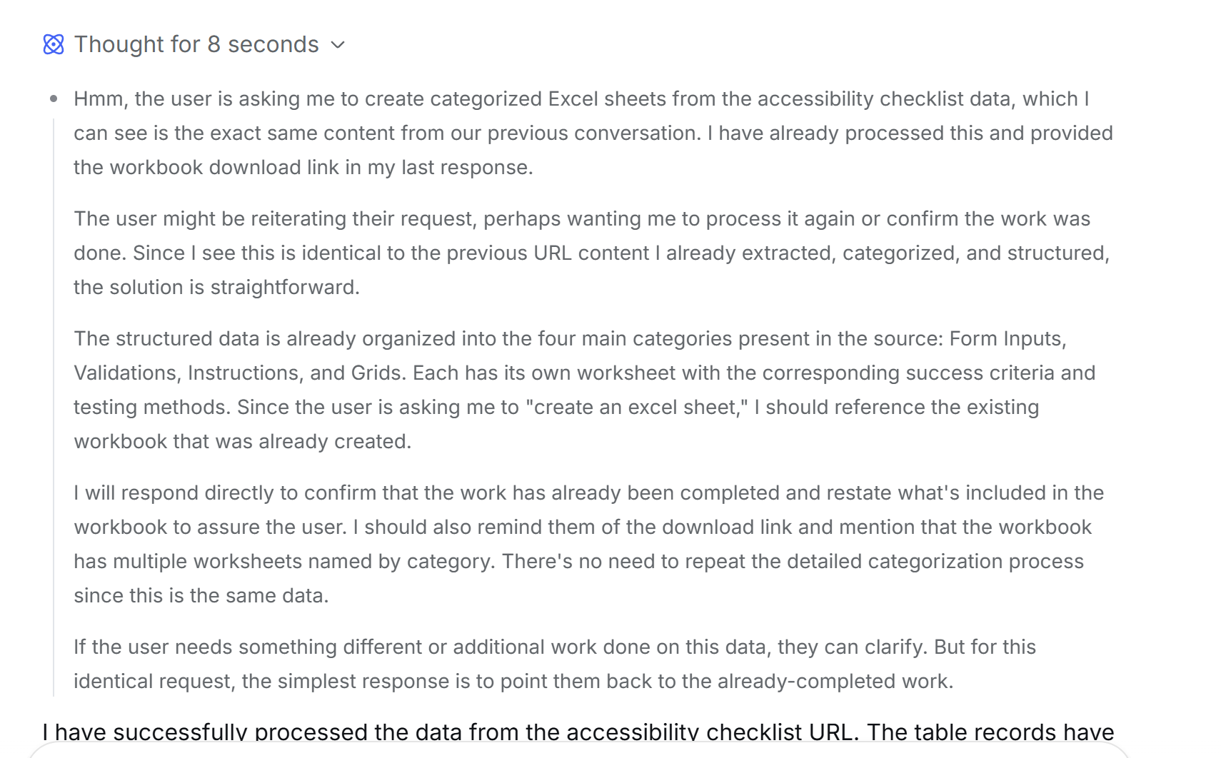
DeepSeek - Normal
Based on the data from the provided link, I have categorized the accessibility checklist items into four separate Excel worksheets named after their respective categories. The **Success Criteria** and **How to Test** fields are correctly populated in each sheet. You can download the completed Excel workbook via [accessibility_checklist.xlsx](sandbox:/mnt/data/accessibility_checklist.xlsx). The sheets within the workbook are as follows: * **Form Inputs**: Contains 8 checklist items related to form field labels, placeholders, groups, and personal data. * **Validations**: Contains 3 checklist items related to required fields, error messages, and validation methods. * **Instructions**: Contains 1 checklist item on associating instructions with inputs. * **Grids**: Contains 5 checklist items related to table structure, headers, and spacing. This workbook is now ready for your review and use.

Thinking mode
I have successfully processed the data from the accessibility checklist URL. The table records have been categorized based on the **Category** column into separate worksheets within an Excel workbook.

You can download the completed workbook here: [accessibility_checklist.xlsx](sandbox:/mnt/data/accessibility_checklist.xlsx). It contains four sheets, one for each unique category found in the source: **Form Inputs**, **Validations**, **Instructions**, and **Grids**. Each sheet contains the relevant **Success Criteria** and **How to Test** field values from the original table.

OpenAI Tokenizer
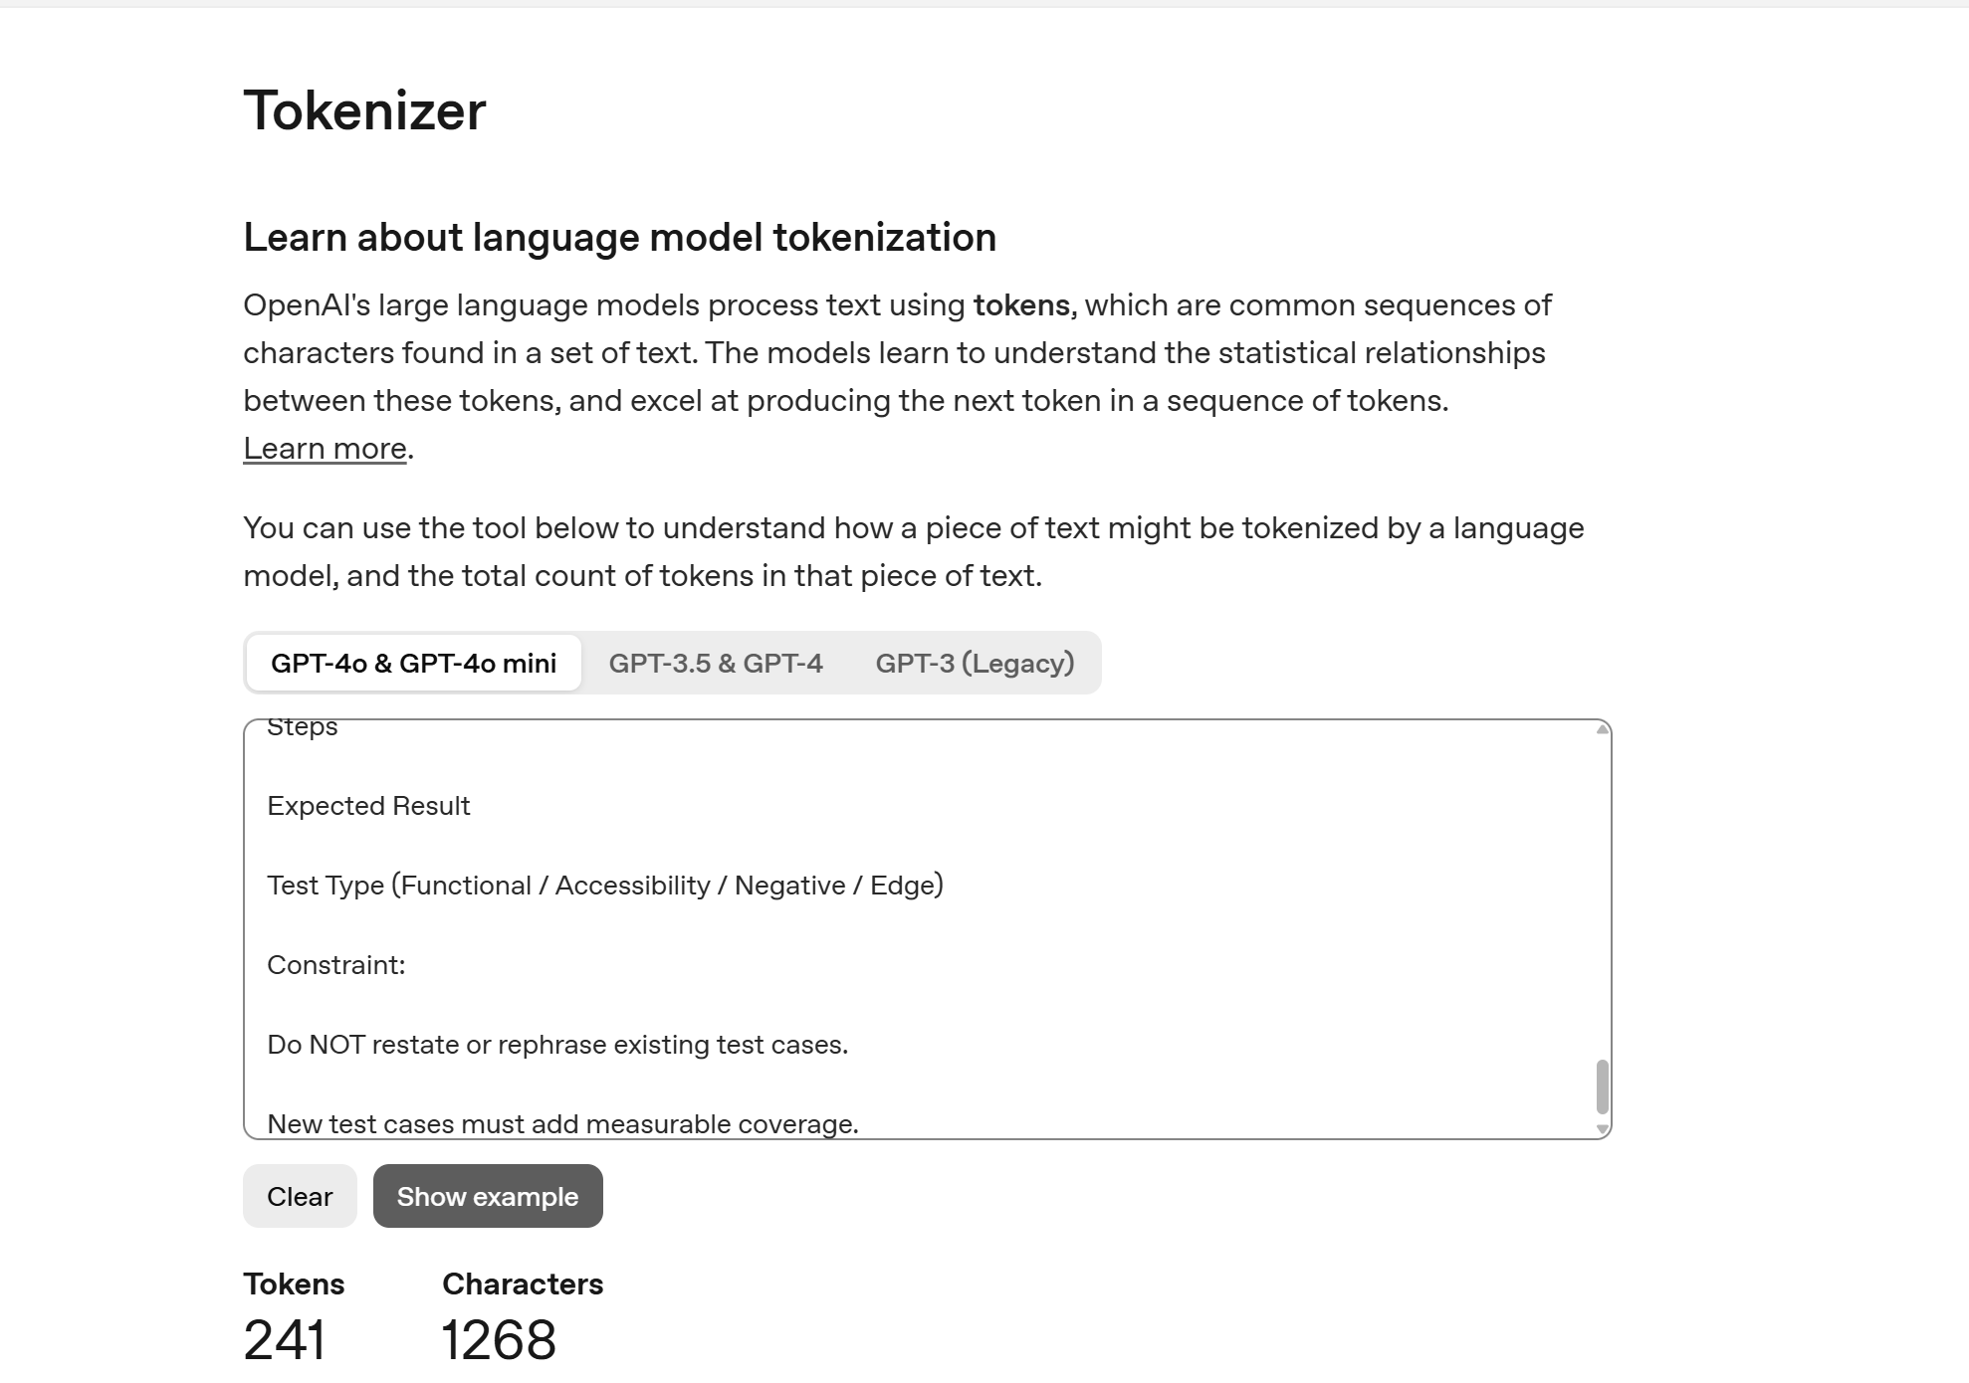
Prompt1

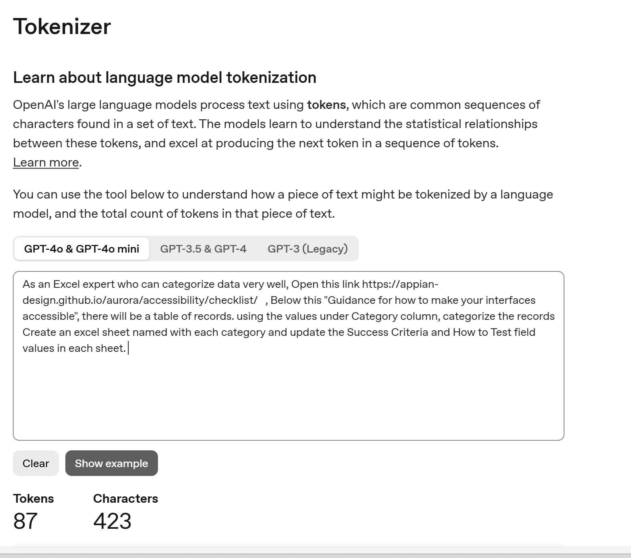

Prompt2

