Dashboard
Total Budget | Total Spent | Remaining Budget
₹11,000.00 | ₹1,261.00

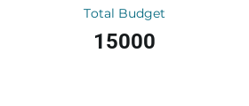
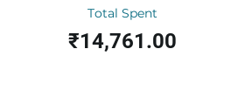

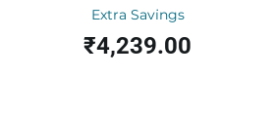
Category | Total Spent
Car | ₹0.00
Food | ₹551.00
Utilities | ₹0.00
Bike | ₹0.00
Medical | ₹0.00
Daily Spend vs Budget
Saloon | ₹710.00
Debt | ₹0.00
Education | ₹0.00
Entertainment | ₹0.00
 | ₹0.00

Expense Breakdown
Spending by Category
 | Insights & Recommendations: - Monitor daily spend to ensure it stays below the daily budget. - Extra savings are looking healthy, consider investing the surplus. - Update the Transactions tab regularly to keep the dashboard accurate.

